EarlyEstimate-Team4
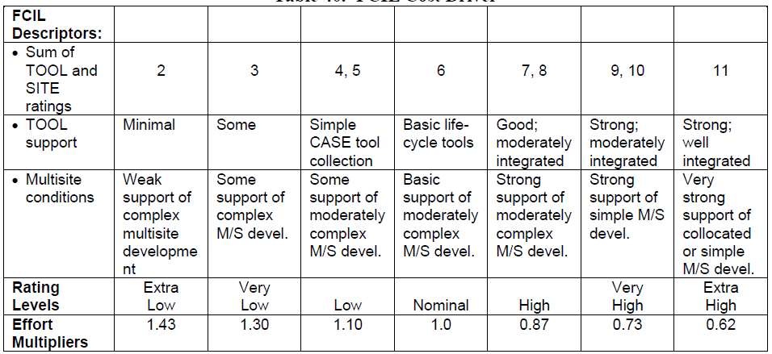
Cost Drivers-Step 4 |  |  |  |  |  |  |  | Comments
 |  |  |  |  |  |  |  | This sheet calculates the person hours and cost drivers for Team-4 using COCOMO early estimate model
SCALE | VERY LOW | LOW | NOMINAL | HIGH | VERY HIGH | EXTRA HIGH
VALUE | 1 | 2 | 3 | 4 | 5 | 6

PERS- Personnel Capability |  |  |  |  |  |  | PM-Person Months

Factor | ACAP | PCAP | PCON | Sum | PERS Value
Desc | Analyst Ability | Programmer Capability | Personnel Turnover |  | Refer below table |  | EM-Overall Sum
Range | (1-5) | (1-5) | (1-5) | - | -
Value | 3 | 3 | 5 | 11 | 0.83 |  | PERS | RCPX | RUSE | PDIF | PREX | SCED | FCIL | Product | E-Scale | Size
 |  |  |  |  |  |  | 0.83 | 1.33 | 0.95 | 1 | 0.87 | 1 | 0.73 | 0.6660325455 | 1.0412 | 4.399

 |  |  |  |  |  |  |  |  | Person Months= | A x (Size) ^E x Sum(EM)
 |  |  |  |  |  |  |  |  | Person Months= | 9.1559397674
 |  |  |  |  |  |  |  |  | Person Hours= | 1391.7028446

RCPX- Product Reliability & Complexity |  |  |  |  |  |  | PDIF-Platform difficulty

Factor | RELY | DATA | CPLX | DOCU | Sum | RCPX Value | Factor | TIME | STOR | PVOL | Sum | PDIF Value
Desc | Required Software Reliability | DB size | Product Complexity | Documentation to match Lifecycle |  | Refer below table | Desc | Execution time constraint | Main Storage Constraint | Platform Volatility |  | Refer below table
Range | (1-5) | (2-5) | (1-6) | (1-5) | - | - | Range | (3-6) | (3-6) | (2-5) | - | -
Value | 4 | 3 | 3 | 3 | 13 | 1.33 | Value | 3 | 3 | 3 | 9 | 1

RUSE- Developed for Reuseability |  |  |  |  |  |  | SCED-Required Development Schedule

Factor | RUSE | Value |  |  |  |  | Factor | SCED | Value
Desc | Developed for Reuseability | Refer below table |  |  |  |  | Desc | Developed for Reuseability | Refer below table
Range | (2-6) |  |  |  |  |  | Range | (1-5)
Value | 2 | 0.95 |  |  |  |  | Value | 2 | 1

PREX-Personnel Experience |  |  |  |  |  |  | FCIL-Facilities

Factor | APEX | PLEX | LTEX | Sum | Value |  | Factor | TOOL | SITE | Sum | Value
Desc | Application Experience | Platform experience | Language & tool experience |  | Refer below table |  | Desc | Use of software tools | Multisite development |  | Refer below table
Range | (1-5) | (1-5) | (1-5) | - | - |  | Range | (1-5) | (1-6) | - | -
Value | 3 | 4 | 3 | 10 | 0.87 |  | Value | 4 | 5 | 9 | 0.73

