UUCW
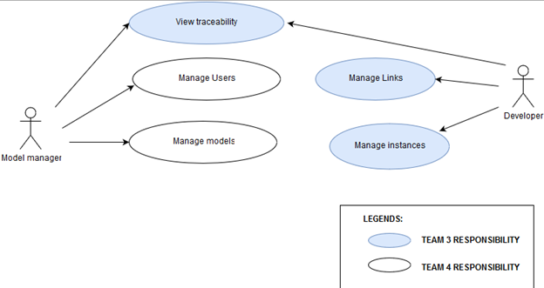 Figure 1: Use case Diagram

 |  |  |  | Use Case | Use Case Classification
 |  |  |  | Manage Model | Complex
 |  |  |  | Manage Users | Complex
 |  |  |  | Manage Links | Complex
 |  |  |  | Manage Instances | Complex
 |  |  |  | View Traceability | Complex

Unadjusted Use Case Weight (UUCW)

Use Case Classification | No. of Transactions | Weight | UseCases
Simple | 1 to 3 transactions | 5 | 0
Average | 4 to 7 transactions | 10 | 0
Complex | 8 or more transactions | 15 | 5
UUCW = (Total No. of Simple Use Cases x 5) + (Total No. Average Use Case x 10) + (Total No. Complex Use Cases x 15) |  |  | 75

