Instructions
Instructions
Go to Waterfall Chart
3 Minute Read

To use the Waterfall Chart

Select the number of columns required by clicking on the "Number of bars" menu.
1

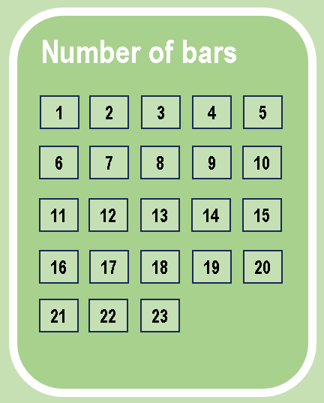
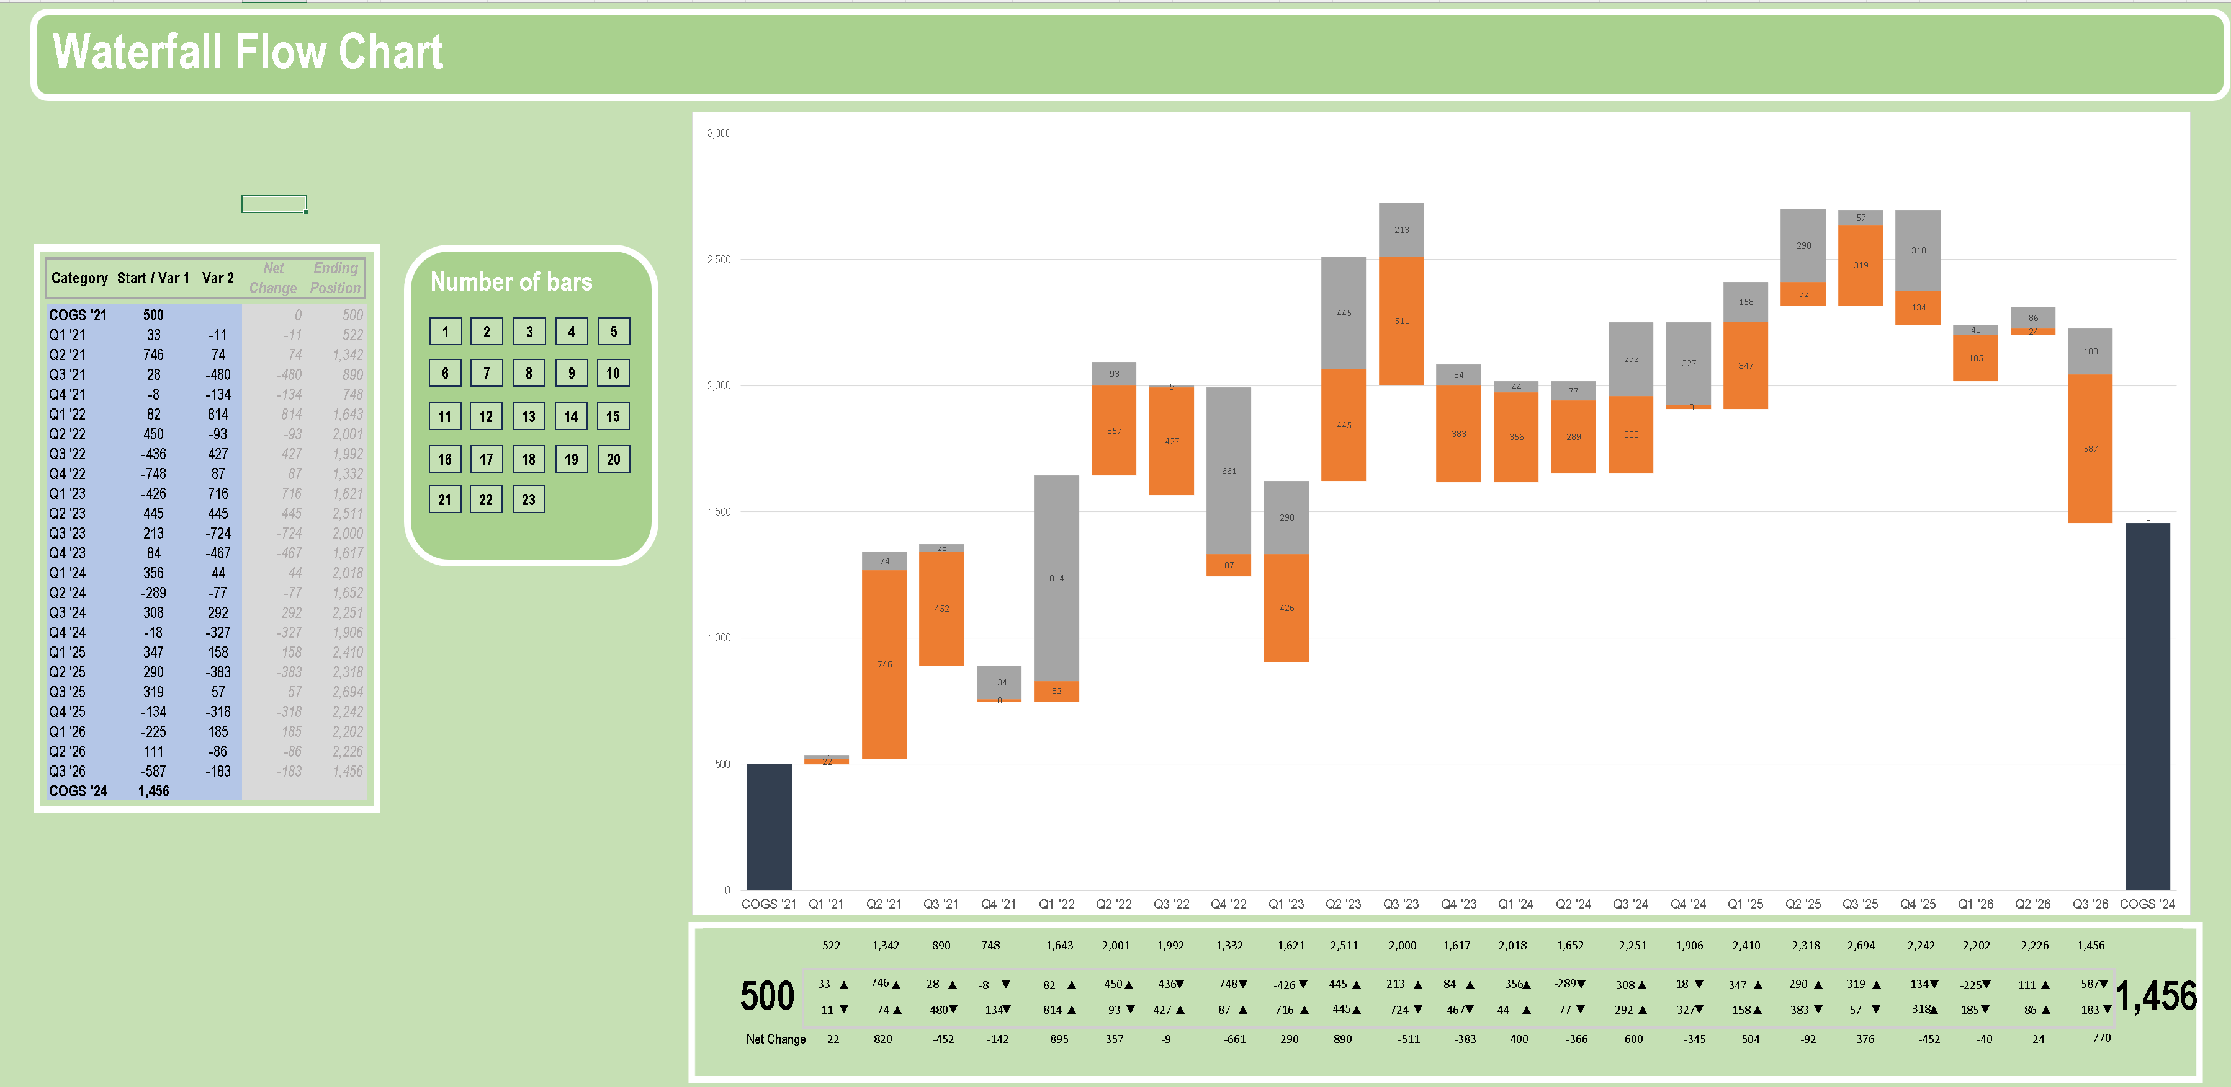

Creating a two variable chart

Place your data in the shaded blue area. You can also create one variable charts, or two variable charts for up to 23 columns.
2

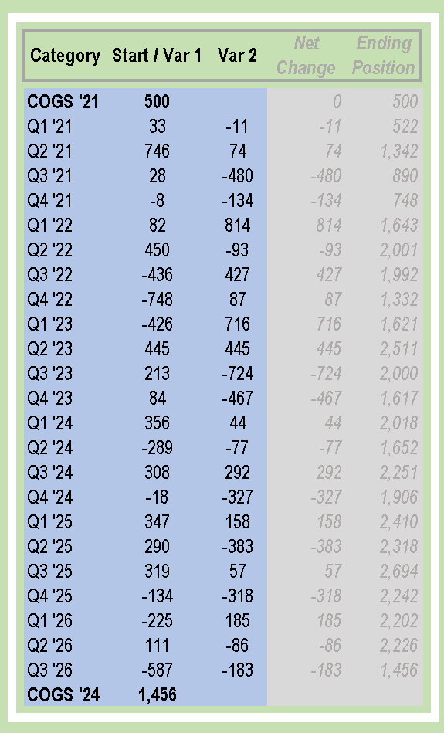

Creating a one variable chart

1
To create a one variable chart: After selecting the number of columns needed, simply place your data on only one of the variable
columns (Var 1 or Var 2 , either one will work).

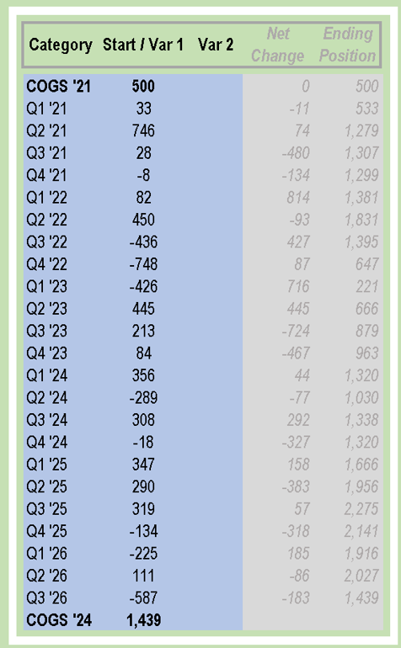

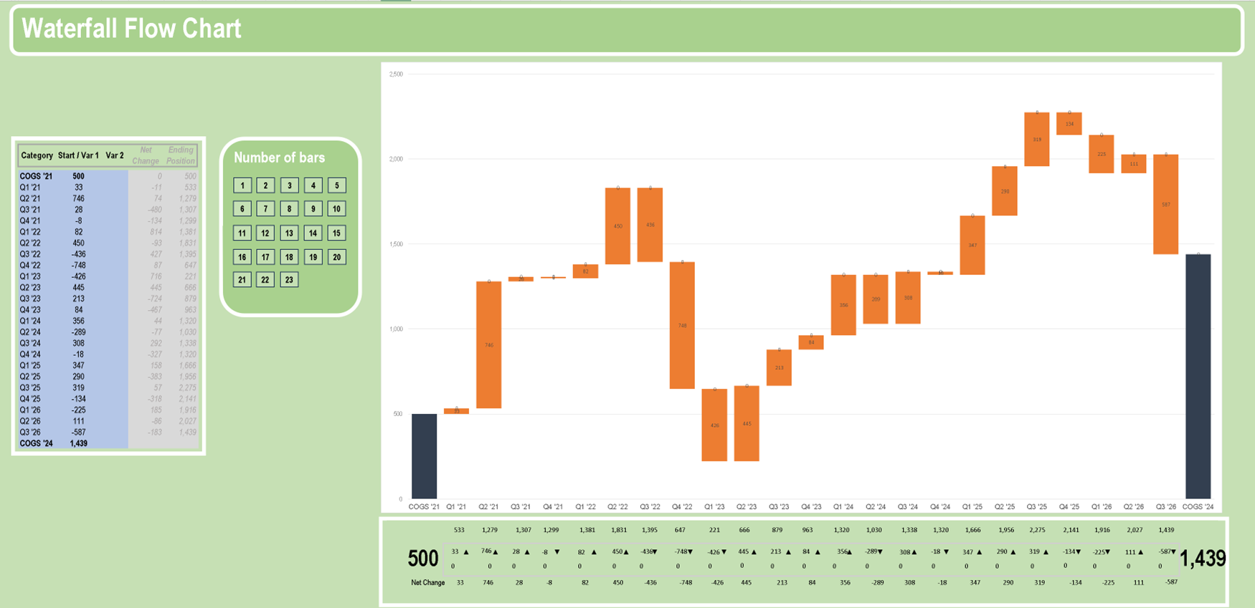

To create a one variable chart
leave this column empty

The chart

The table located in the lower part of the graph shows the data's ending position, as well as the value and direction of the two effects and the net change.

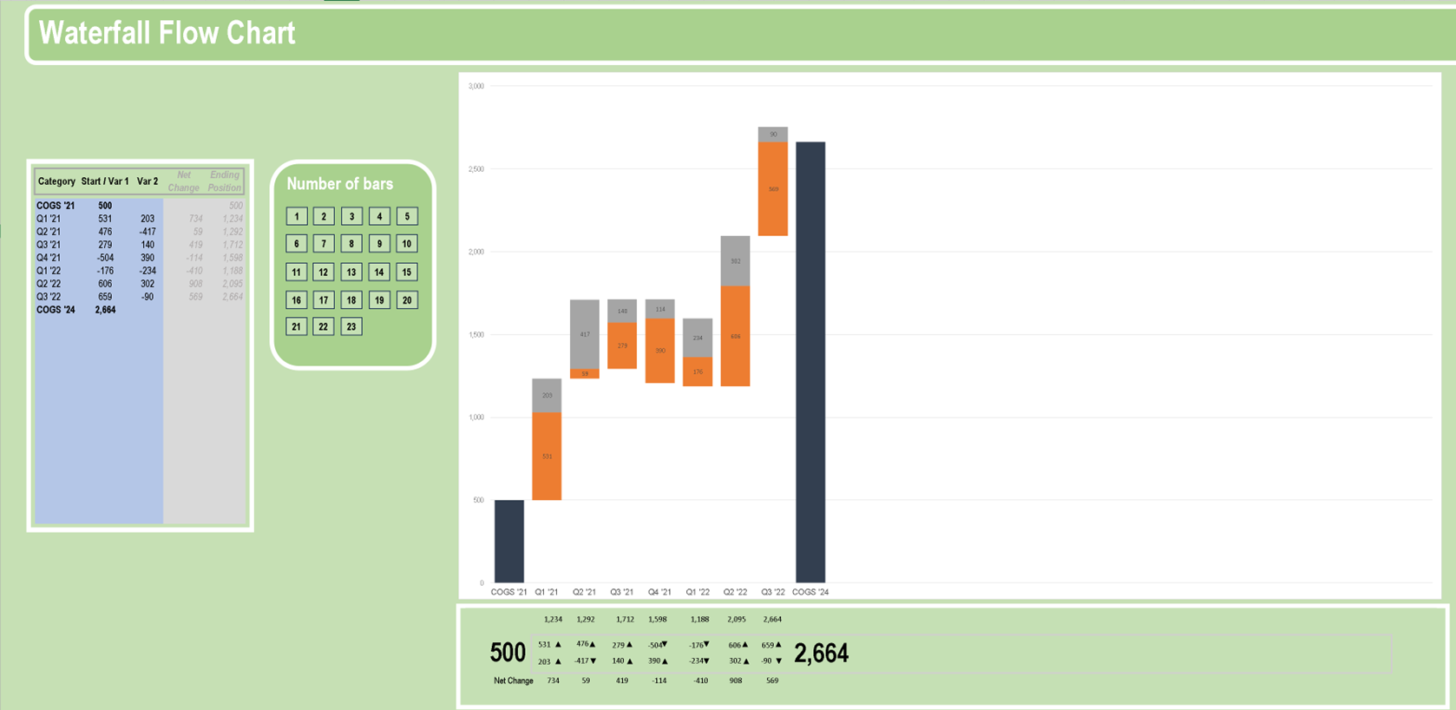

Ending
Position

Effects

The value of the next period is the addition of the initial value plus the net change.

Positive and negative variations during the same period

> When a combined positive and negative effect occur in the same period, the graph will show the
increase and the decrease in the combined bar for that period.
> For example: The variations in Q2 '21 are +476 and -417.
In this instance, the graph goes up +476 and then goes back down -417 for a net increase of +59

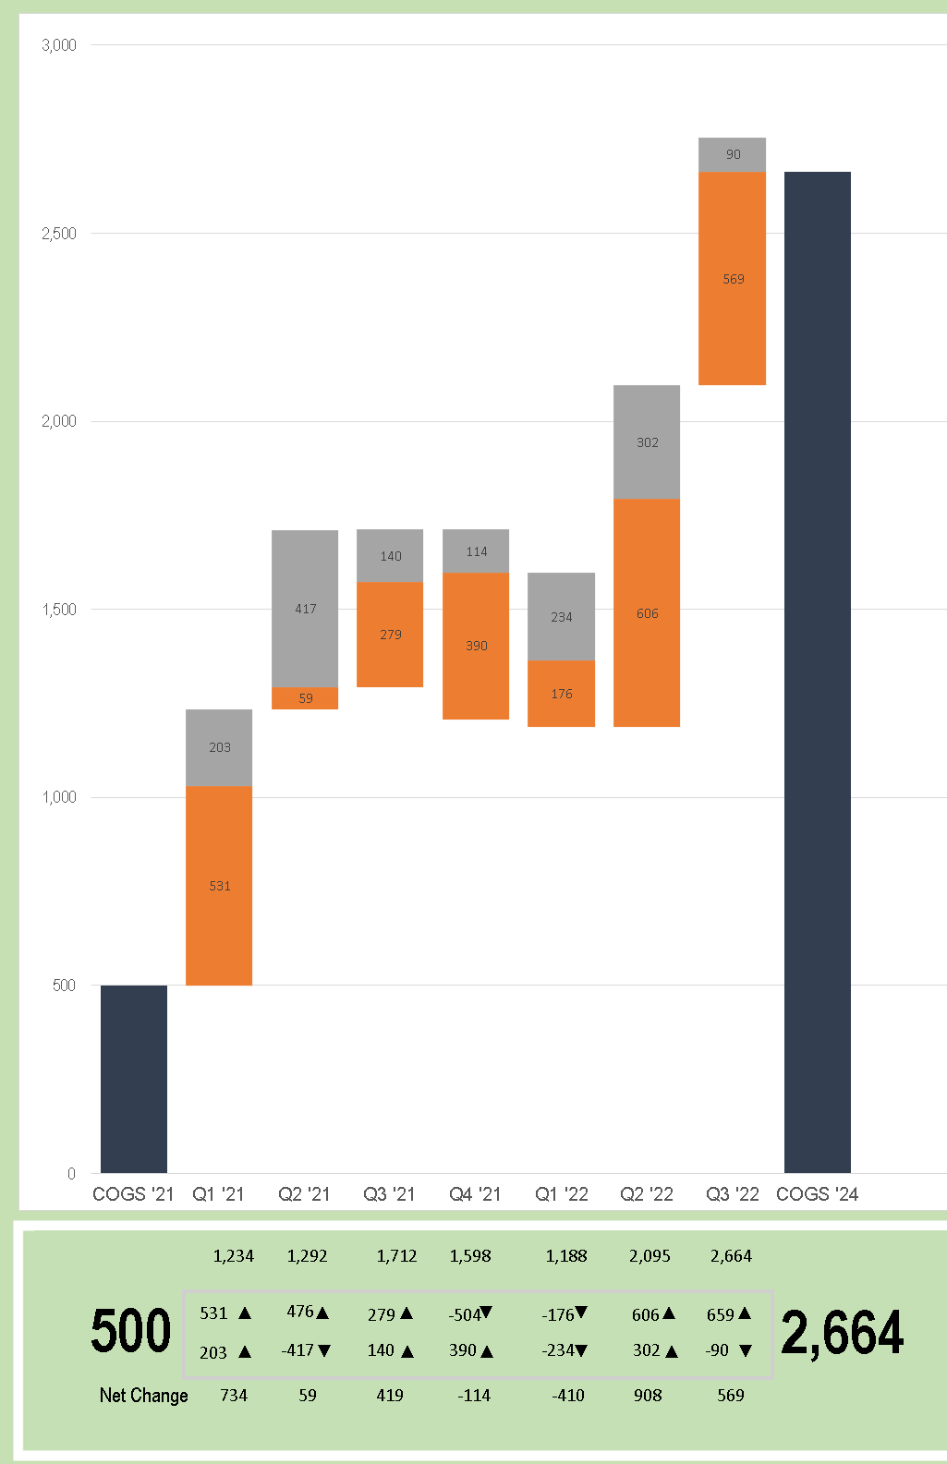

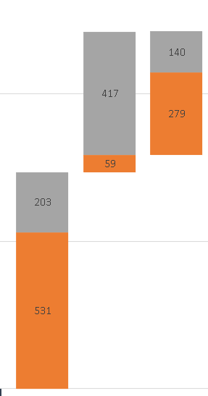

476

The next bar
starts at the
point where the
previous bar
ended. In this
case, a net
increase of +59

Thanks and if you have any questions or comments, or if I can be of further assistance please contact me at
julio.santiago.etsy@gmail.com
All the best!

01
Waterfall Flow Chart

COGS '21 | 500
Q1 '21 | 500 | 531 | 203
COGS '24 | 1,234

Number of bars
Category | Start / Var 1 | Var 2 | Net Change | Ending Position

1
2
3
4
5
6
7
8
9
10
COGS '21 | 500 |  |  | 500
Q1 '21 | 531 | 203 | 734 | 1,234
COGS '24 | 1,234

11
12
13
14
15

Select number of bars
required by graph
16
17
18
19
20

21
22
23

1,234

500
531
▲
1,234

203
▲
Net Change
734

Category | Initial Position |  |  |  | Var 1 Change | Var 2 Change | Net Change | Ending Position
COGS '21 | 500 |  |  |  |  |  |  | 500
Q1 '21 | 500 | 531 | 203 |  | 531 | 203 | 734 | 1,234 | ▲ | ▲
COGS '24 | 1,234



 |  |  |  |  |  |  |  |  |  |  | ▼ | ▲

02
Waterfall Flow Chart

COGS '21 | 500
Q1 '21 | 500 | 531 | 203
Q2 '21 | 1,234 | 59 | 417
COGS '24 | 1,292

Number of bars
Category | Start / Var 1 | Var 2 | Net Change | Ending Position

1
2
3
4
5
6
7
8
9
10
COGS '21 | 500 |  |  | 500
Q1 '21 | 531 | 203 | 734 | 1,234
Q2 '21 | 476 | -417 | 59 | 1,292
COGS '24 | 1,292
11
12
13
14
15

Select number of bars
required by graph
16
17
18
19
20

21
22
23

1,234
1,292

500
531
▲
476
▲
1,292

203
▲
-417
▼
Net Change
734
59

Category | Initial Position |  |  |  | Var 1 Change | Var 2 Change | Net Change | Ending Position
COGS '21 | 500 |  |  |  |  |  |  | 500
Q1 '21 | 500 | 531 | 203 |  | 531 | 203 | 734 | 1,234 | ▲ | ▲
Q2 '21 | 1,234 | 59 | 417 |  | 476 | -417 | 59 | 1,292 | ▲ | ▼
COGS '24 | 1,292

 |  |  |  |  |  |  |  |  |  |  | ▼ | ▲

03
Waterfall Flow Chart

COGS '21 | 500
Q1 '21 | 500 | 531 | 203
Q2 '21 | 1,234 | 59 | 417
Q3 '21 | 1,292 | 279 | 140
COGS '24 | 1,712

Number of bars
Category | Start / Var 1 | Var 2 | Net Change | Ending Position

1
2
3
4
5
6
7
8
9
10
COGS '21 | 500 |  |  | 500
Q1 '21 | 531 | 203 | 734 | 1,234
Q2 '21 | 476 | -417 | 59 | 1,292
Q3 '21 | 279 | 140 | 419 | 1,712
11
12
13
14
15
COGS '24 | 1,712

Select number of bars
required by graph
16
17
18
19
20

21
22
23

1,234
1,292
1,712

500
531
▲
476
▲
279
▲
1,712

203
▲
-417
▼
140
▲
Net Change
734
59
419

Category | Initial Position |  |  |  | Var 1 Change | Var 2 Change | Net Change | Ending Position
COGS '21 | 500 |  |  |  |  |  |  | 500
Q1 '21 | 500 | 531 | 203 |  | 531 | 203 | 734 | 1,234 | ▲ | ▲
Q2 '21 | 1,234 | 59 | 417 |  | 476 | -417 | 59 | 1,292 | ▲ | ▼
Q3 '21 | 1,292 | 279 | 140 |  | 279 | 140 | 419 | 1,712 | ▲ | ▲
COGS '24 | 1,712

 |  |  |  |  |  |  |  |  |  |  | ▼ | ▲

04
Waterfall Flow Chart

COGS '21 | 500
Q1 '21 | 500 | 531 | 203
Q2 '21 | 1,234 | 59 | 417
Q3 '21 | 1,292 | 279 | 140
Q4 '21 | 1,208 | 390 | 114
COGS '22 | 1,598

Number of bars
Category | Start / Var 1 | Var 2 | Net Change | Ending Position

1
2
3
4
5
6
7
8
9
10
COGS '21 | 500 |  |  | 500
Q1 '21 | 531 | 203 | 734 | 1,234
Q2 '21 | 476 | -417 | 59 | 1,292
Q3 '21 | 279 | 140 | 419 | 1,712
11
12
13
14
15
Q4 '21 | -504 | 390 | -114 | 1,598
COGS '22 | 1,598

Select number of bars
required by graph
16
17
18
19
20

21
22
23

1,234
1,292
1,712
1,598

500
531
▲
476
▲
279
▲
-504
▼
1,598

203
▲
-417
▼
140
▲
390
▲
Net Change
734
59
419
-114

Category | Initial Position |  |  |  | Var 1 Change | Var 2 Change | Net Change | Ending Position
COGS '21 | 500 |  |  |  |  |  |  | 500
Q1 '21 | 500 | 531 | 203 |  | 531 | 203 | 734 | 1,234 | ▲ | ▲
Q2 '21 | 1,234 | 59 | 417 |  | 476 | -417 | 59 | 1,292 | ▲ | ▼
Q3 '21 | 1,292 | 279 | 140 |  | 279 | 140 | 419 | 1,712 | ▲ | ▲
Q4 '21 | 1,208 | 390 | 114 |  | -504 | 390 | -114 | 1,598 | ▼ | ▲
COGS '22 | 1,598

 |  |  |  |  |  |  |  |  |  |  | ▼ | ▲

05
Waterfall Flow Chart

COGS '21 | 500
Q1 '21 | 500 | 531 | 203
Q2 '21 | 1,234 | 59 | 417
Q3 '21 | 1,292 | 279 | 140
Q4 '21 | 1,208 | 390 | 114
Q1 '22 | 1,188 | 176 | 234
COGS '24 | 1,188

Number of bars
Category | Start / Var 1 | Var 2 | Net Change | Ending Position

1
2
3
4
5
6
7
8
9
10
COGS '21 | 500 |  |  | 500
Q1 '21 | 531 | 203 | 734 | 1,234
Q2 '21 | 476 | -417 | 59 | 1,292
Q3 '21 | 279 | 140 | 419 | 1,712
11
12
13
14
15
Q4 '21 | -504 | 390 | -114 | 1,598
Q1 '22 | -176 | -234 | -410 | 1,188
COGS '24 | 1,188
Select number of bars
required by graph
16
17
18
19
20

21
22
23

1,234
1,292
1,712
1,598
1,188

500
531
▲
476
▲
279
▲
-504
▼
-176
▼
1,188

203
▲
-417
▼
140
▲
390
▲
-234
▼
Net Change
734
59
419
-114
-410

Category | Initial Position |  |  |  | Var 1 Change | Var 2 Change | Net Change | Ending Position
COGS '21 | 500 |  |  |  |  |  |  | 500
Q1 '21 | 500 | 531 | 203 |  | 531 | 203 | 734 | 1,234 | ▲ | ▲
Q2 '21 | 1,234 | 59 | 417 |  | 476 | -417 | 59 | 1,292 | ▲ | ▼
Q3 '21 | 1,292 | 279 | 140 |  | 279 | 140 | 419 | 1,712 | ▲ | ▲
Q4 '21 | 1,208 | 390 | 114 |  | -504 | 390 | -114 | 1,598 | ▼ | ▲
Q1 '22 | 1,188 | 176 | 234 |  | -176 | -234 | -410 | 1,188 | ▼ | ▼
COGS '24 | 1,188

 |  |  |  |  |  |  |  |  |  |  | ▼ | ▲

06
Waterfall Flow Chart

COGS '21 | 500
Q1 '21 | 500 | 531 | 203
Q2 '21 | 1,234 | 59 | 417
Q3 '21 | 1,292 | 279 | 140
Q4 '21 | 1,208 | 390 | 114
Q1 '22 | 1,188 | 176 | 234
Q2 '22 | 1,188 | 606 | 302
COGS '24 | 2,095

Number of bars
Category | Start / Var 1 | Var 2 | Net Change | Ending Position

1
2
3
4
5
6
7
8
9
10
COGS '21 | 500 |  |  | 500
Q1 '21 | 531 | 203 | 734 | 1,234
Q2 '21 | 476 | -417 | 59 | 1,292
Q3 '21 | 279 | 140 | 419 | 1,712
11
12
13
14
15
Q4 '21 | -504 | 390 | -114 | 1,598
Q1 '22 | -176 | -234 | -410 | 1,188
Q2 '22 | 606 | 302 | 908 | 2,095
Select number of bars
required by graph
16
17
18
19
20
COGS '24 | 2,095

21
22
23

1,234
1,292
1,712
1,598
1,188
2,095

500
531
▲
476
▲
279
▲
-504
▼
-176
▼
606
▲
2,095

203
▲
-417
▼
140
▲
390
▲
-234
▼
302
▲
Net Change
734
59
419
-114
-410
908

Category | Initial Position |  |  |  | Var 1 Change | Var 2 Change | Net Change | Ending Position
COGS '21 | 500 |  |  |  |  |  |  | 500
Q1 '21 | 500 | 531 | 203 |  | 531 | 203 | 734 | 1,234 | ▲ | ▲
Q2 '21 | 1,234 | 59 | 417 |  | 476 | -417 | 59 | 1,292 | ▲ | ▼
Q3 '21 | 1,292 | 279 | 140 |  | 279 | 140 | 419 | 1,712 | ▲ | ▲
Q4 '21 | 1,208 | 390 | 114 |  | -504 | 390 | -114 | 1,598 | ▼ | ▲
Q1 '22 | 1,188 | 176 | 234 |  | -176 | -234 | -410 | 1,188 | ▼ | ▼
Q2 '22 | 1,188 | 606 | 302 |  | 606 | 302 | 908 | 2,095 | ▲ | ▲
COGS '24 | 2,095

 |  |  |  |  |  |  |  |  |  |  | ▼ | ▲

07
Waterfall Flow Chart

COGS '21 | 500
Q1 '21 | 500 | 531 | 203
Q2 '21 | 1,234 | 59 | 417
Q3 '21 | 1,292 | 279 | 140
Q4 '21 | 1,208 | 390 | 114
Q1 '22 | 1,188 | 176 | 234
Q2 '22 | 1,188 | 606 | 302
Q3 '22 | 2,095 | 569 | 90
COGS '24 | 2,664

Number of bars
Category | Start / Var 1 | Var 2 | Net Change | Ending Position

1
2
3
4
5
6
7
8
9
10
COGS '21 | 500 |  |  | 500
Q1 '21 | 531 | 203 | 734 | 1,234
Q2 '21 | 476 | -417 | 59 | 1,292
Q3 '21 | 279 | 140 | 419 | 1,712
11
12
13
14
15
Q4 '21 | -504 | 390 | -114 | 1,598
Q1 '22 | -176 | -234 | -410 | 1,188
Q2 '22 | 606 | 302 | 908 | 2,095
Select number of bars
required by graph
16
17
18
19
20
Q3 '22 | 659 | -90 | 569 | 2,664
COGS '24 | 2,664
21
22
23

1,234
1,292
1,712
1,598
1,188
2,095
2,664

500
531
▲
476
▲
279
▲
-504
▼
-176
▼
606
▲
659
▲
2,664

203
▲
-417
▼
140
▲
390
▲
-234
▼
302
▲
-90
▼
Net Change
734
59
419
-114
-410
908
569

Category | Initial Position |  |  |  | Var 1 Change | Var 2 Change | Net Change | Ending Position
COGS '21 | 500 |  |  |  |  |  |  | 500
Q1 '21 | 500 | 531 | 203 |  | 531 | 203 | 734 | 1,234 | ▲ | ▲
Q2 '21 | 1,234 | 59 | 417 |  | 476 | -417 | 59 | 1,292 | ▲ | ▼
Q3 '21 | 1,292 | 279 | 140 |  | 279 | 140 | 419 | 1,712 | ▲ | ▲
Q4 '21 | 1,208 | 390 | 114 |  | -504 | 390 | -114 | 1,598 | ▼ | ▲
Q1 '22 | 1,188 | 176 | 234 |  | -176 | -234 | -410 | 1,188 | ▼ | ▼
Q2 '22 | 1,188 | 606 | 302 |  | 606 | 302 | 908 | 2,095 | ▲ | ▲
Q3 '22 | 2,095 | 569 | 90 |  | 659 | -90 | 569 | 2,664 | ▲ | ▼
COGS '24 | 2,664

 |  |  |  |  |  |  |  |  |  |  | ▼ | ▲

08
Waterfall Flow Chart

COGS '21 | 500
Q1 '21 | 500 | 531 | 203
Q2 '21 | 1,234 | 59 | 417
Q3 '21 | 1,292 | 279 | 140
Q4 '21 | 1,208 | 390 | 114
Q1 '22 | 1,188 | 176 | 234
Q2 '22 | 1,188 | 606 | 302
Q3 '22 | 2,095 | 569 | 90
Q4 '22 | 2,424 | 230 | 10
COGS '24 | 2,654

Number of bars
Category | Start / Var 1 | Var 2 | Net Change | Ending Position

1
2
3
4
5
6
7
8
9
10
COGS '21 | 500 |  |  | 500
Q1 '21 | 531 | 203 | 734 | 1,234
Q2 '21 | 476 | -417 | 59 | 1,292
Q3 '21 | 279 | 140 | 419 | 1,712
11
12
13
14
15
Q4 '21 | -504 | 390 | -114 | 1,598
Q1 '22 | -176 | -234 | -410 | 1,188
Q2 '22 | 606 | 302 | 908 | 2,095
Select number of bars
required by graph
16
17
18
19
20
Q3 '22 | 659 | -90 | 569 | 2,664
Q4 '22 | -240 | 230 | -10 | 2,654
21
22
23
COGS '24 | 2,654

1,234
1,292
1,712
1,598
1,188
2,095
2,664
2,654

500
531
▲
476
▲
279
▲
-504
▼
-176
▼
606
▲
659
▲
-240
2,654
▼

203
▲
-417
▼
140
▲
390
▲
-234
▼
302
▲
-90
▼
230
▲
Net Change
734
59
419
-114
-410
908
569
-10

Category | Initial Position |  |  |  | Var 1 Change | Var 2 Change | Net Change | Ending Position
COGS '21 | 500 |  |  |  |  |  |  | 500
Q1 '21 | 500 | 531 | 203 |  | 531 | 203 | 734 | 1,234 | ▲ | ▲
Q2 '21 | 1,234 | 59 | 417 |  | 476 | -417 | 59 | 1,292 | ▲ | ▼
Q3 '21 | 1,292 | 279 | 140 |  | 279 | 140 | 419 | 1,712 | ▲ | ▲
Q4 '21 | 1,208 | 390 | 114 |  | -504 | 390 | -114 | 1,598 | ▼ | ▲
Q1 '22 | 1,188 | 176 | 234 |  | -176 | -234 | -410 | 1,188 | ▼ | ▼
Q2 '22 | 1,188 | 606 | 302 |  | 606 | 302 | 908 | 2,095 | ▲ | ▲
Q3 '22 | 2,095 | 569 | 90 |  | 659 | -90 | 569 | 2,664 | ▲ | ▼
Q4 '22 | 2,424 | 230 | 10 |  | -240 | 230 | -10 | 2,654 | ▼ | ▲
COGS '24 | 2,654

 |  |  |  |  |  |  |  |  |  |  | ▼ | ▲

09
Waterfall Flow Chart

COGS '21 | 500
Q1 '21 | 500 | 531 | 203
Q2 '21 | 1,234 | 59 | 417
Q3 '21 | 1,292 | 279 | 140
Q4 '21 | 1,208 | 390 | 114
Q1 '22 | 1,188 | 176 | 234
Q2 '22 | 1,188 | 606 | 302
Q3 '22 | 2,095 | 569 | 90
Q4 '22 | 2,424 | 230 | 10
Q1 '23 | 2,513 | 141 | 162
COGS '24 | 2,816

Number of bars
Category | Start / Var 1 | Var 2 | Net Change | Ending Position

1
2
3
4
5
6
7
8
9
10
COGS '21 | 500 |  |  | 500
Q1 '21 | 531 | 203 | 734 | 1,234
Q2 '21 | 476 | -417 | 59 | 1,292
Q3 '21 | 279 | 140 | 419 | 1,712
11
12
13
14
15
Q4 '21 | -504 | 390 | -114 | 1,598
Q1 '22 | -176 | -234 | -410 | 1,188
Q2 '22 | 606 | 302 | 908 | 2,095
Select number of bars
required by graph
16
17
18
19
20
Q3 '22 | 659 | -90 | 569 | 2,664
Q4 '22 | -240 | 230 | -10 | 2,654
21
22
23
Q1 '23 | -141 | 303 | 162 | 2,816
COGS '24 | 2,816

1,234
1,292
1,712
1,598
1,188
2,095
2,664
2,654
2,816

500
531
▲
476
▲
279
▲
-504
▼
-176
▼
606
▲
659
▲
-240
-141
▼
2,816
▼

203
▲
-417
▼
140
▲
390
▲
-234
▼
302
▲
-90
▼
230
303
▲
▲
Net Change
734
59
419
-114
-410
908
569
-10
162

Category | Initial Position |  |  |  | Var 1 Change | Var 2 Change | Net Change | Ending Position
COGS '21 | 500 |  |  |  |  |  |  | 500
Q1 '21 | 500 | 531 | 203 |  | 531 | 203 | 734 | 1,234 | ▲ | ▲
Q2 '21 | 1,234 | 59 | 417 |  | 476 | -417 | 59 | 1,292 | ▲ | ▼
Q3 '21 | 1,292 | 279 | 140 |  | 279 | 140 | 419 | 1,712 | ▲ | ▲
Q4 '21 | 1,208 | 390 | 114 |  | -504 | 390 | -114 | 1,598 | ▼ | ▲
Q1 '22 | 1,188 | 176 | 234 |  | -176 | -234 | -410 | 1,188 | ▼ | ▼
Q2 '22 | 1,188 | 606 | 302 |  | 606 | 302 | 908 | 2,095 | ▲ | ▲
Q3 '22 | 2,095 | 569 | 90 |  | 659 | -90 | 569 | 2,664 | ▲ | ▼
Q4 '22 | 2,424 | 230 | 10 |  | -240 | 230 | -10 | 2,654 | ▼ | ▲
Q1 '23 | 2,513 | 141 | 162 |  | -141 | 303 | 162 | 2,816 | ▼ | ▲
COGS '24 | 2,816

 |  |  |  |  |  |  |  |  |  |  | ▼ | ▲

10
Waterfall Flow Chart

COGS '21 | 500
Q1 '21 | 500 | 531 | 203
Q2 '21 | 1,234 | 59 | 417
Q3 '21 | 1,292 | 279 | 140
Q4 '21 | 1,208 | 390 | 114
Q1 '22 | 1,188 | 176 | 234
Q2 '22 | 1,188 | 606 | 302
Q3 '22 | 2,095 | 569 | 90
Q4 '22 | 2,424 | 230 | 10
Q1 '23 | 2,513 | 141 | 162
Q2 '23 | 2,714 | 103 | 227
COGS '24 | 3,043

Number of bars
Category | Start / Var 1 | Var 2 | Net Change | Ending Position

1
2
3
4
5
6
7
8
9
10
COGS '21 | 500 |  |  | 500
Q1 '21 | 531 | 203 | 734 | 1,234
Q2 '21 | 476 | -417 | 59 | 1,292
Q3 '21 | 279 | 140 | 419 | 1,712
11
12
13
14
15
Q4 '21 | -504 | 390 | -114 | 1,598
Q1 '22 | -176 | -234 | -410 | 1,188
Q2 '22 | 606 | 302 | 908 | 2,095
Select number of bars
required by graph
16
17
18
19
20
Q3 '22 | 659 | -90 | 569 | 2,664
Q4 '22 | -240 | 230 | -10 | 2,654
21
22
23
Q1 '23 | -141 | 303 | 162 | 2,816
Q2 '23 | -103 | 330 | 227 | 3,043
COGS '24 | 3,043

1,234
1,292
1,712
1,598
1,188
2,095
2,664
2,654
2,816
3,043

500
531
▲
476
▲
279
▲
-504
▼
-176
▼
606
▲
659
▲
-240
-141
▼
-103
▼
3,043
▼

203
▲
-417
▼
140
▲
390
▲
-234
▼
302
▲
-90
▼
230
303
▲
330
▲
▲
Net Change
734
59
419
-114
-410
908
569
-10
162
227

Category | Initial Position |  |  |  | Var 1 Change | Var 2 Change | Net Change | Ending Position
COGS '21 | 500 |  |  |  |  |  |  | 500
Q1 '21 | 500 | 531 | 203 |  | 531 | 203 | 734 | 1,234 | ▲ | ▲
Q2 '21 | 1,234 | 59 | 417 |  | 476 | -417 | 59 | 1,292 | ▲ | ▼
Q3 '21 | 1,292 | 279 | 140 |  | 279 | 140 | 419 | 1,712 | ▲ | ▲
Q4 '21 | 1,208 | 390 | 114 |  | -504 | 390 | -114 | 1,598 | ▼ | ▲
Q1 '22 | 1,188 | 176 | 234 |  | -176 | -234 | -410 | 1,188 | ▼ | ▼
Q2 '22 | 1,188 | 606 | 302 |  | 606 | 302 | 908 | 2,095 | ▲ | ▲
Q3 '22 | 2,095 | 569 | 90 |  | 659 | -90 | 569 | 2,664 | ▲ | ▼
Q4 '22 | 2,424 | 230 | 10 |  | -240 | 230 | -10 | 2,654 | ▼ | ▲
Q1 '23 | 2,513 | 141 | 162 |  | -141 | 303 | 162 | 2,816 | ▼ | ▲
Q2 '23 | 2,714 | 103 | 227 |  | -103 | 330 | 227 | 3,043 | ▼ | ▲
COGS '24 | 3,043

 |  |  |  |  |  |  |  |  |  |  | ▼ | ▲

11
Waterfall Flow Chart

COGS '21 | 500
Q1 '21 | 500 | 531 | 203
Q2 '21 | 1,234 | 59 | 417
Q3 '21 | 1,292 | 279 | 140
Q4 '21 | 1,208 | 390 | 114
Q1 '22 | 1,188 | 176 | 234
Q2 '22 | 1,188 | 606 | 302
Q3 '22 | 2,095 | 569 | 90
Q4 '22 | 2,424 | 230 | 10
Q1 '23 | 2,513 | 141 | 162
Q2 '23 | 2,714 | 103 | 227
Q3 '23 | 3,043 | 652 | 686
COGS '24 | 4,381

Number of bars
Category | Start / Var 1 | Var 2 | Net Change | Ending Position

1
2
3
4
5
6
7
8
9
10
COGS '21 | 500 |  |  | 500
Q1 '21 | 531 | 203 | 734 | 1,234
Q2 '21 | 476 | -417 | 59 | 1,292
Q3 '21 | 279 | 140 | 419 | 1,712
11
12
13
14
15
Q4 '21 | -504 | 390 | -114 | 1,598
Q1 '22 | -176 | -234 | -410 | 1,188
Q2 '22 | 606 | 302 | 908 | 2,095
Select number of bars
required by graph
16
17
18
19
20
Q3 '22 | 659 | -90 | 569 | 2,664
Q4 '22 | -240 | 230 | -10 | 2,654
21
22
23
Q1 '23 | -141 | 303 | 162 | 2,816
Q2 '23 | -103 | 330 | 227 | 3,043
Q3 '23 | 652 | 686 | 1,338 | 4,381
COGS '24 | 4,381

1,234
1,292
1,712
1,598
1,188
2,095
2,664
2,654
2,816
3,043
4,381

500
531
▲
476
▲
279
▲
-504
▼
-176
▼
606
▲
659
▲
-240
-141
▼
-103
▼
652
▼
4,381
▲

203
▲
-417
▼
140
▲
390
▲
-234
▼
302
▲
-90
▼
230
303
▲
330
▲
686
▲
▲
Net Change
734
59
419
-114
-410
908
569
-10
162
227
1,338

Category | Initial Position |  |  |  | Var 1 Change | Var 2 Change | Net Change | Ending Position
COGS '21 | 500 |  |  |  |  |  |  | 500
Q1 '21 | 500 | 531 | 203 |  | 531 | 203 | 734 | 1,234 | ▲ | ▲
Q2 '21 | 1,234 | 59 | 417 |  | 476 | -417 | 59 | 1,292 | ▲ | ▼
Q3 '21 | 1,292 | 279 | 140 |  | 279 | 140 | 419 | 1,712 | ▲ | ▲
Q4 '21 | 1,208 | 390 | 114 |  | -504 | 390 | -114 | 1,598 | ▼ | ▲
Q1 '22 | 1,188 | 176 | 234 |  | -176 | -234 | -410 | 1,188 | ▼ | ▼
Q2 '22 | 1,188 | 606 | 302 |  | 606 | 302 | 908 | 2,095 | ▲ | ▲
Q3 '22 | 2,095 | 569 | 90 |  | 659 | -90 | 569 | 2,664 | ▲ | ▼
Q4 '22 | 2,424 | 230 | 10 |  | -240 | 230 | -10 | 2,654 | ▼ | ▲
Q1 '23 | 2,513 | 141 | 162 |  | -141 | 303 | 162 | 2,816 | ▼ | ▲
Q2 '23 | 2,714 | 103 | 227 |  | -103 | 330 | 227 | 3,043 | ▼ | ▲
Q3 '23 | 3,043 | 652 | 686 |  | 652 | 686 | 1,338 | 4,381 | ▲ | ▲
COGS '24 | 4,381

 |  |  |  |  |  |  |  |  |  |  | ▼ | ▲

12
Waterfall Flow Chart

COGS '21 | 500
Q1 '21 | 500 | 531 | 203
Q2 '21 | 1,234 | 59 | 417
Q3 '21 | 1,292 | 279 | 140
Q4 '21 | 1,208 | 390 | 114
Q1 '22 | 1,188 | 176 | 234
Q2 '22 | 1,188 | 606 | 302
Q3 '22 | 2,095 | 569 | 90
Q4 '22 | 2,424 | 230 | 10
Q1 '23 | 2,513 | 141 | 162
Q2 '23 | 2,714 | 103 | 227
Q3 '23 | 3,043 | 652 | 686
Q4 '23 | 4,381 | 278 | 102
COGS '24 | 4,659

Number of bars
Category | Start / Var 1 | Var 2 | Net Change | Ending Position

1
2
3
4
5
6
7
8
9
10
COGS '21 | 500 |  |  | 500
Q1 '21 | 531 | 203 | 734 | 1,234
Q2 '21 | 476 | -417 | 59 | 1,292
Q3 '21 | 279 | 140 | 419 | 1,712
11
12
13
14
15
Q4 '21 | -504 | 390 | -114 | 1,598
Q1 '22 | -176 | -234 | -410 | 1,188
Q2 '22 | 606 | 302 | 908 | 2,095
Select number of bars
required by graph
16
17
18
19
20
Q3 '22 | 659 | -90 | 569 | 2,664
Q4 '22 | -240 | 230 | -10 | 2,654
21
22
23
Q1 '23 | -141 | 303 | 162 | 2,816
Q2 '23 | -103 | 330 | 227 | 3,043
Q3 '23 | 652 | 686 | 1,338 | 4,381
Q4 '23 | 380 | -102 | 278 | 4,659
COGS '24 | 4,659

1,234
1,292
1,712
1,598
1,188
2,095
2,664
2,654
2,816
3,043
4,381
4,659

500
531
▲
476
▲
279
▲
-504
▼
-176
▼
606
▲
659
▲
-240
-141
▼
-103
▼
652
▼
380
▲
4,659
▲

203
▲
-417
▼
140
▲
390
▲
-234
▼
302
▲
-90
▼
230
303
▲
330
▲
686
▲
-102
▲
▼
Net Change
734
59
419
-114
-410
908
569
-10
162
227
1,338
278

Category | Initial Position |  |  |  | Var 1 Change | Var 2 Change | Net Change | Ending Position
COGS '21 | 500 |  |  |  |  |  |  | 500
Q1 '21 | 500 | 531 | 203 |  | 531 | 203 | 734 | 1,234 | ▲ | ▲
Q2 '21 | 1,234 | 59 | 417 |  | 476 | -417 | 59 | 1,292 | ▲ | ▼
Q3 '21 | 1,292 | 279 | 140 |  | 279 | 140 | 419 | 1,712 | ▲ | ▲
Q4 '21 | 1,208 | 390 | 114 |  | -504 | 390 | -114 | 1,598 | ▼ | ▲
Q1 '22 | 1,188 | 176 | 234 |  | -176 | -234 | -410 | 1,188 | ▼ | ▼
Q2 '22 | 1,188 | 606 | 302 |  | 606 | 302 | 908 | 2,095 | ▲ | ▲
Q3 '22 | 2,095 | 569 | 90 |  | 659 | -90 | 569 | 2,664 | ▲ | ▼
Q4 '22 | 2,424 | 230 | 10 |  | -240 | 230 | -10 | 2,654 | ▼ | ▲
Q1 '23 | 2,513 | 141 | 162 |  | -141 | 303 | 162 | 2,816 | ▼ | ▲
Q2 '23 | 2,714 | 103 | 227 |  | -103 | 330 | 227 | 3,043 | ▼ | ▲
Q3 '23 | 3,043 | 652 | 686 |  | 652 | 686 | 1,338 | 4,381 | ▲ | ▲
Q4 '23 | 4,381 | 278 | 102 |  | 380 | -102 | 278 | 4,659 | ▲ | ▼
COGS '24 | 4,659

 |  |  |  |  |  |  |  |  |  |  | ▼ | ▲

13
Waterfall Flow Chart

COGS '21 | 500
Q1 '21 | 500 | 531 | 203
Q2 '21 | 1,234 | 59 | 417
Q3 '21 | 1,292 | 279 | 140
Q4 '21 | 1,208 | 390 | 114
Q1 '22 | 1,188 | 176 | 234
Q2 '22 | 1,188 | 606 | 302
Q3 '22 | 2,095 | 569 | 90
Q4 '22 | 2,424 | 230 | 10
Q1 '23 | 2,513 | 141 | 162
Q2 '23 | 2,714 | 103 | 227
Q3 '23 | 3,043 | 652 | 686
Q4 '23 | 4,381 | 278 | 102
Q1 '24 | 4,203 | 456 | 7
COGS '24 | 4,203

Number of bars
Category | Start / Var 1 | Var 2 | Net Change | Ending Position

1
2
3
4
5
6
7
8
9
10
COGS '21 | 500 |  |  | 500
Q1 '21 | 531 | 203 | 734 | 1,234
Q2 '21 | 476 | -417 | 59 | 1,292
Q3 '21 | 279 | 140 | 419 | 1,712
11
12
13
14
15
Q4 '21 | -504 | 390 | -114 | 1,598
Q1 '22 | -176 | -234 | -410 | 1,188
Q2 '22 | 606 | 302 | 908 | 2,095
Select number of bars
required by graph
16
17
18
19
20
Q3 '22 | 659 | -90 | 569 | 2,664
Q4 '22 | -240 | 230 | -10 | 2,654
21
22
23
Q1 '23 | -141 | 303 | 162 | 2,816
Q2 '23 | -103 | 330 | 227 | 3,043
Q3 '23 | 652 | 686 | 1,338 | 4,381
Q4 '23 | 380 | -102 | 278 | 4,659
Q1 '24 | 7 | -463 | -456 | 4,203
COGS '24 | 4,203

1,234
1,292
1,712
1,598
1,188
2,095
2,664
2,654
2,816
3,043
4,381
4,659
4,203

500
531
▲
476
▲
279
▲
-504
▼
-176
▼
606
▲
659
▲
-240
-141
▼
-103
▼
652
▼
380
▲
7
▲
4,203
▲

203
▲
-417
▼
140
▲
390
▲
-234
▼
302
▲
-90
▼
230
303
▲
330
▲
686
▲
-102
▲
-463
▼
▼
Net Change
734
59
419
-114
-410
908
569
-10
162
227
1,338
278
-456

Category | Initial Position |  |  |  | Var 1 Change | Var 2 Change | Net Change | Ending Position
COGS '21 | 500 |  |  |  |  |  |  | 500
Q1 '21 | 500 | 531 | 203 |  | 531 | 203 | 734 | 1,234 | ▲ | ▲
Q2 '21 | 1,234 | 59 | 417 |  | 476 | -417 | 59 | 1,292 | ▲ | ▼
Q3 '21 | 1,292 | 279 | 140 |  | 279 | 140 | 419 | 1,712 | ▲ | ▲
Q4 '21 | 1,208 | 390 | 114 |  | -504 | 390 | -114 | 1,598 | ▼ | ▲
Q1 '22 | 1,188 | 176 | 234 |  | -176 | -234 | -410 | 1,188 | ▼ | ▼
Q2 '22 | 1,188 | 606 | 302 |  | 606 | 302 | 908 | 2,095 | ▲ | ▲
Q3 '22 | 2,095 | 569 | 90 |  | 659 | -90 | 569 | 2,664 | ▲ | ▼
Q4 '22 | 2,424 | 230 | 10 |  | -240 | 230 | -10 | 2,654 | ▼ | ▲
Q1 '23 | 2,513 | 141 | 162 |  | -141 | 303 | 162 | 2,816 | ▼ | ▲
Q2 '23 | 2,714 | 103 | 227 |  | -103 | 330 | 227 | 3,043 | ▼ | ▲
Q3 '23 | 3,043 | 652 | 686 |  | 652 | 686 | 1,338 | 4,381 | ▲ | ▲
Q4 '23 | 4,381 | 278 | 102 |  | 380 | -102 | 278 | 4,659 | ▲ | ▼
Q1 '24 | 4,203 | 456 | 7 |  | 7 | -463 | -456 | 4,203 | ▲ | ▼
COGS '24 | 4,203

 |  |  |  |  |  |  |  |  |  |  | ▼ | ▲

14
Waterfall Flow Chart

COGS '21 | 500
Q1 '21 | 500 | 531 | 203
Q2 '21 | 1,234 | 59 | 417
Q3 '21 | 1,292 | 279 | 140
Q4 '21 | 1,208 | 390 | 114
Q1 '22 | 1,188 | 176 | 234
Q2 '22 | 1,188 | 606 | 302
Q3 '22 | 2,095 | 569 | 90
Q4 '22 | 2,424 | 230 | 10
Q1 '23 | 2,513 | 141 | 162
Q2 '23 | 2,714 | 103 | 227
Q3 '23 | 3,043 | 652 | 686
Q4 '23 | 4,381 | 278 | 102
Q1 '24 | 4,203 | 456 | 7
Q2 '24 | 3,744 | 374 | 84
COGS '24 | 3,744

Number of bars
Category | Start / Var 1 | Var 2 | Net Change | Ending Position

1
2
3
4
5
6
7
8
9
10
COGS '21 | 500 |  |  | 500
Q1 '21 | 531 | 203 | 734 | 1,234
Q2 '21 | 476 | -417 | 59 | 1,292
Q3 '21 | 279 | 140 | 419 | 1,712
11
12
13
14
15
Q4 '21 | -504 | 390 | -114 | 1,598
Q1 '22 | -176 | -234 | -410 | 1,188
Q2 '22 | 606 | 302 | 908 | 2,095
Select number of bars
required by graph
16
17
18
19
20
Q3 '22 | 659 | -90 | 569 | 2,664
Q4 '22 | -240 | 230 | -10 | 2,654
21
22
23
Q1 '23 | -141 | 303 | 162 | 2,816
Q2 '23 | -103 | 330 | 227 | 3,043
Q3 '23 | 652 | 686 | 1,338 | 4,381
Q4 '23 | 380 | -102 | 278 | 4,659
Q1 '24 | 7 | -463 | -456 | 4,203
Q2 '24 | -374 | -84 | -458 | 3,744
COGS '24 | 3,744

1,234
1,292
1,712
1,598
1,188
2,095
2,664
2,654
2,816
3,043
4,381
4,659
4,203
3,744

500
531
▲
476
▲
279
▲
-504
▼
-176
▼
606
▲
659
▲
-240
-141
▼
-103
▼
652
▼
380
▲
7
▲
▲
-374
▼
3,744

203
▲
-417
▼
140
▲
390
▲
-234
▼
302
▲
-90
▼
230
303
▲
330
▲
686
▲
-102
▲
-463
▼
▼
-84
▼
Net Change
734
59
419
-114
-410
908
569
-10
162
227
1,338
278
-456
-458

Category | Initial Position |  |  |  | Var 1 Change | Var 2 Change | Net Change | Ending Position
COGS '21 | 500 |  |  |  |  |  |  | 500
Q1 '21 | 500 | 531 | 203 |  | 531 | 203 | 734 | 1,234 | ▲ | ▲
Q2 '21 | 1,234 | 59 | 417 |  | 476 | -417 | 59 | 1,292 | ▲ | ▼
Q3 '21 | 1,292 | 279 | 140 |  | 279 | 140 | 419 | 1,712 | ▲ | ▲
Q4 '21 | 1,208 | 390 | 114 |  | -504 | 390 | -114 | 1,598 | ▼ | ▲
Q1 '22 | 1,188 | 176 | 234 |  | -176 | -234 | -410 | 1,188 | ▼ | ▼
Q2 '22 | 1,188 | 606 | 302 |  | 606 | 302 | 908 | 2,095 | ▲ | ▲
Q3 '22 | 2,095 | 569 | 90 |  | 659 | -90 | 569 | 2,664 | ▲ | ▼
Q4 '22 | 2,424 | 230 | 10 |  | -240 | 230 | -10 | 2,654 | ▼ | ▲
Q1 '23 | 2,513 | 141 | 162 |  | -141 | 303 | 162 | 2,816 | ▼ | ▲
Q2 '23 | 2,714 | 103 | 227 |  | -103 | 330 | 227 | 3,043 | ▼ | ▲
Q3 '23 | 3,043 | 652 | 686 |  | 652 | 686 | 1,338 | 4,381 | ▲ | ▲
Q4 '23 | 4,381 | 278 | 102 |  | 380 | -102 | 278 | 4,659 | ▲ | ▼
Q1 '24 | 4,203 | 456 | 7 |  | 7 | -463 | -456 | 4,203 | ▲ | ▼
Q2 '24 | 3,744 | 374 | 84 |  | -374 | -84 | -458 | 3,744 | ▼ | ▼
COGS '24 | 3,744

 |  |  |  |  |  |  |  |  |  |  | ▼ | ▲

15
Waterfall Flow Chart

COGS '21 | 500
Q1 '21 | 500 | 531 | 203
Q2 '21 | 1,234 | 59 | 417
Q3 '21 | 1,292 | 279 | 140
Q4 '21 | 1,208 | 390 | 114
Q1 '22 | 1,188 | 176 | 234
Q2 '22 | 1,188 | 606 | 302
Q3 '22 | 2,095 | 569 | 90
Q4 '22 | 2,424 | 230 | 10
Q1 '23 | 2,513 | 141 | 162
Q2 '23 | 2,714 | 103 | 227
Q3 '23 | 3,043 | 652 | 686
Q4 '23 | 4,381 | 278 | 102
Q1 '24 | 4,203 | 456 | 7
Q2 '24 | 3,744 | 374 | 84
Q3 '24 | 3,744 | 715 | 632
COGS '24 | 5,091

Number of bars
Category | Start / Var 1 | Var 2 | Net Change | Ending Position

1
2
3
4
5
6
7
8
9
10
COGS '21 | 500 |  |  | 500
Q1 '21 | 531 | 203 | 734 | 1,234
Q2 '21 | 476 | -417 | 59 | 1,292
Q3 '21 | 279 | 140 | 419 | 1,712
11
12
13
14
15
Q4 '21 | -504 | 390 | -114 | 1,598
Q1 '22 | -176 | -234 | -410 | 1,188
Q2 '22 | 606 | 302 | 908 | 2,095
Select number of bars
required by graph
16
17
18
19
20
Q3 '22 | 659 | -90 | 569 | 2,664
Q4 '22 | -240 | 230 | -10 | 2,654
21
22
23
Q1 '23 | -141 | 303 | 162 | 2,816
Q2 '23 | -103 | 330 | 227 | 3,043
Q3 '23 | 652 | 686 | 1,338 | 4,381
Q4 '23 | 380 | -102 | 278 | 4,659
Q1 '24 | 7 | -463 | -456 | 4,203
Q2 '24 | -374 | -84 | -458 | 3,744
Q3 '24 | 715 | 632 | 1,347 | 5,091
COGS '24 | 5,091

1,234
1,292
1,712
1,598
1,188
2,095
2,664
2,654
2,816
3,043
4,381
4,659
4,203
3,744
5,091

500
531
▲
476
▲
279
▲
-504
▼
-176
▼
606
▲
659
▲
-240
-141
▼
-103
▼
652
▼
380
▲
7
▲
-374
▲
▼
715
▲
5,091

203
▲
-417
▼
140
▲
390
▲
-234
▼
302
▲
-90
▼
230
303
▲
330
▲
686
▲
-102
▲
-463
▼
▼
-84
▼
632
▲
Net Change
734
59
419
-114
-410
908
569
-10
162
227
1,338
278
-456
-458
1,347

Category | Initial Position |  |  |  | Var 1 Change | Var 2 Change | Net Change | Ending Position
COGS '21 | 500 |  |  |  |  |  |  | 500
Q1 '21 | 500 | 531 | 203 |  | 531 | 203 | 734 | 1,234 | ▲ | ▲
Q2 '21 | 1,234 | 59 | 417 |  | 476 | -417 | 59 | 1,292 | ▲ | ▼
Q3 '21 | 1,292 | 279 | 140 |  | 279 | 140 | 419 | 1,712 | ▲ | ▲
Q4 '21 | 1,208 | 390 | 114 |  | -504 | 390 | -114 | 1,598 | ▼ | ▲
Q1 '22 | 1,188 | 176 | 234 |  | -176 | -234 | -410 | 1,188 | ▼ | ▼
Q2 '22 | 1,188 | 606 | 302 |  | 606 | 302 | 908 | 2,095 | ▲ | ▲
Q3 '22 | 2,095 | 569 | 90 |  | 659 | -90 | 569 | 2,664 | ▲ | ▼
Q4 '22 | 2,424 | 230 | 10 |  | -240 | 230 | -10 | 2,654 | ▼ | ▲
Q1 '23 | 2,513 | 141 | 162 |  | -141 | 303 | 162 | 2,816 | ▼ | ▲
Q2 '23 | 2,714 | 103 | 227 |  | -103 | 330 | 227 | 3,043 | ▼ | ▲
Q3 '23 | 3,043 | 652 | 686 |  | 652 | 686 | 1,338 | 4,381 | ▲ | ▲
Q4 '23 | 4,381 | 278 | 102 |  | 380 | -102 | 278 | 4,659 | ▲ | ▼
Q1 '24 | 4,203 | 456 | 7 |  | 7 | -463 | -456 | 4,203 | ▲ | ▼
Q2 '24 | 3,744 | 374 | 84 |  | -374 | -84 | -458 | 3,744 | ▼ | ▼
Q3 '24 | 3,744 | 715 | 632 |  | 715 | 632 | 1,347 | 5,091 | ▲ | ▲
COGS '24 | 5,091

 |  |  |  |  |  |  |  |  |  |  | ▼ | ▲

16
Waterfall Flow Chart

COGS '21 | 500
Q1 '21 | 500 | 531 | 203
Q2 '21 | 1,234 | 59 | 417
Q3 '21 | 1,292 | 279 | 140
Q4 '21 | 1,208 | 390 | 114
Q1 '22 | 1,188 | 176 | 234
Q2 '22 | 1,188 | 606 | 302
Q3 '22 | 2,095 | 569 | 90
Q4 '22 | 2,424 | 230 | 10
Q1 '23 | 2,513 | 141 | 162
Q2 '23 | 2,714 | 103 | 227
Q3 '23 | 3,043 | 652 | 686
Q4 '23 | 4,381 | 278 | 102
Q1 '24 | 4,203 | 456 | 7
Q2 '24 | 3,744 | 374 | 84
Q3 '24 | 3,744 | 715 | 632
Q4 '24 | 4,423 | 407 | 261
COGS '24 | 4,423

Number of bars
Category | Start / Var 1 | Var 2 | Net Change | Ending Position

1
2
3
4
5
6
7
8
9
10
COGS '21 | 500 |  |  | 500
Q1 '21 | 531 | 203 | 734 | 1,234
Q2 '21 | 476 | -417 | 59 | 1,292
Q3 '21 | 279 | 140 | 419 | 1,712
11
12
13
14
15
Q4 '21 | -504 | 390 | -114 | 1,598
Q1 '22 | -176 | -234 | -410 | 1,188
Q2 '22 | 606 | 302 | 908 | 2,095
Select number of bars
required by graph
16
17
18
19
20
Q3 '22 | 659 | -90 | 569 | 2,664
Q4 '22 | -240 | 230 | -10 | 2,654
21
22
23
Q1 '23 | -141 | 303 | 162 | 2,816
Q2 '23 | -103 | 330 | 227 | 3,043
Q3 '23 | 652 | 686 | 1,338 | 4,381
Q4 '23 | 380 | -102 | 278 | 4,659
Q1 '24 | 7 | -463 | -456 | 4,203
Q2 '24 | -374 | -84 | -458 | 3,744
Q3 '24 | 715 | 632 | 1,347 | 5,091
Q4 '24 | -407 | -261 | -668 | 4,423
COGS '24 | 4,423

1,234
1,292
1,712
1,598
1,188
2,095
2,664
2,654
2,816
3,043
4,381
4,659
4,203
3,744
5,091
4,423

500
531
▲
476
▲
279
▲
-504
▼
-176
▼
606
▲
659
▲
-240
-141
▼
-103
▼
652
▼
380
▲
7
▲
▲
-374
▼
715
▲
-407
▼
4,423

203
▲
-417
▼
140
▲
390
▲
-234
▼
302
▲
-90
▼
230
303
▲
330
▲
686
▲
-102
▲
-463
▼
▼
-84
▼
632
▲
-261
▼
Net Change
734
59
419
-114
-410
908
569
-10
162
227
1,338
278
-456
-458
1,347
-668

Category | Initial Position |  |  |  | Var 1 Change | Var 2 Change | Net Change | Ending Position
COGS '21 | 500 |  |  |  |  |  |  | 500
Q1 '21 | 500 | 531 | 203 |  | 531 | 203 | 734 | 1,234 | ▲ | ▲
Q2 '21 | 1,234 | 59 | 417 |  | 476 | -417 | 59 | 1,292 | ▲ | ▼
Q3 '21 | 1,292 | 279 | 140 |  | 279 | 140 | 419 | 1,712 | ▲ | ▲
Q4 '21 | 1,208 | 390 | 114 |  | -504 | 390 | -114 | 1,598 | ▼ | ▲
Q1 '22 | 1,188 | 176 | 234 |  | -176 | -234 | -410 | 1,188 | ▼ | ▼
Q2 '22 | 1,188 | 606 | 302 |  | 606 | 302 | 908 | 2,095 | ▲ | ▲
Q3 '22 | 2,095 | 569 | 90 |  | 659 | -90 | 569 | 2,664 | ▲ | ▼
Q4 '22 | 2,424 | 230 | 10 |  | -240 | 230 | -10 | 2,654 | ▼ | ▲
Q1 '23 | 2,513 | 141 | 162 |  | -141 | 303 | 162 | 2,816 | ▼ | ▲
Q2 '23 | 2,714 | 103 | 227 |  | -103 | 330 | 227 | 3,043 | ▼ | ▲
Q3 '23 | 3,043 | 652 | 686 |  | 652 | 686 | 1,338 | 4,381 | ▲ | ▲
Q4 '23 | 4,381 | 278 | 102 |  | 380 | -102 | 278 | 4,659 | ▲ | ▼
Q1 '24 | 4,203 | 456 | 7 |  | 7 | -463 | -456 | 4,203 | ▲ | ▼
Q2 '24 | 3,744 | 374 | 84 |  | -374 | -84 | -458 | 3,744 | ▼ | ▼
Q3 '24 | 3,744 | 715 | 632 |  | 715 | 632 | 1,347 | 5,091 | ▲ | ▲
Q4 '24 | 4,423 | 407 | 261 |  | -407 | -261 | -668 | 4,423 | ▼ | ▼
COGS '24 | 4,423

 |  |  |  |  |  |  |  |  |  |  | ▼ | ▲

17
Waterfall Flow Chart

COGS '21 | 500
Q1 '21 | 500 | 531 | 203
Q2 '21 | 1,234 | 59 | 417
Q3 '21 | 1,292 | 279 | 140
Q4 '21 | 1,208 | 390 | 114
Q1 '22 | 1,188 | 176 | 234
Q2 '22 | 1,188 | 606 | 302
Q3 '22 | 2,095 | 569 | 90
Q4 '22 | 2,424 | 230 | 10
Q1 '23 | 2,513 | 141 | 162
Q2 '23 | 2,714 | 103 | 227
Q3 '23 | 3,043 | 652 | 686
Q4 '23 | 4,381 | 278 | 102
Q1 '24 | 4,203 | 456 | 7
Q2 '24 | 3,744 | 374 | 84
Q3 '24 | 3,744 | 715 | 632
Q4 '24 | 4,423 | 407 | 261
Q1 '25 | 3,662 | 699 | 63
COGS '24 | 3,662
0
0
0
0
0
0

Number of bars
Category | Start / Var 1 | Var 2 | Net Change | Ending Position

1
2
3
4
5
6
7
8
9
10
COGS '21 | 500 |  |  | 500
Q1 '21 | 531 | 203 | 734 | 1,234
Q2 '21 | 476 | -417 | 59 | 1,292
Q3 '21 | 279 | 140 | 419 | 1,712
11
12
13
14
15
Q4 '21 | -504 | 390 | -114 | 1,598
Q1 '22 | -176 | -234 | -410 | 1,188
Q2 '22 | 606 | 302 | 908 | 2,095
Select number of bars
required by graph
16
17
18
19
20
Q3 '22 | 659 | -90 | 569 | 2,664
Q4 '22 | -240 | 230 | -10 | 2,654
21
22
23
Q1 '23 | -141 | 303 | 162 | 2,816
Q2 '23 | -103 | 330 | 227 | 3,043
Q3 '23 | 652 | 686 | 1,338 | 4,381
Q4 '23 | 380 | -102 | 278 | 4,659
Q1 '24 | 7 | -463 | -456 | 4,203
Q2 '24 | -374 | -84 | -458 | 3,744
Q3 '24 | 715 | 632 | 1,347 | 5,091
Q4 '24 | -407 | -261 | -668 | 4,423
Q1 '25 | -699 | -63 | -762 | 3,662
COGS '24 | 3,662

1,234
1,292
1,712
1,598
1,188
2,095
2,664
2,654
2,816
3,043
4,381
4,659
4,203
3,744
5,091
4,423
3,662

500
531
▲
476
▲
279
▲
-504
▼
-176
▼
606
▲
659
▲
-240
-141
▼
-103
▼
652
▼
380
▲
7
▲
▲
-374
▼
715
▲
-407
▼
-699
▼
3,662

203
▲
-417
▼
140
▲
390
▲
-234
▼
302
▲
-90
▼
230
303
▲
330
▲
686
▲
-102
▲
-463
▼
▼
-84
▼
632
▲
-261
▼
-63
▼
Net Change
734
59
419
-114
-410
908
569
-10
162
227
1,338
278
-456
-458
1,347
-668
-762

Category | Initial Position |  |  |  | Var 1 Change | Var 2 Change | Net Change | Ending Position
COGS '21 | 500 |  |  |  |  |  |  | 500
Q1 '21 | 500 | 531 | 203 |  | 531 | 203 | 734 | 1,234 | ▲ | ▲
Q2 '21 | 1,234 | 59 | 417 |  | 476 | -417 | 59 | 1,292 | ▲ | ▼
Q3 '21 | 1,292 | 279 | 140 |  | 279 | 140 | 419 | 1,712 | ▲ | ▲
Q4 '21 | 1,208 | 390 | 114 |  | -504 | 390 | -114 | 1,598 | ▼ | ▲
Q1 '22 | 1,188 | 176 | 234 |  | -176 | -234 | -410 | 1,188 | ▼ | ▼
Q2 '22 | 1,188 | 606 | 302 |  | 606 | 302 | 908 | 2,095 | ▲ | ▲
Q3 '22 | 2,095 | 569 | 90 |  | 659 | -90 | 569 | 2,664 | ▲ | ▼
Q4 '22 | 2,424 | 230 | 10 |  | -240 | 230 | -10 | 2,654 | ▼ | ▲
Q1 '23 | 2,513 | 141 | 162 |  | -141 | 303 | 162 | 2,816 | ▼ | ▲
Q2 '23 | 2,714 | 103 | 227 |  | -103 | 330 | 227 | 3,043 | ▼ | ▲
Q3 '23 | 3,043 | 652 | 686 |  | 652 | 686 | 1,338 | 4,381 | ▲ | ▲
Q4 '23 | 4,381 | 278 | 102 |  | 380 | -102 | 278 | 4,659 | ▲ | ▼
Q1 '24 | 4,203 | 456 | 7 |  | 7 | -463 | -456 | 4,203 | ▲ | ▼
Q2 '24 | 3,744 | 374 | 84 |  | -374 | -84 | -458 | 3,744 | ▼ | ▼
Q3 '24 | 3,744 | 715 | 632 |  | 715 | 632 | 1,347 | 5,091 | ▲ | ▲
Q4 '24 | 4,423 | 407 | 261 |  | -407 | -261 | -668 | 4,423 | ▼ | ▼
Q1 '25 | 3,662 | 699 | 63 |  | -699 | -63 | -762 | 3,662 | ▼ | ▼
COGS '24 | 3,662
0
0
0
0
0
0

 |  |  |  |  |  |  |  |  |  |  | ▼ | ▲

18
Waterfall Flow Chart

COGS '21 | 500
Q1 '21 | 500 | 531 | 203
Q2 '21 | 1,234 | 59 | 417
Q3 '21 | 1,292 | 279 | 140
Q4 '21 | 1,208 | 390 | 114
Q1 '22 | 1,188 | 176 | 234
Q2 '22 | 1,188 | 606 | 302
Q3 '22 | 2,095 | 569 | 90
Q4 '22 | 2,424 | 230 | 10
Q1 '23 | 2,513 | 141 | 162
Q2 '23 | 2,714 | 103 | 227
Q3 '23 | 3,043 | 652 | 686
Q4 '23 | 4,381 | 278 | 102
Q1 '24 | 4,203 | 456 | 7
Q2 '24 | 3,744 | 374 | 84
Q3 '24 | 3,744 | 715 | 632
Q4 '24 | 4,423 | 407 | 261
Q1 '25 | 3,662 | 699 | 63
Q2 '25 | 2,887 | 637 | 138
COGS '24 | 2,887

Number of bars
Category | Start / Var 1 | Var 2 | Net Change | Ending Position

1
2
3
4
5
6
7
8
9
10
COGS '21 | 500 |  |  | 500
Q1 '21 | 531 | 203 | 734 | 1,234
Q2 '21 | 476 | -417 | 59 | 1,292
Q3 '21 | 279 | 140 | 419 | 1,712
11
12
13
14
15
Q4 '21 | -504 | 390 | -114 | 1,598
Q1 '22 | -176 | -234 | -410 | 1,188
Q2 '22 | 606 | 302 | 908 | 2,095
Select number of bars
required by graph
16
17
18
19
20
Q3 '22 | 659 | -90 | 569 | 2,664
Q4 '22 | -240 | 230 | -10 | 2,654
21
22
23
Q1 '23 | -141 | 303 | 162 | 2,816
Q2 '23 | -103 | 330 | 227 | 3,043
Q3 '23 | 652 | 686 | 1,338 | 4,381
Q4 '23 | 380 | -102 | 278 | 4,659
Q1 '24 | 7 | -463 | -456 | 4,203
Q2 '24 | -374 | -84 | -458 | 3,744
Q3 '24 | 715 | 632 | 1,347 | 5,091
Q4 '24 | -407 | -261 | -668 | 4,423
Q1 '25 | -699 | -63 | -762 | 3,662
Q2 '25 | -637 | -138 | -775 | 2,887
COGS '24 | 2,887

1,234
1,292
1,712
1,598
1,188
2,095
2,664
2,654
2,816
3,043
4,381
4,659
4,203
3,744
5,091
4,423
3,662
2,887

500
531
▲
476
▲
279
▲
-504
▼
-176
▼
606
▲
659
▲
-240
-141
▼
-103
▼
652
▼
380
▲
7
▲
▲
-374
▼
715
▲
-407
▼
-699
▼
-637
▼
2,887

203
▲
-417
▼
140
▲
390
▲
-234
▼
302
▲
-90
▼
230
303
▲
330
▲
686
▲
-102
▲
-463
▼
▼
-84
▼
632
▲
-261
▼
-63
▼
-138
▼
Net Change
734
59
419
-114
-410
908
569
-10
162
227
1,338
278
-456
-458
1,347
-668
-762
-775

Category | Initial Position |  |  |  | Var 1 Change | Var 2 Change | Net Change | Ending Position
COGS '21 | 500 |  |  |  |  |  |  | 500
Q1 '21 | 500 | 531 | 203 |  | 531 | 203 | 734 | 1,234 | ▲ | ▲
Q2 '21 | 1,234 | 59 | 417 |  | 476 | -417 | 59 | 1,292 | ▲ | ▼
Q3 '21 | 1,292 | 279 | 140 |  | 279 | 140 | 419 | 1,712 | ▲ | ▲
Q4 '21 | 1,208 | 390 | 114 |  | -504 | 390 | -114 | 1,598 | ▼ | ▲
Q1 '22 | 1,188 | 176 | 234 |  | -176 | -234 | -410 | 1,188 | ▼ | ▼
Q2 '22 | 1,188 | 606 | 302 |  | 606 | 302 | 908 | 2,095 | ▲ | ▲
Q3 '22 | 2,095 | 569 | 90 |  | 659 | -90 | 569 | 2,664 | ▲ | ▼
Q4 '22 | 2,424 | 230 | 10 |  | -240 | 230 | -10 | 2,654 | ▼ | ▲
Q1 '23 | 2,513 | 141 | 162 |  | -141 | 303 | 162 | 2,816 | ▼ | ▲
Q2 '23 | 2,714 | 103 | 227 |  | -103 | 330 | 227 | 3,043 | ▼ | ▲
Q3 '23 | 3,043 | 652 | 686 |  | 652 | 686 | 1,338 | 4,381 | ▲ | ▲
Q4 '23 | 4,381 | 278 | 102 |  | 380 | -102 | 278 | 4,659 | ▲ | ▼
Q1 '24 | 4,203 | 456 | 7 |  | 7 | -463 | -456 | 4,203 | ▲ | ▼
Q2 '24 | 3,744 | 374 | 84 |  | -374 | -84 | -458 | 3,744 | ▼ | ▼
Q3 '24 | 3,744 | 715 | 632 |  | 715 | 632 | 1,347 | 5,091 | ▲ | ▲
Q4 '24 | 4,423 | 407 | 261 |  | -407 | -261 | -668 | 4,423 | ▼ | ▼
Q1 '25 | 3,662 | 699 | 63 |  | -699 | -63 | -762 | 3,662 | ▼ | ▼
Q2 '25 | 2,887 | 637 | 138 |  | -637 | -138 | -775 | 2,887 | ▼ | ▼
COGS '24 | 2,887

 |  |  |  |  |  |  |  |  |  |  | ▼ | ▲

19
Waterfall Flow Chart

COGS '21 | 500
Q1 '21 | 500 | 531 | 203
Q2 '21 | 1,234 | 59 | 417
Q3 '21 | 1,292 | 279 | 140
Q4 '21 | 1,208 | 390 | 114
Q1 '22 | 1,188 | 176 | 234
Q2 '22 | 1,188 | 606 | 302
Q3 '22 | 2,095 | 569 | 90
Q4 '22 | 2,424 | 230 | 10
Q1 '23 | 2,513 | 141 | 162
Q2 '23 | 2,714 | 103 | 227
Q3 '23 | 3,043 | 652 | 686
Q4 '23 | 4,381 | 278 | 102
Q1 '24 | 4,203 | 456 | 7
Q2 '24 | 3,744 | 374 | 84
Q3 '24 | 3,744 | 715 | 632
Q4 '24 | 4,423 | 407 | 261
Q1 '25 | 3,662 | 699 | 63
Q2 '25 | 2,887 | 637 | 138
Q3 '25 | 2,649 | 238 | 266
COGS '24 | 3,153 | 0 | 0
0 | 0 | 0 | 0
0 | 0 | 0 | 0
0 | 0 | 0 | 0
0 | 0 | 0

Number of bars
Category | Start / Var 1 | Var 2 | Net Change | Ending Position

1
2
3
4
5
6
7
8
9
10
COGS '21 | 500 |  |  | 500
Q1 '21 | 531 | 203 | 734 | 1,234
Q2 '21 | 476 | -417 | 59 | 1,292
Q3 '21 | 279 | 140 | 419 | 1,712
11
12
13
14
15
Q4 '21 | -504 | 390 | -114 | 1,598
Q1 '22 | -176 | -234 | -410 | 1,188
Q2 '22 | 606 | 302 | 908 | 2,095
Select number of bars
required by graph
16
17
18
19
20
Q3 '22 | 659 | -90 | 569 | 2,664
Q4 '22 | -240 | 230 | -10 | 2,654
21
22
23
Q1 '23 | -141 | 303 | 162 | 2,816
Q2 '23 | -103 | 330 | 227 | 3,043
Q3 '23 | 652 | 686 | 1,338 | 4,381
Q4 '23 | 380 | -102 | 278 | 4,659
Q1 '24 | 7 | -463 | -456 | 4,203
Q2 '24 | -374 | -84 | -458 | 3,744
Q3 '24 | 715 | 632 | 1,347 | 5,091
Q4 '24 | -407 | -261 | -668 | 4,423
Q1 '25 | -699 | -63 | -762 | 3,662
Q2 '25 | -637 | -138 | -775 | 2,887
Q3 '25 | -238 | 503 | 266 | 3,153
COGS '24 | 3,153

1,234
1,292
1,712
1,598
1,188
2,095
2,664
2,654
2,816
3,043
4,381
4,659
4,203
3,744
5,091
4,423
3,662
2,887
3,153

500
531
▲
476
▲
279
▲
-504
▼
-176
▼
606
▲
659
▲
-240
-141
▼
-103
▼
652
▼
380
▲
7
▲
▲
-374
▼
715
▲
-407
▼
-699
▼
-637
▼
-238
▼
3,153

203
▲
-417
▼
140
▲
390
▲
-234
▼
302
▲
-90
▼
230
303
▲
330
▲
686
▲
-102
▲
-463
▼
▼
-84
▼
632
▲
-261
▼
-63
▼
-138
▼
503
▼
Net Change
734
59
419
-114
-410
908
569
-10
162
227
1,338
278
-456
-458
1,347
-668
-762
-775
266

Category | Initial Position |  |  |  | Var 1 Change | Var 2 Change | Net Change | Ending Position
COGS '21 | 500 |  |  |  |  |  |  | 500
Q1 '21 | 500 | 531 | 203 |  | 531 | 203 | 734 | 1,234 | ▲ | ▲
Q2 '21 | 1,234 | 59 | 417 |  | 476 | -417 | 59 | 1,292 | ▲ | ▼
Q3 '21 | 1,292 | 279 | 140 |  | 279 | 140 | 419 | 1,712 | ▲ | ▲
Q4 '21 | 1,208 | 390 | 114 |  | -504 | 390 | -114 | 1,598 | ▼ | ▲
Q1 '22 | 1,188 | 176 | 234 |  | -176 | -234 | -410 | 1,188 | ▼ | ▼
Q2 '22 | 1,188 | 606 | 302 |  | 606 | 302 | 908 | 2,095 | ▲ | ▲
Q3 '22 | 2,095 | 569 | 90 |  | 659 | -90 | 569 | 2,664 | ▲ | ▼
Q4 '22 | 2,424 | 230 | 10 |  | -240 | 230 | -10 | 2,654 | ▼ | ▲
Q1 '23 | 2,513 | 141 | 162 |  | -141 | 303 | 162 | 2,816 | ▼ | ▲
Q2 '23 | 2,714 | 103 | 227 |  | -103 | 330 | 227 | 3,043 | ▼ | ▲
Q3 '23 | 3,043 | 652 | 686 |  | 652 | 686 | 1,338 | 4,381 | ▲ | ▲
Q4 '23 | 4,381 | 278 | 102 |  | 380 | -102 | 278 | 4,659 | ▲ | ▼
Q1 '24 | 4,203 | 456 | 7 |  | 7 | -463 | -456 | 4,203 | ▲ | ▼
Q2 '24 | 3,744 | 374 | 84 |  | -374 | -84 | -458 | 3,744 | ▼ | ▼
Q3 '24 | 3,744 | 715 | 632 |  | 715 | 632 | 1,347 | 5,091 | ▲ | ▲
Q4 '24 | 4,423 | 407 | 261 |  | -407 | -261 | -668 | 4,423 | ▼ | ▼
Q1 '25 | 3,662 | 699 | 63 |  | -699 | -63 | -762 | 3,662 | ▼ | ▼
Q2 '25 | 2,887 | 637 | 138 |  | -637 | -138 | -775 | 2,887 | ▼ | ▼
Q3 '25 | 2,649 | 238 | 266 |  | -238 | 503 | 266 | 3,153 | ▼ | ▲
COGS '24 | 3,153 | 0 | 0
0 | 0 | 0 | 0
0 | 0 | 0 | 0
0 | 0 | 0 | 0
0 | 0 | 0

 |  |  |  |  |  |  |  |  |  |  | ▼ | ▲

20
Waterfall Flow Chart

COGS '21 | 500
Q1 '21 | 500 | 531 | 203
Q2 '21 | 1,234 | 59 | 417
Q3 '21 | 1,292 | 279 | 140
Q4 '21 | 1,208 | 390 | 114
Q1 '22 | 1,188 | 176 | 234
Q2 '22 | 1,188 | 606 | 302
Q3 '22 | 2,095 | 569 | 90
Q4 '22 | 2,424 | 230 | 10
Q1 '23 | 2,513 | 141 | 162
Q2 '23 | 2,714 | 103 | 227
Q3 '23 | 3,043 | 652 | 686
Q4 '23 | 4,381 | 278 | 102
Q1 '24 | 4,203 | 456 | 7
Q2 '24 | 3,744 | 374 | 84
Q3 '24 | 3,744 | 715 | 632
Q4 '24 | 4,423 | 407 | 261
Q1 '25 | 3,662 | 699 | 63
Q2 '25 | 2,887 | 637 | 138
Q3 '25 | 2,649 | 238 | 266
Q4 '25 | 2,772 | 296 | 84
COGS '24 | 3,068
0
0
0

Number of bars
Category | Start / Var 1 | Var 2 | Net Change | Ending Position

1
2
3
4
5
6
7
8
9
10
COGS '21 | 500 |  |  | 500
Q1 '21 | 531 | 203 | 734 | 1,234
Q2 '21 | 476 | -417 | 59 | 1,292
Q3 '21 | 279 | 140 | 419 | 1,712
11
12
13
14
15
Q4 '21 | -504 | 390 | -114 | 1,598
Q1 '22 | -176 | -234 | -410 | 1,188
Q2 '22 | 606 | 302 | 908 | 2,095
Select number of bars
required by graph
16
17
18
19
20
Q3 '22 | 659 | -90 | 569 | 2,664
Q4 '22 | -240 | 230 | -10 | 2,654
21
22
23
Q1 '23 | -141 | 303 | 162 | 2,816
Q2 '23 | -103 | 330 | 227 | 3,043
Q3 '23 | 652 | 686 | 1,338 | 4,381
Q4 '23 | 380 | -102 | 278 | 4,659
Q1 '24 | 7 | -463 | -456 | 4,203
Q2 '24 | -374 | -84 | -458 | 3,744
Q3 '24 | 715 | 632 | 1,347 | 5,091
Q4 '24 | -407 | -261 | -668 | 4,423
Q1 '25 | -699 | -63 | -762 | 3,662
Q2 '25 | -637 | -138 | -775 | 2,887
Q3 '25 | -238 | 503 | 266 | 3,153
Q4 '25 | -380 | 296 | -84 | 3,068
COGS '24 | 3,068

1,234
1,292
1,712
1,598
1,188
2,095
2,664
2,654
2,816
3,043
4,381
4,659
4,203
3,744
5,091
4,423
3,662
2,887
3,153
3,068

500
531
▲
476
▲
279
▲
-504
▼
-176
▼
606
▲
659
▲
-240
-141
▼
-103
▼
652
▼
380
▲
7
▲
▲
-374
▼
715
▲
-407
▼
-699
▼
-637
▼
-238
▼
-380
3,068
▼

203
▲
-417
▼
140
▲
390
▲
-234
▼
302
▲
-90
▼
230
303
▲
330
▲
686
▲
-102
▲
-463
▼
▼
-84
▼
632
▲
-261
▼
-63
▼
-138
▼
503
▼
296
▲
Net Change
734
59
419
-114
-410
908
569
-10
162
227
1,338
278
-456
-458
1,347
-668
-762
-775
266
-84

Category | Initial Position |  |  |  | Var 1 Change | Var 2 Change | Net Change | Ending Position
COGS '21 | 500 |  |  |  |  |  |  | 500
Q1 '21 | 500 | 531 | 203 |  | 531 | 203 | 734 | 1,234 | ▲ | ▲
Q2 '21 | 1,234 | 59 | 417 |  | 476 | -417 | 59 | 1,292 | ▲ | ▼
Q3 '21 | 1,292 | 279 | 140 |  | 279 | 140 | 419 | 1,712 | ▲ | ▲
Q4 '21 | 1,208 | 390 | 114 |  | -504 | 390 | -114 | 1,598 | ▼ | ▲
Q1 '22 | 1,188 | 176 | 234 |  | -176 | -234 | -410 | 1,188 | ▼ | ▼
Q2 '22 | 1,188 | 606 | 302 |  | 606 | 302 | 908 | 2,095 | ▲ | ▲
Q3 '22 | 2,095 | 569 | 90 |  | 659 | -90 | 569 | 2,664 | ▲ | ▼
Q4 '22 | 2,424 | 230 | 10 |  | -240 | 230 | -10 | 2,654 | ▼ | ▲
Q1 '23 | 2,513 | 141 | 162 |  | -141 | 303 | 162 | 2,816 | ▼ | ▲
Q2 '23 | 2,714 | 103 | 227 |  | -103 | 330 | 227 | 3,043 | ▼ | ▲
Q3 '23 | 3,043 | 652 | 686 |  | 652 | 686 | 1,338 | 4,381 | ▲ | ▲
Q4 '23 | 4,381 | 278 | 102 |  | 380 | -102 | 278 | 4,659 | ▲ | ▼
Q1 '24 | 4,203 | 456 | 7 |  | 7 | -463 | -456 | 4,203 | ▲ | ▼
Q2 '24 | 3,744 | 374 | 84 |  | -374 | -84 | -458 | 3,744 | ▼ | ▼
Q3 '24 | 3,744 | 715 | 632 |  | 715 | 632 | 1,347 | 5,091 | ▲ | ▲
Q4 '24 | 4,423 | 407 | 261 |  | -407 | -261 | -668 | 4,423 | ▼ | ▼
Q1 '25 | 3,662 | 699 | 63 |  | -699 | -63 | -762 | 3,662 | ▼ | ▼
Q2 '25 | 2,887 | 637 | 138 |  | -637 | -138 | -775 | 2,887 | ▼ | ▼
Q3 '25 | 2,649 | 238 | 266 |  | -238 | 503 | 266 | 3,153 | ▼ | ▲
Q4 '25 | 2,772 | 296 | 84 |  | -380 | 296 | -84 | 3,068 | ▼ | ▲
COGS '24 | 3,068
0
0
0

 |  |  |  |  |  |  |  |  |  |  | ▼ | ▲

21
Waterfall Flow Chart

COGS '21 | 500
Q1 '21 | 500 | 531 | 203
Q2 '21 | 1,234 | 59 | 417
Q3 '21 | 1,292 | 279 | 140
Q4 '21 | 1,208 | 390 | 114
Q1 '22 | 1,188 | 176 | 234
Q2 '22 | 1,188 | 606 | 302
Q3 '22 | 2,095 | 569 | 90
Q4 '22 | 2,424 | 230 | 10
Q1 '23 | 2,513 | 141 | 162
Q2 '23 | 2,714 | 103 | 227
Q3 '23 | 3,043 | 652 | 686
Q4 '23 | 4,381 | 278 | 102
Q1 '24 | 4,203 | 456 | 7
Q2 '24 | 3,744 | 374 | 84
Q3 '24 | 3,744 | 715 | 632
Q4 '24 | 4,423 | 407 | 261
Q1 '25 | 3,662 | 699 | 63
Q2 '25 | 2,887 | 637 | 138
Q3 '25 | 2,649 | 238 | 266
Q4 '25 | 2,772 | 296 | 84
Q1 '26 | 3,068 | 618 | 355
COGS '24 | 4,042 | 0 | 0
0 | 0 | 0 | 0
0 | 0 | 0

Number of bars
Category | Start / Var 1 | Var 2 | Net Change | Ending Position

1
2
3
4
5
6
7
8
9
10
COGS '21 | 500 |  |  | 500
Q1 '21 | 531 | 203 | 734 | 1,234
Q2 '21 | 476 | -417 | 59 | 1,292
Q3 '21 | 279 | 140 | 419 | 1,712
11
12
13
14
15
Q4 '21 | -504 | 390 | -114 | 1,598
Q1 '22 | -176 | -234 | -410 | 1,188
Q2 '22 | 606 | 302 | 908 | 2,095
Select number of bars
required by graph
16
17
18
19
20
Q3 '22 | 659 | -90 | 569 | 2,664
Q4 '22 | -240 | 230 | -10 | 2,654
21
22
23
Q1 '23 | -141 | 303 | 162 | 2,816
Q2 '23 | -103 | 330 | 227 | 3,043
Q3 '23 | 652 | 686 | 1,338 | 4,381
Q4 '23 | 380 | -102 | 278 | 4,659
Q1 '24 | 7 | -463 | -456 | 4,203
Q2 '24 | -374 | -84 | -458 | 3,744
Q3 '24 | 715 | 632 | 1,347 | 5,091
Q4 '24 | -407 | -261 | -668 | 4,423
Q1 '25 | -699 | -63 | -762 | 3,662
Q2 '25 | -637 | -138 | -775 | 2,887
Q3 '25 | -238 | 503 | 266 | 3,153
Q4 '25 | -380 | 296 | -84 | 3,068
Q1 '26 | 618 | 355 | 973 | 4,042
COGS '24 | 4,042

1,234
1,292
1,712
1,598
1,188
2,095
2,664
2,654
2,816
3,043
4,381
4,659
4,203
3,744
5,091
4,423
3,662
2,887
3,153
3,068
4,042

500
531
▲
476
▲
279
▲
-504
▼
-176
▼
606
▲
659
▲
-240
-141
▼
-103
▼
652
▼
380
▲
7
▲
▲
-374
▼
715
▲
-407
▼
-699
▼
-637
▼
-238
▼
-380
618
▼
▲
4,042

203
▲
-417
▼
140
▲
390
▲
-234
▼
302
▲
-90
▼
230
303
▲
330
▲
686
▲
-102
▲
-463
▼
▼
-84
▼
632
▲
-261
▼
-63
▼
-138
▼
503
▼
296
▲
355
▲
Net Change
734
59
419
-114
-410
908
569
-10
162
227
1,338
278
-456
-458
1,347
-668
-762
-775
266
-84
973

Category | Initial Position |  |  |  | Var 1 Change | Var 2 Change | Net Change | Ending Position
COGS '21 | 500 |  |  |  |  |  |  | 500
Q1 '21 | 500 | 531 | 203 |  | 531 | 203 | 734 | 1,234 | ▲ | ▲
Q2 '21 | 1,234 | 59 | 417 |  | 476 | -417 | 59 | 1,292 | ▲ | ▼
Q3 '21 | 1,292 | 279 | 140 |  | 279 | 140 | 419 | 1,712 | ▲ | ▲
Q4 '21 | 1,208 | 390 | 114 |  | -504 | 390 | -114 | 1,598 | ▼ | ▲
Q1 '22 | 1,188 | 176 | 234 |  | -176 | -234 | -410 | 1,188 | ▼ | ▼
Q2 '22 | 1,188 | 606 | 302 |  | 606 | 302 | 908 | 2,095 | ▲ | ▲
Q3 '22 | 2,095 | 569 | 90 |  | 659 | -90 | 569 | 2,664 | ▲ | ▼
Q4 '22 | 2,424 | 230 | 10 |  | -240 | 230 | -10 | 2,654 | ▼ | ▲
Q1 '23 | 2,513 | 141 | 162 |  | -141 | 303 | 162 | 2,816 | ▼ | ▲
Q2 '23 | 2,714 | 103 | 227 |  | -103 | 330 | 227 | 3,043 | ▼ | ▲
Q3 '23 | 3,043 | 652 | 686 |  | 652 | 686 | 1,338 | 4,381 | ▲ | ▲
Q4 '23 | 4,381 | 278 | 102 |  | 380 | -102 | 278 | 4,659 | ▲ | ▼
Q1 '24 | 4,203 | 456 | 7 |  | 7 | -463 | -456 | 4,203 | ▲ | ▼
Q2 '24 | 3,744 | 374 | 84 |  | -374 | -84 | -458 | 3,744 | ▼ | ▼
Q3 '24 | 3,744 | 715 | 632 |  | 715 | 632 | 1,347 | 5,091 | ▲ | ▲
Q4 '24 | 4,423 | 407 | 261 |  | -407 | -261 | -668 | 4,423 | ▼ | ▼
Q1 '25 | 3,662 | 699 | 63 |  | -699 | -63 | -762 | 3,662 | ▼ | ▼
Q2 '25 | 2,887 | 637 | 138 |  | -637 | -138 | -775 | 2,887 | ▼ | ▼
Q3 '25 | 2,649 | 238 | 266 |  | -238 | 503 | 266 | 3,153 | ▼ | ▲
Q4 '25 | 2,772 | 296 | 84 |  | -380 | 296 | -84 | 3,068 | ▼ | ▲
Q1 '26 | 3,068 | 618 | 355 |  | 618 | 355 | 973 | 4,042 | ▲ | ▲
COGS '24 | 4,042 | 0 | 0 |  | 0 | 0 | 0 | 4,042
0 | 0 | 0 | 0 |  | 0 | 0 | 0 | 4,042
0 | 0 | 0

 |  |  |  |  |  |  |  |  |  |  | ▼ | ▲

22
Waterfall Flow Chart

COGS '21 | 500
Q1 '21 | 500 | 531 | 203
Q2 '21 | 1,234 | 59 | 417
Q3 '21 | 1,292 | 279 | 140
Q4 '21 | 1,208 | 390 | 114
Q1 '22 | 1,188 | 176 | 234
Q2 '22 | 1,188 | 606 | 302
Q3 '22 | 2,095 | 569 | 90
Q4 '22 | 2,424 | 230 | 10
Q1 '23 | 2,513 | 141 | 162
Q2 '23 | 2,714 | 103 | 227
Q3 '23 | 3,043 | 652 | 686
Q4 '23 | 4,381 | 278 | 102
Q1 '24 | 4,203 | 456 | 7
Q2 '24 | 3,744 | 374 | 84
Q3 '24 | 3,744 | 715 | 632
Q4 '24 | 4,423 | 407 | 261
Q1 '25 | 3,662 | 699 | 63
Q2 '25 | 2,887 | 637 | 138
Q3 '25 | 2,649 | 238 | 266
Q4 '25 | 2,772 | 296 | 84
Q1 '26 | 3,068 | 618 | 355
Q2 '26 | 3,544 | 208 | 290
COGS '24 | 3,752 | 0 | 0
0 | 0 | 0

Number of bars
Category | Start / Var 1 | Var 2 | Net Change | Ending Position

1
2
3
4
5
6
7
8
9
10
COGS '21 | 500 |  |  | 500
Q1 '21 | 531 | 203 | 734 | 1,234
Q2 '21 | 476 | -417 | 59 | 1,292
Q3 '21 | 279 | 140 | 419 | 1,712
11
12
13
14
15
Q4 '21 | -504 | 390 | -114 | 1,598
Q1 '22 | -176 | -234 | -410 | 1,188
Q2 '22 | 606 | 302 | 908 | 2,095
Select number of bars
required by graph
16
17
18
19
20
Q3 '22 | 659 | -90 | 569 | 2,664
Q4 '22 | -240 | 230 | -10 | 2,654
21
22
23
Q1 '23 | -141 | 303 | 162 | 2,816
Q2 '23 | -103 | 330 | 227 | 3,043
Q3 '23 | 652 | 686 | 1,338 | 4,381
Q4 '23 | 380 | -102 | 278 | 4,659
Q1 '24 | 7 | -463 | -456 | 4,203
Q2 '24 | -374 | -84 | -458 | 3,744
Q3 '24 | 715 | 632 | 1,347 | 5,091
Q4 '24 | -407 | -261 | -668 | 4,423
Q1 '25 | -699 | -63 | -762 | 3,662
Q2 '25 | -637 | -138 | -775 | 2,887
Q3 '25 | -238 | 503 | 266 | 3,153
Q4 '25 | -380 | 296 | -84 | 3,068
Q1 '26 | 618 | 355 | 973 | 4,042
Q2 '26 | -498 | 208 | -290 | 3,752
COGS '24 | 3,752

1,234
1,292
1,712
1,598
1,188
2,095
2,664
2,654
2,816
3,043
4,381
4,659
4,203
3,744
5,091
4,423
3,662
2,887
3,153
3,068
4,042
3,752

500
▲
▲
▲
▼
▼
606
▲
▼
▼
▼
▲
▲
▲
-374
▲
-407
▼
▼
▼
▼
▲
3,752
▼
531
476
279
-504
-176
▲
659
-240
-141
-103
652
380
7
▼
715
▼
-699
-637
-238
-380
618
-498
203
▲
-417
▼
140
▲
390
▲
-234
▼
302
▲
-90
▼
230
303
▲
330
▲
686
▲
-102
▲
-463
▼
▼
-84
▼
632
▲
-261
▼
-63
▼
-138
▼
503
▼
296
▲
355
▲
208
▲
Net Change
734
59
419
-114
-410
908
569
-10
162
227
1,338
278
-456
-458
1,347
-668
-762
-775
266
-84
973
-290

Category | Initial Position |  |  |  | Var 1 Change | Var 2 Change | Net Change | Ending Position
COGS '21 | 500 |  |  |  |  |  |  | 500
Q1 '21 | 500 | 531 | 203 |  | 531 | 203 | 734 | 1,234 | ▲ | ▲
Q2 '21 | 1,234 | 59 | 417 |  | 476 | -417 | 59 | 1,292 | ▲ | ▼
Q3 '21 | 1,292 | 279 | 140 |  | 279 | 140 | 419 | 1,712 | ▲ | ▲
Q4 '21 | 1,208 | 390 | 114 |  | -504 | 390 | -114 | 1,598 | ▼ | ▲
Q1 '22 | 1,188 | 176 | 234 |  | -176 | -234 | -410 | 1,188 | ▼ | ▼
Q2 '22 | 1,188 | 606 | 302 |  | 606 | 302 | 908 | 2,095 | ▲ | ▲
Q3 '22 | 2,095 | 569 | 90 |  | 659 | -90 | 569 | 2,664 | ▲ | ▼
Q4 '22 | 2,424 | 230 | 10 |  | -240 | 230 | -10 | 2,654 | ▼ | ▲
Q1 '23 | 2,513 | 141 | 162 |  | -141 | 303 | 162 | 2,816 | ▼ | ▲
Q2 '23 | 2,714 | 103 | 227 |  | -103 | 330 | 227 | 3,043 | ▼ | ▲
Q3 '23 | 3,043 | 652 | 686 |  | 652 | 686 | 1,338 | 4,381 | ▲ | ▲
Q4 '23 | 4,381 | 278 | 102 |  | 380 | -102 | 278 | 4,659 | ▲ | ▼
Q1 '24 | 4,203 | 456 | 7 |  | 7 | -463 | -456 | 4,203 | ▲ | ▼
Q2 '24 | 3,744 | 374 | 84 |  | -374 | -84 | -458 | 3,744 | ▼ | ▼
Q3 '24 | 3,744 | 715 | 632 |  | 715 | 632 | 1,347 | 5,091 | ▲ | ▲
Q4 '24 | 4,423 | 407 | 261 |  | -407 | -261 | -668 | 4,423 | ▼ | ▼
Q1 '25 | 3,662 | 699 | 63 |  | -699 | -63 | -762 | 3,662 | ▼ | ▼
Q2 '25 | 2,887 | 637 | 138 |  | -637 | -138 | -775 | 2,887 | ▼ | ▼
Q3 '25 | 2,649 | 238 | 266 |  | -238 | 503 | 266 | 3,153 | ▼ | ▲
Q4 '25 | 2,772 | 296 | 84 |  | -380 | 296 | -84 | 3,068 | ▼ | ▲
Q1 '26 | 3,068 | 618 | 355 |  | 618 | 355 | 973 | 4,042 | ▲ | ▲
Q2 '26 | 3,544 | 208 | 290 |  | -498 | 208 | -290 | 3,752 | ▼ | ▲
COGS '24 | 3,752 | 0 | 0 |  | 3,752 | 0 | 3,752 | 7,504 | ▲
0 | 0 | 0

 |  |  |  |  |  |  |  |  |  |  | ▼ | ▲

23
Waterfall Flow Chart

COGS '21 | 500
Q1 '21 | 500 | 22 | 11
Q2 '21 | 522 | 746 | 74
Q3 '21 | 890 | 452 | 28
Q4 '21 | 748 | 8 | 134
Q1 '22 | 748 | 82 | 814
Q2 '22 | 1,643 | 357 | 93
Q3 '22 | 1,565 | 427 | 9
Q4 '22 | 1,244 | 87 | 661
Q1 '23 | 906 | 426 | 290
Q2 '23 | 1,621 | 445 | 445
Q3 '23 | 2,000 | 511 | 213
Q4 '23 | 1,617 | 383 | 84
Q1 '24 | 1,617 | 356 | 44
Q2 '24 | 1,652 | 289 | 77
Q3 '24 | 1,652 | 308 | 292
Q4 '24 | 1,906 | 18 | 327
Q1 '25 | 1,906 | 347 | 158
Q2 '25 | 2,318 | 92 | 290
Q3 '25 | 2,318 | 319 | 57
Q4 '25 | 2,242 | 134 | 318
Q1 '26 | 2,016 | 185 | 40
Q2 '26 | 2,202 | 24 | 86
Q3 '26 | 1,456 | 587 | 183
COGS '24 | 1,456 | 0

Number of bars
Category | Start / Var 1 | Var 2 | Net Change | Ending Position

1
2
3
4
5
6
7
8
9
10
COGS '21 | 500 |  | 0 | 500
Q1 '21 | 33 | -11 | -11 | 522
Q2 '21 | 746 | 74 | 74 | 1,342
Q3 '21 | 28 | -480 | -480 | 890
11
12
13
14
15
Q4 '21 | -8 | -134 | -134 | 748
Q1 '22 | 82 | 814 | 814 | 1,643
Q2 '22 | 450 | -93 | -93 | 2,001
Select number of bars
required by graph
16
17
18
19
20
Q3 '22 | -436 | 427 | 427 | 1,992
Q4 '22 | -748 | 87 | 87 | 1,332
21
22
23
Q1 '23 | -426 | 716 | 716 | 1,621
Q2 '23 | 445 | 445 | 445 | 2,511
Q3 '23 | 213 | -724 | -724 | 2,000
Q4 '23 | 84 | -467 | -467 | 1,617
Q1 '24 | 356 | 44 | 44 | 2,018
Q2 '24 | -289 | -77 | -77 | 1,652
Q3 '24 | 308 | 292 | 292 | 2,251
Q4 '24 | -18 | -327 | -327 | 1,906
Q1 '25 | 347 | 158 | 158 | 2,410
Q2 '25 | 290 | -383 | -383 | 2,318
Q3 '25 | 319 | 57 | 57 | 2,694
Q4 '25 | -134 | -318 | -318 | 2,242
Q1 '26 | -225 | 185 | 185 | 2,202
Q2 '26 | 111 | -86 | -86 | 2,226
Q3 '26 | -587 | -183 | -183 | 1,456
COGS '24 | 1,456

522
1,342
890
748
1,643
2,001
1,992
1,332
1,621
2,511
2,000
1,617
2,018
1,652
2,251
1,906
2,410
2,318
2,694
2,242
2,202
2,226
1,456

500
33
▲
746
▲
28
▲
-8
▼
82
▲
450
▲
-436
▼
-748
-426
▼
445
▼
213
▲
84
▲
▲
356
▲
-289
▼
308
▲
-18
▼
347
▲
290
▲
319
▲
-134
-225
▼
▼
111
-587
▲
1,456
▼

-11
▼
74
▲
-480
▼
-134
▼
814
▲
-93
▼
427
▲
87
716
▲
445
▲
-724
▲
-467
▼
44
▼
▲
-77
▼
292
▲
-327
▼
158
▲
-383
▼
57
▼
-318
▲
185
▼
-86
-183
▲
▼
Net Change
22
820
-452
-142
895
357
-9
-661
290
890
-511
-383
400
-366
600
-345
504
-92
376
-452
-40
24
-770

Category | Initial Position |  |  |  | Var 1 Change | Var 2 Change | Net Change | Ending Position
COGS '21 | 500 |  |  |  |  |  |  | 500
Q1 '21 | 500 | 22 | 11 |  | 33 | -11 | 22 | 522 |  | ▲ | ▼
Q2 '21 | 522 | 746 | 74 |  | 746 | 74 | 820 | 1,342 |  | ▲ | ▲
Q3 '21 | 890 | 452 | 28 |  | 28 | -480 | -452 | 890 |  | ▲ | ▼
Q4 '21 | 748 | 8 | 134 |  | -8 | -134 | -142 | 748 |  | ▼ | ▼
Q1 '22 | 748 | 82 | 814 |  | 82 | 814 | 895 | 1,643 |  | ▲ | ▲
Q2 '22 | 1,643 | 357 | 93 |  | 450 | -93 | 357 | 2,001 |  | ▲ | ▼
Q3 '22 | 1,565 | 427 | 9 |  | -436 | 427 | -9 | 1,992 |  | ▼ | ▲
Q4 '22 | 1,244 | 87 | 661 |  | -748 | 87 | -661 | 1,332 |  | ▼ | ▲
Q1 '23 | 906 | 426 | 290 |  | -426 | 716 | 290 | 1,621 |  | ▼ | ▲
Q2 '23 | 1,621 | 445 | 445 |  | 445 | 445 | 890 | 2,511 |  | ▲ | ▲
Q3 '23 | 2,000 | 511 | 213 |  | 213 | -724 | -511 | 2,000 |  | ▲ | ▼
Q4 '23 | 1,617 | 383 | 84 |  | 84 | -467 | -383 | 1,617 |  | ▲ | ▼
Q1 '24 | 1,617 | 356 | 44 |  | 356 | 44 | 400 | 2,018 |  | ▲ | ▲
Q2 '24 | 1,652 | 289 | 77 |  | -289 | -77 | -366 | 1,652 |  | ▼ | ▼
Q3 '24 | 1,652 | 308 | 292 |  | 308 | 292 | 600 | 2,251 |  | ▲ | ▲
Q4 '24 | 1,906 | 18 | 327 |  | -18 | -327 | -345 | 1,906 |  | ▼ | ▼
Q1 '25 | 1,906 | 347 | 158 |  | 347 | 158 | 504 | 2,410 |  | ▲ | ▲
Q2 '25 | 2,318 | 92 | 290 |  | 290 | -383 | -92 | 2,318 |  | ▲ | ▼
Q3 '25 | 2,318 | 319 | 57 |  | 319 | 57 | 376 | 2,694 |  | ▲ | ▲
Q4 '25 | 2,242 | 134 | 318 |  | -134 | -318 | -452 | 2,242 |  | ▼ | ▼
Q1 '26 | 2,016 | 185 | 40 |  | -225 | 185 | -40 | 2,202 |  | ▼ | ▲
Q2 '26 | 2,202 | 24 | 86 |  | 111 | -86 | 24 | 2,226 |  | ▲ | ▼
Q3 '26 | 1,456 | 587 | 183 |  | -587 | -183 | -770 | 1,456 |  | ▼ | ▼
COGS '24 | 1,456 | 0

 |  |  |  |  |  |  |  |  |  |  |  | ▼ | ▲
 |  |  |  |  | 300 | 300 |  | 82863.170499 | -126298.78799
 |  | 902 | -206 |  | -250 | 100 |  | 390733.23793 | 754487.20124
 |  | 899 | 616 |  | 300 | -100 |  | 663156.08636 | 488372.3089
 |  | 427 | 536 |  | -250 | 800 |  | 405300.13539 | 466698.22964
 |  | 434 | -212 |  | -300 | 600 |  | 80559.263053 | 324112.63831
 |  | 179 | -147 |  | -100 | -10 |  | 664006.10128 | 681593.50146
 |  | 407 | -295 |  | -216 | 528 |  | 474054.32932 | 374608.99334
 |  | 915 | 124 |  | -30 | 126 |  | -14580.578046 | 293342.10503
 |  | 44 | 13 |  | 11 | 50 |  | 478909.28702 | -150888.75254
 |  | 805 | -92 |  | -46 | -86 |  | 431567.61744 | 646047.26861
 |  | 636 | 216 |  | -150 | 300 |  | 656627.16621 | -41882.896116
 |  | 579 | 138 |  | 220 | 30 |  | -950000 | 0
 |  | -17 | 309 |  | -1,500 | 450 |  | 127685.59567 | 490188.03687
 |  | 660 | 135 |  | 300 | 450 |  | 502056.14523 | -45549.661604
 |  | 884 | -163 |  | 0 | 0 |  | 769235.50561 | 712588.37475
 |  | 412 | -197 |  |  |  |  | 581145.36812 | 632468.72876
 |  | 614 | -542 |  | 222 | 69 |  | 104030.83246 | -178034.28982
 |  | 171 | -811 |  | 5 | 4 |  | 207880.38897 | 461250.81112
 |  | 755 | 189 |  | -15 | -15 |  | 529631.49206 | 30250.61133
 |  | 188 | 158 |  | 4 | 2 |  | 84513.941263 | -67329.368516
 |  | 652 | 233 |  |  |  |  | 150106.18252 | -157667.38589
 |  | 127 | 639 |  | 8 | 0 |  | 679902.65597 | -131226.65035
 |  | 373 | -497 |  | -1 | 6 |  | 245463.0771 | 595444.61842
 |  | 48 | 765

