Tabelle1
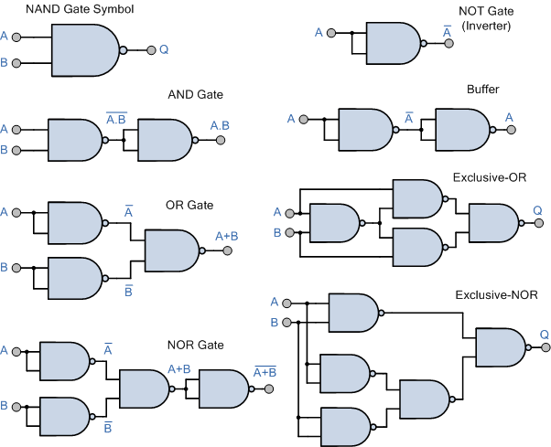
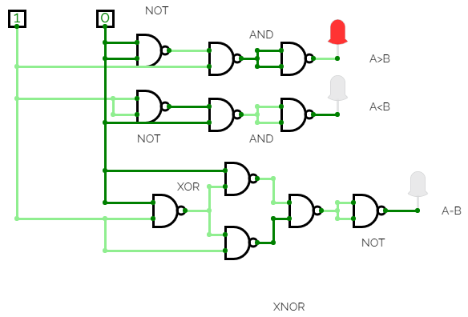
Part 1. The 4-bit Equality Comparator Circuit
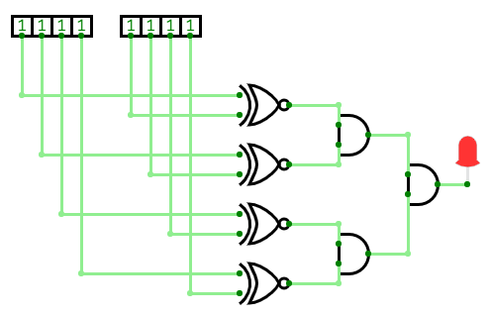

Part 2: Part 2. A More General Comparator:

1-Bit Comparator:

A > B: |  |  | A = B: |  |  | A < B:
A | B | F | A | B | F | A | B | F
0 | 0 | 0 | 0 | 0 | 1 | 0 | 0 | 0
0 | 1 | 0 | 0 | 1 | 0 | 0 | 1 | 1
1 | 0 | 1 | 1 | 0 | 0 | 1 | 0 | 0
1 | 1 | 0 | 1 | 1 | 1 | 1 | 1 | 0

F true when: F = A * ¬B |  |  | F true when: F = ¬A*¬B = (A+B) |  |  | F true when: F = A * ¬B
 |  |  | and true when: F = A*B = ¬(A+B)
A |  |  |  |  |  | A
B |  |  | XOR |  |  | B
 |  |  | A | B | F
 |  |  | 0 | 0 | 0
 |  |  | 0 | 1 | 1
 |  |  | 1 | 0 | 1
 |  |  | 1 | 1 | 0

 |  |  | XNOR | (Complement XOR)
 |  |  | A | B | F
 |  |  | 0 | 0 | 1
 |  |  | 0 | 1 | 0
 |  |  | 1 | 0 | 0
 |  |  | 1 | 1 | 1

Part 3: 1-Bit comparator only using NAND-gate:

