FSGEA African
Supplemental Table 9: Gene set enrichment analysis - African sPE versus normotensive
pathway | pval | padj | ES | NES | nMoreExtreme | size | leadingEdge
HALLMARK_HYPOXIA | 0.00018419598453 | 0.00095093191328 | -0.62494441937 | -2.9393607027 | 0 | 172 | TMEM45A | TPBG | GAPDH | NDRG1 | TPI1 | HK2 | INHA | DUSP1 | MXI1 | SCARB1 | P4HA1 | ERO1A | AK4 | LDHA | PLIN2 | SLC2A1 | HMOX1 | SLC2A3 | BHLHE40 | CP | STC1 | SDC3 | GALK1 | ALDOA | PAM | PFKP | STC2 | BNIP3L | KDM3A | UGP2 | PGK1 | CITED2 | PPP1R15A | ZFP36 | ILVBL | PFKL | PLAUR | CDKN1B | STBD1 | GYS1 | FOSL2 | ERRFI1 | MAFF | NFIL3 | LOX | P4HA2 | HDLBP | EGFR | TIPARP | GBE1 | SLC6A6 | JUN | B3GALT6 | FOS | IGFBP3 | DDIT4 | AKAP12 | EFNA1 | IER3 | VEGFA | MAP3K1 | FOXO3 | KLF6 | TES | PKP1 | GAA | LXN | PFKFB3 | ENO1 | PLAC8 | NOCT
HALLMARK_TNFA_SIGNALING_VIA_NFKB | 0.00018268176836 | 0.00095093191328 | -0.54480558919 | -2.5628150068 | 0 | 170 | DUSP1 | BCL6 | RHOB | INHBA | JUNB | TNFAIP2 | SLC2A3 | BHLHE40 | TRIP10 | PTGER4 | TNIP1 | NFKB1 | TNC | HES1 | SOCS3 | KLF4 | NR4A2 | TNIP2 | PANX1 | CCRL2 | CEBPD | PPP1R15A | ZFP36 | DRAM1 | PLAUR | PLK2 | CEBPB | NFKBIA | FOSL2 | ETS2 | PMEPA1 | MAFF | F2RL1 | SAT1 | IRF1 | KLF10 | NFIL3 | MCL1 | GEM | TIPARP | TAP1 | JUN | FOS | NFKB2 | MARCKS | IER2 | RIPK2 | MAP3K8 | EFNA1 | EGR1 | IER3 | VEGFA | KLF6 | IL15RA | IFIT2 | KLF2 | GCH1 | TNFAIP8 | NR4A1 | PFKFB3 | BCL3 | TLR2 | MXD1 | TANK | KYNU | NAMPT | RELA | STAT5A | PTPRE | TGIF1 | RELB | IER5 | CD83 | ABCA1 | PTGS2 | SOD2 | NR4A3 | SERPINE1 | IFNGR2 | IL6ST
HALLMARK_INFLAMMATORY_RESPONSE | 0.00018355359765 | 0.00095093191328 | -0.49115476107 | -2.2725804861 | 0 | 151 | TPBG | INHBA | MMP14 | CXCL8 | EBI3 | MSR1 | ITGA5 | LYN | PTGER4 | NFKB1 | CCRL2 | SLC11A2 | CXCR6 | IRF7 | PLAUR | NFKBIA | EMP3 | TLR3 | TAPBP | AQP9 | IRF1 | RGS1 | NMUR1 | ATP2C1 | IL18R1 | RIPK2 | NOD2 | KLF6 | P2RY2 | IL15RA | GCH1 | TNFSF10 | LY6E | OSMR | IL2RB | SELL | TLR2 | MXD1 | GNAI3 | P2RX7 | BEST1 | KCNJ2 | IFITM1 | NAMPT | RELA | IL15 | PTPRE | CD82 | ABCA1 | RASGRP1 | SERPINE1 | IFNGR2 | SRI | TLR1 | RGS16 | HRH1 | GPC3 | GPR132 | HIF1A | TACR1 | C5AR1 | EDN1 | IRAK2 | CD55 | IL6 | PVR | RNF144B | ABI1
HALLMARK_INTERFERON_ALPHA_RESPONSE | 0.00019018638266 | 0.00095093191328 | -0.5193341805 | -2.2043531009 | 0 | 90 | USP18 | TRIM14 | PROCR | CCRL2 | IRF7 | TRIM21 | PARP9 | IRF1 | TAP1 | IFIT3 | SAMD9 | RIPK2 | UBE2L6 | IFIT2 | LGALS3BP | LY6E | C1S | B2M | ADAR | IRF2 | SELL | STAT2 | ISG15 | PARP12 | IFITM1 | TDRD7 | IL15 | PARP14 | IRF9 | HELZ2 | SLC25A28 | SP110 | TENT5A | MX1 | IFI44L | GBP2 | CMPK2 | SAMD9L | PSME1 | IFIH1 | IFI27 | CD74 | EPSTI1 | OGFR | CNP | GBP4
HALLMARK_INTERFERON_GAMMA_RESPONSE | 0.00018375597207 | 0.00095093191328 | -0.44069082273 | -2.0794701346 | 0 | 176 | USP18 | TRIM14 | TNFAIP2 | STAT4 | NFKB1 | PFKP | SOCS3 | ST8SIA4 | STAT3 | IRF7 | TRIM21 | PELI1 | NFKBIA | TAPBP | IRF1 | TAP1 | MX2 | IL18BP | IFIT3 | RIPK2 | UBE2L6 | APOL6 | IL15RA | HLA-A | OAS2 | IFIT2 | LGALS3BP | GCH1 | TNFSF10 | LY6E | CASP7 | C1S | B2M | ADAR | RIPK1 | IFIT1 | IL2RB | IRF2 | STAT2 | PTPN6 | OAS3 | ISG15 | PARP12 | TDRD7 | NOD1 | NAMPT | IL15 | PSMB10 | PARP14 | ZNFX1 | P2RY14 | SERPING1 | IRF9 | HELZ2 | PTGS2 | SOD2 | SLC25A28 | SP110 | SECTM1 | MVP | SRI | MX1 | HLA-G | IFI44L | IRF8 | STAT1 | HIF1A | TOR1B | CMPK2 | SAMD9L | FGL2 | PSME1 | IFIH1 | IL6 | FCGR1A | IFI27 | SOCS1
HALLMARK_ALLOGRAFT_REJECTION | 0.0001849112426 | 0.00095093191328 | -0.44798368402 | -2.0182862765 | 0 | 126 | INHBA | DEGS1 | STAT4 | LYN | ST8SIA4 | ELF4 | IRF7 | IL27RA | IL2RG | TLR3 | TGFB1 | TAPBP | EGFR | EIF3D | TAP1 | RIPK2 | IL12RB1 | CCR1 | HLA-A | RPS3A | B2M | NCK1 | IL2RB | HLA-E | CD96 | BCL3 | TLR2 | PTPN6 | FGR | IL15 | PSMB10 | ITGAL | IFNGR2 | TLR1 | HLA-G | SRGN | GBP2 | IRF8 | CTSS | TRAF2 | STAT1 | HIF1A | CSK | BCAT1 | HLA-DRA | IL6 | ABI1 | TLR6 | SOCS1 | ACVR2A | CCND3 | CD86 | TIMP1 | CD74 | SOCS5 | EIF4G3 | UBE2D1 | CAPG
HALLMARK_GLYCOLYSIS | 0.00018241517694 | 0.00095093191328 | -0.40891188078 | -1.9236106662 | 0 | 169 | TPBG | TPI1 | HK2 | MXI1 | SPAG4 | PKM | P4HA1 | ERO1A | AK4 | LDHA | STC1 | SDC3 | PLOD2 | GALK1 | SLC16A3 | ALDOA | PAM | PFKP | KIF2A | STC2 | UGP2 | PGK1 | CITED2 | GYS1 | ELF3 | EGLN3 | P4HA2 | HDLBP | EGFR | QSOX1 | PHKA2 | B3GALT6 | GALE | IGFBP3 | DDIT4 | IER3 | VEGFA | EXT2 | GUSB | GNE | ME1 | ENO1 | CLDN3
HALLMARK_ESTROGEN_RESPONSE_EARLY | 0.00018268176836 | 0.00095093191328 | -0.39232917701 | -1.8455521059 | 0 | 170 | TPBG | FLNB | SH3BP5 | SCARB1 | WFS1 | NRIP1 | GLA | ELOVL5 | SLC2A1 | SLC16A1 | CELSR1 | BHLHE40 | KRT19 | UGCG | MLPH | HES1 | NCOR2 | PLAAT3 | MAST4 | STC2 | KLF4 | MED13L | MYOF | ELF3 | KLF10 | IGFBP4 | SYNGR1 | TIPARP | CLIC3 | FOS | SLC39A6 | HR | TPD52L1 | P2RY2 | RHOBTB3 | CYP26B1 | XBP1 | DHRS3 | KAZN | FHL2 | NXT1 | LRIG1 | CLDN7 | SEMA3B
HALLMARK_TGF_BETA_SIGNALING | 0.00096974398759 | 0.0034633713842 | -0.4662481766 | -1.7970589295 | 4 | 53 | ENG | JUNB | NCOR2 | BCAR3 | PPP1R15A | CDK9 | NOG | SMAD6 | TGFB1 | PMEPA1 | KLF10 | APC | HDAC1 | WWTR1 | TGIF1 | SERPINE1 | IFNGR2 | ID1 | ID2 | FNTA
HALLMARK_COAGULATION | 0.00094876660342 | 0.0034633713842 | -0.41209023605 | -1.7561257834 | 4 | 92 | HTRA1 | MMP14 | TIMP3 | SH2B2 | CTSB | CTSH | MAFF | ITGA2 | FN1 | CD9 | ADAM9 | PLAT | GSN | PREP | LAMP2 | C1S | F8 | SERPINA1 | BMP1 | MST1 | TFPI2 | SIRT2 | RAC1 | RAPGEF3 | USP11 | TMPRSS6 | SERPING1 | LTA4H | MMP11 | CRIP2 | SERPINE1 | WDR1 | CTSV
HALLMARK_P53_PATHWAY | 0.00018258170531 | 0.00095093191328 | -0.36938843688 | -1.754070468 | 0 | 183 | NDRG1 | PROCR | HMOX1 | KLF4 | PPP1R15A | CTSD | AK1 | DRAM1 | PLK2 | DEF6 | RRAD | TGFB1 | SAT1 | SP1 | FBXW7 | RPS27L | TCN2 | VDR | KRT17 | TAP1 | JUN | ZFP36L1 | FOS | DDIT4 | CEBPA | IER3 | TPRKB | FOXO3 | TPD52L1 | PHLDA3 | EPS8L2 | MXD1 | RCHY1 | SERTAD3 | CYFIP2 | ERCC5 | PTPRE | SLC19A2 | PPM1D | CD82 | IER5 | PERP | S100A4 | RXRA | PDGFA | CCP110 | TSPYL2 | IP6K2 | MAPKAPK3 | RGS16 | RAD9A | TAX1BP3 | SLC3A2 | RPS12 | TGFA | RAD51C | IRAK1 | RETSAT | SEC61A1 | CCNK | DDIT3 | BMP2 | WWP1 | TSC22D1 | SOCS1 | RNF19B | CCND3 | BLCAP | ITGB4 | HEXIM1 | TOB1 | ISCU | ABHD4 | STOM | BTG1
HALLMARK_EPITHELIAL_MESENCHYMAL_TRANSITION | 0.00018368846436 | 0.00095093191328 | -0.36462509306 | -1.7220641825 | 0 | 177 | FSTL3 | HTRA1 | SLC6A8 | RHOB | INHBA | MMP14 | CXCL8 | PLOD2 | BASP1 | ITGA5 | TIMP3 | TNC | PLAUR | EMP3 | TGFB1 | PMEPA1 | SAT1 | SFRP1 | LOX | IGFBP4 | GEM | LAMA3 | QSOX1 | VEGFC | PPIB | ITGA2 | JUN | FN1 | ADAM12 | MFAP5 | PDLIM4 | IGFBP3 | VEGFA | PDGFRB | SERPINE2 | CALU | FZD8 | GLIPR1 | SERPINH1 | BMP1 | PLOD3
HALLMARK_IL6_JAK_STAT3_SIGNALING | 0.001708428246 | 0.0047456340167 | -0.42496416121 | -1.7161438858 | 8 | 67 | IL3RA | HMOX1 | EBI3 | SOCS3 | STAT3 | IL2RG | TGFB1 | IRF1 | IL1R2 | IL18R1 | JUN | CD9 | MAP3K8 | IL12RB1 | CCR1 | IL15RA | OSMR | TNFRSF1A | STAT2 | TLR2 | GRB2 | IRF9 | IFNGR2 | IL6ST | STAM2 | STAT1
HALLMARK_UNFOLDED_PROTEIN_RESPONSE | 0.0016838166511 | 0.0047456340167 | -0.37835328904 | -1.657984149 | 8 | 107 | CXXC1 | WFS1 | ERO1A | ATF4 | EIF4A3 | STC2 | SSR1 | SEC31A | DCP2 | CEBPB | SPCS3 | SRPRA | PDIA5 | DDIT4 | VEGFA | SEC11A | HERPUD1 | IFIT1 | XBP1 | SRPRB | KDELR3 | SLC30A5 | ATF6 | ATP6V0D1 | DNAJC3 | TSPYL2 | HSPA5 | SPCS1 | EXOSC5 | PARN | HSP90B1 | PAIP1 | SERP1 | NFYA | IMP3 | CEBPG | EIF2AK3 | YIF1A | CALR | TUBB2A | PDIA6 | ALDH18A1 | EXOSC10 | WIPI1 | DCP1A | EIF4EBP1
HALLMARK_COMPLEMENT | 0.00054894784995 | 0.0022872827081 | -0.35100109673 | -1.6431768311 | 2 | 163 | LTF | CALM1 | MMP14 | CP | LYN | KIF2A | CTSD | CTSB | IRF7 | CTSH | PLAUR | CEBPB | MAFF | IRF1 | FN1 | CBLB | ADAM9 | PLAT | PREP | NOTCH4 | LAMP2 | CASP7 | C1S | F8 | ME1 | CDA | SERPINA1 | IRF2 | GRB2 | GNAI3 | TFPI2 | CPM | KYNU | FCN1 | TMPRSS6 | SERPING1 | LTA4H | RASGRP1 | SERPINE1 | HSPA5 | CTSV | KCNIP2 | GPD2 | ADRA2B | CTSS | GATA3 | APOBEC3G | MMP15 | PLA2G7 | DUSP5 | CD59 | CD55 | C4BPB | IL6 | C1QC | BRPF3 | PRKCD
HALLMARK_ESTROGEN_RESPONSE_LATE | 0.0011007154651 | 0.0036690515502 | -0.34634379162 | -1.6233901638 | 5 | 165 | LTF | TPBG | FLNB | SCARB1 | WFS1 | NRIP1 | GLA | ELOVL5 | SLC16A1 | KRT19 | NCOR2 | PLAAT3 | KLF4 | MYOF | ZFP36 | DNAJC1 | IGFBP4 | CLIC3 | FOS | GALE | UGDH | IMPA2 | CD9 | HR | TPD52L1 | GPER1 | JAK1 | CYP26B1 | XBP1 | SERPINA1 | LSR | PTPN6 | NXT1 | TFPI2 | SEMA3B | SNX10 | PERP | ST6GALNAC2 | BATF | IL6ST | ID2 | PTGES | AREG | NAB2 | TRIM29 | TMPRSS3 | LAMC2 | GINS2 | BCL2
HALLMARK_WNT_BETA_CATENIN_SIGNALING | 0.013464127717 | 0.032057446945 | -0.4318215051 | -1.5719590781 | 69 | 40 | PTCH1 | CSNK1E | NCOR2 | ADAM17 | FZD8 | NOTCH4 | HEY1 | NCSTN | DVL2 | AXIN1 | CUL1 | WNT6 | HDAC5 | DLL1 | MAML1
HALLMARK_MTORC1_SIGNALING | 0.0016333938294 | 0.0047456340167 | -0.32646517031 | -1.5638099884 | 8 | 196 | GAPDH | TPI1 | HK2 | P4HA1 | ERO1A | GLA | AK4 | LDHA | ELOVL5 | SLC2A1 | SLC2A3 | BHLHE40 | STC1 | PLOD2 | ALDOA | RPN1 | INSIG1 | SSR1 | PGK1 | PPP1R15A | PFKL | EGLN3 | NFIL3 | PHGDH | GBE1 | SLC6A6 | DAPP1 | ADIPOR2 | FKBP2 | CD9 | DDIT4 | SEC11A | UFM1 | TES | SERPINH1 | XBP1 | ME1 | ENO1
HALLMARK_UV_RESPONSE_UP | 0.00293416468 | 0.007721486 | -0.34174901174 | -1.5625739585 | 15 | 138 | SLC6A8 | RHOB | JUNB | HMOX1 | MMP14 | LYN | ALDOA | POLR2H | RPN1 | PPT1 | MGAT1 | SLC6A12 | CDO1 | RRAD | EIF2S3 | NFKBIA | PRPF3 | IRF1 | TAP1 | FOS | GPX3 | EPCAM | KCNH2 | AMD1 | CLCN2 | BSG | GCH1 | HSPA2 | NR4A1 | SPR | RAB27A | RASGRP1 | SOD2 | BCL2L11 | IL6ST | CTSV | SELENOW
HALLMARK_E2F_TARGETS | 0.0080142475512 | 0.020035618878 | 0.28626998116 | 1.4025487567 | 35 | 196 | MMS22L | CKS1B | CBX5 | AK2 | E2F8 | STMN1 | NBN | MCM4 | NASP | EZH2 | SPAG5 | MRE11 | ORC6 | MLH1 | RBBP7 | GINS1 | MXD3 | RAN | GINS4 | HELLS | CDKN2A | PNN | ATAD2 | CTPS1 | HMGA1 | PSIP1 | CENPE | CDC25A | NAP1L1 | POLE | SRSF1 | NUP205 | BUB1B | ESPL1 | CDKN1A | NUP107 | RAD1 | UBE2T | TOP2A | CDK1 | PRKDC | KPNA2 | SRSF2 | MAD2L1 | MKI67 | ASF1B | TRIP13 | TACC3 | LUC7L3 | DSCC1 | RACGAP1 | MCM3 | PTTG1 | PRPS1 | RFC3 | RAD50 | BRMS1L | EIF2S1 | RANBP1 | AURKB | EXOSC8 | HMMR | CDC25B | GINS3 | CDC20 | DIAPH3 | TUBG1 | PLK1 | KIF4A | SMC4 | DEPDC1 | KIF2C | DNMT1 | DCTPP1 | MCM6 | TK1 | TIMELESS | SPC24 | ING3 | PSMC3IP | CCNB2 | TIPIN
HALLMARK_OXIDATIVE_PHOSPHORYLATION | 0.00022261798753 | 0.0010118999433 | 0.40897790698 | 2.0037429445 | 0 | 196 | ATP5PO | AFG3L2 | FXN | ATP5MC3 | CYB5A | COX6C | NDUFB5 | NDUFB1 | OPA1 | ACADSB | PHYH | HADHB | ETFB | NDUFS2 | SUPV3L1 | MTRR | COX11 | CYCS | NDUFA5 | HADHA | SLC25A5 | UQCR11 | ATP5F1E | SUCLG1 | MRPL15 | COX17 | AIFM1 | NDUFC2 | HCCS | DLD | IDH1 | MRPL35 | PRDX3 | ATP5ME | MRPS15 | UQCRB | BDH2 | COX15 | IMMT | MTX2 | SDHC | NDUFB8 | ATP6V1H | SLC25A3 | GLUD1 | TIMM9 | TIMM17A | NDUFA4 | UQCRQ | MRPS30 | NDUFS6 | UQCRH | ATP5F1A | LDHB | ACAA2 | NDUFA6 | ACAA1 | MRPS22 | COX7A2 | UQCRFS1 | GOT2 | SLC25A11 | COX7B | SLC25A12 | ATP5MG | ATP5F1D | PDP1 | NDUFV1 | ECHS1 | ATP5F1B | COX4I1 | CPT1A | COX10 | NNT | NDUFS4 | MRPS11 | FH | NDUFB2 | ACADM | ALDH6A1 | NDUFA8 | COX5A | TIMM13 | PDHA1 | NDUFS8

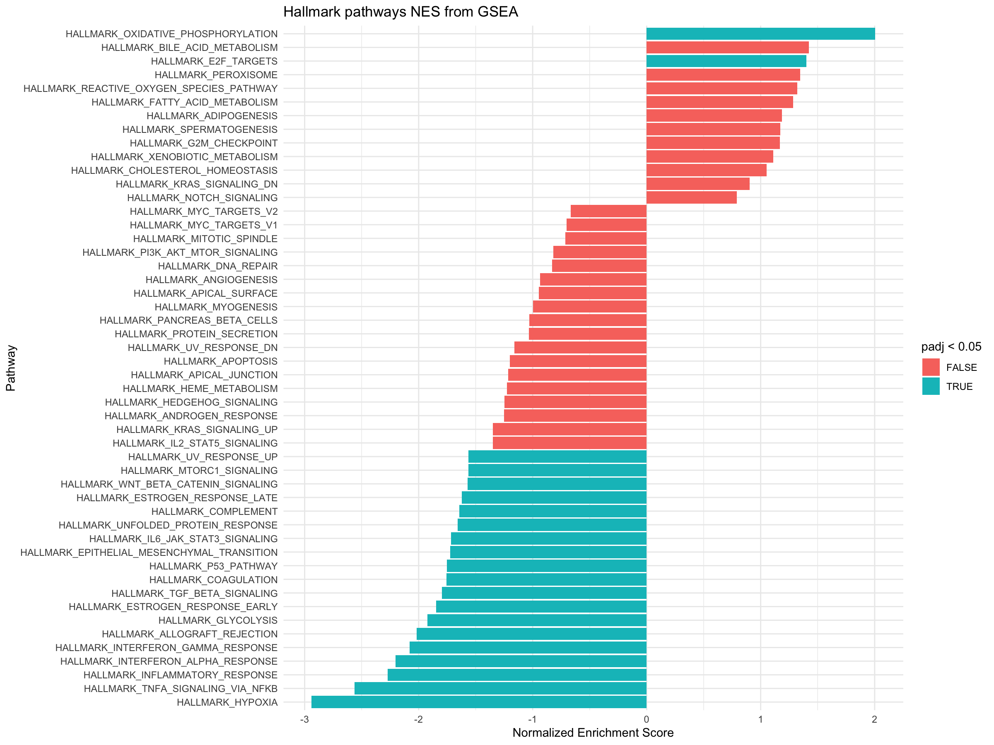
Up in control

Up in PE

FSGEA Asian
Supplemental Table 10: Gene set enrichment analysis - Asian sPE vs. normotensive
pathway | pval | padj | ES | NES | nMoreExtreme | size | leadingEdge
HALLMARK_HYPOXIA | 0.0001554001554 | 0.0015612802498 | -0.55658768469 | -2.6185504677 | 0 | 172 | INHA | HK2 | NDRG1 | SCARB1 | SLC2A1 | TPBG | DUSP1 | P4HA1 | ALDOA | TMEM45A | GAPDH | ILVBL | TPI1 | FOSL2 | MXI1 | HMOX1 | PLIN2 | PFKP | GBE1 | SLC2A5 | LDHA | ERO1A | PFKL | VEGFA | TES | PGK1 | SLC6A6 | BHLHE40 | CITED2 | BNIP3L | KDM3A | P4HA2 | UGP2 | AK4 | GALK1 | SDC3 | EGFR | SLC2A3 | MAFF | PAM | NOCT | FOXO3 | ERRFI1 | STC2 | SDC4 | IER3 | PLAC8 | EFNA1 | CCN1 | HK1 | CP | PLAUR | ZFP36 | ENO1 | LOX | NFIL3 | PFKFB3 | PDK3 | AKAP12 | SERPINE1 | DDIT4 | ATF3 | JMJD6 | IDS | IRS2 | CDKN1B | ISG20 | PDK1 | S100A4
HALLMARK_TNFA_SIGNALING_VIA_NFKB | 0.00015612802498 | 0.0015612802498 | -0.47060217766 | -2.2079024869 | 0 | 170 | RHOB | BCL6 | DUSP1 | TNIP2 | FOSL2 | KLF4 | TRIP10 | CEBPB | INHBA | VEGFA | TNFAIP2 | JUNB | BHLHE40 | CEBPD | EDN1 | NFKBIA | MXD1 | TNIP1 | SLC2A3 | MAFF | NR4A2 | GADD45B | NFKB1 | LAMB3 | SDC4 | IER2 | IER3 | TRIB1 | EFNA1 | CCN1 | ETS2 | TNFAIP8 | MAP3K8 | BCL3 | PLAUR | ZFP36 | PTGER4 | MCL1 | TSC22D1 | RIPK2 | NFIL3 | PFKFB3 | TAP1 | GEM | MARCKS | SERPINE1 | F2RL1 | SPHK1 | IER5 | ATF3 | ZC3H12A | PANX1 | PMEPA1 | IRS2 | NR4A3 | SPSB1 | PTGS2 | SGK1 | NFKB2 | CCRL2 | GCH1 | PNRC1 | BMP2 | STAT5A | IFIH1 | KLF10 | MAP2K3 | DDX58 | LDLR | SOCS3 | IL18 | FOS | CFLAR | PPP1R15A | NR4A1 | KLF9 | RELB | IL7R | TANK | KLF6 | RELA | LITAF | CLCF1 | TUBB2A | PTPRE
HALLMARK_P53_PATHWAY | 0.00015494267121 | 0.0015612802498 | -0.38247904032 | -1.8148824898 | 0 | 183 | NDRG1 | PROCR | KRT17 | KLF4 | HMOX1 | EPS8L2 | CEBPA | TGFB1 | DEF6 | RXRA | TPD52L1 | SDC1 | MXD1 | VDR | SOCS1 | PLXNB2 | WRAP73 | FBXW7 | FOXO3 | RAD9A | CTSD | CCP110 | IER3 | PHLDA3 | BLCAP | PDGFA | TCN2 | SESN1 | CGRRF1 | TSC22D1 | ITGB4 | TAP1 | DGKA | SLC3A2 | DDIT4 | SPHK1 | IER5 | SERTAD3 | IP6K2 | NOTCH1 | ATF3 | BAIAP2 | BAX | S100A4 | AEN | AK1 | RPS12 | DCXR | BMP2 | IRAK1 | ADA | RPS27L | FOS | RAB40C | RRAD | PPP1R15A | CSRNP2 | SLC19A2 | SP1 | TRIB3 | PERP | RALGDS | CDKN2B | CDKN2A | UPP1 | JAG2 | PTPRE | RPL36 | CYFIP2 | GADD45A | IFI30 | HBEGF | PMM1 | SAT1 | PLK3 | ZBTB16 | RPL18 | PLK2 | MXD4 | MKNK2 | ERCC5
HALLMARK_GLYCOLYSIS | 0.00015607928828 | 0.0015612802498 | -0.37378001524 | -1.7523590328 | 0 | 169 | HK2 | SPAG4 | TPBG | P4HA1 | ALDOA | PKM | TPI1 | MXI1 | SLC16A3 | PFKP | LDHA | ERO1A | VEGFA | KIF2A | PGK1 | CITED2 | P4HA2 | UGP2 | CHPF | PLOD2 | QSOX1 | AK4 | SDC1 | ELF3 | GALK1 | SDC3 | EGFR | PHKA2 | PAM | STC2 | EGLN3 | IER3 | ENO1 | CLDN3 | PKP2 | GALK2 | GALE | PDK3 | NT5E | DDIT4
HALLMARK_ESTROGEN_RESPONSE_EARLY | 0.00015612802498 | 0.0015612802498 | -0.37313218298 | -1.7506070176 | 0 | 170 | SH3BP5 | SCARB1 | SLC2A1 | TPBG | KRT19 | FLNB | P2RY2 | KLF4 | NRIP1 | FHL2 | GLA | MYOF | PLAAT3 | CLIC3 | BHLHE40 | MAST4 | WFS1 | TPD52L1 | ELF3 | SYNGR1 | CELSR1 | MED13L | NCOR2 | KRT15 | MLPH | NADSYN1 | SLC7A5 | STC2 | ELOVL5 | SLC16A1 | KAZN | KDM4B | PTGES | TSKU | DHRS3 | SLC9A3R1 | UGCG | TUBB2B | SLC39A6 | KRT8 | PRSS23 | TJP3 | SLC22A5
HALLMARK_UV_RESPONSE_UP | 0.00031964200096 | 0.0015982100048 | -0.37865381416 | -1.7287446725 | 1 | 138 | RHOB | SLC6A8 | ALDOA | HMOX1 | HSPA2 | MMP14 | GPX3 | JUNB | CDO1 | NFKBIA | SLC6A12 | LYN | STARD3 | POLR2H | RPN1 | TFRC | ATP6V1F | MARK2 | MRPL23 | TUBA4A | CYB5R1 | CA2 | TAP1 | MGAT1 | ATF3 | CDC34 | SIGMAR1 | PPT1 | DNAJB1 | DGAT1 | GCH1 | BMP2 | HYAL2 | TST | CEBPG | SPR | CDKN1C | FOS | YKT6 | RRAD | NR4A1 | EIF5 | STK25 | CDKN2B | BCL2L11 | ENO2 | EIF2S3 | ALAS1 | PRPF3 | AQP3 | CTSV | CLTB | NAT1 | BSG | TMBIM6 | AMD1 | SOD2 | KLHDC3 | IGFBP2 | HLA-F | STIP1 | PSMC3 | PDLIM3
HALLMARK_UNFOLDED_PROTEIN_RESPONSE | 0.00081552764639 | 0.0037069438472 | -0.39035734839 | -1.7190044876 | 4 | 107 | CEBPB | ERO1A | VEGFA | CXXC1 | WFS1 | EXOSC5 | HERPUD1 | EDC4 | DCP2 | SLC7A5 | STC2 | SSR1 | ZBTB17 | ATP6V0D1 | SHC1 | SPCS3 | IFIT1 | LSM1 | SPCS1 | DDIT4 | ATF3 | DNAJA4 | ARFGAP1 | EIF4A3 | LSM4 | DNAJC3 | EIF4EBP1 | SEC31A | PDIA5 | HSP90B1 | XBP1 | SEC11A | DCTN1 | MTHFD2 | ATF6 | CEBPG
HALLMARK_COAGULATION | 0.0013203498927 | 0.0055014578863 | -0.39869439274 | -1.7112838579 | 7 | 92 | HTRA1 | GSN | SH2B2 | MMP14 | CRIP2 | TIMP3 | MAFF | PREP | FN1 | ADAM9 | F8 | WDR1 | MMP15 | PEF1 | THBD | MMP11 | CD9 | CTSH | BMP1 | CTSB | PRSS23 | SERPINE1 | GNB2 | LAMP2
HALLMARK_HEME_METABOLISM | 0.00031289111389 | 0.0015982100048 | -0.35803647972 | -1.6745515418 | 1 | 166 | SLC2A1 | SLC6A8 | NARF | MXI1 | BACH1 | TRIM58 | HBB | SLC25A37 | BNIP3L | P4HA2 | TMCC2 | RBM38 | IGSF3 | KHNYN | EPB42 | FOXO3 | SMOX | ALAS2 | RANBP10 | ATP6V0A1 | LRP10 | AHSP | ANK1 | MKRN1 | GDE1 | TFRC | HTRA2 | CPOX | HDGF | DMTN | ADD1 | NFE2 | CA2 | CTSB | LAMP2 | FBXO7 | SLC4A1 | EPB41 | PIGQ | SLC11A2 | FOXJ2 | TMEM9B | NCOA4 | CTNS | NFE2L1 | RNF123 | MAP2K3 | XK | RIOK3 | SLC6A9 | SNCA | KLF3 | MGST3 | TENT5C | VEZF1 | PPP2R5B | MFHAS1
HALLMARK_INFLAMMATORY_RESPONSE | 0.00031655587211 | 0.0015982100048 | -0.36176574815 | -1.6691473188 | 1 | 151 | TPBG | P2RY2 | ITGA5 | INHBA | EBI3 | MMP14 | IRF7 | EDN1 | LY6E | NFKBIA | MXD1 | CXCR6 | EMP3 | IL2RB | LYN | SLC31A2 | NOD2 | NMUR1 | SRI | NFKB1 | C5AR1 | MEFV | MSR1 | TAPBP | PLAUR | PTGER4 | ADRM1 | RIPK2 | GNAI3 | AQP9 | SERPINE1 | SPHK1 | RAF1 | SLC11A2 | TLR3 | CCRL2 | GCH1 | SLC7A1 | OSMR | LDLR | IL4R | IL18 | RNF144B | CALCRL | IL15 | IL18R1 | IL7R | KLF6 | PTGER2 | RELA
HALLMARK_INTERFERON_ALPHA_RESPONSE | 0.0084269662921 | 0.026334269663 | -0.36277928708 | -1.5496353039 | 50 | 90 | PROCR | TRIM14 | IRF7 | LY6E | LGALS3BP | ISG15 | PLSCR1 | CMPK2 | MX1 | USP18 | IFI44L | RIPK2 | HELZ2 | TAP1 | RNF31 | ISG20 | IFI35 | OGFR | IFI27 | CCRL2 | PARP9 | IFIH1 | IRF9 | IL4R | GBP2 | IL15 | IFI44 | HLA-C | STAT2 | TENT5A | TRIM26 | PARP12 | IFI30
HALLMARK_MTORC1_SIGNALING | 0.0019898974437 | 0.0076534517067 | -0.32326984134 | -1.5482222036 | 12 | 196 | HK2 | SLC2A1 | P4HA1 | ALDOA | GAPDH | TPI1 | INSIG1 | GBE1 | ADIPOR2 | GLA | LDHA | ERO1A | PFKL | TES | PGK1 | SLC6A6 | BHLHE40 | PLOD2 | AK4 | SLC2A3 | SDF2L1 | SCD | SLC7A5 | DDX39A | ELOVL5 | EGLN3 | SSR1 | RPN1 | FKBP2 | TFRC | NFKBIB | ENO1 | CD9 | NFIL3 | TUBA4A | SLC9A3R1 | SLA | DDIT4 | M6PR | TOMM40 | PDK1 | HSP90B1 | ACTR3 | XBP1 | SEC11A | MAP2K3 | MTHFD2 | LDLR | SERPINH1 | YKT6 | PPP1R15A | NMT1 | ATP6V1D | PIK3R3 | TRIB3 | ACLY | SHMT2 | SORD | RAB1A | UFM1 | GLRX
HALLMARK_ESTROGEN_RESPONSE_LATE | 0.0080037664783 | 0.026334269663 | -0.31542712046 | -1.473470442 | 50 | 165 | SCARB1 | TPBG | KRT19 | FLNB | KLF4 | NRIP1 | GLA | MYOF | PLAAT3 | CLIC3 | WFS1 | TPD52L1 | GJB3 | DNAJC1 | NCOR2 | IMPA2 | GPER1 | SLC7A5 | NAB2 | ELOVL5 | PKP3 | SLC16A1 | LTF | IDH2 | PTGES | ZFP36 | MAPK13 | CD9 | SLC9A3R1 | CA2 | GALE | PRSS23 | TJP3 | SLC22A5 | HR | PDCD4 | ISG20 | LLGL2 | SEMA3B | PTPN6 | DCXR | SGK1 | XBP1 | TST | HMGCS2 | SNX10
HALLMARK_MYC_TARGETS_V1 | 0.0031473533619 | 0.011240547721 | 0.28750519412 | 1.4745995832 | 10 | 194 | SRPK1 | APEX1 | TFDP1 | NCBP1 | MCM6 | NCBP2 | EIF3J | EIF2S1 | RSL1D1 | MCM4 | PRDX3 | ABCE1 | SNRPD3 | SNRPD1 | NOLC1 | SRSF1 | SSB | RPL22 | CDC45 | G3BP1 | POLE3 | C1QBP | PRPS2 | TYMS | CSTF2 | HPRT1 | VDAC3 | HNRNPA3 | PABPC4 | HNRNPD | USP1 | ACP1 | KPNA2 | CLNS1A | POLD2 | HNRNPA1 | HNRNPA2B1 | SERBP1 | PSMD7 | PSMB2 | EIF4E | HSPD1 | PSMD14 | GOT2 | GSPT1 | DEK | NME1 | PSMA2 | ORC2 | NAP1L1 | RFC4 | CBX3 | GLO1 | PSMA4 | DDX18 | MCM5 | MCM2 | HNRNPR | SSBP1 | ILF2 | HSPE1 | PSMD1 | SNRPB2 | PABPC1 | CCNA2 | KPNB1 | TOMM70 | SET | CTPS1 | MAD2L1 | NPM1 | CCT2 | STARD7 | EXOSC7 | GNL3
HALLMARK_G2M_CHECKPOINT | 0.000284738041 | 0.0015982100048 | 0.34680809852 | 1.7752581367 | 0 | 191 | DMD | AURKA | TFDP1 | MCM6 | NDC80 | DKC1 | ATRX | NASP | STMN1 | MAP3K20 | CDC27 | POLE | ORC5 | CDC6 | POLQ | SMC4 | SNRPD1 | MNAT1 | NOLC1 | SRSF1 | HMGN2 | CDC45 | LBR | G3BP1 | MEIS2 | MCM3 | CENPF | WRN | SMC2 | CDC25A | ORC6 | MAPK14 | MKI67 | PRC1 | CDC25B | RAD54L | PRIM2 | CENPE | CKS1B | TPX2 | E2F3 | RBL1 | HNRNPD | KIF11 | EFNA5 | MEIS1 | KIF20B | CDC7 | KPNA2 | CCND1 | E2F1 | KIF5B | TACC3 | LMNB1 | KIF15 | HMGA1 | SRSF10 | GSPT1 | NSD2 | EXO1 | FBXO5 | CHAF1A | PLK1 | EWSR1 | KNL1 | UBE2C | TROAP | RPA2 | POLA2 | MCM5 | MCM2 | NEK2 | NUSAP1 | CCNA2 | KPNB1 | LIG3 | ATF5 | CBX1 | MYBL2 | PBK | CDKN3 | TOP2A | YTHDC1 | BARD1 | MAD2L1
HALLMARK_E2F_TARGETS | 0.00028826751225 | 0.0015982100048 | 0.3624655602 | 1.8604281943 | 0 | 196 | E2F8 | CBX5 | MRE11 | AK2 | AURKA | PSIP1 | ZW10 | MCM6 | NASP | STMN1 | MMS22L | MLH1 | EIF2S1 | POLE | HELLS | RBBP7 | PNN | GINS3 | MCM4 | ATAD2 | BUB1B | CENPM | SMC4 | NOLC1 | SRSF1 | PSMC3IP | LBR | NUP205 | MCM3 | CDC25A | ORC6 | MKI67 | DCTPP1 | KIF18B | CDC25B | PRIM2 | SMC6 | DEPDC1 | MSH2 | CENPE | CKS1B | CDCA3 | HNRNPD | USP1 | NUDT21 | RAD51AP1 | KPNA2 | CHEK2 | POLD2 | TACC3 | LMNB1 | HMGA1 | GINS1 | RAD51C | RFC1 | PRKDC | DCLRE1B | TIPIN | GSPT1 | PRPS1 | DEK | NME1 | POLE4 | ORC2 | NAP1L1 | PLK1 | PAICS | RPA2 | POLA2 | NBN | MCM5 | MCM2 | CIT | RFC3 | SMC3 | BRMS1L | MYBL2 | CDKN3 | TOP2A | CTPS1 | BARD1 | MAD2L1 | TRIP13 | DNMT1 | UNG | GINS4 | RAD1 | DIAPH3 | CSE1L | SRSF2 | CCNB2 | POLD3 | HMGB2 | KIF4A | BRCA1 | MCM7 | ASF1B | NOP56 | LUC7L3 | CHEK1 | DLGAP5 | RANBP1 | RFC2 | MELK | PLK4 | XPO1 | RACGAP1 | KIF2C | NUP153 | SSRP1 | SLBP | TRA2B | TK1 | PTTG1 | UBE2T | EXOSC8 | CDK1 | SPC24 | SYNCRIP | PDS5B | TIMELESS | ESPL1 | RPA3 | BRCA2 | TP53

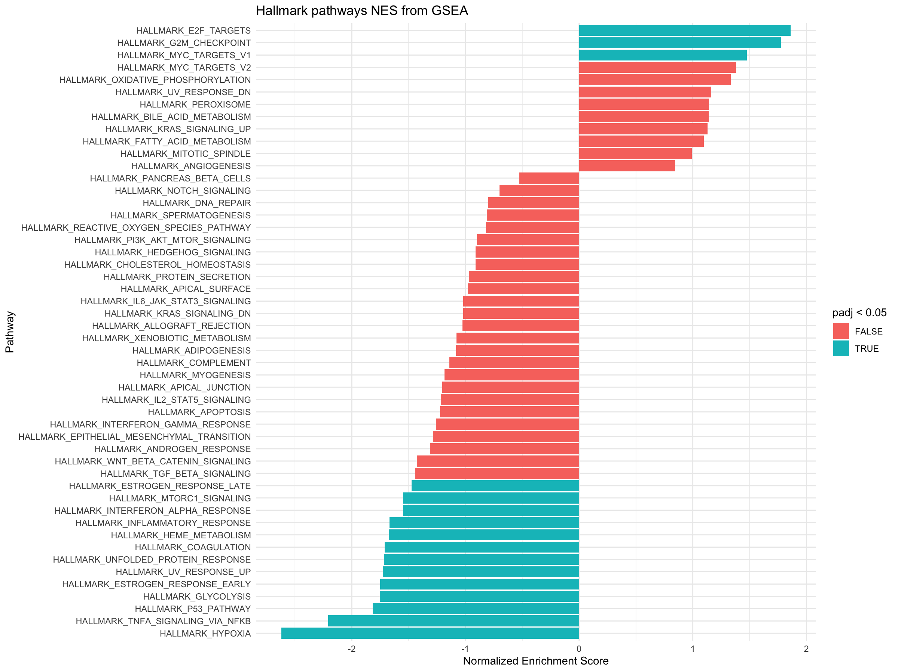

up in control

up in PE

FSGEA European
Supplemental Table 11: Gene set enrichment analysis - European sPE vs. Normotensive
pathway | pval | padj | ES | NES | nMoreExtreme | size | leadingEdge
HALLMARK_HYPOXIA | 0.00013831258645 | 0.0010599283488 | -0.51368494695 | -2.3565626734 | 0 | 172 | TMEM45A | SCARB1 | INHA | NDRG1 | ERO1A | HK2 | SLC2A1 | DUSP1 | ALDOA | P4HA1 | HMOX1 | TPI1 | UGP2 | TPBG | HK1 | PAM | GAPDH | ERRFI1 | PLIN2 | MAFF | ILVBL | NOCT | PFKP | MXI1 | BHLHE40 | LDHA | CDKN1B | STC2 | GLRX | PFKL | SDC3 | GBE1 | AK4 | PGK1 | SLC6A6 | SLC2A3 | PGM1 | BNIP3L | CITED2 | NFIL3 | KDM3A | GALK1 | TES | EFNA1 | SDC4 | PPP1R15A | ANGPTL4 | MYH9 | JMJD6 | GAA | ENO1 | FOSL2 | EGFR | IER3 | ATF3 | STBD1 | CP | AKAP12 | HDLBP
HALLMARK_INTERFERON_ALPHA_RESPONSE | 0.00014838996884 | 0.0010599283488 | -0.52732988009 | -2.2015449257 | 0 | 90 | PROCR | TRIM14 | IRF7 | IFIH1 | HELZ2 | ADAR | IFI44L | MX1 | LY6E | PARP9 | IFI35 | IFIT2 | ISG15 | CCRL2 | EPSTI1 | GBP2 | HERC6 | MOV10 | UBE2L6 | PSME1 | SP110 | LGALS3BP | USP18 | TDRD7 | RIPK2 | TRIM26 | OGFR | PARP14 | TMEM140 | TENT5A | IRF9 | RNF31 | IFI27 | CMPK2 | TAP1 | IRF1 | RSAD2 | SAMD9 | IFIT3 | ELF1 | DDX60 | EIF2AK2 | NMI | PLSCR1 | STAT2 | CD47
HALLMARK_UNFOLDED_PROTEIN_RESPONSE | 0.0001466920933 | 0.0010599283488 | -0.47825194728 | -2.0500412402 | 0 | 107 | ERO1A | WFS1 | HERPUD1 | STC2 | CEBPB | CXXC1 | SSR1 | EIF4A3 | TSPYL2 | DCP2 | CEBPG | ATF6 | SPCS1 | IFIT1 | HSP90B1 | BANF1 | EDC4 | SEC31A | ATP6V0D1 | CALR | DNAJC3 | ATF3 | YIF1A | PDIA6 | SEC11A | ATF4 | EIF4G1 | SLC30A5 | XBP1 | HSPA5 | SPCS3 | EIF2AK3 | EXOSC2 | DDIT4 | NFYB | NOP56 | SRPRA | EXOSC1 | EXOSC4 | VEGFA | PDIA5 | MTREX
HALLMARK_TNFA_SIGNALING_VIA_NFKB | 0.0001386001386 | 0.0010599283488 | -0.39787529277 | -1.8224065908 | 0 | 170 | INHBA | DUSP1 | BCL6 | JUNB | MAFF | IFIH1 | RHOB | BHLHE40 | TRIP10 | CEBPB | BCL3 | TNIP2 | DUSP5 | SLC2A3 | IER5 | MCL1 | DDX58 | MAP3K8 | KLF4 | CEBPD | NFIL3 | EFNA1 | IFIT2 | SDC4 | TNFAIP8 | RELA | PPP1R15A | KLF10 | CCRL2 | NFKB1 | F2RL1 | IER2 | LDLR | TGIF1 | FOSL2 | MXD1 | IER3 | TNIP1 | TRIB1 | NFKBIA | ATF3 | STAT5A | KYNU | TSC22D1 | ETS2 | DRAM1 | RIPK2 | SAT1 | B4GALT5 | PFKFB3 | ABCA1 | PTGS2 | BMP2 | TAP1 | IRF1 | PANX1 | PLK2 | MARCKS | IL7R | SERPINE1 | MAP2K3 | TANK | GCH1 | HES1 | RNF19B | NFKB2 | SLC16A6 | PMEPA1
HALLMARK_MTORC1_SIGNALING | 0.00013601741023 | 0.0010599283488 | -0.38551609423 | -1.7989478132 | 0 | 196 | ERO1A | HK2 | GLA | SLC2A1 | ALDOA | P4HA1 | TPI1 | ADIPOR2 | GAPDH | FKBP2 | INSIG1 | BHLHE40 | LDHA | GLRX | PFKL | GBE1 | AK4 | PGK1 | SSR1 | SLC6A6 | SLC2A3 | SDF2L1 | PGM1 | SCD | ELOVL5 | PLOD2 | NFIL3 | TES | RPN1 | PPP1R15A | STIP1 | HSP90B1 | CANX | TUBA4A | ENO1 | LDLR | CALR | UFM1 | PIK3R3 | ACLY | ARPC5L | SEC11A | EGLN3 | M6PR | PRDX1 | TBK1 | PDK1 | RDH11 | UBE2D3 | XBP1 | HMBS | SERPINH1 | NFKBIB | HMGCR | HSPA5 | NMT1 | LTA4H | ACSL3 | TUBG1 | MAP2K3 | ATP6V1D | DDIT4
HALLMARK_GLYCOLYSIS | 0.00013854253256 | 0.0010599283488 | -0.39058068423 | -1.7889980807 | 0 | 169 | SPAG4 | ERO1A | HK2 | ALDOA | P4HA1 | SLC16A3 | TPI1 | UGP2 | TPBG | PAM | PKM | PFKP | MXI1 | LDHA | GUSB | GALE | STC2 | GLRX | KIF2A | SDC3 | AK4 | PGK1 | PHKA2 | PLOD2 | CITED2 | DSC2 | GALK1 | ELF3 | GNE | ANGPTL4 | CLDN3 | ENO1 | CHPF | EGFR | NT5E | IER3 | SDC1 | B3GAT3 | MED24 | EGLN3 | HDLBP | QSOX1 | P4HA2 | GPR87 | GALK2 | PKP2 | PGAM1 | ARPP19 | EXT2 | HAX1 | HSPA5 | GPC3 | ANKZF1 | RRAGD | PDK3 | DDIT4 | NDUFV3 | SLC35A3 | MDH1 | AGRN | FKBP4
HALLMARK_INTERFERON_GAMMA_RESPONSE | 0.00013787398318 | 0.0010599283488 | -0.3872646466 | -1.7818213769 | 0 | 176 | TRIM14 | OAS3 | TAPBP | IRF7 | ST8SIA4 | PFKP | IFIH1 | MX2 | TOR1B | OAS2 | HELZ2 | ADAR | PELI1 | IFI44L | MX1 | DDX58 | LY6E | SRI | IFI35 | IFIT2 | XAF1 | ISG15 | MVP | STAT3 | IFIT1 | NFKB1 | CSF2RB | EPSTI1 | HERC6 | UBE2L6 | PSME1 | ZNFX1 | SP110 | NFKBIA | LGALS3BP | USP18 | TDRD7 | RIPK2 | TRIM26 | NCOA3 | OGFR | PARP14 | IRF9 | CD274 | RNF31 | PTGS2 | IFI27 | CMPK2 | TAP1 | IRF1 | STAT1 | PML | RSAD2 | IFIT3 | DDX60 | GCH1 | SECTM1 | EIF2AK2 | NMI | P2RY14 | AUTS2 | PLSCR1 | CIITA | PSMB10 | STAT2
HALLMARK_ADIPOGENESIS | 0.00027423556835 | 0.0017139723022 | -0.36132766737 | -1.6739432798 | 1 | 185 | LEP | SCARB1 | ALDOA | BCL6 | ADIPOR2 | PLIN2 | YWHAG | GPX3 | RMDN3 | POR | PFKL | GPAT4 | PPARG | GBE1 | PIM3 | ITIH5 | PGM1 | ATP1B3 | CHCHD10 | UBC | PDCD4 | ANGPTL4 | ACO2 | RREB1 | MGST3 | VEGFB | STOM | RIOK3 | RTN3 | ESYT1 | STAT5A | CYP4B1 | GPD2 | ACLY | REEP5 | GPX4 | COX6A1 | IFNGR1 | G3BP2 | LIFR | JAGN1 | PFKFB3 | ABCA1 | NDUFS3 | PPP1R15B | CD151 | SOWAHC | NMT1 | FABP4 | SLC19A1 | CAVIN2 | LPL | ARAF | DRAM2 | TANK | LIPE
HALLMARK_UV_RESPONSE_UP | 0.0005657708628 | 0.002357378595 | -0.37271505892 | -1.6626533785 | 3 | 138 | SLC6A8 | ALDOA | HMOX1 | JUNB | CDO1 | RHOB | ALAS1 | GPX3 | MMP14 | PPT1 | LYN | CYB5R1 | MGAT1 | AMD1 | BSG | HYAL2 | RPN1 | CEBPG | SIGMAR1 | STIP1 | EIF2S3 | TUBA4A | TMBIM6 | NFKBIA | ATF3 | PRPF3 | ATP6V1F | HSPA2 | ATP6V1C1 | POLR2H | DDX21 | BCL2L11 | CCND3 | BMP2 | CLTB | TAP1 | DNAJB1 | CREG1 | IRF1 | STK25 | PPAT | EIF5 | GCH1 | CTSV | GRPEL1 | DNAJA1 | FKBP4 | CDC5L | EPCAM | CA2
HALLMARK_HEME_METABOLISM | 0.0004182350481 | 0.0019010684004 | -0.35606121925 | -1.6255332481 | 2 | 166 | SLC6A8 | SLC2A1 | BACH1 | IGSF3 | MXI1 | CPOX | CTSB | NCOA4 | SLC11A2 | RNF19A | KLF3 | ADD1 | BSG | NARF | BNIP3L | RANBP10 | FOXJ2 | ATP6V0A1 | NFE2 | ELL2 | HDGF | LRP10 | TMCC2 | MGST3 | TRIM58 | ANK1 | RIOK3 | MKRN1 | XK | CTNS | EPB42 | CLCN3 | HTATIP2 | RAD23A | AHSP | P4HA2 | SLC25A37 | ADIPOR1 | SPTA1 | SLC10A3 | TMEM9B | SLC4A1 | HMBS | KHNYN | CCND3 | XPO7 | CCDC28A | DMTN | VEZF1 | FOXO3 | MAP2K3 | HTRA2 | LAMP2 | KDM7A | GAPVD1 | FBXO34 | DCAF10 | EPB41 | CA2 | PRDX2
HALLMARK_PROTEIN_SECRETION | 0.0031129558257 | 0.010376519419 | -0.38556778393 | -1.6191789784 | 20 | 94 | OCRL | GLA | PAM | CD63 | CLN5 | PPT1 | IGF2R | SGMS1 | AP3S1 | ARFGEF1 | EGFR | SEC31A | ADAM10 | TSG101 | CLCN3 | VAMP3 | M6PR | ARF1 | KIF1B | ABCA1 | ARCN1 | SCAMP3 | LMAN1 | TMED10 | ATP7A | ERGIC3 | RAB9A | LAMP2 | AP2M1 | USO1 | GOLGA4 | RER1 | STX12 | TMED2 | KRT18 | MAPK1 | CLTA | COPB1 | RAB5A | AP1G1 | GBF1 | RAB14 | VPS4B
HALLMARK_ESTROGEN_RESPONSE_EARLY | 0.0004158004158 | 0.0019010684004 | -0.35159698471 | -1.6104359177 | 2 | 170 | SCARB1 | PLAAT3 | SH3BP5 | GLA | SLC2A1 | FLNB | P2RY2 | KRT19 | WFS1 | TPBG | NRIP1 | MYOF | MED13L | BHLHE40 | STC2 | CLIC3 | MAST4 | SLC16A1 | MLPH | ELOVL5 | SLC24A3 | KLF4 | MUC1 | ELF3 | KLF10 | SLC39A6 | CLDN7 | RAB17 | NXT1 | CALCR | CELSR1 | KDM4B | LAD1 | SYNGR1 | TPD52L1 | ESRP2 | MED24 | FHL2 | PODXL | IGFBP4 | NCOR2 | GAB2 | TSKU | SLC19A2 | CELSR2 | OPN3 | NAV2 | XBP1 | FASN
HALLMARK_TGF_BETA_SIGNALING | 0.012380504623 | 0.031165768194 | -0.41721570443 | -1.5784866745 | 78 | 53 | ENG | JUNB | CDK9 | BCAR3 | WWTR1 | HDAC1 | PPP1R15A | KLF10 | TGFB1 | BMPR2 | TGIF1 | SMAD6 | SMURF1 | NCOR2 | UBE2D3 | BMP2 | APC | FNTA | SERPINE1 | ID1 | PMEPA1 | RHOA | PPM1A
HALLMARK_P53_PATHWAY | 0.0023249452954 | 0.0086926286509 | -0.32769532427 | -1.5167283543 | 16 | 183 | PROCR | NDRG1 | HMOX1 | CEBPA | VDR | PERP | SP1 | EPS8L2 | IER5 | GM2A | FBXW7 | KLF4 | IP6K2 | TCN2 | TSPYL2 | ITGB4 | PPP1R15A | CTSD | NOTCH1 | PLXNB2 | PHLDA3 | TGFB1 | CYFIP2 | STOM | KRT17 | BLCAP | MXD1 | IER3 | ST14 | SDC1 | ATF3 | TSC22D1 | TPD52L1 | DRAM1 | RAB40C | SAT1 | WRAP73 | RAD9A | AK1 | SLC19A2 | RALGDS | CCND3 | PITPNC1 | BMP2 | DCXR | JAG2 | TAP1 | RXRA | EPHA2 | PLK2 | FOXO3 | HDAC3 | XPC | DDIT4 | ISCU | RNF19B
HALLMARK_INFLAMMATORY_RESPONSE | 0.008584294962 | 0.023845263783 | -0.32604196531 | -1.4683629373 | 60 | 151 | INHBA | EBI3 | P2RY2 | TAPBP | TPBG | IRF7 | ITGA5 | NMUR1 | SLC31A2 | CXCR6 | MMP14 | SLC11A2 | LYN | NOD2 | OSMR | TLR3 | LY6E | SRI | RELA | CCRL2 | NFKB1 | MSR1 | NPFFR2 | LDLR | GNAI3 | MXD1 | IL1R1 | PSEN1 | NFKBIA | AQP9 | CD55 | RIPK2 | SELENOS | KIF1B | ABCA1 | EMP3 | SLC31A1 | IRF1 | GPC3 | IRAK2 | IFNAR1 | IL7R | SERPINE1 | GCH1 | EIF2AK2 | NMI
HALLMARK_ESTROGEN_RESPONSE_LATE | 0.0082287308229 | 0.023845263783 | -0.32079069913 | -1.4635889078 | 58 | 165 | LTF | SCARB1 | PLAAT3 | GLA | FLNB | KRT19 | WFS1 | TPBG | NRIP1 | MYOF | LSR | GALE | CLIC3 | PERP | MAPK13 | GPER1 | DNAJC1 | SLC16A1 | ELOVL5 | SLC24A3 | KLF4 | TRIM29 | SNX10 | PDCD4 | ST6GALNAC2 | NXT1 | IMPA2 | CALCR | ST14 | PLXNB1 | TPD52L1 | TFPI2
HALLMARK_UV_RESPONSE_DN | 0.012466307278 | 0.031165768194 | 0.28193262775 | 1.3852587679 | 36 | 139 | PTGFR | PRKCA | GJA1 | ADD3 | SNAI2 | COL1A2 | MAGI2 | NR1D2 | HAS2 | LAMC1 | MAP2K5 | SDC2 | MMP16 | FBLN5 | PMP22 | COL3A1 | TJP1 | BMPR1A | TGFBR2 | FZD2 | COL1A1 | SFMBT1 | CDC42BPA | ATP2B1 | ATXN1 | ATRX | ICA1 | PLPP3 | DMAC2L | F3 | CAP2 | MIOS | PRKCE | DBP | COL5A2 | MTA1 | WDR37 | ARHGEF9 | LPAR1 | DLG1 | PIAS3 | SCHIP1 | PIK3CD | EFEMP1 | KCNMA1 | DAB2 | RUNX1 | ADGRL2
HALLMARK_KRAS_SIGNALING_UP | 0.0024339360223 | 0.0086926286509 | 0.30038581793 | 1.4992013013 | 6 | 155 | HDAC9 | SPON1 | GUCY1A1 | ALDH1A2 | BTBD3 | PRRX1 | SPP1 | F13A1 | RABGAP1L | IL33 | EPB41L3 | FBXO4 | CCND2 | ITGBL1 | VWA5A | SCN1B | ST6GAL1 | SPRY2 | LCP1 | TMEM176A | FCER1G | ADGRA2 | TMEM176B | CMKLR1 | CFH | HSD11B1 | CROT | TRAF1 | CXCR4 | G0S2 | TNNT2 | CBR4 | HBEGF | ANKH | PTBP2 | C3AR1 | DOCK2 | ETV1 | SATB1 | ZNF639 | CDADC1 | USP12 | IKZF1
HALLMARK_ANGIOGENESIS | 0.019746835443 | 0.047016274864 | 0.43509003249 | 1.5653812908 | 77 | 30 | VTN | LUM | SPP1 | CCND2 | POSTN | COL3A1 | TNFRSF21 | MSX1 | VCAN | COL5A2 | KCNJ8
HALLMARK_BILE_ACID_METABOLISM | 0.0049404242953 | 0.015438825923 | 0.36087112738 | 1.6049537027 | 16 | 77 | RBP1 | GCLM | ALDH1A1 | SOD1 | SLC27A2 | HSD17B6 | IDH1 | ABCD3 | IDI1 | ABCA8 | PHYH | FADS1 | CROT | SLC23A2 | PFKM | BMP6 | EPHX2 | ATXN1 | NUDT12 | EFHC1
HALLMARK_EPITHELIAL_MESENCHYMAL_TRANSITION | 0.00036483035389 | 0.0019010684004 | 0.35813730415 | 1.8243729666 | 0 | 177 | ABI3BP | DPYSL3 | PRRX1 | GAS1 | LUM | DCN | GJA1 | SLIT2 | EDIL3 | CDH11 | SPP1 | CTHRC1 | FBN2 | PCOLCE | SNAI2 | LAMA2 | COL8A2 | COL1A2 | SGCB | MATN2 | SLIT3 | TGFBI | LAMC1 | POSTN | FBLN5 | PMP22 | LOXL1 | FMOD | COL3A1 | ECM1 | VCAM1 | MYL9 | SNTB1 | COL1A1 | COL6A2 | FAP | DKK1 | ELN | MGP | SPARC | MSX1 | MEST | FGF2 | COL7A1 | VCAN | LGALS1 | LOXL2 | THY1 | MMP2 | TPM2 | CD44 | CAP2 | VIM | LAMA1 | COL5A3 | MXRA5 | NID2 | COL5A2 | GLIPR1 | IL6 | GPX7

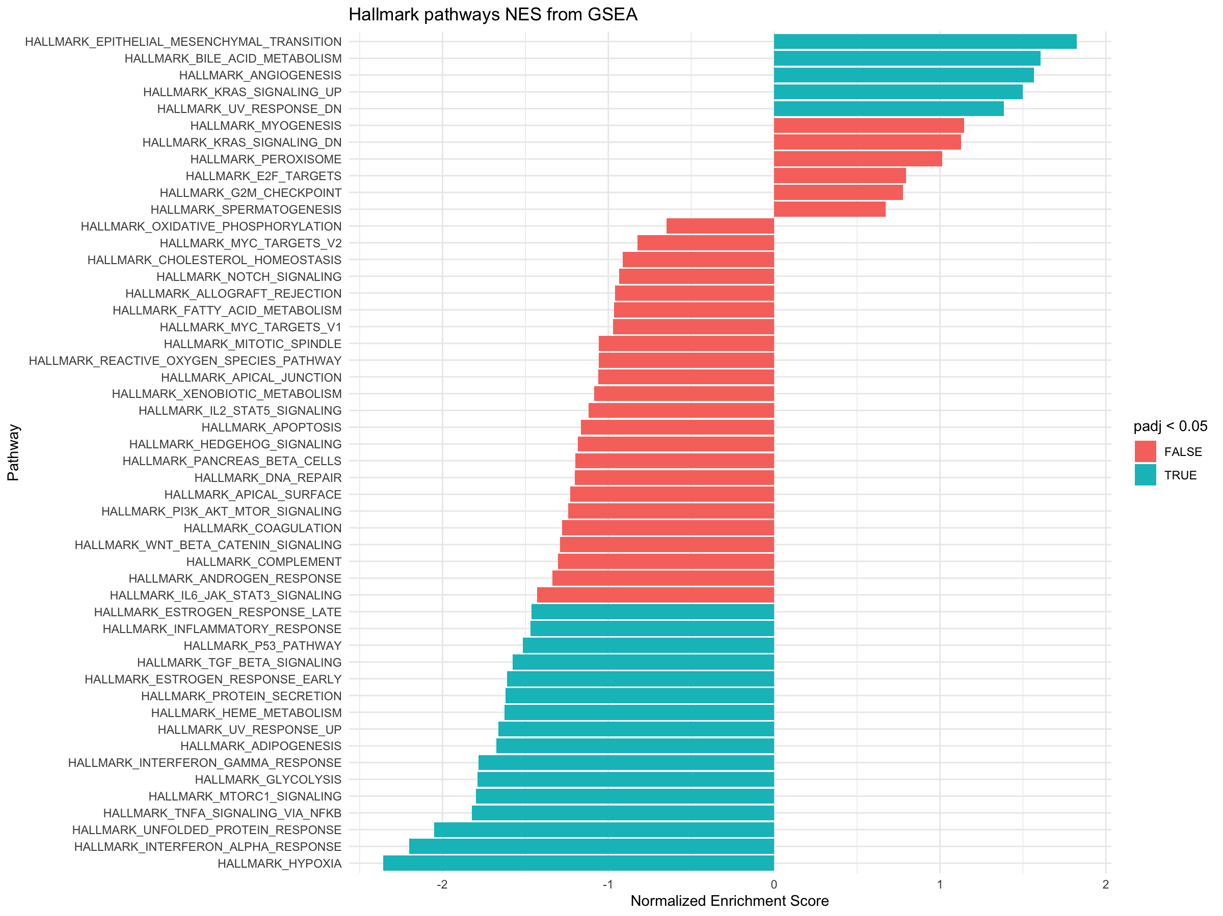

Up in control

Up in PE

