1. One variable case
Use gradient descent method to
find minimum value of function
f(x) = x² – 1.2*x + 1.8
and coordinates of the minimum point.
Start search from point x=0
Give iteration coefficient t |  | Value of t is found in the Stack question

 | X
Give start point for iteration | 0.0
Write formula, which can
be copied down

2. two variable case
Use Gradient Descent Method for finding minimum value of function f(x,y) = x²+2.7*x+y²-3.1 y + 2.5
and coordinates of the minimum point.
Give iteration coefficient t |  |  | Value of t is found in the Stack question

 | X | Y
Give start point of iteration |  |  | Start point (x0, y0) is given in the Stack question
Write formulas, which can be
copied down

3. Four variable function
A linear function f(x,y) = 3 x + 2 y + 1 is defined in the polygon of the picture.
The vertices (corner points) of the polygon are given in the picture.
 |  | Answer with letter A, B , C or D
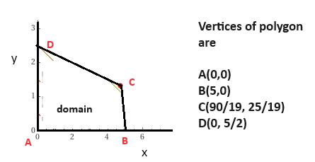
 | a) At which point of the domain polygon
 | does f(x,y) have a maximum value?
 |  | Answer with decimal number, 1 dec. Precision
 | b) What is the maximum value of f(x,y) ?

