FIR
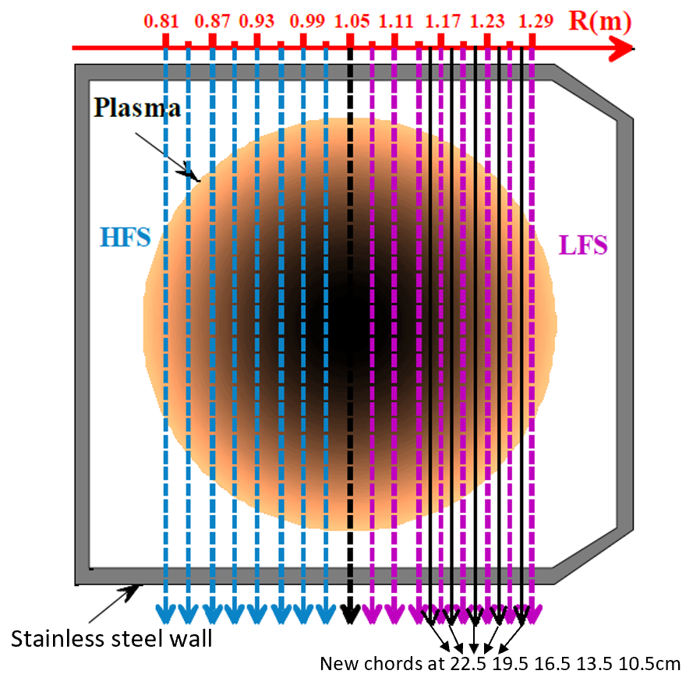
We could povide 17 old chords, which are colored as dash lines

1,9,17

Mirnov
MA_POL_CA24T

MA_POL_CA01T

