MISSION CARDS
FUN MAP |  |  |  |  | MISSION DATA CARD |  |  |  |  |  | AFGHANISTAN
UHF FIXED NETS
Preset | UHF |  | Agency |  |  |  |  | Preset |  | UHF |  | Agency
 | 274.075 |  | CV DECK |  |  |  |  |  |  | 344.025 |  | FAD 1
 | 308.475 |  | CV TWR |  |  |  |  |  |  | 367.575 |  | FAD 2
 | 285.675 |  | MAR/APP/DEP |  |  |  |  |  |  | 344.025 |  | TAD 1
 | 251.000 |  | CTAF TWR |  |  |  |  |  |  | 280.125 |  | AMC 1
 | 251.500 |  | CTAF GND |  |  |  |  |  |  | 360.025 |  | AMC 2
 | 250.000 |  | RANGE CTRL |  |  |  |  |  |  | 357.775 |  | SMC 1
 | 317.775 |  | TKR1 (TEX) |  |  |  |  |  |  | 228.850 |  | SMC 2
 | 276.100 |  | TKR2 (ARC) |  |  |  |  |  |  | 238.175 |  | SCAR 1
 | 282.025 |  | TAOC |  |  |  |  |  |  | 266.375 |  | SCAR 2
 | 294.700 |  | DASC |  |  |  |  |  |  | 261.875 |  | SAR
SUPPORT
Agency | Callsign |  |  | Freq |  | Btn | TCN |  | Task |  | Notes
TKR | SHELL 1-1 |  |  | 317.600 |  | - | 116Y |  | AAR |  | ARNP / FL220 / KC135MPRS
TKR | TEXACO 1-1 |  |  | 317.650 |  | - | 106Y |  | AAR |  | ARNP / FL240 / KC135
TKR | SHELL 2-1 |  |  | 317.700 |  | - | 119Y |  | AAR |  | ARPR / FL220 / KC135MPRS
TKR | TEXACO 2-1 |  |  | 317.750 |  | - | 120Y |  | AAR |  | ARPR / FL240 / KC135
TKR | SHELL 3-1 |  |  | 317.500 |  | - | 115Y |  | AAR |  | ARTB / FL220 / KC135MPRS
TKR | TEXACO` 3-1 |  |  | 317.550 |  | - | 105Y |  | AAR |  | ARTB / FL240 / KC135

AWACS | MAGIC 1-1 |  |  | 367.575 |  |  |  |  | FAD |  | TRACK PR-PQ
TANKER TRACKS
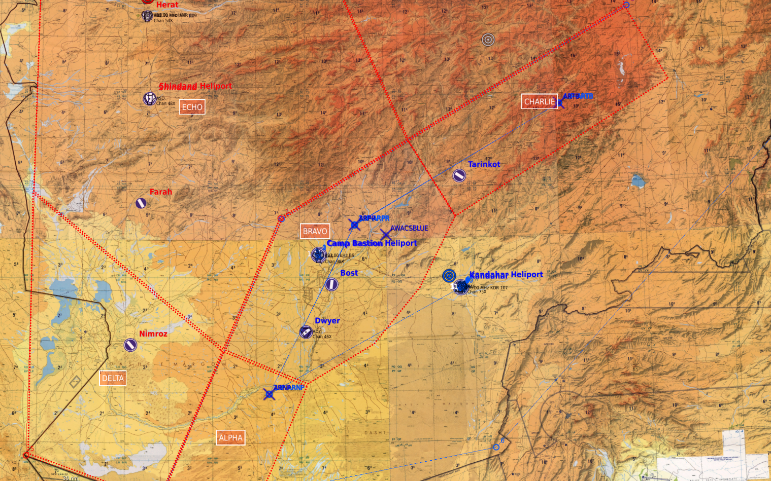

ARTB

ARPR

ARNP

ATIS / TACAN / VOR / NDB / ILS
KANDAHAR |  | 242.675 |  | 75X |  | 116.00 KDR107 |  |  | - |  |  | 05 / 23
CAMP BASTION |  | 121.925 |  | 98X |  | - |  |  | 423.00 BS |  |  | 01 / 19

