MISSION CARDS
FUN MAP |  |  |  | MISSION DATA CARD |  |  |  |  |  | CAUCASUS |  | FUN MAP |  | MISSION DATA CARD |  |  |  |  | CAUCASUS
UHF FIXED NETS |  |  |  |  |  |  |  |  |  |  |  | RANGE DATA
Preset | UHF | Agency |  |  |  |  | Preset |  | UHF |  | Agency | RANGE GG33
 | 274.075 | CV DECK |  |  |  |  |  |  | 344.025 |  | FAD 1 | C&C | RANGE CTRL | Freq |  | 250.000 |  | Tac Pri |  | Tac Sec
 | 308.475 | CV TWR |  |  |  |  |  |  | 367.575 |  | FAD 2 | Target | 33-01 | Elev | 31 |  | Target |  | 33-02 |  | Elev | 21
 | 285.675 | MAR/APP/DEP |  |  |  |  |  |  | 344.025 |  | TAD 1 | Summary | BOMB CIRCLE |  |  |  | Summary |  | BOMB CIRCLE
 | 251.000 | CTAF TWR |  |  |  |  |  |  | 280.125 |  | AMC 1 | Centroid | N 41°50.290' E 41°47.591' |  |  |  | Centroid |  | N 41°50.248' E 41°47.871'
 | 251.500 | CTAF GND |  |  |  |  |  |  | 360.025 |  | AMC 2 |  | 37 T GG 31921 35580 |  |  |  |  |  | 37 T GG 32311 35515
 | 250.000 | RANGE CTRL |  |  |  |  |  |  | 357.775 |  | SMC 1 | Target | 33-03 | Elev | 32 |  | Target |  | 33-04 |  | Elev | 32
 | 317.775 | TKR1 (TEX) |  |  |  |  |  |  | 228.850 |  | SMC 2 | Summary | BOMB CIRCLE |  |  |  | Summary |  | BOMB CIRCLE SMALL
 | 276.100 | TKR2 (ARC) |  |  |  |  |  |  | 238.175 |  | SCAR 1 | Centroid | N 41°50.812' E 41°47.870' |  |  |  | Centroid |  | N 41°50.824' E 41°48.081'
 | 282.025 | TAOC |  |  |  |  |  |  | 266.375 |  | SCAR 2 |  | 37 T GG 32275 36559 |  |  |  |  |  | 37 T GG 32567 36591
 | 294.700 | DASC |  |  |  |  |  |  | 261.875 |  | SAR | Target | 33-05 | Elev | 32 |  | Target |  | 33-06 |  | Elev | 32
SUPPORT |  |  |  |  |  |  |  |  |  |  |  | Summary | TANK PLATOON |  |  |  | Summary |  | SUPPLY CONVOY
Agency | Callsign |  | Freq |  | Btn | TCN |  | Task |  | Notes |  | Centroid | N 41°50.537' E 41°47.693' |  |  |  | Centroid |  | N 41°50.653' E 41°47.675'
TKR | ARCO 1-1 |  | 276.500 |  |  | 36Y |  | AAR |  | ARLM / FL160 / KC130 |  |  | 37 T GG 32047 36044 |  |  |  |  |  | 37 T GG 32014 36257
TKR | SHELL 1-1 |  | 317.500 |  |  | 115Y |  | AAR |  | ARLM / FL200 / KC135MPRS |  | Target | 33-07 | Elev | 42 |  | Target |  | 33-08 |  | Elev | 33
TKR | TEXACO 1-1 |  | 317.750 |  |  | 105Y |  | AAR |  | ARLM / FL240 / KC135 |  | Summary | CLASS A RANGE |  |  |  | Summary |  | ECHELON OF TANKS
TKR | SHELL 2-1 |  | 317.600 |  |  | 116Y |  | AAR |  | AREH / FL200 / KC135MPRS |  | Centroid | N 41°50.449' E 41°48.492' |  |  |  | Centroid |  | N 41°50.657' E 41°48.144'
TKR | TEXACO 6-1 |  | 317.775 |  |  | 38Y |  | AAR |  | CV72 HAWK / FL060 / S3B |  |  | 37 T GG 33158 35915 |  |  |  |  |  | 37 T GG 32664 36285
TKR | ARCO 2-1 |  | 276.100 |  |  | 39Y |  | AAR |  | LHA1 HAWK / FL100 / KC130 |  | RANGE NL24
 |  |  |  |  |  |  |  |  |  |  |  | C&C | RANGE CTRL | Freq |  | 250.000 |  | Tac Pri |  | Tac Sec
CV72 | TWR/PAD |  | AI 274.075 |  |  | 72X |  | CVN |  | ICLS 4 / L4 372.0 / BRC 280 |  | Target | 24-01 | Elev | 2031 |  | Target |  | 24-02 |  | Elev | 2103
 |  |  |  |  |  |  |  |  |  |  |  | Summary | SQUADRON OF TANKS |  |  |  | Summary |  | BOMB CIRCLE
AWACS | MAGIC 1-1 |  | 367.575 |  |  |  |  | FAD |  | AWACS-SOUTH / BULLS 170/90/30000 |  | Centroid | N 41° 5.247' E 45°19.492' |  |  |  | Centroid |  | N 41° 5.359' E 45°17.950'
TANKER TRACKS |  |  |  |  |  |  |  |  |  |  |  |  | 38 T NL 27286 48516 |  |  |  |  |  | 38 T NL 25126 48716
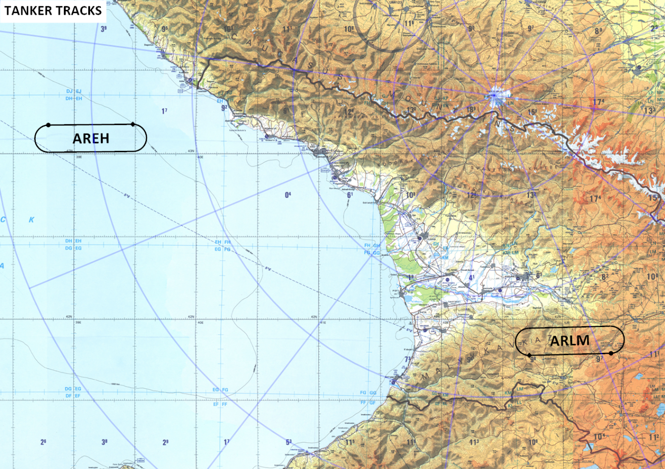
 |  |  |  |  |  |  |  |  |  |  |  | Target | 24-03 | Elev | 2085 |  | Target |  | 24-04 |  | Elev | 2096
 |  |  |  |  |  |  |  |  |  |  |  | Summary | BOMB CIRCLE |  |  |  | Summary |  | PAIR STRAFE PITS
 |  |  |  |  |  |  |  |  |  |  |  | Centroid | N 41° 6.511' E 45°18.165' |  |  |  | Centroid |  | N 41° 5.849' E 45°19.341'
 |  |  |  |  |  |  |  |  |  |  |  |  | 38 T NL 25421 50848 |  |  |  |  |  | 38 T NL 27070 49629
 |  |  |  |  |  |  |  |  |  |  |  | Target | 24-05 | Elev | 2093 |  | Target |  |  |  | Elev
 |  |  |  |  |  |  |  |  |  |  |  | Summary | PAIR STRAFE PITS |  |  |  | Summary
 |  |  |  |  |  |  |  |  |  |  |  | Centroid | N 41° 5.608' E 45°19.299' |  |  |  | Centroid
 |  |  |  |  |  |  |  |  |  |  |  |  | 38 T NL 27013 49184
 |  |  |  |  |  |  |  |  |  |  |  | Target |  | Elev |  |  | Target |  |  |  | Elev
 |  |  |  |  |  |  |  |  |  |  |  | Summary |  |  |  |  | Summary
 |  |  |  |  |  |  |  |  |  |  |  | Centroid |  |  |  |  | Centroid

 |  |  |  |  |  |  |  |  |  |  |  | Target |  | Elev |  |  | Target |  |  |  | Elev
 |  |  |  |  |  |  |  |  |  |  |  | Summary |  |  |  |  | Summary
 |  |  |  |  |  |  |  |  |  |  |  | Centroid |  |  |  |  | Centroid

 |  |  |  |  |  |  |  |  |  |  |  | Target |  | Elev |  |  | Target |  |  |  | Elev
 |  |  |  |  |  |  |  |  |  |  |  | Summary |  |  |  |  | Summary
 |  |  |  |  |  |  |  |  |  |  |  | Centroid |  |  |  |  | Centroid

 |  |  |  |  |  |  |  |  |  |  |  | Target |  | Elev |  |  | Target |  |  |  | Elev
ATIS |  |  |  |  |  |  |  |  |  |  |  | Summary |  |  |  |  | Summary
ATIS | VAZIANI |  | 122.700 |  | 31 | 22X |  | - |  | ILS 108.750Mhz / 315° |  | Centroid |  |  |  |  | Centroid
ATIS | TIBILIS-LOCHINI |  | 132.800 |  | 31L | 25X |  | - |  | ILS 108.900Mhz / 308°
 |  |  |  |  |  |  |  | -
 |  |  |  |  |  |  |  | -

