MDC
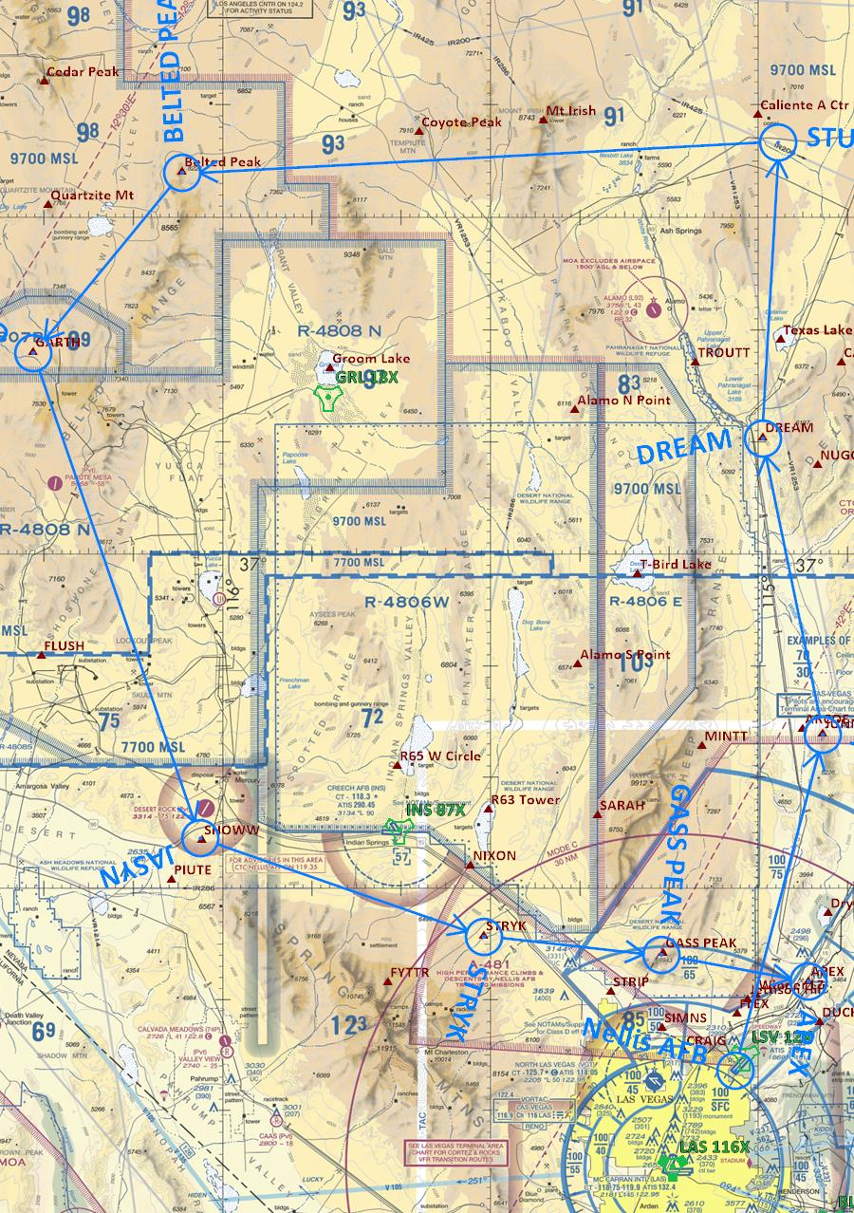
MG1006 |  |  |  | MISSION DATA CARD |  |  |  | SHOOTER 1 |  |  |  | MG1006 |  |  |  | MISSION DATA CARD |  |  |  |  |  | SHOOTER 1 |  |  |  | MG1006 | MISSION DATA CARD | SHOOTER 1 | MG1006 | MISSION DATA CARD | SHOOTER 1 | MG1006 |  | MISSION DATA CARD |  | SHOOTER 1
OVERVIEW |  |  |  |  |  |  |  |  |  |  |  | WAYPOINTS |  |  |  |  |  |  |  |  |  |  |  |  |  | ROUTE |  |  | TARGET AREA |  |  | TARGET
Date |  | Mission Type |  |  |  | Step | Taxi | T/O | Fuel |  |  | WP | Name |  | Coordinates |  | Hdg | Dist | Spd | ETE |  | ETA | Alt | MFR | EFR | [IMAGE] |  |  | [IMAGE] |  |  | Primary | [NAME] |  | [DESC]
12 APRIL 2020 |  | AI |  |  |  | 20:15 | 20:25 | 20:30 | TOTAL | 9000 |  | 1 | JUNNO |  | N36:43.800 W114:52.770 |  | 003° | 31 | 244 | 0:06:57 |  | 8:06:57 | 6.6 M | 6140 | 6490 |  |  |  |  |  |  | DMPI | [DMPI ID]
 |  |  |  |  |  |  |  |  | TIGER | 4800 |  | 2 | DREAM |  | N37:10.340 W114:59.530 |  | 337° | 27 | 244 | 0:06:01 |  | 8:12:58 | 6.6 M | 5560 | 5910 |  |  |  |  |  |  | Coord | [LAT LONG]
 |  |  |  |  |  |  |  |  | JOKER | 3200 |  | 3 | STDT GAP |  | N37:36.705 W114:57.825 |  | 351° | 26 | 244 | 0:05:53 |  | 8:18:51 | 6.6 M | 5000 | 5350 |  |  |  |  |  |  | WEAPON
 |  |  |  |  |  |  |  |  | BINGO | 2700 |  | 4 | BLTD PEAK |  | N37:34.000 W116:04.500 |  | 219° | 53 | 244 | 0:11:46 |  | 8:30:37 | 6.6 M | 3880 | 4230 |  |  |  |  |  |  | Type | [WPN] |  | Interval | [FT]
Aircraft | Callsign |  | Pilot |  | LAS | Loadout |  |  |  | IFF | TCN | 5 | GARTH |  | N37:17.960 W116:21.260 |  | 207° | 21 | 227 | 0:04:38 |  | 8:35:15 | 11.6 M | 3430 | 3780 |  |  |  |  |  |  | Qty | [SINGLE/PAIR] |  | Fuze | [N/T/NT]
 | SHOOTER 11 |  |  |  | 1681 |  |  |  |  | 5511 | 51Y | 6 | JASYN |  | N36:34.493 W116:02.466 |  | 149° | 46 | 227 | 0:10:13 |  | 8:45:28 | 11.6 M | 2450 | 2800 |  |  |  |  |  |  | Ripple | [#] |  | HOF | [FT]
 | SHOOTER 12 |  |  |  | 1682 |  |  |  |  | 5512 | 114Y | 7 | STRYK |  | N36:25.663 W115:30.715 |  | 097° | 27 | 227 | 0:06:01 |  | 8:51:29 | 11.6 M | 1870 | 2220 |  |  |  |  |  |  | DELIVERY
 | SHOOTER 13 |  |  |  | 1683 |  |  |  |  | 5513 | 51Y | 8 | GASS PEAK |  | N36:24.054 W115:10.824 |  | 084° | 16 | 227 | 0:03:34 |  | 8:55:03 | 11.6 M | 1530 | 1880 |  |  |  |  |  |  | Profile | [VLD/DB/HARB/HADB/LAT/STRF]
 | SHOOTER 14 |  |  |  | 1684 |  |  |  |  | 5514 | 114Y | 9 | APEX |  | N36:21.592 W114:54.355 |  | 089° | 13 | 227 | 0:03:26 |  | 8:58:03 | 11.6 M | 1200 | 1550 |  |  |  |  |  |  | Type | [CCIP/DTOS/CCRP/LADD/BCN]
MISSION BRIEF |  |  |  |  |  |  |  |  |  |  |  | 10 |  |  |  |  |  |  |  |  |  |  |  |  |  |  |  |  |  |  |  | IP | [WP/COORD]
Objective |  |  |  |  |  |  |  | Known Threats |  |  | Qty | 11 |  |  |  |  |  |  |  |  |  |  |  |  |  |  |  |  |  |  |  | Hdg | [DEG M/T] |  |  |  | [Z DIAG]
 |  |  |  |  |  |  |  | SA10 |  |  |  | 12 |  |  |  |  |  |  |  |  |  |  |  |  |  |  |  |  |  |  |  | Dist | [NM]
 |  |  |  |  |  |  |  | SA15 |  |  |  | 13 |  |  |  |  |  |  |  |  |  |  |  |  |  |  |  |  |  |  |  | Elev | [FT]
 |  |  |  |  |  |  |  | SA3 |  |  |  | 14 |  |  |  |  |  |  |  |  |  |  |  |  |  |  |  |  |  |  |  | SEM | [CLM/TSEM]
 |  |  |  |  |  |  |  | MIG29 |  |  |  | 15 |  |  |  |  |  |  |  |  |  |  |  |  |  |  |  |  |  |  |  | Egress | [DIR > WP]
 |  |  |  |  |  |  |  | L39 |  |  |  | 16 |  |  |  |  |  |  |  |  |  |  |  |  |  |  |  |  |  |  |  | TARGET AREA
Notes |  |  |  |  |  |  |  | F5 |  |  |  | 17 |  |  |  |  |  |  |  |  |  |  |  |  |  |  |  |  |  |  |  | [IMAGE]
CRUISE @ 0.7M PUSH hold @ FL220-230 030WP2 TIGER @ PUSH DCS Username CALLSIGN | NAME (ex: SHOOTER 11 | YOMO) |  |  |  |  |  |  |  |  |  |  |  | 18
 |  |  |  |  |  |  |  |  |  |  |  | 19
 |  |  |  |  |  |  |  |  |  |  |  | 20
 |  |  |  |  |  |  |  |  |  |  |  | BIG PICTURE |  |  |  |  |  |  |  |  |  |  | MATRIX
 |  |  |  |  |  |  |  |  |  |  |  | [IMAGE] |  |  |  |  |  |  |  |  |  |  | 430 | KGS
 |  |  |  |  |  |  |  |  |  |  |  |  |  |  |  |  |  |  |  |  |  |  | 1 | 0:00:08
PACKAGE COMMS |  |  |  |  |  |  |  |  |  |  |  |  |  |  |  |  |  |  |  |  |  |  | 2 | 0:00:17
Flight | Callsign |  | Freq |  | Btn | Task |  | Notes |  |  |  |  |  |  |  |  |  |  |  |  |  |  | 3 | 0:00:25
55FS | SHOOTER 1 |  | 137.95 |  | V1 |  |  |  |  |  |  |  |  |  |  |  |  |  |  |  |  |  | 4 | 0:00:33
 |  |  |  |  |  |  |  |  |  |  |  |  |  |  |  |  |  |  |  |  |  |  | 5 | 0:00:42
 |  |  |  |  |  |  |  |  |  |  |  |  |  |  |  |  |  |  |  |  |  |  | 6 | 0:00:50
 |  |  |  |  |  |  |  |  |  |  |  |  |  |  |  |  |  |  |  |  |  |  | 7 | 0:00:59
 |  |  |  |  |  |  |  |  |  |  |  |  |  |  |  |  |  |  |  |  |  |  | 8 | 0:01:07
 |  |  |  |  |  |  |  |  |  |  |  |  |  |  |  |  |  |  |  |  |  |  | 9 | 0:01:15
TACTICAL COMM PLAN |  |  |  |  |  |  |  |  |  |  |  |  |  |  |  |  |  |  |  |  |  |  | 10 | 0:01:24
Agency | Callsign |  | Freq |  | Btn | Notes |  | Mission Codewords |  |  |  |  |  |  |  |  |  |  |  |  |  |  | 11 | 0:01:32
SOF | Shooter Ops |  | 355 |  | U1 |  |  | HOLDING |  |  |  |  |  |  |  |  |  |  |  |  |  |  | 12 | 0:01:40
GND | Al Dhafra |  | 251.5 |  | U2 |  |  | ROLEX |  |  |  |  |  |  |  |  |  |  |  |  |  |  | 13 | 0:01:49
TWR | Al Dhafra |  | 250 |  | U3 |  |  | OFF STATION |  |  |  |  |  |  |  |  |  |  |  |  |  |  | 14 | 0:01:57
SMC |  |  |  |  |  |  |  | PUSH |  |  |  |  |  |  |  |  |  |  |  |  |  |  | 15 | 0:02:06
 |  |  |  |  |  |  |  | OFF TARGET |  |  |  |  |  |  |  |  |  |  |  |  |  |  | 16 | 0:02:14
 |  |  |  |  |  |  |  | MSN SUCCESS |  |  |  |  |  |  |  |  |  |  |  |  |  |  | 17 | 0:02:22
 |  |  |  |  |  |  |  | RTB |  |  |  |  |  |  |  |  |  |  |  |  |  |  | 18 | 0:02:31
 |  |  |  |  |  |  |  |  |  |  |  |  |  |  |  |  |  |  |  |  |  |  | 19 | 0:02:39
 |  |  |  |  |  |  |  |  |  |  |  | LAUNCH & RECOVERY
SUPPORT |  |  |  |  |  |  |  |  |  |  |  | Phase |  | Name |  | Twr |  | Btn | App/Dep |  | Btn | FEV | Rwy | Tcn |  |  |  |  |  |  |  | NOTES
Agency | Callsign |  | Freq |  | Btn | TCN | Task | Notes |  |  |  | Dep |  | AL DHAFRA |  | 251.000 |  | U3 | 251.000 |  | U3 | 52 | 31R | 96X
AWACS |  |  |  |  |  |  |  |  |  |  |  | Arr |  | AL DHAFRA |  | 251.000 |  | U3 | 251.000 |  | U3 | 52 | 31R | 96X
AI AWACS |  |  |  |  |  |  |  |  |  |  |  | Divert |  | KHASAB |  | 251.000 |  | U3 | 250.000 |  |  | 46 | 19 | 84X
AAR |  |  |  |  |  |  |  |  |  |  |  | WEATHER

 |  |  |  |  |  |  |  |  |  |  |  | 1600ft |  |  |  | 6600ft |  |  |  |  |  | 26000ft

OBJECTS
HOLD RIGHT TURNS | WAYPOINT | SECTION 1 | Z - DIVE

HOLD LEFT TURNS | IP | SECTION 2 | Z - POP

ROUTE LINE | TARGET | SECTION 3

 | TEXT BOX | SECTION 4

TEXT

CALCULATORS
INTERVAL |  | LL DEC/SEC CONVERSION |  |  |  |  | POP-UP ATTACK
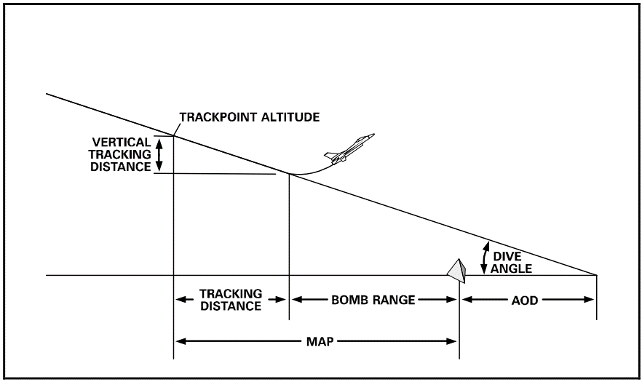
7,480
4,081
3,399
6,304
1,094
3,694
2,600
15
450 | KGS |  | N |  | E |  | Angle Off | 40
Interval | NM | Dec to Sec | 0.433 | 26 | 0.05 | 3 | Dive Angle | 15
0:00:04 | 0.5 | Sec to Dec | 9 | 0.150 | 49 | 0.817 | Release Speed (KTAS) | 500
0:00:08 | 1 |  |  |  |  |  | Tracking Time (seconds) | 5
0:00:40 | 5 |  |  |  |  |  | Release Height (FT AGL) | 2,600
0:00:44 | 5.5 | YARDSTICK |  |  |  |  | Bomb Range (FT ref 34-1-2) | 3,399
0:00:48 | 6
0:00:52 | 6.5 | LEAD | WING
0:00:56 | 7 | 55 | 118 |  |  |  | Pop-to-Pull-Down Distance | 13,200
0:01:00 | 7.5
0:01:04 | 8 |  |  |  |  |  | Recommended Angle Off | 40
0:01:08 | 8.5
0:01:12 | 9 |  |  |  |  |  | Turn Radius | 6,336
0:01:16 | 9.5 |  |  |  |  |  | Track Point Alt | 3,694
 |  |  |  |  |  |  | Vertical Tracking Distance (FT) | 1,094
 |  |  |  |  |  |  | GS | 483
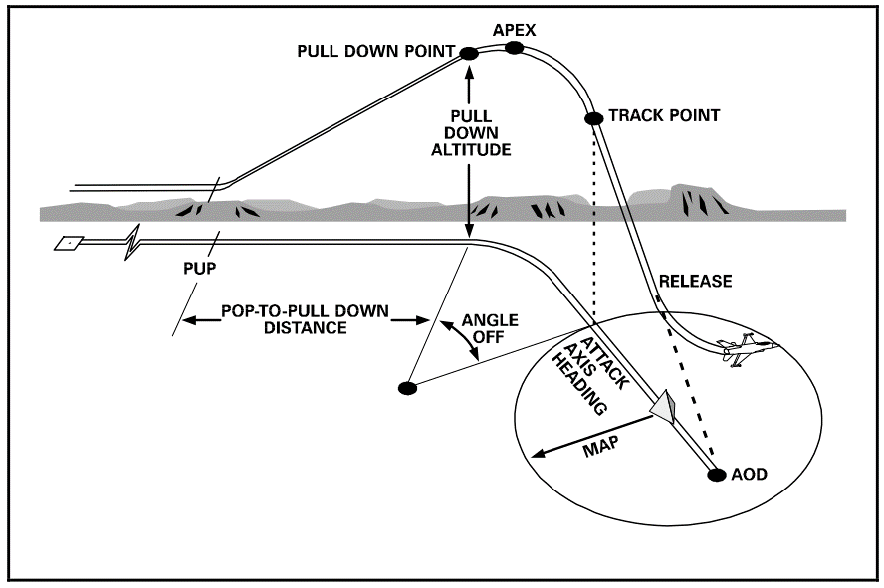
13,200
3,694
3,400
4,400
2,600
40
7,480
6,304
20
0:01:20 | 10 |  |  |  |  |  | Tracking Distance (ft) | 4,081

 |  |  |  |  |  |  | MAP Distance | 7,480 | ft | 1.2 | NM
 |  |  |  |  |  |  | Climb Angle | 20
 |  |  |  |  |  |  | Pull-Down Alt | 3,400 | ft
 |  |  |  |  |  |  | Apex Alt (3-3.5G roll-in) | 4,400 | ft
 |  |  |  |  |  |  | Aim Off Distance | 6,304 | ft | 1.0 | NM

