MISSION CARDS VMA
FUN MAP |  |  |  | MISSION DATA CARD |  |  |  |  |  | NTTR |  | FUN MAP | MISSION DATA CARD | NTTR | FUN MAP |  | MISSION DATA CARD |  | NTTR |  |  |  | FUN MAP | MISSION DATA CARD | NTTR | FUN MAP | MISSION DATA CARD | NTTR | FUN MAP | MISSION DATA CARD | NTTR | FUN MAP |  | MISSION DATA CARD |  |  |  |  | NTTR |  |  |  | FUN MAP |  | MISSION DATA CARD |  |  | NTTR |  |  | FUN MAP |  | MISSION DATA CARD |  |  |  |  | NTTR |  |  |  | FUN MAP |  | MISSION DATA CARD |  |  | NTTR
UHF CHANNELIZATION |  |  |  |  |  |  |  |  |  |  |  | NAVIGATION |  |  | DEFAULT WAYPOINTS |  |  |  | TACAN |  |  |  | DESERT MOA |  |  | RANGE AREA R4806 |  |  | RANGE AREA R4807 |  |  | RANGE DATA |  |  |  |  |  |  |  |  |  |  | RANGE DATA |  |  |  |  |  |  |  | RANGE DATA |  |  |  |  |  |  |  |  |  |  | RANGE DATA
Preset | UHF | Agency |  |  |  |  | Preset |  | UHF |  | Agency |  |  |  | Nav Point | TCN/CRS | DD°MM.MMM' N | DDD°MM.MMM' W | Name | ID | CH |  |  |  |  |  |  |  |  |  |  | RANGE 61B |  |  |  |  |  |  |  |  |  |  | RANGE 62B CONTINUED |  |  |  |  |  |  |  | RANGE 64B |  |  |  |  |  |  |  |  |  |  | RANGE 74C CONTINUED
1 | - | SQUADRON COMMON |  |  |  |  | 11 |  | 270.100 |  | ATIS |  |  |  | 1 - FLEX | LSV 335/4 | 36°18.617' | 115°02.367' | NELLIS AFB | LSV | 12 |  |  |  |  |  |  |  |  |  |  | C&C | BLACKJACK | Freq |  | 377.800 |  | Tac Pri | 341.925 | Tac Sec |  |  | Target | 62-61 | Elev | 3499 | Target | 62-62 | Elev | 3497 | C&C | BLACKJACK | Freq |  | 288.800 |  | Tac Pri | 341.925 | Tac Sec |  | 268.000 | Target | 74-08 | ELEV | 5389 | Target | 74-11 | ELEV | 5409
2 | 289.400 | NELLIS CLEARANCE |  |  |  |  | 12 |  | 360.625 |  | CREECH TOWER |  |  |  | 2 - JUNNO | BLD 344/44 | 36°43.800' | 114°52.767' | CREECH AFB | INS | 87 |  |  |  |  |  |  |  |  |  |  | Target | 61-01 | Elev | 3822 |  | Target |  | 61-03 |  | Elev | 3788 | Summary | SOUK |  |  | Summary | SECURITY COMPOUND |  |  | Target | 64-13 | Elev | 3053 |  | Target |  | 64-14 |  | Elev | 3048 | Summary | SCUD LNCH AND SUPT SITE |  |  | Summary | RESUPPLY CONVOY
3 | 275.800 | NELLIS GROUND |  |  |  |  | 13 |  | - |  | UNUSED |  |  |  | 3 - DREAM | LAS 352/66 | 37°10.333' | 114°59.534' | GROOM AFB | GRL | 18 |  |  |  |  |  |  |  |  |  |  | Summary | HELLDORADO |  |  |  | Summary |  | LISTENING POST |  |  |  | Centroid | 36°46.951' N | 115°26.501' W |  | Centroid | 36°46.866' N | 115°26.552' W |  | Summary | CHEMICAL WEAPONS STORAGE FACILITY |  |  |  | Summary |  | CONVOY |  |  |  | Centroid | N 37°29.544' | W 116°14.725' |  | Centroid | N 37°27.224' | W 116°15.414'
4 | 327.000 | NELLIS TOWER |  |  |  |  | 14 |  | 377.800 |  | BLACKJACK |  |  |  | 4 - STUDENT GAP | LSV 347/82 | 37°36.733' | 114°57.900' | VORTAC |  |  |  |  |  |  |  |  |  |  |  |  | Centroid | 37°09.574' W | 115°25.575' W |  |  | Centroid |  | 37°09.087' N |  | 115°23.512' W |  | Target | 62-63 | Elev | 3505 | Target | 62-71 | Elev | 3506 | Centroid | 36°49.570' N | 115°37.748' W |  |  | Centroid |  | 36°49.242' N |  | 115°37.262' W |  | Target | 74-21 | ELEV | 5565 | Target | 74-25 (ACTIVE) | ELEV | 5331
5 | 385.400 | NELLIS APP/DEP WEST |  |  |  |  | 15 |  | 295.400 |  | AR-641A HI / Unit Option |  |  |  | 5 - BELTED PK | TQQ 095/36 | 37°34.000' | 116°04.500' | Name | ID | CH | FRQ |  |  |  |  |  |  |  |  |  | RANGE 62A |  |  |  |  |  |  |  |  |  |  | Summary | CLASSROOM NORTH |  |  | Summary | UNIVERSITY |  |  | Target | 64-15 | Elev | 3028 |  | Target |  | 64-17 |  | Elev | 3401 | Summary | FORWARD CONVOY |  |  | Summary | TERRORIST CAMP [SA-6, SA-18]
6 | 273.550 | NELLIS APP/DEP EAST |  |  |  |  | 16 |  | 276.100 |  | AR-641A LO / Unit Option |  |  |  | 6 - GARTH | LSV 302/90 | 37°17.967' | 116°21.267' | BRYCE CANYON | BCE | 75 | 112.8 |  |  |  |  |  |  |  |  |  | C&C | BLACKJACK | Freq |  | 377.800 |  | Tac Pri | 341.925 | Tac Sec |  |  | Centroid | 36°46.876' N | 115°26.451' W |  | Centroid | 36°46.834' N | 115°26.452' W |  | Summary | ARMORED VEHICLES |  |  |  | Summary |  | ARTILLERY BATTERY |  |  |  | Centroid | N 37°36.352' | W 116°10.773' |  | Centroid | N 37°27.505' | W 116°13.781'
...
TKR | SHELL 1-1 |  | 276.100 |  | 16 | 35Y |  | AAR |  | LO AR641A / FL200 / KC135MPRS
TKR | TEXACO 2-1 |  | 352.600 |  | 17 | 52Y |  | AAR |  | HI AR-635 / FL240 / KC135
TKR | SHELL 2-1 |  | 306.200 |  | 18 | 34Y |  | AAR |  | LO AR-635 / FL200 / KC135MPRS
TKR | ARCO 1-1 |  | 343.600 |  | 19 | 30Y |  | AAR |  | AR-230V / FL150 / KC135 [215IAS]
TKR | ARCO 3-1 |  | 319.800 |  | - | 29Y |  | AAR |  | AR-230V / FL100 / KC130
TKR | ARCO 2-1 |  | 323.200 |  | - | 13Y |  | AAR |  | AR-231V / FL150 / KC135 [215IAS]
TKR | TEXACO 3-1 |  | 324.050 |  | - | 51Y |  | AAR |  | HI AR-625 / FL240 / KC135
TKR | SHELL 3-1 |  | 319.800 |  | - | 33Y |  | AAR |  | LO AR-625 / FL200 / KC135MPRS
AWACS | DARKSTAR 1-1 |  | 282.025 |  | 20 | - |  | FAD |  | AWACS.1-AWACS.2
TANKER TRACKS
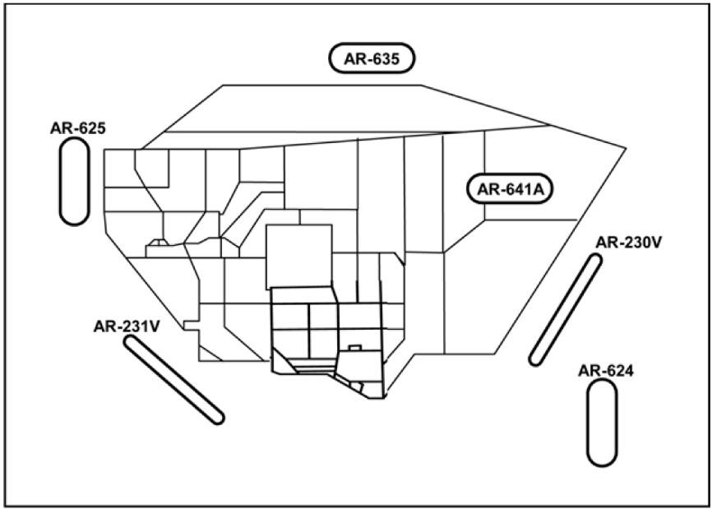
...
ATIS
ATIS | NELLIS |  | 270.100 |  | 11 | 12X |  | -
ATIS | CREECH |  | 290.450 |  | - | 87X |  | -
ATIS | GROOM LAKE |  | 123.500 |  | - | 18X |  | -
ATIS | TONOPAH TEST |  | 113.000 |  | - | 77X |  | -

OBJECTS
...
TEXT BOX | SECTION 4

TEXT

