MISSION CARDS VMA
FUN MAP |  |  |  | MISSION DATA CARD |  |  |  |  |  | NTTR |  | FUN MAP | MISSION DATA CARD | NTTR | FUN MAP |  | MISSION DATA CARD |  | NTTR |  |  |  | FUN MAP | MISSION DATA CARD | NTTR | FUN MAP | MISSION DATA CARD | NTTR | FUN MAP | MISSION DATA CARD | NTTR | FUN MAP |  | MISSION DATA CARD |  |  |  |  | NTTR |  |  |  | FUN MAP |  | MISSION DATA CARD |  |  |  |  | NTTR |  |  |  | FUN MAP |  | MISSION DATA CARD |  |  |  |  | NTTR |  |  |  | FUN MAP |  | MISSION DATA CARD |  |  |  |  | NTTR
UHF CHANNELIZATION |  |  |  |  |  |  |  |  |  |  |  | NAVIGATION |  |  | DEFAULT WAYPOINTS |  |  |  | TACAN |  |  |  | DESERT MOA |  |  | RANGE AREA R4806 |  |  | RANGE AREA R4807 |  |  | RANGE DATA |  |  |  |  |  |  |  |  |  |  | RANGE DATA |  |  |  |  |  |  |  |  |  |  | RANGE DATA |  |  |  |  |  |  |  |  |  |  | RANGE DATA
Preset | UHF | Agency |  |  |  |  | Preset |  | UHF |  | Agency | 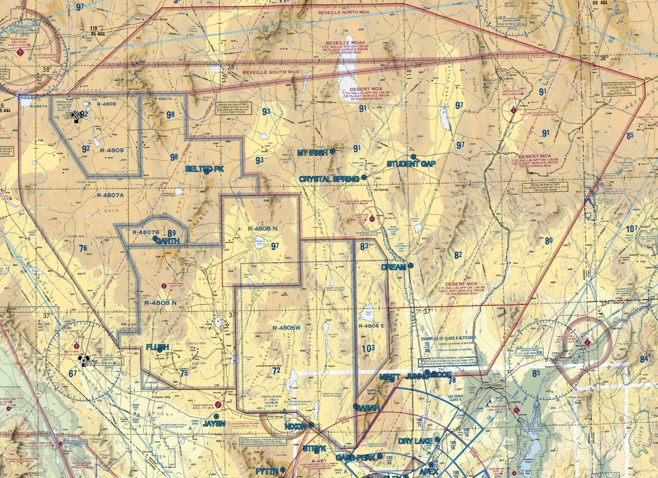 |  |  | Nav Point | TCN/CRS | DD°MM.MMM' N | DDD°MM.MMM' W | Name | ID | CH |  |  |  |  |  |  |  |  |  |  | RANGE 61B |  |  |  |  |  |  |  |  |  |  | RANGE 62B CONTINUED |  |  |  |  |  |  |  |  |  |  | RANGE 64B |  |  |  |  |  |  |  |  |  |  | RANGE 74C CONTINUED
1 | - | SQUADRON COMMON |  |  |  |  | 11 |  | 270.100 |  | ATIS |  |  |  | 1 - FLEX | LSV 335/4 | 36°18.617' | 115°02.367' | NELLIS AFB | LSV | 12 |  |  |  |  |  |  |  |  |  |  | C&C | BLACKJACK | Freq |  | 377.800 |  | Tac Pri | 341.925 | Tac Sec |  |  | Target | 62-61 | Elev | 3499 |  | Target |  | 62-62 |  | Elev | 3497 | C&C | BLACKJACK | Freq |  | 288.800 |  | Tac Pri | 341.925 | Tac Sec |  | 268.000 | Target | 74-08 | ELEV | 5389 |  | Target |  | 74-11 |  | ELEV | 5409
2 | 289.400 | NELLIS CLEARANCE |  |  |  |  | 12 |  | 360.625 |  | CREECH TOWER |  |  |  | 2 - JUNNO | BLD 344/44 | 36°43.800' | 114°52.767' | CREECH AFB | INS | 87 |  |  |  |  |  |  |  |  |  |  | Target | 61-01 | Elev | 3822 |  | Target |  | 61-03 |  | Elev | 3788 | Summary | SOUK |  |  |  | Summary |  | SECURITY COMPOUND |  |  |  | Target | 64-13 | Elev | 3053 |  | Target |  | 64-14 |  | Elev | 3048 | Summary | SCUD LNCH AND SUPT SITE |  |  |  | Summary |  | RESUPPLY CONVOY
3 | 275.800 | NELLIS GROUND |  |  |  |  | 13 |  | - |  | UNUSED |  |  |  | 3 - DREAM | LAS 352/66 | 37°10.333' | 114°59.534' | GROOM AFB | GRL | 18 |  |  |  |  |  |  |  |  |  |  | Summary | HELLDORADO |  |  |  | Summary |  | LISTENING POST |  |  |  | Centroid | 36°46.951' N | 115°26.501' W |  |  | Centroid |  | 36°46.866' N |  | 115°26.552' W |  | Summary | CHEMICAL WEAPONS STORAGE FACILITY |  |  |  | Summary |  | CONVOY |  |  |  | Centroid | N 37°29.544' | W 116°14.725' |  |  | Centroid |  | N 37°27.224' |  | W 116°15.414'
4 | 327.000 | NELLIS TOWER |  |  |  |  | 14 |  | 377.800 |  | BLACKJACK |  |  |  | 4 - STUDENT GAP | LSV 347/82 | 37°36.733' | 114°57.900' | VORTAC |  |  |  |  |  |  |  |  |  |  |  |  | Centroid | 37°09.574' W | 115°25.575' W |  |  | Centroid |  | 37°09.087' N |  | 115°23.512' W |  | Target | 62-63 | Elev | 3505 |  | Target |  | 62-71 |  | Elev | 3506 | Centroid | 36°49.570' N | 115°37.748' W |  |  | Centroid |  | 36°49.242' N |  | 115°37.262' W |  | Target | 74-21 | ELEV | 5565 |  | Target |  | 74-25 (ACTIVE) |  | ELEV | 5331
5 | 385.400 | NELLIS APP/DEP WEST |  |  |  |  | 15 |  | 295.400 |  | AR-641A HI / Unit Option |  |  |  | 5 - BELTED PK | TQQ 095/36 | 37°34.000' | 116°04.500' | Name | ID | CH | FRQ |  |  |  |  |  |  |  |  |  | RANGE 62A |  |  |  |  |  |  |  |  |  |  | Summary | CLASSROOM NORTH |  |  |  | Summary |  | UNIVERSITY |  |  |  | Target | 64-15 | Elev | 3028 |  | Target |  | 64-17 |  | Elev | 3401 | Summary | FORWARD CONVOY |  |  |  | Summary |  | TERRORIST CAMP [SA-6, SA-18]
6 | 273.550 | NELLIS APP/DEP EAST |  |  |  |  | 16 |  | 276.100 |  | AR-641A LO / Unit Option |  |  |  | 6 - GARTH | LSV 302/90 | 37°17.967' | 116°21.267' | BRYCE CANYON | BCE | 75 | 112.8 |  |  |  |  |  |  |  |  |  | C&C | BLACKJACK | Freq |  | 377.800 |  | Tac Pri | 341.925 | Tac Sec |  |  | Centroid | 36°46.876' N | 115°26.451' W |  |  | Centroid |  | 36°46.834' N |  | 115°26.452' W |  | Summary | ARMORED VEHICLES |  |  |  | Summary |  | ARTILLERY BATTERY |  |  |  | Centroid | N 37°36.352' | W 116°10.773' |  |  | Centroid |  | N 37°27.505' |  | W 116°13.781'
7 | 317.525 | NELLIS CTRL - SALLY |  |  |  |  | 17 |  | 352.600 |  | AR-635 HI / Unit Option |  |  |  | 7 - FLUSH | LSV 286/73 | 36°50.800' | 116°20.267' | BISHOP | BIH | 33 | 109.6 |  |  |  |  |  |  |  |  |  | Target | 62-01 | Elev | 3409 |  | Target |  | 62-02 |  | Elev | 3462 | Target | 62-72 | Elev | 3500 |  | Target |  | 62-73 |  | Elev | 3495 | Centroid | 36°46.803' N | 115°38.011' W |  |  | Centroid |  | 36°48.571' N |  | 115°37.238' W |  | Target | 74-26 (ACTIVE) | ELEV | 5555 |  | Target |  | 74-27 (ACTIVE) |  | ELEV | 5465
8 | 254.400 | NELLIS CTRL - LEE |  |  |  |  | 18 |  | 317.775 |  | AR-635 LO / Unit Option |  |  |  | 8 - JAYSN | BTY 098/37 | 36°34.425' | 116°02.444' | BOULDER | BLD | 114 | 116.7 |  |  |  |  |  |  |  |  |  | Summary | FIVE ARMORED VEHICLES |  |  |  | Summary |  | THREE ECHELONED TANK FORMATIONS |  |  |  | Summary | SHOPPING DISTRICT |  |  |  | Summary |  | GRAND PALACE |  |  |  | Target | 64-19 | Elev | 3025 |  |  |  |  |  |  |  | Summary | SCUD LCH & SUPT SITE [ZSU-23. SA-18] |  |  |  | Summary |  | SCUD C2 NODE [SA-6]
9 | 305.600 | SOF (BULLSEYE SOF) |  |  |  |  | 19 |  | 343.600 |  | AR-230V / Unit Option |  |  |  | 9 - STRYK | LSV 281/26 | 36°25.617' | 115°30.700' | BEATTY | BTY | 94 | 114.7 |  |  |  |  |  |  |  |  |  | Centroid | 36°55.853' N | 115°27.426' W |  |  | Centroid |  | 36°55.085' N |  | 115°25.859' W |  | Centroid | 36°46.827' N | 115°26.527' W |  |  | Centroid |  | 36°46.832' N |  | 115°26.609' W |  | Summary | ARMORED VEHICLES |  |  |  |  |  |  |  |  |  | Centroid | N 37°33.465' | W 116°14.847' |  |  | Centroid |  | N 37°34.440' |  | W 116°12.763'
10 | 251.000 | EMER SINGLE FREQ APP |  |  |  |  | 20 |  | 282.025 |  | AWACS |  |  |  | 10 - GASS PEAK | LSV 308/12 | 36°24.133' | 115°10.667' | CEDAR CITY | CDC | 120 | 117.3 |  |  |  |  |  |  |  |  |  | Target | 62-04 | Elev | 3414 |  |  |  |  |  |  |  | Target | 62-74 | Elev | 3499 |  | Target |  | 62-75 |  | Elev | 3495 | Centroid | 36°47.696' N | 115°37.668' W |  |  |  |  |  |  |  |  | Target | 74-29 (ACTIVE) | ELEV | 5527 |  | Target |  | 74-30 (ACTIVE) |  | ELEV | 5350
SUPPORT |  |  |  |  |  |  |  |  |  |  |  |  |  |  | 11 - APEX | LSV 028/9 | 36°21.583' | 114°54.333' | DAGGETT | DAG | 79 | 113.2 |  |  |  |  |  |  |  |  |  | Summary | THREE ECHELONED TANK FORMATIONS |  |  |  |  |  |  |  |  |  | Summary | HOTEL CALIFORNIA |  |  |  | Summary |  | BUSINESS DISTRICT |  |  |  | RANGE 64C |  |  |  |  |  |  |  |  |  |  | Summary | RESUPPLY CONVOY [ZU-23, SA-18] |  |  |  | Summary |  | BLOCKING POS [SA-8, SA-18, ZSU-23-4]
Agency | Callsign |  | Freq |  | Btn | TCN |  | Task |  | Notes |  |  |  |  |  |  |  |  | NEEDLES | EED | 99 | 115.2 |  |  |  |  |  |  |  |  |  | Centroid | 36°53.800' N | 115°27.064' W |  |  |  |  |  |  |  |  | Centroid | 36°46.804' N | 115°26.551' W |  |  | Centroid |  | 36°46.789' N |  | 115°26.609' W |  | C&C | BLACKJACK | Freq |  | 288.800 |  | Tac Pri | 341.925 | Tac Sec |  | 268.000 | Centroid | N 37°32.489' | W 116°15.469' |  |  | Centroid |  | N 37°31.653' |  | W 116°13.352'
TKR | TEXACO 1-1 |  | 295.400 |  | 15 | 31Y |  | AAR |  | HI AR-641A / FL240 / KC135 |  |  |  |  |  |  |  |  | GOFFS | GFS | 91 | 114.4 |  |  |  |  |  |  |  |  |  | RANGE 62B |  |  |  |  |  |  |  |  |  |  | Target | 62-76 | Elev | 3501 |  | Target |  | 62-77 |  | Elev | 3509 | Target | 64C | Elev | 3031 |  | Target |  | 64-05 |  | Elev | 3022 | Target | 74-32 | ELEV | 5374 |  | Target |  | 74-33 |  | ELEV | 5808
TKR | SHELL 1-1 |  | 276.100 |  | 16 | 35Y |  | AAR |  | LO AR641A / FL200 / KC135MPRS |  |  |  |  |  |  |  |  | HECTOR | HEC | 74 | 112.7 |  |  |  |  |  |  |  |  |  | C&C | BLACKJACK | Freq |  | 377.800 |  | Tac Pri | 234.250 | Tac Sec |  |  | Summary | RIVERSIDE HOTEL |  |  |  | Summary |  | ENTERTAINMENT DISTRICT |  |  |  | Summary | CONVENTIONAL RANGE |  |  |  | Summary |  | FUEL TANKER |  |  |  | Summary | RESUPPLY CONVOY |  |  |  | Summary |  | MUNITIONS CONVOY
TKR | TEXACO 2-1 |  | 352.600 |  | 17 | 52Y |  | AAR |  | HI AR-635 / FL240 / KC135 |  |  |  |  | NAVIGATION POINTS |  |  |  | WILSON CREEK | ILC | 110 | 116.3 |  |  |  |  |  |  |  |  |  | Target | 62-03 | Elev | 3427 |  | Target |  | 62-08 |  | Elev | 3412 | Centroid | 36°46.787' N | 115°26.523' W |  |  | Centroid |  | 36°46.770' N |  | 115°26.436' W |  | Centroid | 36°40.900' N | 115°40.399' W |  |  | Centroid |  | 36°41.284' N |  | 115°38.186' W |  | Centroid | N 37°28.731' | W 116°11.435' |  |  | Centroid |  | N 37°29.614' |  | W 116°08.536'
TKR | SHELL 2-1 |  | 306.200 |  | 18 | 34Y |  | AAR |  | LO AR-635 / FL200 / KC135MPRS |  |  |  |  | Nav Point | TCN/CRS | DD°MM.MMM' N | DDD°MM.MMM' W | LAS VEGAS | LAS | 116 | 116.9 |  |  |  |  |  |  |  |  |  | Summary | INSURGENT VILLAGE |  |  |  | Summary |  | FAST TRACK |  |  |  | Target | 62-78 | Elev | 3498 |  | Target |  | 62-79 |  | Elev | 3503 | Target | 64-08 | Elev | 4492 |  | Target |  | 64-09 |  | Elev | 3117 | Target | 74-36 (ACTIVE) | ELEV | 5548 |  | Target |  | 74-39 |  | ELEV | 5978
TKR | ARCO 1-1 |  | 343.600 |  | 19 | 30Y |  | AAR |  | AR-230V / FL150 / KC135 [215IAS] |  |  |  |  | APEX | LSV 028/9 | 36°21.583' | 114°54.333' | MILFORD | MLF | 58 | 112.1 |  |  |  |  |  |  |  |  |  | Centroid | 36°49.009' N | 115°26.774' W |  |  | Centroid |  | 36°50.719' N |  | 115°27.094' W |  | Summary | HOSPITAL |  |  |  | Summary |  | EAST BELTWAY |  |  |  | Summary | MILITARY VEHICLES |  |  |  | Summary |  | 4 SHIPPING CONTAINERS |  |  |  | Summary | TERRORIST TRG FAC [ZSU-23, SA-18] |  |  |  | Summary |  | TERRORIST CAMP
TKR | ARCO 3-1 |  | 319.800 |  | - | 29Y |  | AAR |  | AR-230V / FL100 / KC130 |  |  |  |  | ARCOE | LSV 357/30 | 36°44.267' | 114°55.017' | MORMON MESA | MMM | 90 | 114.3 |  |  |  |  |  |  |  |  |  | Target | 62-09 | Elev | 3451 |  | Target |  | 62-11 |  | Elev | 3482 | Centroid | 36°46.736' N | 115°26.569' W |  |  | Centroid |  | 36°46.658' N |  | 115°26.504' W |  | Centroid | 36°40.932' N | 115°41.240' W |  |  | Centroid |  | 36°39.063' N |  | 115°41.681' W |  | Centroid | N 37°37.026' | W 116°11.246' |  |  | Centroid |  | N 37°30.809' |  | W 116°08.256'
TKR | ARCO 2-1 |  | 323.200 |  | - | 13Y |  | AAR |  | AR-231V / FL150 / KC135 [215IAS] |  |  |  |  | BELTED PK | TQQ 095/36 | 37°34.000' | 116°04.500' | MINA | MVA | 98 | 115.1 |  |  |  |  |  |  |  |  |  | Summary | LANTIRN VILLAGE |  |  |  | Summary |  | DAMNATION ALLEY |  |  |  | Target | 62-81 | Elev | 3496 |  | Target |  | 62-83 |  | Elev | 3498 | RANGE 65C |  |  |  |  |  |  |  |  |  |  | Target | 74-42 | ELEV | 5833 |  | Target |  |  |  | ELEV
TKR | TEXACO 3-1 |  | 324.050 |  | - | 51Y |  | AAR |  | HI AR-625 / FL240 / KC135 |  |  |  |  | DREAM | LAS 352/66 | 37°10.333' | 114°59.534' | COALDALE | OAL | 124 | 117.7 |  |  |  |  |  |  |  |  |  | Centroid | 36°49.161' N | 115°27.589' W |  |  | Centroid |  | 36°47.283' N |  | 115°26.654' W |  | Summary | INDUSTRIAL SECTOR |  |  |  | Summary |  | INTERSECTION |  |  |  | C&C | BLACKJACK | Freq |  | 377.800 |  | Tac Pri | 225.450 | Tac Sec |  |  | Summary | ARMORED REINFORCEMENTS |  |  |  | Summary
TKR | SHELL 3-1 |  | 319.800 |  | - | 33Y |  | AAR |  | LO AR-625 / FL200 / KC135MPRS |  |  |  |  | DRY LAKE | LSV 015/15 | 36°27.683' | 114°52.217' | PEACH SPRINGS | PGS | 57 | 112.0 |  |  |  |  |  |  |  |  |  | Target | 62-12 | Elev | 3505 |  | Target |  | 62-13 |  | Elev | 3496 | Centroid | 36°46.431' N | 115°26.602' W |  |  | Centroid |  | 36°46.608' N |  | 115°26.578' W |  | Target | 65-01 | Elev | 3959 |  | Target |  | 65-02 |  | Elev | 3929 | Centroid | N 37°33.779' | W 116°08.722' |  |  | Centroid
AWACS | DARKSTAR 1-1 |  | 282.025 |  | 20 | - |  | FAD |  | AWACS.1-AWACS.2 |  |  |  |  | FLEX | LSV 335/4 | 36°18.617' | 115°02.367' | TONOPAH | TPH | 119 | 117.2 |  |  |  |  |  |  |  |  |  | Summary | CHEM/BIO MUNITIONS STORAGE BUNKERS |  |  |  | Summary |  | LARGE MILITARY COMPOUND |  |  |  | Target | 62-91 | Elev | 3518 |  | Target |  | 62-92 |  | Elev | 3512 | Summary | SCOUT VEHICLES |  |  |  | Summary |  | HVT CONVOY |  |  |  | RANGE 75W
TANKER TRACKS |  |  |  |  |  |  |  |  |  |  |  |  |  |  | FLUSH | LSV 286/73 | 36°50.800' | 116°20.267' | SILVERBOW | TQQ | 77 | 113.0 |  |  |  |  |  |  |  |  |  | Centroid | 36°47.293' N | 115°26.316' W |  |  | Centroid |  | 36°47.272' N |  | 115°26.429' W |  | Summary | SHANTY TOWN |  |  |  | Summary |  | POWER PLANT |  |  |  | Centroid | 36°41.327' N | 115°47.685' W |  |  | Centroid |  | 36°41.265' N |  | 115°46.857' W |  | C&C | BLACKJACK | Freq |  | 377.800 |  | Tac Pri | 363.900 | Tac Sec |  | 288.225
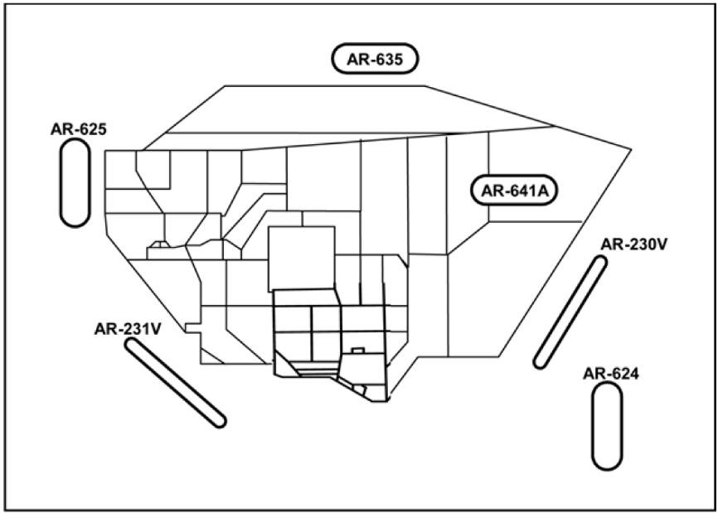
 |  |  |  |  |  |  |  |  |  |  |  |  |  |  | FYTTR | LSV 269/33 | 36°21.440' | 115°41.470' | VOR / DME |  |  |  |  |  |  |  |  |  |  |  |  | Target | 62-14 | Elev | 3465 |  | Target |  | 62-21 |  | Elev | 3475 | Centroid | 36°46.294' N | 115°26.150' W |  |  | Centroid |  | 36°46.351' N |  | 115°26.291' W |  | Target | 65-03 | Elev | 4253 |  | Target |  | 65-04 |  | Elev | 4564 | Target | 75-16 | ELEV | 5354 |  | Target |  |  |  | ELEV
 |  |  |  |  |  |  |  |  |  |  |  | 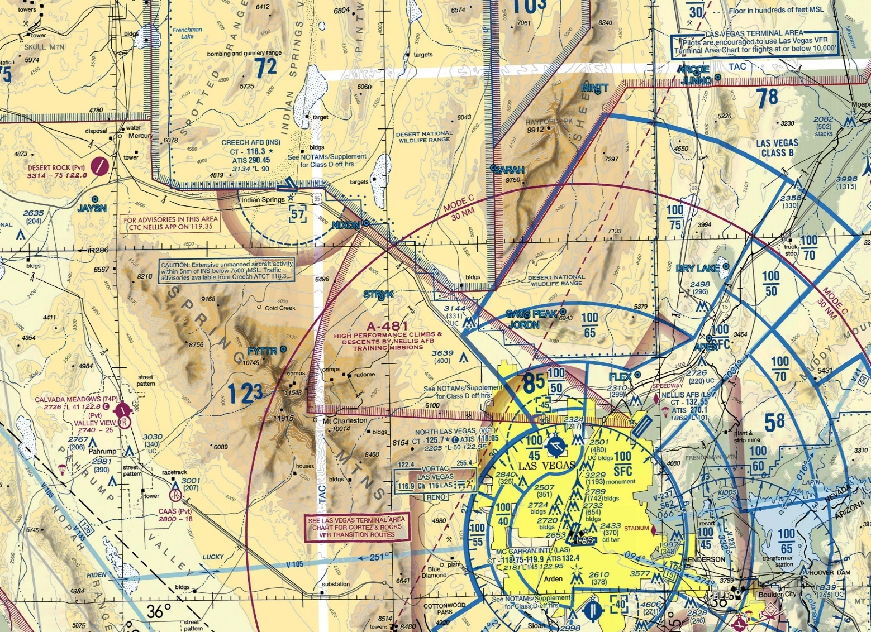 |  |  | GARTH | LSV 302/90 | 37°17.967' | 116°21.267' | Name | ID | FRQ |  |  |  |  |  |  |  |  |  |  | Summary | FRONT GATE SENTRY |  |  |  | Summary |  | NEW JACK CITY |  |  |  | Target | 62-93 | Elev | 3503 |  | Target |  | 62-99 |  | Elev | 3465 | Summary | MULTI VEHICLE TARGET |  |  |  | Summary |  | HVT CONVOY |  |  |  | Summary | HARDENED STORAGE SITE [SA-6] |  |  |  | Summary
 |  |  |  |  |  |  |  |  |  |  |  |  |  |  | GASS PEAK | LSV 308/12 | 36°24.133' | 115°10.667' | ST GEORGE | UTI | 108.6 |  |  |  |  |  |  |  |  |  |  | Centroid | 36°47.339' N | 115°26.956' W |  |  | Centroid |  | 36°47.221' N |  | 115°26.818' W |  | Summary | VEHICLE LOADING AREA |  |  |  | Summary |  | BOMB CIRCLE |  |  |  | Centroid | 36°42.589' N | 115°46.126' W |  |  | Centroid |  | 36°43.995' N |  | 115°45.090' W |  | Centroid | N 37°29.232' | W 116°37.054' |  |  | Centroid
 |  |  |  |  |  |  |  |  |  |  |  |  |  |  | JAYSN | BTY 098/37 | 36°34.425' | 116°02.444' | GRAND CANYON | GCN | 113.1 |  |  |  |  |  |  |  |  |  |  | Target | 62-22 | Elev | 3478 |  | Target |  | 62-31 |  | Elev | 3466 | Centroid | 36°46.561' N | 115°26.502' W |  |  | Centroid |  | 36°46.366' N |  | 115°27.226' W |  | Target | 65-05 | Elev | 4650 |  | Target |  | 65-06 |  | Elev | 4293
 |  |  |  |  |  |  |  |  |  |  |  |  |  |  | JORDN | LSV 281/14 | 36°23.870' | 115°14.590' | KINGMAN | IGM | 108.8 |  |  |  |  |  |  |  |  |  |  | Summary | INSURGENT VILLAGE |  |  |  | Summary |  | GLENN Q. MEMORIAL AIRFIELD |  |  |  | RANGE 63B |  |  |  |  |  |  |  |  |  |  | Summary | TERRORIST TRAINING CAMP |  |  |  | Summary |  | COMMAND NODE
 |  |  |  |  |  |  |  |  |  |  |  |  |  |  | JUNNO | BLD 344/44 | 36°43.800' | 114°52.767' | NDB |  |  |  |  |  |  |  |  |  |  |  |  | Centroid | 36°47.078' N | 115°26.810' W |  |  | Centroid |  | 36°47.150' N |  | 115°27.174' W |  | C&C | BLACKJACK | Freq |  | 377.800 |  | Tac Pri | 361.600 | Tac Sec |  | 274.875 | Centroid | 36°44.411' N | 115°44.791' W |  |  | Centroid |  | 36°43.666' N |  | 115°48.167' W
 |  |  |  |  |  |  |  |  |  |  |  |  |  |  | MINTT | LSV 340/29 | 36°42.733' | 115°06.283' | Name | ID | FRQ |  |  |  |  |  |  |  |  |  |  | Target | 62-32 | Elev | 3470 |  | Target |  | 62-41 |  | Elev | 3495 | Target | 63B | Elev | 3038 |  | Target |  | 63-01 |  | Elev | 33045 | Target | 65-07 | Elev | 2990 |  | Target |  | 65-08 |  | Elev | 4492
 |  |  |  |  |  |  |  |  |  |  |  |  |  |  | MT IRISH | TQQ 082/67 | 37°38.500' | 115°24.000' | COLORADO CITY | AZC | 403 |  |  |  |  |  |  |  |  |  |  | Summary | GLENN Q. MEMORIAL AIRFIELD |  |  |  | Summary |  | MEDICAL CLINICS |  |  |  | Summary | CONVENTIONAL RANGE |  |  |  | Summary |  | TANK STRAFE TARGET |  |  |  | Summary | MISSILE PLATOON |  |  |  | Summary |  | ARMORED CONVOY
 |  |  |  |  |  |  |  |  |  |  |  |  |  |  | NIXON | LSV 292/30 | 36°32.017' | 115°32.250' | MEGGI | EC | 217 |  |  |  |  |  |  |  |  |  |  | Centroid | 36°46.456' N | 115°27.060' W |  |  | Centroid |  | 36°46.706' N |  | 115°26.623' W |  | Centroid | 36°36.999' N | 115°30.200' W |  |  | Centroid |  | 36°35.552' N |  | 115°31.564' W |  | Centroid | 36°47.080' N | 115°46.029' W |  |  | Centroid |  | 36°47.310' N |  | 115°44.793' W
 |  |  |  |  |  |  |  |  |  |  |  |  |  |  | SARAH | LSV 314/26 | 36°36.450' | 115°18.033' | MERCURY | MCY | 326 |  |  |  |  |  |  |  |  |  |  | Target | 62-42 | Elev | 3508 |  | Target |  | 62-43 |  | Elev | 3475 | Target | 63-02 | Elev | 3043 |  | Target |  | 63-03 |  | Elev | 3034 | Target | 65-11 | Elev | 4064
 |  |  |  |  |  |  |  |  |  |  |  |  |  |  | STRYK | LSV 281/26 | 36°25.617' | 115°30.700' | AIRFIELDS |  |  |  |  |  |  |  |  |  |  |  |  | Summary | BELTWAY |  |  |  | Summary |  | HVTs EGRESSING THE AIRPORT |  |  |  | Summary | NORTH BOMB CIRCLE/TANK (NUCLEAR) |  |  |  | Summary |  | FOUR CONCRETE BUNKERS |  |  |  | Summary | ARTILLERY COMPANY
 |  |  |  |  |  |  |  |  |  |  |  |  |  |  | STUDENT GAP | LSV 347/82 | 37°36.733' | 114°57.900' | Name |  | TWR | ILS |  |  |  |  |  |  |  |  |  | Centroid | 36°46.607' N | 115°26.694' W |  |  | Centroid |  | 36°46.556' N |  | 115°26.965' W |  | Centroid | 36°35.932' N | 115°31.198' W |  |  | Centroid |  | 36°36.207' N |  | 115°30.076' W |  | Centroid | 36°41.792' N | 115°48.427' W
 |  |  |  |  |  |  |  |  |  |  |  |  |  |  | TUCKY | BTY 210/18 | 36°35.500' | 117°00.100' | CREECH AFB | 140.35 | 2 |  |  |  |  |  |  |  |  |  |  | Target | 62-44 | Elev | 3488 |  | Target |  | 62-45 |  | Elev | 3485 | Target | 63-05 | Elev | 3030 |  | Target |  | 63-10 |  | Elev | 3114 | RANGE 65D
 |  |  |  |  |  |  |  |  |  |  |  |  |  |  |  |  |  |  | GROOM AFB |  |  |  |  |  |  |  |  |  |  |  |  | Summary | SCUD MISSILE CONVOY |  |  |  | Summary |  | COMM BUILDING |  |  |  | Summary | RESUPPLY CONVOY |  |  |  | Summary |  | DU TARGET |  |  |  | C&C | BLACKJACK | Freq |  | 377.800 |  | Tac Pri | 225.450 | Tac Sec
 |  |  |  |  |  |  |  |  |  |  |  |  |  |  |  |  |  |  | HENDERSON AP |  |  |  |  |  |  |  |  |  |  |  |  | Centroid | 36°46.715' N | 115°26.752' W |  |  | Centroid |  | 36°46.789' N |  | 115°26.796' W |  | Centroid | 36°35.516' N | 115°30.088' W |  |  | Centroid |  | 36°39.770' N |  | 115°29.183' W |  | Target | 65-10 | Elev | 4271
 |  |  |  |  |  |  |  |  |  |  |  |  |  |  |  |  |  |  | LAUGHLIN AP |  |  |  |  |  |  |  |  |  |  |  |  | Target | 62-51 | Elev | 3487 |  | Target |  | 62-52 |  | Elev | 3486 | Target | 63-12 | Elev | 3053 |  | Target |  | 63-15 |  | Elev | 3038 | Summary | TERRORIST HIDE OUT
 |  |  |  |  |  |  |  |  |  |  |  |  |  |  |  |  |  |  | MCCARRAN |  |  |  |  |  |  |  |  |  |  |  |  | Summary | BROADWAY |  |  |  | Summary |  | FIRE DEPARTEMENT |  |  |  | Summary | SENSOR-FUZED WEAPON (SFW) TARGET |  |  |  | Summary |  | TANK STRAFE TARGET |  |  |  | Centroid | 36°41.854' N | 115°54.536' W
 |  |  |  |  |  |  |  |  |  |  |  |  |  |  |  |  |  |  | NELLIS AFB |  |  |  |  |  |  |  |  |  |  |  |  | Centroid | 36°47.025' N | 115°26.660' W |  |  | Centroid |  | 36°46.970' N |  | 115°26.709' W |  | Centroid | 36°36.842' N | 115°31.393' W |  |  | Centroid |  | 36°33.264' N |  | 115°29.878' W |  | RANGE 74C
 |  |  |  |  |  |  |  |  |  |  |  |  |  |  |  |  |  |  | NLV AP |  |  |  |  |  |  |  |  |  |  |  |  | Target | 62-53 | Elev | 3489 |  | Target |  | 62-54 |  | Elev | 3491 | RANGE 64A |  |  |  |  |  |  |  |  |  |  | C&C | BLACKJACK | Freq |  | 377.800 |  | Tac Pri | 228.000 | Tac Sec |  | 228.225
 |  |  |  |  |  |  |  |  |  |  |  |  |  |  |  |  |  |  | TONOPAH AP |  |  |  |  |  |  |  |  |  |  |  |  | Summary | APARTMENT ALLEY |  |  |  | Summary |  | MOSQUE |  |  |  | C&C | BLACKJACK | Freq |  | 288.800 |  | Tac Pri | 341.925 | Tac Sec |  | 268.000 | Target | 74-01 (ACTIVE) | ELEV | 5307 |  | Target |  | 74-03 |  | ELEV | 6501
 |  |  |  |  |  |  |  |  |  |  |  |  |  |  |  |  |  |  |  |  |  |  |  |  |  |  |  |  |  |  |  | Centroid | 36°46.834'N | 115°26.702' W |  |  | Centroid |  | 36°46.877' N |  | 115°26.662' W |  | Target | 64-10 | Elev | 3370 |  | Target |  | 64-11 |  | Elev | 3487 | Summary | INSURGENT VILLAGE [SA-9, SA-18] |  |  |  | Summary |  | INSURGENT OBSERVATION POST
ATIS |  |  |  |  |  |  |  |  |  |  |  |  |  |  |  |  |  |  |  |  |  |  |  |  |  |  |  |  |  |  |  | Target | 62-55 | Elev | 3493 |  | Target |  | 62-56 |  | Elev | 3486 | Summary | TANK PLATOON |  |  |  | Summary |  | ARMOURED VEHICLES |  |  |  | Centroid | N 37°29.297' | W 116°13.696' |  |  | Centroid |  | N 37°32.067' |  | W 116°06.850'
ATIS | NELLIS |  | 270.100 |  | 11 | 12X |  | - |  |  |  |  |  |  |  |  |  |  |  |  |  |  |  |  |  |  |  |  |  |  |  | Summary | PARLIAMENT |  |  |  | Summary |  | HVT MEETING |  |  |  | Centroid | 36°54.180' N | 115°36.857' W |  |  | Centroid |  | 36°55.148' N |  | 115°36.943' W |  | Target | 74-04 | ELEV | 5414 |  | Target |  | 74-06 (ACTIVE) |  | ELEV | 5389
ATIS | CREECH |  | 290.450 |  | - | 87X |  | - |  |  |  |  |  |  |  |  |  |  |  |  |  |  |  |  |  |  |  |  |  |  |  | Centroid | 36°46.926' N | 115°26.610' W |  |  | Centroid |  | 36°46.862' N |  | 115°26.760' W |  | Target | 64-12 | Elev | 3478 |  | Target |  |  |  |  |  | Summary | LISTENING POST |  |  |  | Summary |  | SCUD CONVOY [SA-19, SA-18]
ATIS | GROOM LAKE |  | 123.500 |  | - | 18X |  | - |  |  |  |  |  |  |  |  |  |  |  |  |  |  |  |  |  |  |  |  |  |  |  |  |  |  |  |  |  |  |  |  |  |  | Summary | JDAM GRID |  |  |  | Summary |  |  |  |  |  | Centroid | N 37°24.404' | W 116°14.053' |  |  | Centroid |  | N 37°30.710' |  | W 116°15.241'
ATIS | TONOPAH TEST |  | 113.000 |  | - | 77X |  | - |  |  |  |  |  |  |  |  |  |  |  |  |  |  |  |  |  |  |  |  |  |  |  |  |  |  |  |  |  |  |  |  |  |  | Centroid | 36°55.079' N | 115°38.267' W |  |  | Centroid

OBJECTS
HOLD RIGHT TURNS | WAYPOINT | SECTION 1 | Z - DIVE

HOLD LEFT TURNS | IP | SECTION 2 | Z - POP

ROUTE LINE | TARGET | SECTION 3

 | TEXT BOX | SECTION 4

TEXT

