MISSION CARDS VMA
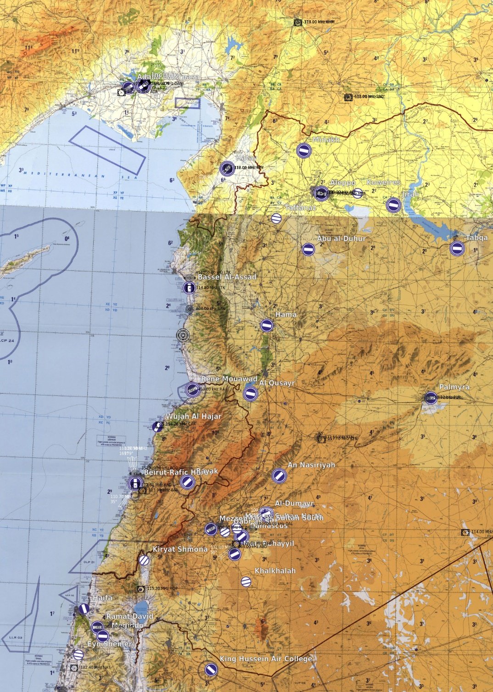
FUN MAP |  |  |  | MISSION DATA CARD |  |  |  |  |  | SYRIA |  |  |  | FUN MAP | MISSION DATA CARD | SYRIA | FUN MAP |  | MISSION DATA CARD |  |  |  |  | SYRIA
SUPPORT |  |  |  |  |  |  |  |  |  |  |  |  |  | NAVIGATION |  |  | RANGE DATA
Agency | Callsign |  | Freq |  | TCN |  | Task |  | Notes |  |  |  |  |  |  |  | CLASS A RANGE YG44
TANKER | TEXACO 1-1 |  | 317.650 |  | 31Y |  | AAR |  | HI AR-5950 / FL240 / KC135 |  |  |  |  |  |  |  | C&C | RANGE | Freq |  | 250.000 |  | Tac Pri | 250.250 | Tac Sec
TANKER | SHELL 1-1 |  | 317.775 |  | 115Y |  | AAR |  | MID AR-5950 / FL200 / KC135MPRS |  |  |  |  |  |  |  | Target | YG44 | Elev | 344 |  | Target |  | YG44-01 |  | Elev | 322
TANKER | ARCO 1-1 |  | 276.100 |  | 35Y |  | AAR |  | LO AR-5950 / FL160 / KC130 |  |  |  |  |  |  |  | Summary | CONVENTIONAL RANGE |  |  |  | Summary |  | BOMB CIRCLE
 |  |  |  |  |  |  |  |  |  |  |  |  |  |  |  |  | Centroid | 37°24.367' N | 35°43.471' E |  |  | Centroid |  | 37°24.263' N |  | 35°44.112' E
 |  |  |  |  |  |  |  |  |  |  |  |  |  |  |  |  | Target | YG44-02 | Elev | 381 |  | Target |  | YG44-03 |  | Elev | 407
AWACS | DARKSTAR 1-1 |  | 344.025 |  |  |  | GCI |  | GCI NORTH |  |  |  |  |  |  |  | Summary | BOMB CIRCLE |  |  |  | Summary |  | TANK
AIRFIELDS |  |  |  |  |  |  |  |  |  | TACAN/VORTAC |  |  |  |  |  |  | Centroid | 37°24.755' N | 35°43.42' E |  |  | Centroid |  | 37°25.156' N |  | 35°43.27' E
NAME |  | DD°MM.MMM' N |  |  |  | DDD°MM.MMM' E |  |  |  | Name | ID | CH | FRQ |  |  |  | Target | YG44-04 | Elev | 397 |  | Target |  | YG44-05 |  | Elev | 335
INCIRLIK AB (LTAG) |  | N36°59.93' |  |  |  | E035°25.98' |  |  |  | ADANA AB | DAN | 21X | 108.4 |  |  |  | Summary | TANK |  |  |  | Summary |  | TANK
 | UHF/VHF |  | T/V | FRQ/CH |  | RWY |  | ILS |  |  |  |  |  |  |  |  | Centroid | 37°25.217' N | 35°43.164' E |  |  | Centroid |  | 37°24.742' N |  | 35°44.276' E
GND | 313.600 / 123.025 |  | DAN | 21X |  | 05 |  | 109.30 |  |  |  |  |  |  |  |  | Target | YG44-06 | Elev | 322 |  | Target |  | YG44-07 |  | Elev | 344
TWR | 250.200 / 129.400 |  | NOTES |  |  | 23 |  | 111.70 |  |  |  |  |  |  |  |  | Summary | TANK |  |  |  | Summary |  | CONVOY SOFT
APP/DEP | 296.750 / 128.000 |  | 23/05 10000ft |  |  |  |  |  |  | VOR - DME |  |  |  |  |  |  | Centroid | 37°24.610' N | 35°44.352' E |  |  | Centroid |  | 37°24.484' N |  | 35°43.596' E
ATIS | 129.750 |  |  |  |  |  |  |  |  | Name | ID | FRQ
NAME |  | DD°MM.MMM' N |  |  |  | DDD°MM.MMM' E |  |  |  | ADANA | ADA | 112.70
ADANA INT (LTAF) |  | N36°58.93' |  |  |  | E035°16.82' |  |  |  | KAHRAMANMARAS | KHM | 113.90
 | UHF/VHF |  | T/V | FRQ/CH |  | RWY |  | ILS |  | GAZIANTEP | GAZ | 116.70
GND | 129.100 |  | ADA | 112.70 |  | 05 |  | 108.70 |  | HATAY | HTY | 112.05
TWR | 250.950 / 121.100 |  | NOTES |  |  | 23 |  | - |  | ALEPPO | ALE | 114.50
APP/DEP | 126.500 |  | 23/05 9022ft |  |  |  |  |  |  | LATAKIA | LTK | 114.80
ATIS | 119.220 |  |  |  |  |  |  |  |  | DIER ZZOR | DRZ | 117.00
NAME |  | DD°MM.MMM' N |  |  |  | DDD°MM.MMM' E |  |  |  | CHEKKA | CAK | 116.20
HATAY (LTDA) |  | N36°22.33' |  |  |  | E36°17.92' |  |  |  | KARIATAIN | KTN | 117.70
 | UHF/VHF |  | T/V | FRQ/CH |  | RWY |  | ILS |  | KHALDEH | KAD | 112.60
GND | - |  | HTY | 112.05 |  | 04 |  | 108.90 |  | BEIRUT | BAR | 113.90
TWR | 250.150 / 128.500 |  | NOTES |  |  | 22 |  | 108.15 |  | DAMASCUS | DAM | 116.00
APP/DEP | 128.520 |  | 04/23 9843ft |  |  |  |  |  |  | ROSH-PINA | ROP | 115.30
ATIS | - |  |  |  |  |  |  |  |  | NATANIA | NAT | 112.40
NAME |  | DD°MM.MMM' N |  |  |  | DDD°MM.MMM' E
BEIRUT INT (OLBA) |  | N33°49.14' |  |  |  | E35°29.40'
 | UHF/VHF |  | T/V | FRQ/CH |  | RWY |  | ILS |  | NDB
GND | 121.900 |  | KAD | 112.60 |  | 03 |  | 110.70 |  | Name | ID | FRQ
TWR | 251.450 / 118.900 |  | NOTES |  |  | 16 |  | 109.50 |  | ADANA | ADA | 395.0
APP/DEP | 120.300 |  | 03/21 12467ft 17/35 10633 |  |  | 17 |  | 110.10 |  | KAHRAMANMARAS | KHM | 374.0
ATIS | - |  |  |  |  |  |  |  |  | HATAY | HTY | 336.0
NAME |  | DD°MM.MMM' N |  |  |  | DDD°MM.MMM' E |  |  |  | LATAKIA | LTK | 414.0
RAMAT DAVID AB (LLRD) |  | N32°39.96' |  |  |  | E035°10.64' |  |  |  | BANIAS LT | BAN | 304.0
 | UHF/VHF |  | T/V | FRQ/CH |  | RWY |  | ILS |  | DIER ZZOR | DRZ | 295.0
GND | - |  | - | - |  |  |  |  |  | RENE MOUAWAD | RA | 450.0
TWR | 251.000 / 118.600 |  | NOTES |  |  |  |  |  |  | PALMYRA | PLR | 363.0
APP/DEP | - |  | 09/27 8501ft 11/29 7973ft |  |  |  |  |  |  | PALMYRA | PAR | 337.0
ATIS | - |  |  |  |  |  |  |  |  | KARIATAIN | KTN | 372.5
NAME |  | DD°MM.MMM' N |  |  |  | DDD°MM.MMM' E |  |  |  | BEIRUT LT | BOD | 351.0
 |  |  |  |  |  |  |  |  |  | TANF | TAN | 114.0
 | UHF/VHF |  | T/V | FRQ/CH |  | RWY |  | ILS |  | MEZZE | MEZ | 358.0
GND |  |  |  |  |  |  |  |  |  | DAMASCUS | DAL | 342.0
TWR |  |  | NOTES |  |  |  |  |  |  | ABAYAD | ABD | 264.0
APP/DEP |  |  |  |  |  |  |  |  |  | RAMAT DAVID | RMD | 368.0
ATIS

 |  |  |  |  |  | n

