MISSION CARDS VMA
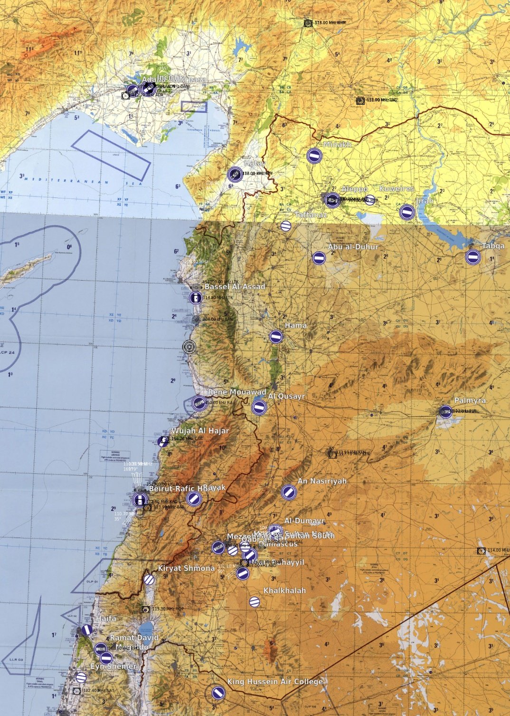
FUN MAP |  |  | MISSION DATA CARD |  |  |  | SYRIA | FUN MAP | MISSION DATA CARD | SYRIA | FUN MAP |  |  |  | MISSION DATA CARD |  |  | SYRIA
SUPPORT |  |  |  |  |  |  |  | NAVIGATION |  |  | VORTAC |  |  |  | VOR - DME |  |  | NDB |  |  | NAVIGATION POINTS
Agency | Callsign | Freq |  | TCN | Task | Notes |  |  |  |  | Name | ID | CH | FRQ | Name | ID | FRQ | Name | ID | FRQ | Nav Point | TCN/CRS | DD°MM.MMM' N | DDD°MM.MMM' W
TANKER | TEXACO 1-1 | 317.650 |  | 31Y | AAR | HI AR-5950 / FL240 / KC135 |  |  |  |  | ADANA AB | DAN | 21X | 108.4 | ADANA | ADA | 112.70 | ADANA | ADA | 395.0 | EAGLE | DAN 210/09 | 36°21.583' | 114°54.333'
TANKER | SHELL 1-1 | 317.775 |  | 115Y | AAR | MID AR-5950 / FL200 / KC135MPRS |  |  |  |  |  |  |  |  | KAHRAMANMARAS | KHM | 113.90 | KAHRAMANMARAS | KHM | 374.0 | TIGER | DAN 038/12
TANKER | ARCO 1-1 | 276.100 |  | 35Y | AAR | LO AR-5950 / FL160 / KC130 |  |  |  |  |  |  |  |  | GAZIANTEP | GAZ | 116.70 | HATAY | HTY | 336.0 | FALCON | DAN 072/12
 |  |  |  |  |  |  |  |  |  |  |  |  |  |  | HATAY | HTY | 112.05 | LATAKIA | LTK | 414.0
 |  |  |  |  |  |  |  |  |  |  |  |  |  |  | ALEPPO | ALE | 114.50 | BANIAS LT | BAN | 304.0
 |  |  |  |  |  |  |  |  |  |  |  |  |  |  | LATAKIA | LTK | 114.80 | DIER ZZOR | DRZ | 295.0
 |  |  |  |  |  |  |  |  |  |  |  |  |  |  | DIER ZZOR | DRZ | 117.00 | RENE MOUAWAD | RA | 450.0
 |  |  |  |  |  |  |  |  |  |  |  |  |  |  | CHEKKA | CAK | 116.20 | PALMYRA | PLR | 363.0
 |  |  |  |  |  |  |  |  |  |  | TACAN |  |  |  | KARIATAIN | KTN | 117.70 | PALMYRA | PAR | 337.0
TANKER TRACKS |  |  |  |  |  |  |  |  |  |  | Name | ID | CH |  | KHALDEH | KAD | 112.60 | KARIATAIN | KTN | 372.5
 |  |  |  |  |  |  |  |  |  |  |  |  |  |  | BEIRUT | BAR | 113.90 | BEIRUT LT | BOD | 351.0
 |  |  |  |  |  |  |  |  |  |  |  |  |  |  | DAMASCUS | DAM | 116.00 | TANF | TAN | 114.0
 |  |  |  |  |  |  |  |  |  |  |  |  |  |  | ROSH-PINA | ROP | 115.30 | MEZZE | MEZ | 358.0
 |  |  |  |  |  |  |  |  |  |  |  |  |  |  | NATANIA | NAT | 112.40 | DAMASCUS | DAL | 342.0
 |  |  |  |  |  |  |  |  |  |  |  |  |  |  |  |  |  | ABAYAD | ABD | 264.0
 |  |  |  |  |  |  |  |  |  |  |  |  |  |  |  |  |  | RAMAT DAVID | RMD | 368.0

OBJECTS
HOLD RIGHT TURNS | WAYPOINT | SECTION 1 | Z - DIVE

HOLD LEFT TURNS | IP | SECTION 2 | Z - POP

ROUTE LINE | TARGET | SECTION 3

 | TEXT BOX | SECTION 4

TEXT

