MISSION CARDS
PRETENSE |  |  |  | MISSION DATA CARD |  |  |  |  |  | SYRIA
UHF FIXED NETS
Preset | UHF | Agency |  |  |  |  | Preset |  | UHF |  | Agency
1 | - | SQUADRON COMMON |  |  |  |  | 11 |  | 344.025 |  | FAD 1
2 | 308.475 | CV TWR |  |  |  |  | 12 |  | 367.575 |  | FAD 2
3 | 285.675 | MAR/APP/DEP |  |  |  |  | 13 |  | 302.325 |  | TAD 1
4 | 251.000 | CTAF TWR |  |  |  |  | 14 |  | 280.125 |  | AMC 1
5 | 251.500 | CTAF GND |  |  |  |  | 15 |  | 360.025 |  | AMC 2
6 | 250.000 | RANGE CTRL |  |  |  |  | 16 |  | 357.775 |  | SMC 1
7 | 317.775 | TKR1 (TEX) |  |  |  |  | 17 |  | 228.850 |  | SMC 2
8 | 276.100 | TKR2 (ARC) |  |  |  |  | 18 |  | 238.175 |  | SCAR 1
9 | 282.025 | TAOC |  |  |  |  | 19 |  | 266.375 |  | SCAR 2
10 | 294.700 | DASC |  |  |  |  | 20 |  | 261.875 |  | SAR
SUPPORT
Agency | Callsign |  | Freq |  | Btn | TCN |  | Task |  | Notes
TKR | ARCO 1-1 |  | 276.500 |  | - | 36Y |  | AAR |  | ARWB / FL240 / KC135
TKR | SHELL 1-1 |  | 317.500 |  | - | 115Y |  | AAR |  | ARWB / FL220 / KC135MPRS
TKR | ARCO 2-1 |  | 276.100 |  | 8 | 105Y |  | AAR |  | ARXE / FL240 / KC135
TKR | SHELL 2-1 |  | 317.600 |  | - | 106Y |  | AAR |  | ARXE / FL220 / KC135MPRS
TKR | TEXACO 6-1 |  | 317.775 |  | 7 | 38Y |  | AAR |  | CV72 HAWK / FL060 / S3B

CV72 | TWR/PAD |  | AI 274.075 |  | 1 | 72X |  | CVN |  | ICLS 2 / L4 372.0 / BRC 280

AWACS | MAGIC 1-1 |  | 367.575 |  | 12 | - |  | FAD2 |  | BULLS 147/195/30000
TANKER TRACKS
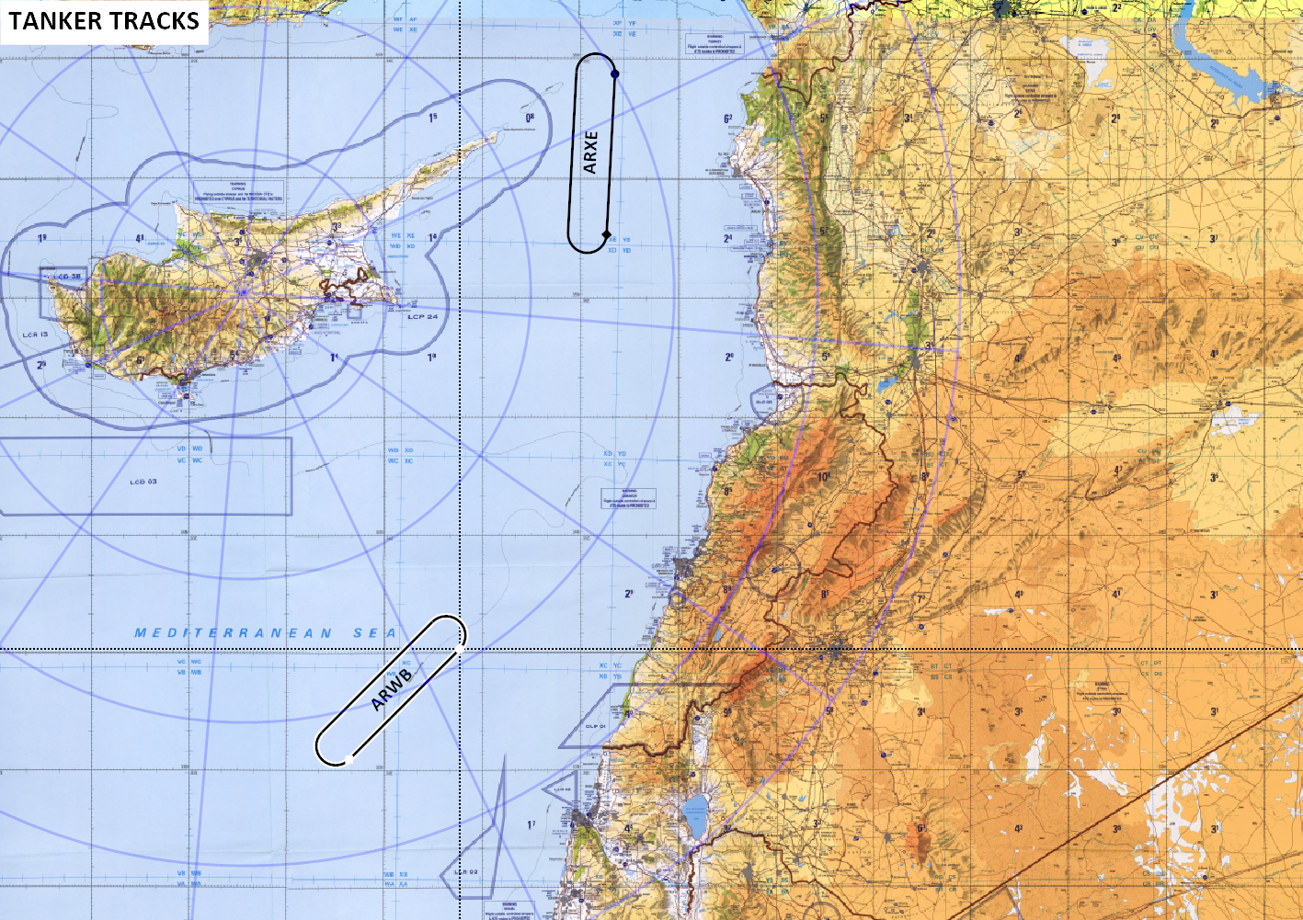

ATIS
ATIS | RAMAT DAVID |  | 122.700 |  | 31 | 84X |  | - |  | ILS 111.10Mhz / 320°
ATIS | AKROTIRI |  | 125.000 |  |  |  |  |  |  | ILS 108.7

