Fig 17
Dependent Bachelor's
 | No debt | $1-$9,999 | $10,000-$19,999 | $20,000-$29,999 | $30,000-$39,999 | $40,000-$49,999 | $50,000 or More
For-Profit (2%) | 0.130312 | 0.054708 | 0.099117 | 0.236266 | 0.217467 | 0.121221 | 0.140909
Private Nonprofit (32%) | 0.278686 | 0.078494 | 0.128185 | 0.230264 | 0.11767 | 0.071169 | 0.095532
Public (66%) | 0.340952 | 0.118315 | 0.149402 | 0.208483 | 0.107738 | 0.035194 | 0.039916
Figure 17. Distribution of 2015-16 Advanced Degree Recipients by Cumulative Amounts Borrowed for Graduate Study
Master's Degrees | No Debt | $1 to $24,999 | $25,000 to $49,999 | $50,000 to $74,999 | $75,000 to $99,999 | $100,000 or More
For-Profit (10%) | 21% | 20% | 31% | 13% | 7% | 8%
Private Nonprofit (43%) | 38% | 18% | 19% | 14% | 5% | 6%
Public (47%) | 42% | 24% | 19% | 10% | 2% | 3%

All | 38% | 21% | 20% | 12% | 4% | 5%

Doctoral Degrees | No Debt | $1 to $49,999 | $50,000 to $99,999 | $100,000 to $149,999 | $150,000 or More
For-Profit (16%) | 15% | 13% | 21% | 38% | 13%
Private Nonprofit (32%) | 35% | 30% | 18% | 11% | 6%
Public (52%) | 55% | 19% | 14% | 6% | 6%

All | 42% | 21% | 16% | 13% | 7%

Professional Degrees | No Debt | $1 to $49,999 | $50,000 to $99,999 | $100,000 to $149,999 | $150,000 to $199,999 | 200,000 or More
For-Profit (4%) | 7% | 12% | 13% | 18% | 22% | 28%
Private Nonprofit (53%) | 24% | 10% | 11% | 10% | 17% | 28%
Public (42%) | 20% | 17% | 20% | 23% | 10% | 9%

All | 21% | 13% | 15% | 16% | 14% | 20%

NOTES: Includes all loans borrowed for graduate study. Percentages on the vertical axis represent shares of graduates from each sector. Percentages may not sum to 100 because of rounding.

SOURCES: NCES, National Postsecondary Student Aid Study (NPSAS), 2016; calculations by the authors.

This table was prepared in October 2018.

Fig 20A
32%
Figure 20A. Undergraduate Enrollment and Percentage of Undergraduate Students Receiving Pell Grants, 2007-08 to 2017-18
 | Pell Recipients | 12-Month Undergraduate Headcount Enrollment | 12-month Undergraduate Headcount Enrollment | Percent Pell
07-08 | 5.5 | 16.3 | 21.9 | 25%
08-09 | 6.2 | 17.1 | 23.2 | 26%
09-10 | 8.1 | 16.5 | 24.6 | 33%
10-11 | 9.3 | 15.9 | 25.2 | 37%
11-12 | 9.4 | 15.3 | 24.7 | 38%
12-13 | 9.0 | 15.1 | 24.1 | 37%
13-14 | 8.7 | 15.0 | 23.6 | 37%
14-15 | 8.3 | 14.8 | 23.2 | 36%
15-16 | 7.7 | 15.1 | 22.7 | 34%
16-17 | 7.2 | 15.3 | 22.4 | 32%
17-18 | 7.0 | 15.1 | 22.2 | 32%

NOTES: IPEDS headcount enrollment are adjusted for the difference between total headcount, which counts students more than once if they are enrolled in more than one institution at the same time, and unduplicated headcount reported by the National Student Clearinghouse (NSC). Twelve-month undergraduate headcount for 2017-18 is estimated from NSC data.
SOURCES: NCES, Postsecondary Institutions and Cost of Attendance in 2017-18, Degrees and Other Awards Conferred, 2016-17, and 12-Month Enrollment, 2016-17: First Look (Preliminary Data) and earlier editions; National Student Clearinghouse, Current Term Enrollment Estimates: Spring 2018; U.S. Department of Education, Federal Pell Grant Program End-of-Year Report 2016-17; U.S. Department of Education, Federal Student Aid Data Center, Title IV Program Volume Reports and Aid Recipients Summary; calculations by the authors.

This table was prepared in October 2018.

Fig 26A
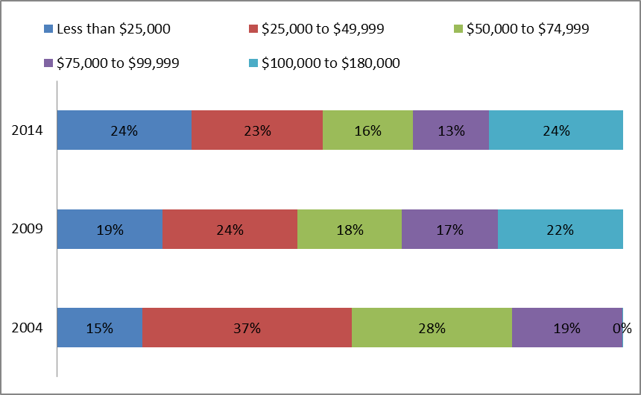
Figure 26A. Distribution of Education Tax Credits by Adjusted Gross Income, 2006, 2011, and 2016
 | 2006 (Averge=$1,100) | 2011 (Average=$1,500) | 2016 (Average=$1,500)
Less than $25,000 | 14% | 27% | 22%
$25,000 to $49,999 | 34% | 25% | 24%
$50,000 to $74,999 | 26% | 16% | 16%
$75,000 to $99,999 | 25% | 13% | 14%
$100,000 to $180,000 | 1% | 19% | 24%

NOTES: The total and average values of tax credits and deductions are best estimates based on data from the Internal Revenue Service. A portion of nonrefundable dollars claimed on nontaxable returns is excluded to account for credits and deductions that do not reduce tax liability. The value of tax deductions is estimated based on applicable marginal tax rates. Percentages may not sum to 100 because of rounding.
SOURCES: Internal Revenue Service, Statistics of Income 1998 to 2016, Tables 1.3, 1.4, 3.3; calculations by the authors

This table was prepared in October 2018.

