FireTIRS PCB Top BOM
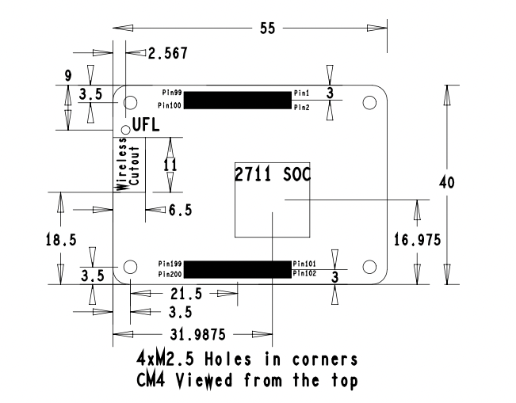
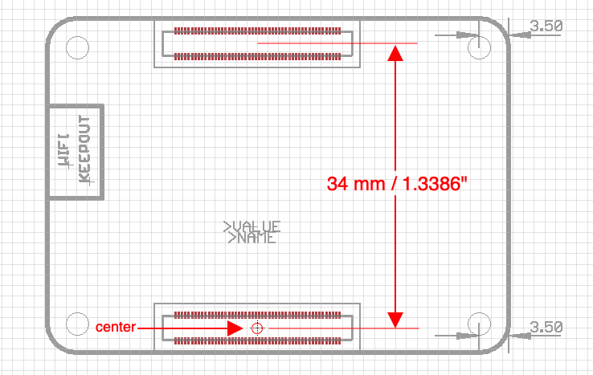
FireTIRS PCB Top Rev 2 BOM
Line No | Qty | Ref Desg | Part Number | Manuf | Package/Type | Desc | Distributor Part Number | Notes | Qty used on Bottom
1 | 1 | BATT1 | 3001 | Keystone Electronics | TH | Coin Cell Battery Holders TH COIN CELL BATTERY HOLDER 12mm | Mouser 534-3001 | May substitute with equal or better
2 | 2 | C1, C2 | C0805C104M5RACTU | KEMET | SMT/0805 | Multilayer Ceramic Capacitors MLCC - SMD/SMT 50V 0.1uF X7R 0805 20% | Mouser 80-C0805C104M5R | May substitute with equal or better
3 | 51 | C19, C21, C22, C23, C24, C27, C29, C32, C35, C36, C37, C38, C39, C40, C41, C42, C43, C44, C48, C55, C59, C60, C61, C65, C66, C67, C68, C69, C70, C71, C72, C73, C74, C75, C76, C77, C78, C79, C80, C81, C82, C83, C84, C85, C86, C87, C88, C94, C95, C96, C97 | CL10B104KO8NNWC | Samsung Electro-Mechanics | SMT/0603 | Multilayer Ceramic Capacitors MLCC - SMD/SMT 100nF+/-10% 16V X7R 0603 | Mouser 187-CL10B104KO8NNWC | May substitute with equal or better | 14
4 | 2 | C3, C4 | EMZS350ARA471MHA0G | Chemi-Con | SMT | Aluminum Electrolytic Capacitors - SMD 470uF 35V 20% AEC-Q200 | Mouser 661-EMZS350ARA471MHA | May substitute with equal or better
5 | 4 | C5, C6, C9, C10 | GRM21BR6YA106KE43L | Murata | SMT/0805 | Multilayer Ceramic Capacitors MLCC - SMD/SMT 10 uF 35 VDC 10% 0805 X5R | Mouser 81-GRM21BR6YA106KE3L | May substitute with equal or better
6 | 8 | C14, C15, C17, C18, C26, C28, C30, C33 | GRM188R60J106KE47J | Murata | SMT/0603 | Multilayer Ceramic Capacitors MLCC - SMD/SMT 10 uF 6.3 VDC 10% 0603 X5R | Mouser 81-GRM188R60J106KE7J | May substitute with equal or better | 1
7 | 5 | C7, C8, C11, C12, C13 | CL21A476MQYNNNG | Samsung Electro-Mechanics | SMT/0805 | Multilayer Ceramic Capacitors MLCC - SMD/SMT 47uF+/-20% 6.3V X5R 0805 | Mouser 187-CL21A476MQYNNNG | May substitute with equal or better
8 | 3 | C16, C20, C25 | AHA0608121M016R | KYOCERA AVX | SMT | Aluminum Electrolytic Capacitors - SMD 120UF 16V ESR=40 | Mouser 581-AHA0608121M016R | May substitute with equal or better
9 | 2 | C31, C34 | C0603C103K9RACTU | KEMET | SMT/0603 | Multilayer Ceramic Capacitors MLCC - SMD/SMT 6.3V 0.01uF X7R 0603 10% | Mouser 80-C0603C103K9R | May substitute with equal or better
10 | 2 | C62, C63 | CC0603JRNPO8BN330 | YAGEO | SMT/0603 | Multilayer Ceramic Capacitors MLCC - SMD/SMT 25 V 33 pF C0G 0603 5% | Mouser 603-CC603JRNPO8BN330 | May substitute with equal or better
11 | 1 | C64 |  |  |  |  |  | Do not populate
12 | 2 | CM | DF40HC(3.0)-100DS-0.4V(51) | Hirose Connector | SMT | Board to Board & Mezzanine Connectors 100P 2R 3MM RECPT SMT VERT 0.4MM PITCH | Mouser 798-DF40HC30100DS451 | See Note Below
13 | 1 | CON1 | XT60PW-M | AMASS | TH | Socket; DC supply; XT60; male; PIN: 2; on PCBs; THT; yellow; 30A; 500V | TME XT60PW-M
14 | 1 | CON2 | UE27-AC54-100 | Amphenol | TH | USB Connectors 4P R/A PCB Recpt | Mouser 523-UE27-AC54-100 | May substitute with equal or better
15 | 1 | CON3 | 10029449-111RLF | Amphenol | SMT with TH pegs | HDMI, Displayport & DVI Connectors HDMI REC TYPE A RA SMT | Mouser 649-10029449-111RLF | May substitute with equal or better
16 | 1 | CON4 | 1-1734248-5 | TE Connectivity | SMT | FFC & FPC Connectors 15P 1.0 FPC, Zip V/T SMT | Mouser 571-1-1734248-5 | May substitute with equal or better
17 | 1 | CON5 | SM04B-SRSS-TB | JST Sales America Inc. | SMT | CONN HEADER SMD R/A 4POS 1MM | Digi-Key 455-SM04B-SRSS-TBCT-ND | May substitute with equal or better. Alternate Mouser 474-PRT-14417
18 | 1 | CON6 | 47053-1000 | Molex | TH | Headers & Wire Housings 4P VERT HDR W/FL | Mouser 538-47053-1000 | May substitute with equal or better
19 | 1 | CON7 | B2B-PH-K-S | JST Sales America Inc. | TH | CONN HEADER VERT 2POS 2MM | Digi-Key 455-1704-ND | May substitute with equal or better
20 | 1 | D1 | SMBJ24CD-M3/H | Vishay | SMT/SMB | ESD Suppressors / TVS Diodes 24V 600W Bidir TransZorb 3.5% Tol | Mouser 78-SMBJ24CD-M3/H | May substitute with equal or better
21 | 1 | D2 | MMSZ4699T1G | Onsemi | SMT/SOD123 | Zener Diodes 12V 500mW | Mouser 63-MMSZ4699T1G | May substitute with equal or better
22 | 2 | D3, D4 | BAT54C_R1_00001 | Panjit | SMT/SOT23 | Schottky Diodes & Rectifiers 30V,Schottky,SOT-23,0.2A | Mouser 241-BAT54C_R1_00001 | May substitute with equal or better
23 | 2 | F1 | FC -203 bright tin | Bel | TH | Fuse Clips | Mouser 530-FC-203BRIGHTTIN | Note 2 parts used for F1 silkscreen
24 | 1 | J1 |  |  |  |  |  | Do not populate
25 | 1 | J2 |  |  |  |  |  | Do not populate
26 | 1 | J3 |  |  |  |  |  | Do not populate
27 | 3 | L1, L2, L3 | MFBM1V1608-101-R | Eaton | SMT/0603 | Ferrite Beads 0 OHM @ 100MHZ 6A | Mouser 704-MFBM1V1608-101-R | May substitute with equal or better
28 | 3 | LED1, LED2, LED3 | 150060VS55040 | Wurth Elektronik | SMT/0603 | Standard LEDs - SMD WL-SMCD SMD MonoChip 0603 BrtGrn 575nm | Mouser 710-150060VS55040
29 | 2 | LED4, LED5 | 150060YS55040 | Wurth Elektronik | SMT/0603 | Standard LEDs - SMD WL-SMCD SMD MonoChip 0603 Yllw 591nm | Mouser 710-150060YS55040
30 | 6 | M1, M2, M3, M4, M5, M6 | 54102-0164 | Molex | SMT | Board to Board & Mezzanine Connectors 0.5 BtB Rec Hsg Assy ssy 16Ckt EmbsTp | Mouser 538-54102-0164 | May substitute with equal or better
31 | 2 | PS1, PS2 | RPX-4.0-R | RECOM | SMT | Non-Isolated DC/DC Converters 2W 3.8-36Vin 5Vout 4A Tape | Mouser 919-RPX-4.0-R
32 | 1 | Q1 | SI4447ADY-T1-GE3 | Vishay | SMT/SOIC8 | MOSFET -40V Vds 20V Vgs SO-8 | Mouser 78-SI4447ADY-T1-GE3 | May substitute with equal or better
33 | 10 | R1, R3, R6, R8, R13, R14, R17, R21, R25, R26 | RC0603FR-0710KL | YAGEO | SMT/0603 | Thick Film Resistors - SMD 10 kOhms 100mW 0603 1% | Mouser 603-RC0603FR-0710KL | May substitute with equal or better
34 | 1 | R2 | RC0603FR-072K37L | YAGEO | SMT/0603 | Thick Film Resistors - SMD 2.37 kOhms 100mW 0603 1% | Mouser 603-RC0603FR-072K37L | May substitute with equal or better
35 | 2 | R4, R10 | RC0603FR-132K2L | YAGEO | SMT/0603 | Thick Film Resistors - SMD 2.2 kOhms 100-200 mW 0603 1% | Mouser 603-RC0603FR-132K2L | May substitute with equal or better | 2
36 | 1 | R5 | RC0603FR-134K3L | YAGEO | SMT/0603 | Thick Film Resistors - SMD 4.3kOhms 1/10W 0603 1% | Mouser 603-RC0603FR-134K3L | May substitute with equal or better
37 | 12 | R7, R18, R19, R27, R28, R29, R30, R31, R32, R33, R34, R35 | RC0603FR-071KL | YAGEO | SMT/0603 | Thick Film Resistors - SMD 1 kOhms 100mW 0603 1% | Mouser 603-RC0603FR-071KL | May substitute with equal or better
38 | 1 | R9 | RC0603FR-0724K9L | YAGEO | SMT/0603 | Thick Film Resistors - SMD 24.9 kOhms 100mW 0603 1% | Mouser 603-RC0603FR-0724K9L | May substitute with equal or better
39 | 2 | R15, R16 | RC0603FR-074K7L | YAGEO | SMT/0603 | Thick Film Resistors - SMD 4.7 kOhms 100mW 0603 1% | Mouser 603-RC0603FR-074K7L | May substitute with equal or better
40 | 3 | R20, R23, R24 | RC0603FR-133KL | YAGEO | SMT/0603 | Thick Film Resistors - SMD 3 kOhms 100-200 mW 0603 1% | Mouser 603-RC0603FR-133KL | May substitute with equal or better
41 | 1 | R22 | RC0603FR-13499KL | YAGEO | SMT/0603 | Thick Film Resistors - SMD 499kOhms 1/10W 0603 1% | Mouser 603-RC0603FR-13499KL | May substitute with equal or better
42 | 1 | R70 | RC0603FR-10220RL | YAGEO | SMT/0603 | Thick Film Resistors - SMD 220 Ohms 100-200mW 0603 1% | Mouser 603-RC0603FR-10220RL | May substitute with equal or better
43 | 1 | S1 | DM3CS-SF | Hirose Electric | SMT | Memory Card Connectors 8P R/A SMT MICRO SD HINGE PUSH-PULL | Mouser 798-DM3CSSF | May substitute with equal or better
44 | 1 | SW1 | 1101M2S3AQE2 | C&K Switches | TH | Slide Switches SP ON-NO R/A AG | Mouser 611-1101M2S3AQE2 | May substitute with equal or better
45 | 1 | T1 | HX2019FNLT | Pulse | SMT | Audio Transformers / Signal Transformers 100Base-TX SMD PoE 350uH .75Ohms 1-Port | Mouser 673-HX2019FNLT | May substitute with equal or better
46 | 1 | U1 | AP7363-SP-13 | Diodes Incorporated | SMT/SOIC8 | LDO Voltage Regulators 1.5A Low Quiescent 190mV 25nA 0.5mA | Mouser 621-AP7363-SP-13 | May substitute with equal or better
47 | 2 | U2, U3 | RT9742GGJ5 | Richtek | SMT/SOT23-5 | Power Switch ICs - Power Distribution 70mohm/55mohm, 3A/2.5A/2A/1.5A/1A/0.5A High-Side Power Switches with Flag | Mouser 835-RT9742GGJ5
48 | 1 | U4 | SP3002-04JTG | Littelfuse | SMT/SC70-6 | ESD Suppressors / TVS Diodes 4 channels 1.1pF 15kV | Mouser 576-SP3002-04JTG
49 | 1 | U5 | RT9742SNGV | Richtek | SMT/SOT23 | Power Switch ICs - Power Distribution 70mohm/55mohm, 3A/2.5A/2A/1.5A/1A/0.5A High-Side Power Switches with Flag | Mouser 835-RT9742SNGV
50 | 1 | U6 | PCF85063AT/AAZ | NXP | SMT/SOIC8 | Real Time Clock Low Power Real time clocks | Mouser 771-PCF85063AT/AAZ
51 | 1 | U7 | EMC2301-1-ACZL-TR | Microchip | SMT/MSOP8 | Board Mount Temperature Sensors Single RPB-Based PWM Fan Speed CNTRL | Mouser 886-EMC2301-1-ACZLTR
52 | 1 | U8 | KSZ8997 | Microchip | SMT/PQFP128 | Ethernet ICs 8-Port 10/100 Switch w/ Transceivers & Frame Buffers | Mouser 998-KSZ8997
53 | 1 | U9 |  |  |  |  |  | Do not populate
54 | 1 | XTAL1 | SC32S-7PF20PPM | Seiko Instruments | SMT/3215 | Crystals 32.768kHz 7pF +/-20PPM | Mouser 628-SC32S-7PF20PPM | May substitute with equal or better
55 | 1 | XTAL2 | ECS-250-20-33-TR3 | ECS | SMT/3225 | Crystals 25MHz,CL 20,TOL +/-50 ppm,STAB +/-50 ppm,-20 +70 C,ESR 40O | Mouser 520-250-20-33-TR3 | May substitute with equal or better

Note: Ref Desg CM is comprised of two components. centroid point is for bottom component. Top component is aligned in X with 34mm spacing in Y as shown below.

