Sheet1
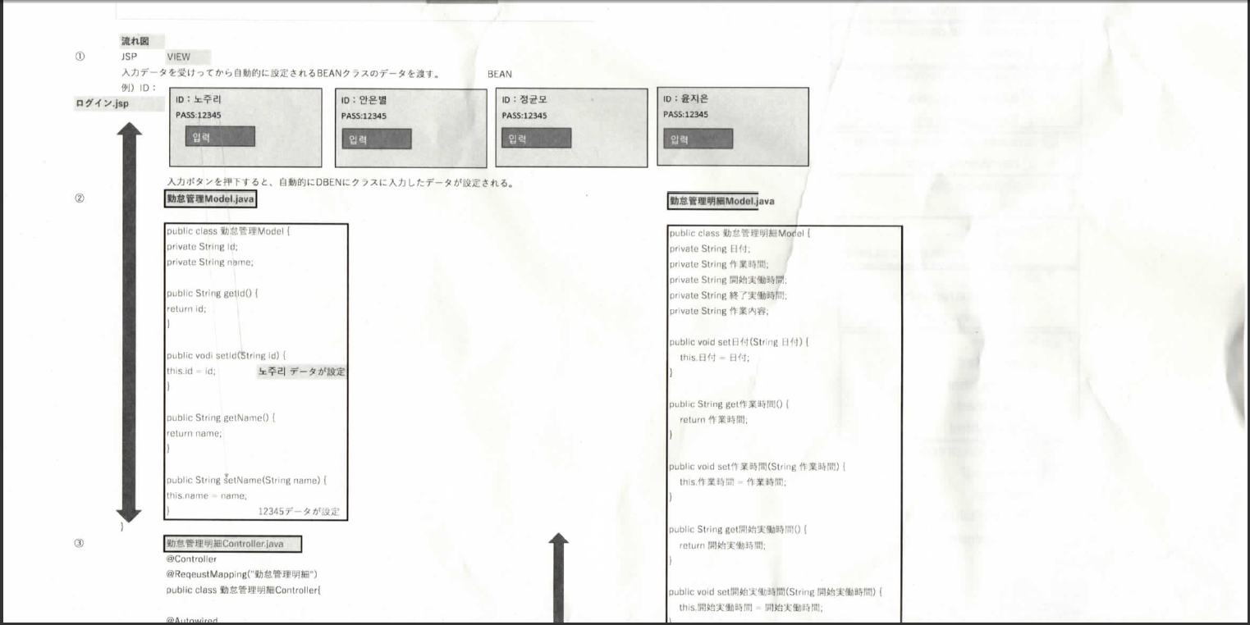

JSP

MODEL

COTROLLER

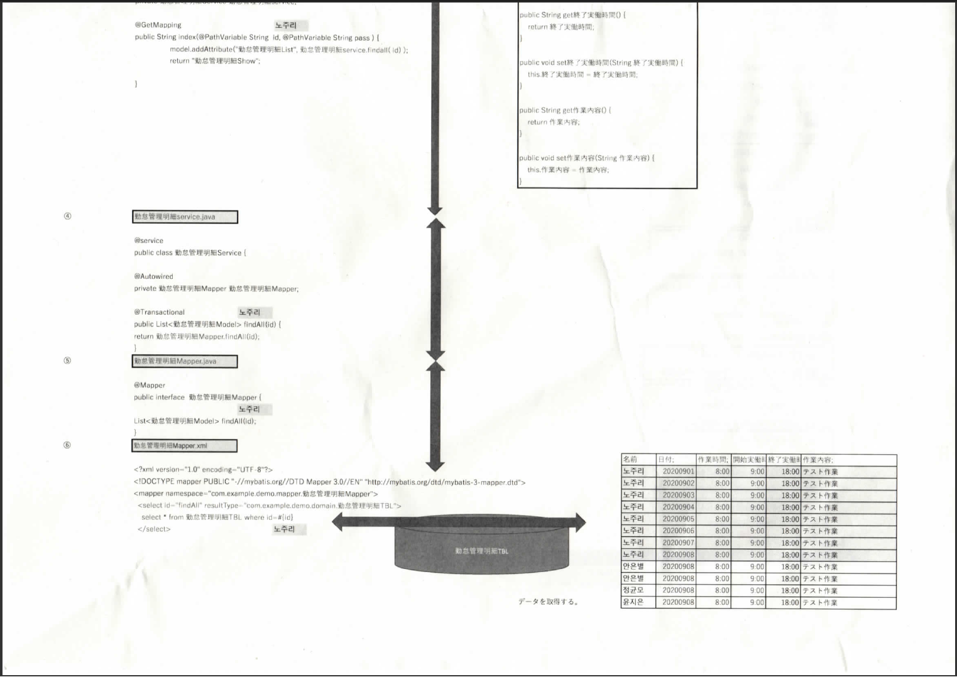

SERVICE

MAPPER

MAPPER.xml

