Sheet1
 |  |  |  |  | alpha=0.8400

t | Year | Exports | level | fitted_val
0 | 1959 | - | 39.54
1 | 1960 | 39.04
2 | 1961 | 46.24
The forecast equation is particularized for h=1 (fitted values are one-step ahead forecasts). It results in an equation at point t+1.
The level equation is nonetheless particularized at t. To make both consistent, we use a change of variable on the forecast equation.
3 | 1962 | 19.79
4 | 1963 | 24.68
5 | 1964 | 25.08
6 | 1965 | 22.60
7 | 1966 | 25.99
8 | 1967 | 23.43
9 | 1968 | 23.14
10 | 1969 | 23.79
11 | 1970 | 22.07
12 | 1971 | 18.44
13 | 1972 | 20.45
14 | 1973 | 25.50
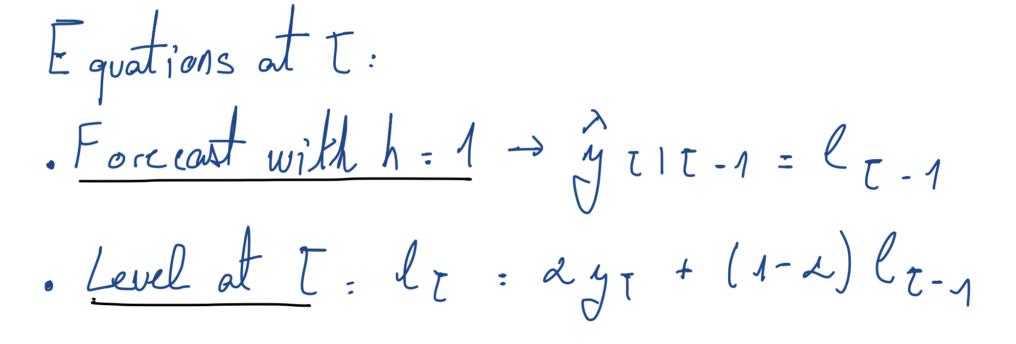
15 | 1974 | 38.75
16 | 1975 | 33.69
17 | 1976 | 33.05
18 | 1977 | 30.59
19 | 1978 | 25.54
20 | 1979 | 31.15
21 | 1980 | 34.34
22 | 1981 | 34.59
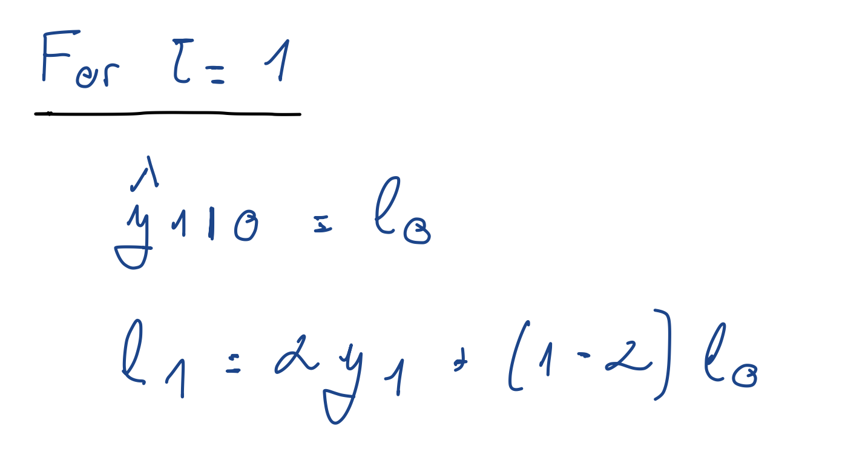
23 | 1982 | 30.92
24 | 1983 | 27.94
25 | 1984 | 25.71
26 | 1985 | 23.58
27 | 1986 | 12.85
28 | 1987 | 14.27
29 | 1988 | 15.51
30 | 1989 | 18.64
31 | 1990 | 23.44
32 | 1991 | 29.12
33 | 1992 | 25.32
34 | 1993 | 21.78
35 | 1994 | 22.53
36 | 1995 | 26.19
37 | 1996 | 29.76
38 | 1997 | 30.91
39 | 1998 | 22.58
40 | 1999 | 28.15
41 | 2000 | 42.07
42 | 2001 | 36.69
43 | 2002 | 35.50
44 | 2003 | 38.25
45 | 2004 | 40.05
46 | 2005 | 47.21
47 | 2006 | 48.81
48 | 2007 | 47.07
49 | 2008 | 47.97
50 | 2009 | 35.37
51 | 2010 | 38.44
52 | 2011 | 38.79
53 | 2012 | 36.89
54 | 2013 | 33.21
55 | 2014 | 30.22
56 | 2015 | 23.17
57 | 2016 | 20.86
58 | 2017 | 22.64

This is the value produced as forecast. The flat forecast of SES

