Sheet1
 |  |  |  |  | alpha=0.8400

t | Year | Exports | level | fitted_val
0 | 1959 | - | 39.54
1 | 1960 | 39.04 | 39.12 | 39.54
2 | 1961 | 46.24 | 45.10 | 39.12
The forecast equation is particularized for h=1 (fitted values are one-step ahead forecasts). It results in an equation at point t+1.
The level equation is nonetheless particularized at t. To make both consistent, we use a change of variable on the forecast equation.
3 | 1962 | 19.79 | 23.84 | 45.10
4 | 1963 | 24.68 | 24.55 | 23.84
5 | 1964 | 25.08 | 25.00 | 24.55
6 | 1965 | 22.60 | 22.99 | 25.00
7 | 1966 | 25.99 | 25.51 | 22.99
8 | 1967 | 23.43 | 23.77 | 25.51
9 | 1968 | 23.14 | 23.24 | 23.77
10 | 1969 | 23.79 | 23.70 | 23.24
11 | 1970 | 22.07 | 22.33 | 23.70
12 | 1971 | 18.44 | 19.07 | 22.33
13 | 1972 | 20.45 | 20.23 | 19.07
14 | 1973 | 25.50 | 24.66 | 20.23
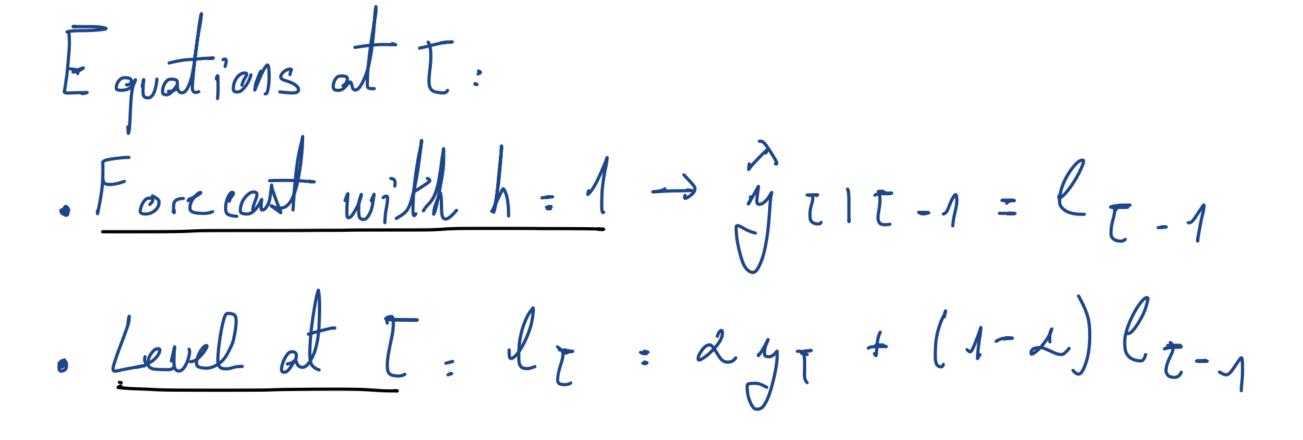
15 | 1974 | 38.75 | 36.49 | 24.66
16 | 1975 | 33.69 | 34.14 | 36.49
17 | 1976 | 33.05 | 33.23 | 34.14
18 | 1977 | 30.59 | 31.01 | 33.23
19 | 1978 | 25.54 | 26.41 | 31.01
20 | 1979 | 31.15 | 30.39 | 26.41
21 | 1980 | 34.34 | 33.71 | 30.39
22 | 1981 | 34.59 | 34.45 | 33.71
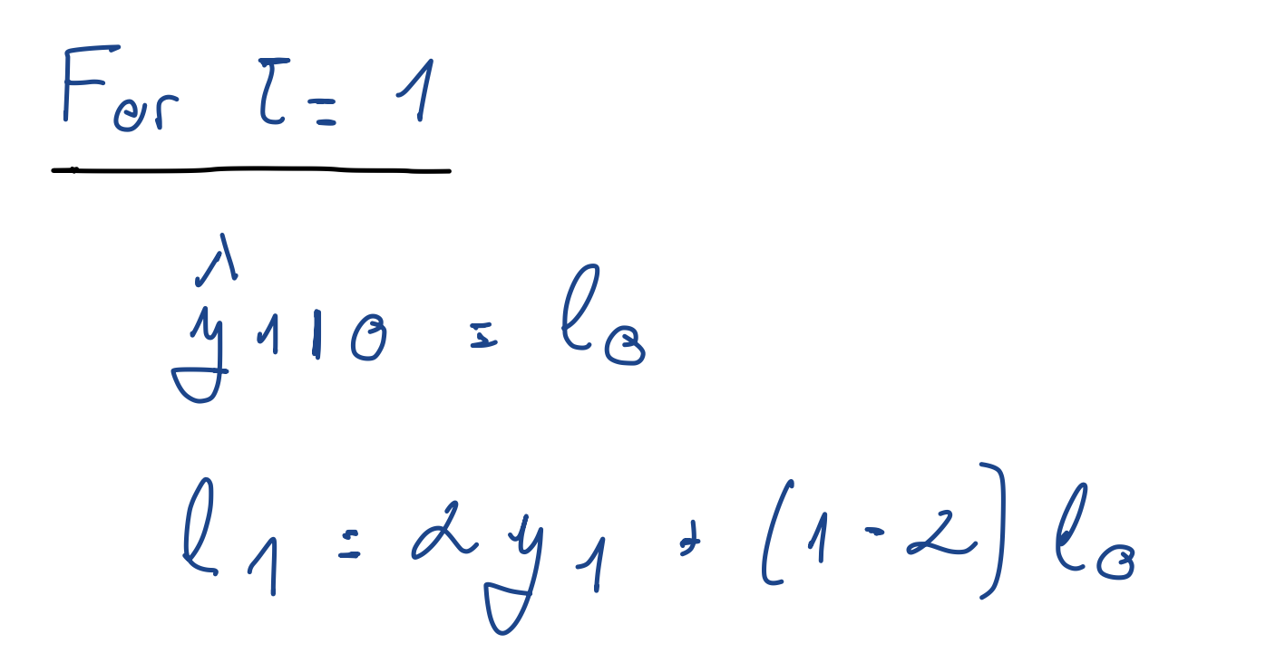
23 | 1982 | 30.92 | 31.49 | 34.45
24 | 1983 | 27.94 | 28.51 | 31.49
25 | 1984 | 25.71 | 26.16 | 28.51
26 | 1985 | 23.58 | 24.00 | 26.16
27 | 1986 | 12.85 | 14.64 | 24.00
28 | 1987 | 14.27 | 14.33 | 14.64
29 | 1988 | 15.51 | 15.32 | 14.33
30 | 1989 | 18.64 | 18.11 | 15.32
31 | 1990 | 23.44 | 22.59 | 18.11
32 | 1991 | 29.12 | 28.07 | 22.59
33 | 1992 | 25.32 | 25.76 | 28.07
34 | 1993 | 21.78 | 22.42 | 25.76
35 | 1994 | 22.53 | 22.51 | 22.42
36 | 1995 | 26.19 | 25.61 | 22.51
37 | 1996 | 29.76 | 29.10 | 25.61
38 | 1997 | 30.91 | 30.62 | 29.10
39 | 1998 | 22.58 | 23.86 | 30.62
40 | 1999 | 28.15 | 27.46 | 23.86
41 | 2000 | 42.07 | 39.73 | 27.46
42 | 2001 | 36.69 | 37.18 | 39.73
43 | 2002 | 35.50 | 35.77 | 37.18
44 | 2003 | 38.25 | 37.85 | 35.77
45 | 2004 | 40.05 | 39.70 | 37.85
46 | 2005 | 47.21 | 46.00 | 39.70
47 | 2006 | 48.81 | 48.36 | 46.00
48 | 2007 | 47.07 | 47.28 | 48.36
49 | 2008 | 47.97 | 47.86 | 47.28
50 | 2009 | 35.37 | 37.37 | 47.86
51 | 2010 | 38.44 | 38.27 | 37.37
52 | 2011 | 38.79 | 38.70 | 38.27
53 | 2012 | 36.89 | 37.18 | 38.70
54 | 2013 | 33.21 | 33.85 | 37.18
55 | 2014 | 30.22 | 30.80 | 33.85
56 | 2015 | 23.17 | 24.39 | 30.80
57 | 2016 | 20.86 | 21.43 | 24.39
58 | 2017 | 22.64 | 22.44 | 21.43

This is the value produced as forecast

