Sheet1
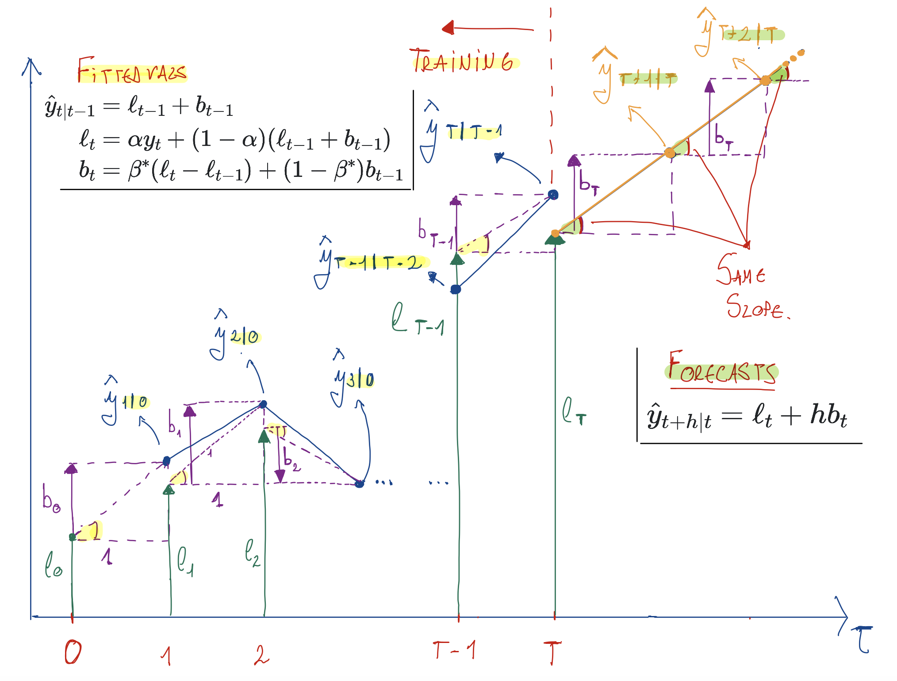
year | Time | Observation | Level | Slope | Fitted Value | alpha=0.9999 | beta*=0.3267
- | 0 | - | 10.05 | 0.22 | -
1960 | 1 | 10.276 | 10.28 | 0.22 | 10.27
1961 | 2 | 10.483 | 10.48 | 0.22 | 10.50
1962 | 3 | 10.742 | 10.74 | 0.23 | 10.70
1963 | 4 | 10.95 | 10.95 | 0.22 | 10.97
1964 | 5 | 11.167 | 11.17 | 0.22 | 11.17
1965 | 6 | 11.388 | 11.39 | 0.22 | 11.39
Equation for the fitted values at t+1:
Recall that fitted values are one step ahead forecasts on the training data. We may therefore particularize the forecast equation for h=1 to obtain an equation for the fitted values
1966 | 7 | 11.651 | 11.65 | 0.23 | 11.61
1967 | 8 | 11.799 | 11.80 | 0.21 | 11.89
1968 | 9 | 12.009 | 12.01 | 0.21 | 12.01
1969 | 10 | 12.263 | 12.26 | 0.22 | 12.22
1970 | 11 | 12.507 | 12.51 | 0.23 | 12.49
1971 | 12 | 12.937 | 12.94 | 0.30 | 12.74
1972 | 13 | 13.177 | 13.18 | 0.28 | 13.23
1973 | 14 | 13.38 | 13.38 | 0.25 | 13.45
Equation for the fitted values at t:
The previous equation equation is particularized at t+1, while the level and trend equations are particularized at t. To make this equation consistent with the others, let us particularize it at t instead of t+1
1974 | 15 | 13.723 | 13.72 | 0.28 | 13.63
1975 | 16 | 13.893 | 13.89 | 0.25 | 14.01
1976 | 17 | 14.033 | 14.03 | 0.21 | 14.14
1977 | 18 | 14.192 | 14.19 | 0.19 | 14.24
1978 | 19 | 14.358 | 14.36 | 0.18 | 14.39
1979 | 20 | 14.514 | 14.51 | 0.18 | 14.54
1980 | 21 | 14.692 | 14.69 | 0.18 | 14.69
1981 | 22 | 14.927 | 14.93 | 0.20 | 14.87
Now we particularize and apply these equation for the different points in time to compute the fitted values. For example, for t = 1
1982 | 23 | 15.178 | 15.18 | 0.21 | 15.12
1983 | 24 | 15.369 | 15.37 | 0.21 | 15.39
1984 | 25 | 15.544 | 15.54 | 0.20 | 15.58
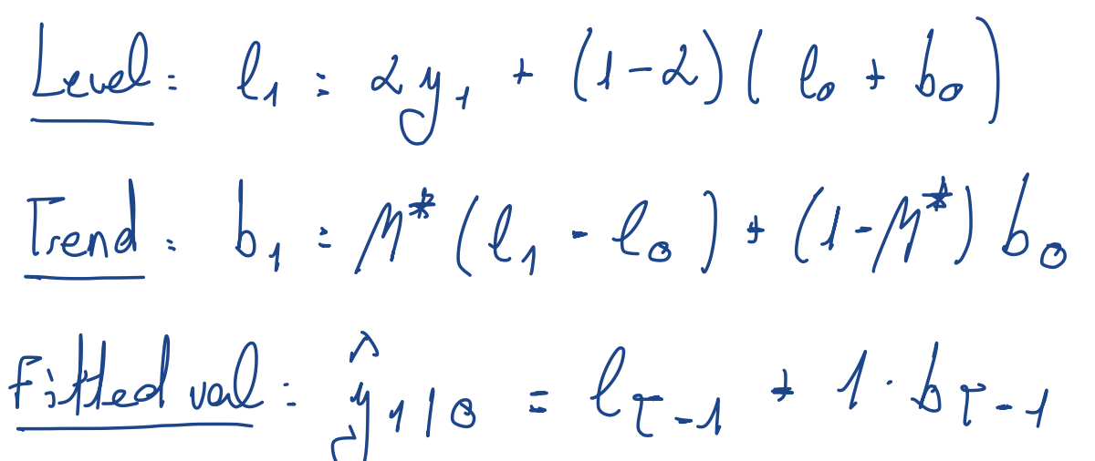
1985 | 26 | 15.758 | 15.76 | 0.20 | 15.74
1986 | 27 | 16.018 | 16.02 | 0.22 | 15.96
1987 | 28 | 16.264 | 16.26 | 0.23 | 16.24
1988 | 29 | 16.532 | 16.53 | 0.24 | 16.49
1989 | 30 | 16.814 | 16.81 | 0.25 | 16.77
1990 | 31 | 17.065 | 17.07 | 0.25 | 17.07
1991 | 32 | 17.284 | 17.28 | 0.24 | 17.32
1992 | 33 | 17.495 | 17.50 | 0.23 | 17.53
1993 | 34 | 17.667 | 17.67 | 0.21 | 17.73
1994 | 35 | 17.855 | 17.86 | 0.20 | 17.88
1995 | 36 | 18.072 | 18.07 | 0.21 | 18.06
1996 | 37 | 18.311 | 18.31 | 0.22 | 18.28
1997 | 38 | 18.517 | 18.52 | 0.21 | 18.53
1998 | 39 | 18.711 | 18.71 | 0.21 | 18.73
1999 | 40 | 18.926 | 18.93 | 0.21 | 18.92
2000 | 41 | 19.153 | 19.15 | 0.22 | 19.14
2001 | 42 | 19.413 | 19.41 | 0.23 | 19.37
2002 | 43 | 19.651 | 19.65 | 0.23 | 19.64
2003 | 44 | 19.895 | 19.89 | 0.24 | 19.88
2004 | 45 | 20.127 | 20.13 | 0.23 | 20.13
2005 | 46 | 20.395 | 20.39 | 0.25 | 20.36
2006 | 47 | 20.698 | 20.70 | 0.26 | 20.64
2007 | 48 | 20.828 | 20.83 | 0.22 | 20.96
2008 | 49 | 21.249 | 21.25 | 0.29 | 21.05
2009 | 50 | 21.692 | 21.69 | 0.34 | 21.53
2010 | 51 | 22.032 | 22.03 | 0.34 | 22.03
2011 | 52 | 22.34 | 22.34 | 0.33 | 22.37
2012 | 53 | 22.742 | 22.74 | 0.35 | 22.67
2013 | 54 | 23.146 | 23.15 | 0.37 | 23.09
2014 | 55 | 23.504 | 23.50 | 0.37 | 23.52
2015 | 56 | 23.851 | 23.85 | 0.36 | 23.87
2016 | 57 | 24.211 | 24.21 | 0.36 | 24.21
2017 | 58 | 24.599 | 24.60 | 0.37 | 24.57

- | h | - | - | - | Forecast
2018 | 1 | - | - | - | 24.97
2019 | 2 | - | - | - | 25.34
2020 | 3 | - | - | - | 25.71
2021 | 4 | - | - | - | 26.07
2022 | 5 | - | - | - | 26.44
2023 | 6 | - | - | - | 26.81
2024 | 7 | - | - | - | 27.18
2025 | 8 | - | - | - | 27.55
2026 | 9 | - | - | - | 27.92
2027 | 10 | - | - | - | 28.29

