Sheet1
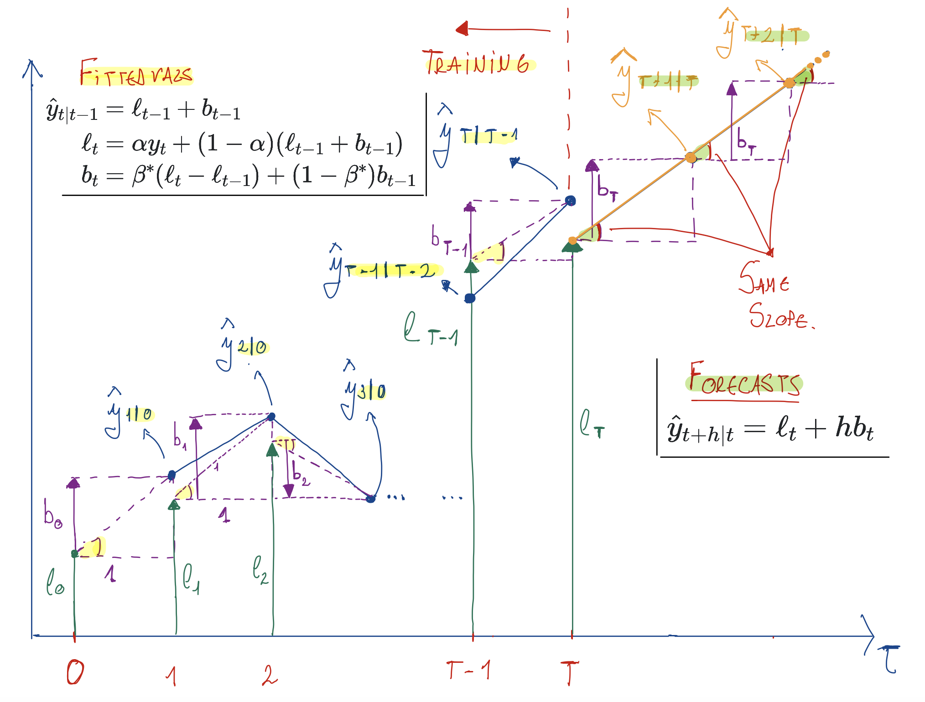
year | Time | Observation | Level | Slope | Fitted Value | alpha=0.9999 | beta*=0.3267
- | 0 | - | 10.05 | 0.22 | -
1960 | 1 | 10.276
1961 | 2 | 10.483
1962 | 3 | 10.742
1963 | 4 | 10.95
1964 | 5 | 11.167
1965 | 6 | 11.388
Equation for the fitted values at t+1:
Recall that fitted values are one step ahead forecasts on the training data. We may therefore particularize the forecast equation for h=1 to obtain an equation for the fitted values
1966 | 7 | 11.651
1967 | 8 | 11.799
1968 | 9 | 12.009
1969 | 10 | 12.263
1970 | 11 | 12.507
1971 | 12 | 12.937
1972 | 13 | 13.177
1973 | 14 | 13.38
Equation for the fitted values at t:
The previous equation equation is particularized at t+1, while the level and trend equations are particularized at t. To make this equation consistent with the others, let us particularize it at t instead of t+1
1974 | 15 | 13.723
1975 | 16 | 13.893
1976 | 17 | 14.033
1977 | 18 | 14.192
1978 | 19 | 14.358
1979 | 20 | 14.514
1980 | 21 | 14.692
1981 | 22 | 14.927
Now we particularize and apply these equation for the different points in time to compute the fitted values. For example, for t = 1
1982 | 23 | 15.178
1983 | 24 | 15.369
1984 | 25 | 15.544
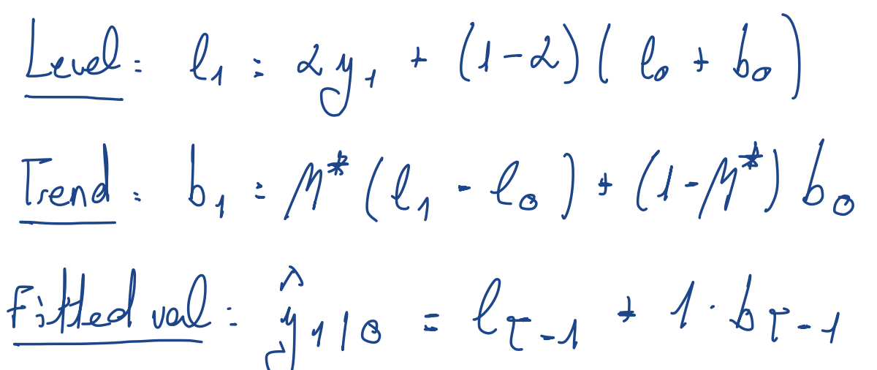
1985 | 26 | 15.758
1986 | 27 | 16.018
1987 | 28 | 16.264
1988 | 29 | 16.532
1989 | 30 | 16.814
1990 | 31 | 17.065
1991 | 32 | 17.284
1992 | 33 | 17.495
1993 | 34 | 17.667
1994 | 35 | 17.855
1995 | 36 | 18.072
1996 | 37 | 18.311
1997 | 38 | 18.517
1998 | 39 | 18.711
1999 | 40 | 18.926
2000 | 41 | 19.153
2001 | 42 | 19.413
2002 | 43 | 19.651
2003 | 44 | 19.895
2004 | 45 | 20.127
2005 | 46 | 20.395
2006 | 47 | 20.698
2007 | 48 | 20.828
2008 | 49 | 21.249
2009 | 50 | 21.692
2010 | 51 | 22.032
2011 | 52 | 22.34
2012 | 53 | 22.742
2013 | 54 | 23.146
2014 | 55 | 23.504
2015 | 56 | 23.851
2016 | 57 | 24.211
2017 | 58 | 24.599

- | h | - | - | - | Forecast
2018 | 1 | - | - | - | 0.00
2019 | 2 | - | - | - | 0.00
2020 | 3 | - | - | - | 0.00
2021 | 4 | - | - | - | 0.00
2022 | 5 | - | - | - | 0.00
2023 | 6 | - | - | - | 0.00
2024 | 7 | - | - | - | 0.00
2025 | 8 | - | - | - | 0.00
2026 | 9 | - | - | - | 0.00
2027 | 10 | - | - | - | 0.00

