Interpretation of terms
Poner los dibujos de cada una

Additive
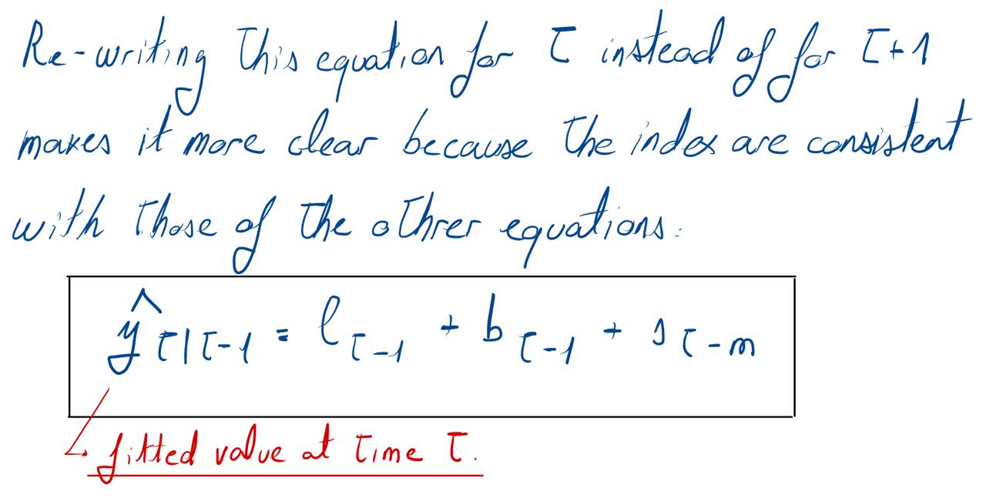
Re-writing the equation of the fitted values for t instead of for t+1 is perhaps more clear because the indexes are now consistent with those of the other three equation (level, slope and seasonal component)
Forecast equation for h = 1 is used to produce the fitted values (fitted values are one-step ahead forecasts on the training data).
Quarter | t (time) | Observation | Level | Slope | Season | Fitted Val |  | alpha=0.2620 | beta*=0.1646 | gamma=0.0001
 | -3 |  |  |  | 1.5
 | -2 |  |  |  | -0.3
 | -1 |  |  |  | -0.7
 | 0 |  | 9.8 | 0.0 | -0.5
1998 Q1 | 1 | 11.8 | 9.9 | 0.0 | 1.5 | 11.3
1998 Q2 | 2 | 9.3 | 9.9 | 0.0 | -0.3 | 9.7
1998 Q3 | 3 | 8.6 | 9.7 | 0.0 | -0.7 | 9.2
1998 Q4 | 4 | 9.3 | 9.7 | 0.0 | -0.5 | 9.2
1999 Q1 | 5 | 11.2 | 9.7 | 0.0 | 1.5 | 11.2
1999 Q2 | 6 | 9.6 | 9.7 | 0.0 | -0.3 | 9.4
1999 Q3 | 7 | 8.9 | 9.7 | 0.0 | -0.7 | 9.0
1999 Q4 | 8 | 9.0 | 9.7 | 0.0 | -0.5 | 9.2
2000 Q1 | 9 | 11.1 | 9.6 | 0.0 | 1.5 | 11.1
2000 Q2 | 10 | 9.2 | 9.6 | 0.0 | -0.3 | 9.3
2000 Q3 | 11 | 9.3 | 9.7 | 0.0 | -0.7 | 8.8
2000 Q4 | 12 | 9.0 | 9.6 | 0.0 | -0.5 | 9.2
2001 Q1 | 13 | 10.7 | 9.5 | 0.0 | 1.5 | 11.1
2001 Q2 | 14 | 9.5 | 9.6 | 0.0 | -0.3 | 9.2
2001 Q3 | 15 | 8.8 | 9.5 | 0.0 | -0.7 | 8.8
2001 Q4 | 16 | 9.0 | 9.5 | 0.0 | -0.5 | 9.0
2002 Q1 | 17 | 10.8 | 9.5 | 0.0 | 1.5 | 11.0
2002 Q2 | 18 | 9.2 | 9.5 | 0.0 | -0.3 | 9.1
2002 Q3 | 19 | 8.8 | 9.5 | 0.0 | -0.7 | 8.7
2002 Q4 | 20 | 9.2 | 9.5 | 0.0 | -0.5 | 8.9
2003 Q1 | 21 | 10.5 | 9.4 | 0.0 | 1.5 | 11.0
2003 Q2 | 22 | 9.1 | 9.4 | 0.0 | -0.3 | 9.1
2003 Q3 | 23 | 8.8 | 9.4 | 0.0 | -0.7 | 8.6
2003 Q4 | 24 | 8.8 | 9.4 | 0.0 | -0.5 | 8.9
2004 Q1 | 25 | 10.7 | 9.3 | 0.0 | 1.5 | 10.9
2004 Q2 | 26 | 9.2 | 9.3 | 0.0 | -0.3 | 9.0
2004 Q3 | 27 | 8.9 | 9.4 | 0.0 | -0.7 | 8.6
2004 Q4 | 28 | 8.4 | 9.3 | 0.0 | -0.5 | 8.9
2005 Q1 | 29 | 10.9 | 9.3 | 0.0 | 1.5 | 10.7
2005 Q2 | 30 | 8.1 | 9.0 | -0.1 | -0.3 | 9.0
2005 Q3 | 31 | 8.1 | 8.9 | -0.1 | -0.7 | 8.3
2005 Q4 | 32 | 7.7 | 8.7 | -0.1 | -0.5 | 8.4
2006 Q1 | 33 | 11.2 | 8.9 | 0.0 | 1.5 | 10.1
2006 Q2 | 34 | 9.3 | 9.0 | 0.0 | -0.3 | 8.6
2006 Q3 | 35 | 7.8 | 8.9 | 0.0 | -0.7 | 8.3
2006 Q4 | 36 | 8.9 | 9.0 | 0.0 | -0.5 | 8.4
2007 Q1 | 37 | 10.9 | 9.1 | 0.0 | 1.5 | 10.5
2007 Q2 | 38 | 9.4 | 9.3 | 0.0 | -0.3 | 8.8
2007 Q3 | 39 | 8.6 | 9.3 | 0.0 | -0.7 | 8.6
2007 Q4 | 40 | 8.7 | 9.3 | 0.0 | -0.5 | 8.8
2008 Q1 | 41 | 12.0 | 9.6 | 0.1 | 1.5 | 10.8
2008 Q2 | 42 | 8.5 | 9.5 | 0.0 | -0.3 | 9.4
2008 Q3 | 43 | 8.5 | 9.4 | 0.0 | -0.7 | 8.8
2008 Q4 | 44 | 8.4 | 9.3 | 0.0 | -0.5 | 8.9
2009 Q1 | 45 | 10.1 | 9.1 | 0.0 | 1.5 | 10.8
2009 Q2 | 46 | 8.4 | 9.0 | 0.0 | -0.3 | 8.8
2009 Q3 | 47 | 8.7 | 9.1 | 0.0 | -0.7 | 8.2
2009 Q4 | 48 | 8.3 | 9.0 | 0.0 | -0.5 | 8.5
2010 Q1 | 49 | 10.2 | 8.9 | 0.0 | 1.5 | 10.4
2010 Q2 | 50 | 8.7 | 8.9 | 0.0 | -0.3 | 8.5
2010 Q3 | 51 | 8.6 | 9.0 | 0.0 | -0.7 | 8.1
2010 Q4 | 52 | 8.5 | 9.0 | 0.0 | -0.5 | 8.4
2011 Q1 | 53 | 9.8 | 8.8 | 0.0 | 1.5 | 10.4
2011 Q2 | 54 | 9.0 | 8.9 | 0.0 | -0.3 | 8.4
2011 Q3 | 55 | 8.4 | 8.9 | 0.0 | -0.7 | 8.2
2011 Q4 | 56 | 8.5 | 9.0 | 0.0 | -0.5 | 8.4
2012 Q1 | 57 | 10.3 | 8.9 | 0.0 | 1.5 | 10.5
2012 Q2 | 58 | 8.6 | 8.9 | 0.0 | -0.3 | 8.6
2012 Q3 | 59 | 8.4 | 8.9 | 0.0 | -0.7 | 8.2
2012 Q4 | 60 | 9.2 | 9.1 | 0.0 | -0.5 | 8.4
2013 Q1 | 61 | 10.8 | 9.2 | 0.0 | 1.5 | 10.7
2013 Q2 | 62 | 9.0 | 9.3 | 0.0 | -0.3 | 8.9
2013 Q3 | 63 | 8.8 | 9.4 | 0.0 | -0.7 | 8.6
2013 Q4 | 64 | 8.9 | 9.4 | 0.0 | -0.5 | 8.9
2014 Q1 | 65 | 11.4 | 9.5 | 0.1 | 1.5 | 10.9
2014 Q2 | 66 | 10.2 | 9.8 | 0.1 | -0.3 | 9.3
2014 Q3 | 67 | 9.0 | 9.9 | 0.1 | -0.7 | 9.3
2014 Q4 | 68 | 9.4 | 10.0 | 0.1 | -0.5 | 9.5
2015 Q1 | 69 | 11.6 | 10.1 | 0.1 | 1.5 | 11.5
2015 Q2 | 70 | 9.7 | 10.1 | 0.1 | -0.3 | 9.9
2015 Q3 | 71 | 9.5 | 10.2 | 0.1 | -0.7 | 9.5
2015 Q4 | 72 | 10.0 | 10.4 | 0.1 | -0.5 | 9.8
2016 Q1 | 73 | 12.6 | 10.6 | 0.1 | 1.5 | 12.0
2016 Q2 | 74 | 10.0 | 10.6 | 0.1 | -0.3 | 10.5
2016 Q3 | 75 | 9.9 | 10.7 | 0.1 | -0.7 | 10.0
2016 Q4 | 76 | 10.1 | 10.8 | 0.1 | -0.5 | 10.3
2017 Q1 | 77 | 12.4 | 10.9 | 0.1 | 1.5 | 12.3
2017 Q2 | 78 | 10.5 | 10.9 | 0.1 | -0.3 | 10.7
2017 Q3 | 79 | 10.5 | 11.0 | 0.1 | -0.7 | 10.3
2017 Q4 | 80 | 11.2 | 11.3 | 0.1 | -0.5 | 10.6

 |  |  |  |  | 1.5
 |  |  |  |  | -0.3
 |  |  |  |  | -0.7 |  |  | Cell of season
To produce forecasts beyond the training data, we need the general form of the forecast equation (for h=h).
Quarter | h | k | 11.3 | 0.1 | -0.5 | Forecast | m(k+1) | st+h-m(k+1)
2018 Q1 | 1 | 0 | - | - | 1.5 | 12.9 | 4 | F87
2018 Q2 | 2 | 0 | - | - | -0.3 | 11.2 | 4 | F88
2018 Q3 | 3 | 0 | - | - | -0.7 | 10.9 | 4 | F89
2018 Q4 | 4 | 0 | - | - | -0.5 | 11.3 | 4 | F90
2019 Q1 | 5 | 1 | - | - | 1.5 | 13.4 | 8 | F87
2019 Q2 | 6 | 1 | - | - | -0.3 | 11.7 | 8 | F88
2019 Q3 | 7 | 1 | - | - | -0.7 | 11.4 | 8 | F89
2019 Q4 | 8 | 1 | - | - | -0.5 | 11.7 | 8 | F90
2020 Q1 | 9 | 2 | - | - | 1.5 | 13.9 | 12 | F87
2020 Q2 | 10 | 2 | - | - | -0.3 | 12.2 | 12 | F88
2020 Q3 | 11 | 2 | - | - | -0.7 | 11.9 | 12 | F89
2020 Q4 | 12 | 2 | - | - | -0.5 | 12.2 | 12 | F90

