Services
www.enerdata.net
www.enerdata.net
 | Enerdata Information Services
 | The One-Stop-Shop for Global Energy Expertise

Energy Research

 |  | Global Energy Research | Free trial version | Schedule Demo | Contact us
 |  | 110 Energy and Climate Country Reports

 |  | Key Energy Intelligence | Free trial version |  | Contact us
 |  | Global Energy News and Analyses Curated Daily

Energy Data & Forecasts

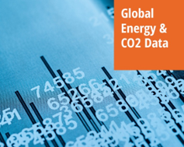 |  | Global Energy & CO2 Data | Free trial version | Schedule Demo | Contact us
 |  | The Only Source You Need for Analyses, Presentations and Research

 |  | Global Energy Forecasts: EnerFuture | Free trial version | Schedule Demo | Contact us
 |  | Global and Country-level Energy Forecasts through 2050

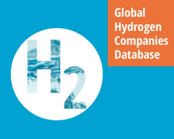 |  | Global Hydrogen Companies Database | Free trial version | Schedule Demo | Contact us
 |  | Monitoring of Technology Providers in H2 Supply Chain

 |  | Power Price Projections |  | Schedule Demo | Contact us
 |  | Annual Projections of Wholesale Prices Up to 2050

 |  | EnerMonthly: Monthly Energy Database | Free trial version | Schedule Demo | Contact us
 |  | Monthly Energy Data on Key Energy Markets

Energy Efficiency & Demand

 |  | World energy efficiency and demand database: EnerDemand | Free trial version | Schedule Demo | Contact us
 |  | World Energy Efficiency and Demand Database

 |  | Odyssee: Energy Efficiency Database | Free trial version | Schedule Demo | Contact us
 |  | European Energy Efficiency and Demand Database

 |  | Granular Energy Demand Forecast | Free trial version | Schedule Demo | Contact us
 |  | Unique, Independent Projections of Consumption by End-use

Energy Infrastructure

 |  | Power Plant Tracker | Free trial version | Schedule Demo | Contact us
 |  | The Most Up-to-Date Power Generation Database

 |  | World LNG Database | Free trial version | Schedule Demo | Contact us
 |  | The Essentials of LNG Trade

 |  | World Refinery Database | Free trial version | Schedule Demo | Contact us
 |  | Monitor New and Existing Refineries Globally

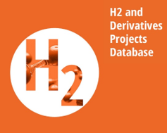 |  | H2 and Derivatives Projects Database | Free trial version | Schedule Demo | Contact us
 |  | Monitoring of Emerging Hydrogen Projects

