Parent Category Outcomes
Parent Category Outcomes
 | canceled | failed | live | successful
film & video | 31 | 130 |  | 261
food | 15 | 115 | 4 | 34
games |  | 96 |  | 52
journalism | 23
music | 19 | 110 | 17 | 490
photography |  | 72 |  | 62
publishing | 22 | 87 |  | 69
technology | 121 | 138 |  | 158
theater | 26 | 349 | 12 | 525
country | US

Count of outcomes | Column Labels
Row Labels | canceled | failed | live | successful | Grand Total
film & video | 31 | 130 |  | 261 | 422
food | 15 | 115 | 4 | 34 | 168
games |  | 96 |  | 52 | 148
journalism | 23 |  |  |  | 23
music | 19 | 110 | 17 | 490 | 636
photography |  | 72 |  | 62 | 134
publishing | 22 | 87 |  | 69 | 178
technology | 121 | 138 |  | 158 | 417
theater | 26 | 349 | 12 | 525 | 912
Grand Total | 257 | 1097 | 33 | 1651 | 3038

Subcategory Outcomes
Subcatergory Outcomes
 | canceled | failed | live | successful
animation |  | 78
art books | 16
audio | 23
children's books |  | 32
classical music |  |  |  | 33
documentary |  |  |  | 164
drama |  | 52
electronic music |  |  |  | 30
faith |  | 37 | 17
fiction |  | 34
food trucks | 15 | 101
gadgets |  | 13
hardware |  |  |  | 103
indie rock |  | 20 |  | 138
jazz |  | 53
makerspaces |  | 7 |  | 7
metal |  |  |  | 14
mobile games |  | 23
musical | 11 | 40 |  | 45
nature |  | 14
nonfiction |  |  |  | 49
people |  | 11
photobooks |  | 34 |  | 62
places |  | 13
plays |  | 250 | 9 | 412
pop |  |  |  | 35
radio & podcasts |  |  |  | 20
restaurants |  | 14
rock |  |  |  | 240
science fiction | 31
shorts |  |  |  | 48
small batch |  |  | 4 | 34
space exploration | 15 | 1 |  | 31
spaces | 15 | 59 | 3 | 68
tabletop games |  |  |  | 52
television |  |  |  | 49
translations | 6 | 21
video games |  | 73
wearables | 47 | 81 |  | 17
web | 59 | 36
world music | 19
country | US
Parent category | (All)

Count of outcomes | Column Labels
Row Labels | canceled | failed | live | successful | Grand Total
animation |  | 78 |  |  | 78
art books | 16 |  |  |  | 16
audio | 23 |  |  |  | 23
children's books |  | 32 |  |  | 32
classical music |  |  |  | 33 | 33
documentary |  |  |  | 164 | 164
drama |  | 52 |  |  | 52
electronic music |  |  |  | 30 | 30
faith |  | 37 | 17 |  | 54
fiction |  | 34 |  |  | 34
food trucks | 15 | 101 |  |  | 116
gadgets |  | 13 |  |  | 13
hardware |  |  |  | 103 | 103
indie rock |  | 20 |  | 138 | 158
jazz |  | 53 |  |  | 53
makerspaces |  | 7 |  | 7 | 14
metal |  |  |  | 14 | 14
mobile games |  | 23 |  |  | 23
musical | 11 | 40 |  | 45 | 96
nature |  | 14 |  |  | 14
nonfiction |  |  |  | 49 | 49
people |  | 11 |  |  | 11
photobooks |  | 34 |  | 62 | 96
places |  | 13 |  |  | 13
plays |  | 250 | 9 | 412 | 671
pop |  |  |  | 35 | 35
radio & podcasts |  |  |  | 20 | 20
restaurants |  | 14 |  |  | 14
rock |  |  |  | 240 | 240
science fiction | 31 |  |  |  | 31
shorts |  |  |  | 48 | 48
small batch |  |  | 4 | 34 | 38
space exploration | 15 | 1 |  | 31 | 47
spaces | 15 | 59 | 3 | 68 | 145
tabletop games |  |  |  | 52 | 52
television |  |  |  | 49 | 49
translations | 6 | 21 |  |  | 27
video games |  | 73 |  |  | 73
wearables | 47 | 81 |  | 17 | 145
web | 59 | 36 |  |  | 95
world music | 19 |  |  |  | 19
Grand Total | 257 | 1097 | 33 | 1651 | 3038

Outcomes Based on Launch Date
Category | (All)
Outcomes Based on Launch Date
 | canceled | failed | live | successful
Jan | 34 | 149 | 2 | 182
Feb | 27 | 106 | 18 | 202
Mar | 28 | 108 | 30 | 180
Apr | 27 | 102 |  | 192
May | 26 | 126 |  | 234
Jun | 27 | 147 |  | 211
Jul | 43 | 150 |  | 194
Aug | 33 | 134 |  | 166
Sep | 24 | 127 |  | 147
Oct | 20 | 149 |  | 183
Nov | 37 | 114 |  | 183
Dec | 23 | 118 |  | 111
Count of outcomes | Column Labels
Row Labels | canceled | failed | live | successful | Grand Total
Jan | 34 | 149 | 2 | 182 | 367
Feb | 27 | 106 | 18 | 202 | 353
Mar | 28 | 108 | 30 | 180 | 346
Apr | 27 | 102 |  | 192 | 321
May | 26 | 126 |  | 234 | 386
Jun | 27 | 147 |  | 211 | 385
Jul | 43 | 150 |  | 194 | 387
Aug | 33 | 134 |  | 166 | 333
Sep | 24 | 127 |  | 147 | 298
Oct | 20 | 149 |  | 183 | 352
Nov | 37 | 114 |  | 183 | 334
Dec | 23 | 118 |  | 111 | 252
Grand Total | 349 | 1530 | 50 | 2185 | 4114

Conclusion 1: The Outcomes Based on Launch Date for all Categories, shows May (at 111) with the larger number of Succesful whereas in December (at 37) went closer to those Failed (at 35). May is the month were Succesful kickstarter projects start dicreasing, and eventhough between September (at 59) and October (at 65) it tends to increase, it goes down in December to almost reach the number of Failed.
Conclusion 2: The Failed are between 31 and 52 throughout the year (average at 41), below the average number of Succesful Theatre projects (at 70).

Theater Outcomes by Launch Date
Theater Outcomes vs Launch
 | canceled | failed | successful
Jan | 7 | 33 | 56
Feb | 3 | 39 | 71
Mar | 3 | 33 | 56
Apr | 2 | 40 | 71
May | 3 | 52 | 111
Jun | 4 | 49 | 100
Jul | 1 | 50 | 87
Aug | 4 | 47 | 72
Sep | 4 | 34 | 59
Oct |  | 50 | 65
Nov | 3 | 31 | 54
Dec | 3 | 35 | 37
Category | theater
Years | (All)

Count of outcomes | Column Labels
Row Labels | canceled | failed | successful | Grand Total
Jan | 7 | 33 | 56 | 96
Feb | 3 | 39 | 71 | 113
Mar | 3 | 33 | 56 | 92
Apr | 2 | 40 | 71 | 113
May | 3 | 52 | 111 | 166
Jun | 4 | 49 | 100 | 153
Jul | 1 | 50 | 87 | 138
Aug | 4 | 47 | 72 | 123
Sep | 4 | 34 | 59 | 97
Oct |  | 50 | 65 | 115
Nov | 3 | 31 | 54 | 88
Dec | 3 | 35 | 37 | 75
Grand Total | 37 | 493 | 839 | 1369
Conclusion 1: The Outcomes Based on Launch Date for all Theatre, shows May (at 111) with the larger number of Succesful whereas in December (at 37) went closer to those Failed (at 35). May is the month were Succesful kickstarter projects start dicreasing, and eventhough between September (at 59) and October (at 65) it tends to increase, it goes down in December to almost reach the number of Failed.
Conclusion 2: The Failed are between 31 and 52 throughout the year (average at 41), below the average number of Succesful Theatre projects (at 70).

Descriptive Statistics
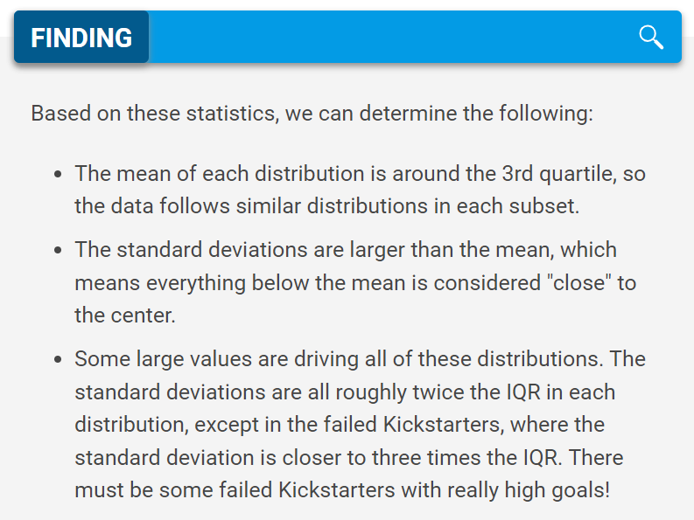
 | Succesful | Failed
Mean Goal | #REF! | #REF!
Median Goal | #REF! | #REF!
Standard Deviation Goal | #REF! | #REF!
Upper Quartile of Goal | #REF! | #REF!
Lower Quartile of Goal | #REF! | #REF!
IQR of Goal | #REF! | #REF!

Mean Pledged | #REF! | #REF!
Median Pledged | #REF! | #REF!
Standard Deviation of Pledged | #REF! | #REF!
Upper Quartile of Pledged | #REF! | #REF!
Lower Quartile of Pledged | #REF! | #REF!
IQR of Pledged | #REF! | #REF!

Plays Outcomes Based on Goals
Plays Outcomes Based on Goal
Goal | Number Successful | Number Failed | Number Canceled | Total Projects | Percentage Successful | Percentage Failed | Percentage Canceled
Less than 1000 | 141 | 45 | 0 | 186 | 76% | 24% | 0%
1000 to 4999 | 387 | 146 | 0 | 533 | 73% | 27% | 0%
5000 to 9999 | 93 | 76 | 0 | 169 | 55% | 45% | 0%
10000 to 14999 | 39 | 33 | 0 | 72 | 54% | 46% | 0%
15000 to 19999 | 12 | 12 | 0 | 24 | 50% | 50% | 0%
20000 to 24999 | 9 | 11 | 0 | 20 | 45% | 55% | 0%
25000 to 29999 | 1 | 4 | 0 | 5 | 20% | 80% | 0%
30000 to 34999 | 3 | 8 | 0 | 11 | 27% | 73% | 0%
35000 to 39999 | 4 | 2 | 0 | 6 | 67% | 33% | 0%
40000 to 44999 | 2 | 1 | 0 | 3 | 67% | 33% | 0%
45000 to 49999 | 0 | 1 | 0 | 1 | 0% | 100% | 0%
Greater than 50000 | 2 | 10 | 0 | 12 | 17% | 83% | 0%
 |  |  |  | 1042
Plays Outcomes Based on Goal

Conclusion 1: The higher the Goal the higher the probability for the Play to Fail.
Conclusion 2: 51% of the Plays had a goal between 1,000$ and 4,999$; 73% of them was Succesful and 27% Failed.
Conclusion 3: 92% of the Plays are mainly amongst the first 4 Goal ranges (Less than 1,000 and 15,000$).
Challenges: A line graph is not appropiate to analyze this data as each point has its own behaviour, this is not a trend, a bar graph will show the numbers clearer; from this line graph, it can only be concluded that failed and successful plays are mirroring each other.

