Sheet1
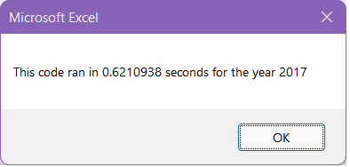
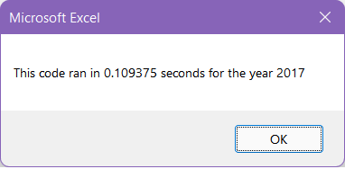
before refactoring |  |  |  | after refactoring |  |  |  |  |  | Year | before | after | Delta |  | %
 |  |  |  |  |  |  |  |  |  | 2017 | 0.6210938 | 0.109375 | -0.5117188 | seconds | 82.389938525
 |  |  |  |  |  |  |  |  |  | 2018 | 0.5703125 | 0.1171875 | -0.453125 | seconds | 79.452054795

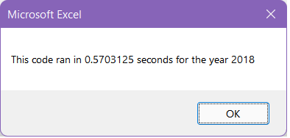
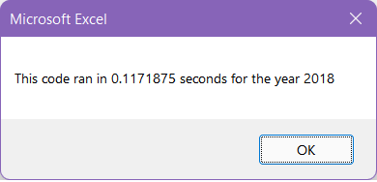

 | All Stocks (2017) |  |  |  | All Stocks (2018)

 | Ticker | Total Daily Volume | Return |  | Ticker | Total Daily Volume | Return | Delta Daily Volume
 | AY | 136,070,900 | 8.9% |  | AY | 83,079,900 | -7.3% | 52,991,000 | -16.2%
 | CSIQ | 310,592,800 | 33.1% |  | CSIQ | 200,879,900 | -16.3% | 109,712,900 | -49.4%
 | DQ | 35,796,200 | 199.4% |  | DQ | 107,873,900 | -62.6% | 72,077,700 | -262.0%
 | ENPH | 221,772,100 | 129.5% |  | ENPH | 607,473,500 | 81.9% | 385,701,400 | -47.6%
 | FSLR | 684,181,400 | 101.3% |  | FSLR | 478,113,900 | -39.7% | 206,067,500 | -141.0%
 | HASI | 80,949,300 | 25.8% |  | HASI | 104,340,600 | -20.7% | 23,391,300 | -46.5%
 | JKS | 191,632,200 | 53.9% |  | JKS | 158,309,000 | -60.5% | 33,323,200 | -114.4%
 | RUN | 267,681,300 | 5.5% |  | RUN | 502,757,100 | 84.0% | 235,075,800 | 78.4%
 | SEDG | 206,885,200 | 184.5% |  | SEDG | 237,212,300 | -7.8% | 30,327,100 | -192.2%
 | SPWR | 782,187,000 | 23.1% |  | SPWR | 538,024,300 | -44.6% | 244,162,700 | -67.7%
 | TERP | 139,402,800 | -7.2% |  | TERP | 151,434,700 | -5.0% | 12,031,900 | 2.2%
 | VSLR | 109,487,900 | 50.0% |  | VSLR | 136,539,100 | -3.5% | 27,051,200 | -53.5%
 |  | 3,166,639,100 |  |  |  | 3,306,038,200 |  | 139,399,100

