coop010x011
Trainer | Date | Day | Stage | Barrier Type | N trials | Rewarded trials | Percent Rewarded
Juan | 2023-04-13 | 1 | 1 | perforated_5_mm | 392 | 37 | 9% |  |  | Stage Definitions | 1 | 2 | 3 | 4
Juan | 2023-04-14 | 2 | 1 | perforated_5_mm | 471 | 40 | 8% |  |  | Subject | coop010x011 | coop010x011 | coop010x011 | coop018x019
Juan | 2023-04-15 | 3 | 1 | perforated_5_mm | 524 | 54 | 10% |  |  | Water delivery | 0.03 sec | 0.03 sec | 0.03 sec | 0.03 sec
Juan | 2023-04-16 | 4 | 1 | perforated_5_mm | 477 | 67 | 14% |  |  | Wait time | 0.5 | 0.5 | 0.5 | 0.5
Juan | 2023-04-17 | 5 | 2 | No barrier | 369 | 11 | 3% |  |  | Inter-trial interval | 8 | 10 | 10 | 10
Juan | 2023-04-18 | 6 | 2 | No barrier | 535 | 25 | 5% | pokeDuration: 2 | from here flash light backup | Poke per mouse | n/a | 1--7 | 7 | 7
Juan | 2023-04-19 | 7 | 2 | No barrier | 575 | 36 | 6% | pokeDuration: 3 |  | Target poke per mouse | n/a | 7 | 7 | 7
Juan | 2023-04-20 | 8 | 2 | No barrier | 922 | 50 | 5% | pokeDuration: 5 |  | Task mode | auto lights | poke_elongation | cooperation_lights | cooperation
Juan | 2023-04-21 | 9 | 2 | No barrier | 1231 | 65 | 5% | pokeDuration: 6 | iti decreased to 5 seconds | Max port repetition | 7 | 7 | 7 | 7
Juan | 2023-04-22 | 10 | 3 | No barrier | 1173 | 70 | 6% | iti decreased to 3 seconds. iti did not work |  | Next port after fail | Same | Same | Same | Same
Juan | 2023-04-23 | 11 | 3 | No barrier | 712 | 37 | 5% | return back to 5 seconds |  | Barrier | Perforated | No barrier | No barrier | No barrier
Juan | 2023-04-24 | 12 | 3 | No barrier | 917 | 94 | 10% | They were right on the weight baseline |  | Section duration (min) | 40 | 60 | 60 | 60
Juan | 2023-04-25 | 13 | 4 | No barrier | 1048 | 50 | 5% |  |  | Max. rewarded trials | 282 | 282-240 | 240 | 240
Juan | 2023-04-26 | 14 | 4 | No barrier | 940 | 53 | 6% |  |  | Mice DOB | 2022-11-27 |  | females
Juan | 2023-04-27 | 15 | 4 | No barrier | 997 | 74 | 7%
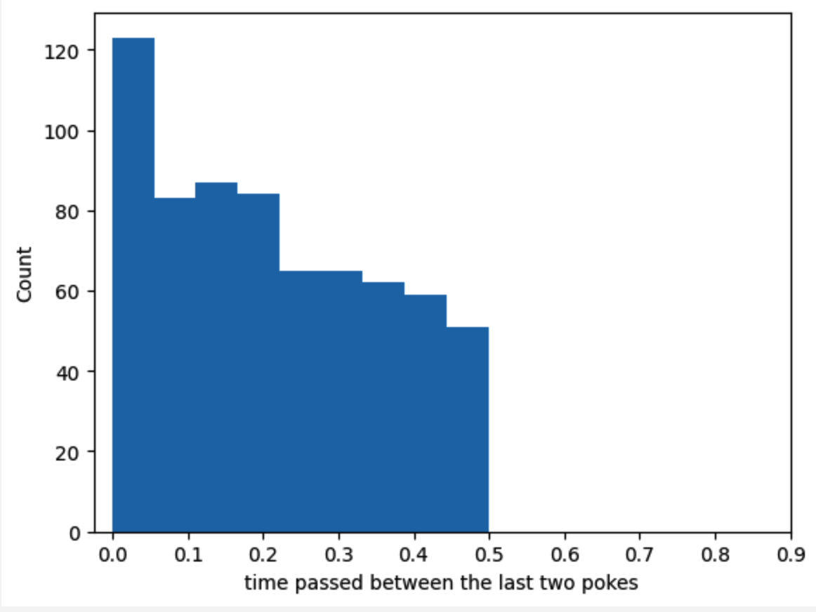
Juan | 2023-04-28 | 16 | 4 | No barrier | 657 | 56 | 9% | 5 drops can be too much. They were satiated
Juan | 2023-04-29 | 17 | 4 | No barrier | 739 | 71 | 10% | reduced to 4 drops
Juan | 2023-04-30 | 18 | 4 | No barrier | 737 | 60 | 8% | 4 drops
Juan | 2023-05-01 | 19 | 4 | No barrier | 754 | 77 | 10%
Juan | 2023-05-02 | 20 | 4 | Solid | 832 | 65 | 8%
Juan | 2023-05-03 | 21 | 2 | No barrier | 625 | 51 | 8% | go back to stage 2 to increment pokes. pokesPerMouse=5
Juan | 2023-05-04 | 22 | 2 | No barrier | 667 | 61 | 9% | go back to stage 2 to increment pokes. pokesPerMouse=7
Juan | 2023-05-05 | 23 | 3 | No barrier | 599 | 56 | 9%
Juan | 2023-05-06 | 24 | 3 | No barrier | 773 | 55 | 7%
Juan | 2023-05-07 | 25 | 3 | No barrier | 673 | 55 | 8%
Juan | 2023-05-08 | 26 | 4 | No barrier | 764 | 44 | 6%
Juan | 2023-05-09 | 27 | 4 | No barrier | 812 | 70 | 9% |  | first 20 min
Juan | 2023-05-10 | 28 | 4 | No barrier | 929 | 64 | 7% | pokePerMouse = 7 | 7%
Juan | 2023-05-11 | 29 | 4 | Solid | 814 | 55 | 7% |  | 5%
Juan | 2023-05-12 | 30 | 4 | No barrier | 869 | 69 | 8% | reduced drops to 2. they were above the baseline weight | 9%
Juan | 2023-05-13 | 31 | 4 | Solid | 1044 | 64 | 6% |  | 5%
Juan | 2023-05-14 | 1 | 4 | No barrier | 942 | 66 | 7% | These mice will be dropped. I am gonna experiment with the proposal given to the professor about an incrementing poke. threshold=10. pokesPerMouse 7 to 12
Juan | 2023-05-15 | 2 | 4 | Solid | 1566 | 83 | 5%
dropped | dropped | dropped | dropped | dropped | dropped | dropped | dropped
 |  |  |  |  |  |  |  | Despite of the efforts to alter their developed behavior in the last training. these mice have developed a behavior that neither show cooperation nor works in the current mechanism
 |  |  |  |  |  |  |  | One mouse is just sticking to the ports regardless of if its partner is there or not. the other one actually is aware of its partner and explore the ports
 |  |  |  |  |  |  |  | that is the reason why isolated and non-isolated are so similar

coop016x017
Trainer | Date | Day | Stage | Barrier Type | N trials | Rewarded trials coop016 | Rewarded trials coop017 | Percent Rewarded
Juan | 2023-04-13 | 0 | 1 | perforated_5_mm | 377 | 9 | 9 | 2% |  |  | Stage Definitions | 1 | 2 | 3 | 4
Juan | 2023-04-14 | 0 | 1 | perforated_5_mm | 602 | 56 | 56 | 9% | iti = 0 by accident |  | Subject | coop016x017 | coop016x017 | coop016x017 | coop016x017
Juan | 2023-04-16 | 1 | 1 | perforated_5_mm | 224 | 80 | 46 | 28% | go back to original stage 1 |  | Water delivery | 0.03 sec | 0.03 sec | 0.03 sec | 0.03 sec
 |  |  |  |  |  |  |  |  |  |  | Water frequency | 4 | 4 | 4 | 2
Juan | 2023-04-17 | 2 | 1 | perforated_5_mm | 146 | 49 | 65 | 39% | from here flash light backup |  | Wait time | 3 | 0.5 | 0.5 | 0.5
Juan | 2023-04-18 | 3 | 1 | perforated_5_mm | 144 | 68 | 62 | 45% |  |  | Inter-trial interval | 10 | 10 | 10 | 5
Juan | 2023-04-19 | 4 | 2 | No barrier | 518 | 28 | 28 | 5% | pokeDuration: 2 |  | Poke per mouse | n/a | 1--10 | 10 | 10
Juan | 2023-04-20 | 5 | 2 | No barrier | 1086 | 40 | 40 | 4% | iti decreased to 5. LED kept turned on failed trials. session extended to 60 min |  | Target poke per mouse | n/a | 10 | 10 | 10
Juan | 2023-04-21 | 6 | 2 | No barrier | 1175 | 46 | 46 | 4% | pokeDuration: 5 |  | Task mode | auto lights | poke_elongation | cooperation_lights | cooperation
Juan | 2023-04-22 | 7 | 2 | No barrier | 768 | 22 | 22 | 3% | pokeDuration: 6 |  | Max port repetition | 3 | 3 | 3 | 3
Juan | 2023-04-23 | 8 | 3 | No barrier | 712 | 41 | 41 | 6% | code updated. poke per mouse = 3 |  | Next port after fail | Same | Same | Same | Same
Juan | 2023-04-24 | 9 | 3 | No barrier | 1089 | 57 | 57 | 5% |  |  | Barrier | perforated | No barrier | No barrier | perforated
Juan | 2023-04-25 | 10 | 3 | No barrier | 1293 | 64 | 64 | 5% |  |  | Section duration (min) | 40 | 60 | 60 | 60
Juan | 2023-04-26 | 11 | 3 | No barrier | 1016 | 74 | 74 | 7% |  |  | Max. rewarded trials | 277 | 342-277 | 342-277 | 342-277
Juan | 2023-04-27 | 12 | 3 | No barrier | 994 | 80 | 80 | 8% |  |  | Mice DOB | 2023-01-27 |  | males
Juan | 2023-04-28 | 13 | 4 | No barrier | 766 | 41 | 41 | 5% | 5 drops
Juan | 2023-04-29 | 14 | 4 | No barrier | 677 | 40 | 40 | 6% | 5 drops
Juan | 2023-04-30 | 15 | 4 | No barrier | 625 | 39 | 39 | 6% | What is happening? they are not able to do more than 40 and the performace is not getting better
Juan | 2023-05-01 | 16 | 4 | No barrier | 650 | 60 | 60 | 9% | reduced to 4 drops
Juan | 2023-05-02 | 17 | 4 | No barrier | 627 | 50 | 50 | 8% | What is happening? they need at least 70 to be over the baseline
Juan | 2023-05-03 | 18 | 2 | No barrier | 596 | 55 | 55 | 9% | go back to stage 2 to increment pokes. pokePerMouse=5
Juan | 2023-05-04 | 19 | 2 | No barrier | 873 | 55 | 55 | 6% | go back to stage 2 to increment pokes. pokePerMouse=7
Juan | 2023-05-05 | 20 | 3 | No barrier | 523 | 50 | 50 | 10%
Juan | 2023-05-06 | 21 | 2 | No barrier | 576 | 53 | 53 | 9% | Decided to increment poke a little more. pokePerMouse = 9 | target = 10
Juan | 2023-05-07 | 22 | 2 | No barrier | 560 | 51 | 51 | 9% | pokePerMouse=9
Juan | 2023-05-08 | 23 | 2 | No barrier | 413 | 41 | 41 | 10% | pokePerMouse=10
Juan | 2023-05-09 | 24 | 3 | No barrier | 327 | 56 | 56 | 17%
Juan | 2023-05-10 | 25 | 3 | No barrier | 478 | 56 | 56 | 12% | pokePerMouse=10
Juan | 2023-05-11 | 26 | 3 | No barrier | 308 | 56 | 56 | 18% | they did 56 in 30 minutes! | first 20 min
Juan | 2023-05-12 | 27 | 4 | No barrier | 321 | 48 | 48 | 15% | If they do similar numbers to stage 3 or stage 4 of coop014x014 start solid barrier | 22%
Juan | 2023-05-13 | 28 | 4 | Solid | 984 | 31 | 31 | 3% |  | 3%
Juan | 2023-05-14 | 29 | 4 | No barrier | 401 | 68 | 68 | 17% |  | 13%
Juan | 2023-05-15 | 30 | 4 | Solid | 1103 | 49 | 49 | 4% |  | 4%
Jenny | 2023-05-16 | 31 | 4 | No barrier | 530 | 65 | 65 | 12% | decreased to 3 drops
Jenny | 2023-05-17 | 1 | 4 | Solid | 1070 | 51 | 51 | 5%
Max | 2023-05-18 | 2 | 4 | No barrier | 784 | 36 | 36 | 5% | animals ran without small barriers by mistake
Max | 2023-05-19 | 3 | 4 | Solid | 993 | 42 | 42 | 4%
Gabe | 2023-05-20 | 4 | 4 | No barrier | 660 | 89 | 89 | 13% | did not turn the lights
Gabe | 2023-05-21 | 5 | 4 | Solid | 1016 | 49 | 49 | 5%
Max | 2023-05-22 | 6 | 4 | No barrier | 859 | 48 | 48 | 6% | animals ran without small barriers by mistake
Gabe | 2023-05-23 | 7 | 4 | Solid | 1167 | 10 | 10 | 1%
end | end | end | end | end | end | end | end
Juan | 2023-06-01 | 8 | 3 | No barrier | 459 | 30 | 30 | 7%
Juan | 2023-06-02 | 9 | 3 | No barrier | 624 | 66 | 66 | 11%
Juan | 2023-06-03 | 10 | 3 | No barrier | 485 | 71 | 71 | 15%
Juan | 2023-06-04 | 11 | 4 | No barrier | 551 | 89 | 89 | 16%
Juan | 2023-06-05 | 12 | 4 | No barrier | 497 | 96 | 96 | 19%
Juan | 2023-06-06 | 13 | 4 | Solid | 1022 | 60 | 60 | 6%
Juan | 2023-06-07 | 14 | 4 | No barrier | 594 | 106 | 106 | 18%
Juan | 2023-06-08 | 15 | 4 | Solid | 920 | 54 | 54 | 6%
Juan | 2023-06-09 | 16 | 4 | No barrier | 629 | 121 | 121 | 19% | decrease to 2 drops
Juan | 2023-06-10 | 17 | 4 | Solid | 917 | 67 | 67 | 7%
Juan | 2023-06-11 | 18 | 4 | No barrier | 420 | 124 | 124 | 30%
Juan | 2023-06-12 | 19 | 4 | Solid | 1066 | 59 | 59 | 6%
Juan | 2023-06-13 | 20 | 4 | No barrier | 480 | 132 | 132 | 28%
Juan | 2023-06-14 | 21 | 4 | Solid | 1259 | 57 | 57 | 5%
Juan | 2023-06-15 | 22 | 4 | No barrier | 662 | 114 | 114 | 17% | decrease to 1 drop
Juan | 2023-06-16 | 23 | 4 | Solid | 1265 | 33 | 33 | 3%
Juan | 2023-06-17 | 24 | 4 | No barrier | 847 | 91 | 91 | 11%
Juan | 2023-06-18 | 25 | 4 | No barrier | 731 | 92 |  | 13% | I need to know i they can improve that performance
Juan | 2023-06-19 | 26 | 4 | No barrier | 648 | 102 |  | 16%
Juan | 2023-06-20 | 27 | 4 | No barrier | 421 | 135 |  | 32% | increased to 2 drops
Juan | 2023-06-21 | 28 | 4 | No barrier | 380 | 135 |  | 36%
Juan | 2023-06-22 | 29 | 4 | No barrier | 689 | 145 |  | 21% | decrease iti to 5
Juan | 2023-06-23 | 30 | 4 | No barrier | 458 | 149 |  | 33%
Juan | 2023-06-24 | 31 | 4 | Solid | 1001 | 14 |  | 1%
Juan | 2023-06-25 | 1 | 4 | no train | no train | no train | no train | no train | no train
Juan | 2023-06-26 | 2 | 4 | No barrier | 529 | 164 |  | 31%
Juan | 2023-06-27 | 3 | 4 | Solid | 448 | 1 |  | 0%
Diyar | 2023-06-28 | 4 | 4 | perforated_5_mm | 984 | 29 |  | 3%
Juan | 2023-06-29 | 5 | 4 | perforated_5_mm | 898 | 65 |  | 7% | wrong training
Diyar | 2023-06-30 | 6 | 4 | perforated_5_mm | 1014 | 106 |  | 10%
Juan | 2023-07-01 | 7 | 4 | no train
Diyar | 2023-07-02 | 8 | 4 | Transparent_holes | 1206 | 83 |  | 7% |  | These were not trained using a barrier before. I do not know their performance using a barrier yet
Juan | 2023-07-03 | 9 | 4 | Transparent_holes | 1286 | 66 |  | 5%
Diyar | 2023-07-04 | 10 | 4 | Transparent_holes | 1040 | 61 |  | 6% | back to iti 10
Diyar | 2023-07-05 | 11 | 4 | Transparent_holes | 986 | 64 |  | 6%
Juan | 2023-07-06 | 12 | 4 | perforated | 989 | 70 |  | 7%
Diyar | 2023-07-07 | 13 | 4 | Transparent_holes | 1370 | 63 |  | 5% | 2 drops
Juan | 2023-07-08 | 14 | 4 | no train |  |  |  |  |  | selected for dark
Diyar | 2023-07-09 | 15 | 4 | no train
Juan | 2023-07-10 | 16 | 4 | No barrier / light | 576 | 104 |  | 18%
Juan | 2023-07-11 | 17 | 4 | No barrier / dark | 1041 | 71 |  | 7%
Juan | 2023-07-12 | 18 | 4 | No barrier / light | 886 | 77 |  | 9%
Juan | 2023-07-13 | 19 | 4 | No barrier / dark | 953 | 93 |  | 10%
Juan | 2023-07-14 | 20 | 4 | No barrier / light | 702 | 106 |  | 15%
Juan | 2023-07-15 | 21 | 4 | no train
Diyar | 2023-07-16 | 22 | 4 | No barrier / dark | 1052 | 93 |  | 9%
Juan | 2023-07-17 | 23 | 4 | No barrier / light | 672 | 111 |  | 17%
Juan | 2023-07-18 | 24 | 4 | No barrier / dark | 668 | 124 |  | 19%
Diyar | 2023-07-19 | 25 | 4 | No barrier / light | 700 | 117 |  | 17%
Juan | 2023-07-20 | 26 | 4 | No barrier / dark | 831 | 112 |  | 13%
Diyar | 2023-07-21 | 27 | 4 | No barrier / light | 637 | 143 |  | 22%
Juan | 2023-07-22 | 28 | 4 | no train
Diyar | 2023-07-23 | 29 | 4 | No barrier / dark | 868 | 162 |  | 19%
Juan | 2023-07-24 | 30 | 4 | No barrier / light | 411 | 121 |  | 29% | 2 drops
Juan | 2023-07-25 | 31 | 4 | No barrier / dark | 561 | 125 |  | 22%
Diyar | 2023-07-26 | 32 | 4 | No barrier / light | 537 | 153 |  | 28%
Juan | 2023-07-27 | 33 | 4 | No barrier / dark | 497 | 132 |  | 27%
Diyar | 2023-07-28 | 34 | 4 | No barrier | 474 | 172 |  | 36%
Juan | 2023-07-29 | 35 | 4 | No train
Diyar | 2023-07-30 | 36 | 4 | No train
Juan | 2023-07-31 | 37 | 4 | No train
Juan | 2023-08-08 | 38 | 4 | perforated_10_mm | 1131 | 45 |  | 4%
Diyar | 2023-08-09 | 39 | 4 | perforated_10_mm | 254 | 158 |  | 62% | Auto-lights (wrong)
Diyar | 2023-08-10 | 40 | 4 | No train
Juan | 2023-08-11 | 41 | 4 | No train | 798 | 46 |  | 6%
Juan | 2023-08-12 | 42 | 4 | No train
Juan | 2023-08-13 | 43 |  | No train
Juan | 2023-08-14 | 43 | 4 | perforated_10_mm | 1084 | 61 |  | 6%
Juan | 2023-08-15 | 44 | 4 | perforated_10_mm | 1040 | 75 |  | 7%
Diyar | 2023-08-16 | 45 | 4 | perforated_10_mm | 1240 | 120 |  | 10%
Juan | 2023-08-17 | 46 | 4 | perforated_10_mm | 975 | 92 |  | 9%
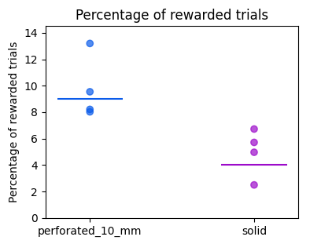
Juan | 2023-08-18 | 47 | 4 | perforated_10_mm | 898 | 94 |  | 10%
Juan | 2023-08-19 | 48 | 4 | no train
Juan | 2023-08-20 | 49 | 4 | no train
Juan | 2023-08-21 | 50 | 4 | perforated_10_mm | 817 | 96 |  | 12%
Juan | 2023-08-22 | 51 | 4 | perforated_10_mm | 930 | 79 |  | 8%
Diyar | 2023-08-23 | 52 | 4 | perforated_10_mm | 901 | 86 |  | 10%
Juan | 2023-08-24 | 53 | 4 | solid | 1308 | 65 |  | 5%
Diyar | 2023-08-25 | 54 | 4 | perforated_10_mm | 962 | 79 |  | 8%
Juan | 2023-08-26 | 55 | 4 | no train
Juan | 2023-08-27 | 56 | 4 | no train
Juan | 2023-08-28 | 57 | 4 | solid | 1640 | 41 |  | 3%
Juan | 2023-08-29 | 58 | 4 | perforated_10_mm | 1059 | 85 |  | 8%
Juan | 2023-08-30 | 59 | 4 | solid | 1115 | 75 |  | 7%
Juan | 2023-08-31 | 60 | 4 | perforated_10_mm | 735 | 97 |  | 13%
Juan | 2023-09-01 | 61 | 4 | solid | 1312 | 75 |  | 6%
Juan | 2023-09-02 | 62 | 4 | perforated_10_mm | 889 | 92 |  | 10%
dropped | dropped | dropped | dropped | dropped | dropped | dropped | dropped | dropped

coop018x019
Trainer | Date | Day | Stage | Barrier Type | N trials | Rewarded trials coop018 | Rewarded trials coop019 | Percent Rewarded
Juan | 2023-04-13 | 1 | 1 | Perforated_5_mm | 79 | 0 | 0 | 0% |  |  | Stage Definitions | 1 | 2 | 3 | 4
Juan | 2023-04-14 | 2 | 1 | Perforated_5_mm | 88 | 4 | 4 | 5% | wt incremented to 3 seconds. did not work. |  | Subject | coop018x019 | coop018x019 | coop018x019 | coop018x019
Juan | 2023-04-15 | 3 |  | no train | no train | no train | no train |  |  |  | Water delivery | 0.03 sec | 0.03 sec | 0.03 sec | 0.03 sec
 |  |  |  |  |  |  |  |  |  |  | Water frequency | 4 | 4 | 4 | 3
Juan | 2023-04-16 | 4 | 1 | Perforated_5_mm | 293 | 56 | 65 | 21% | go back to original stage 1 |  | Wait time | 3 | 0.5 | 0.5 | 0.5
Juan | 2023-04-17 | 5 | 1 | Perforated_5_mm | 174 | 51 | 63 | 33% | from here flash light backup |  | Inter-trial interval | 8 | 10 | 10 | 10
Juan | 2023-04-18 | 6 | 1 | Perforated_5_mm | 147 | 73 | 63 | 46% |  |  | Poke per mouse | n/a | 1--5 | 5 | 15
Juan | 2023-04-19 | 7 | 2 | No barrier | 345 | 10 | 10 | 3% |  |  | Target poke per mouse | n/a | 5 | 5 | 15
Juan | 2023-04-20 | 8 | 2 | No barrier | 398 | 10 | 10 | 3% | iti decreased to 5. LED kept turned on failed trials. session extended to 60 min |  | Task mode | auto lights | poke_elongation | cooperation_lights | cooperation
Juan | 2023-04-21 | 9 | 2 | No barrier | 761 | 27 | 27 | 4% | pokeDuration:2 |  | Max port repetition | 3 | 3 | 3 | 3
Juan | 2023-04-22 | 10 | 2 | No barrier | 304 | 1 | 1 | 0% |  |  | Next port after fail | Same | Same | Same | Same
Juan | 2023-04-23 | 11 | 2 | No barrier | 196 | 0 | 0 | 0% |  |  | Barrier | perforated | No barrier | No barrier | perforated
Juan | 2023-04-24 | 12 | 1 | Perforated_5_mm | 191 | 145 | 144 | 76% | Restart. Mice were not doing their task.They were above baseweightline |  | Section duration (min) | 40 | 60 | 60 | 60
Juan | 2023-04-25 | 13 | 2 | No barrier | 773 | 21 | 21 | 3% | They were not able to do more than 2 pokes per mouse. I will change to perforated barrier |  | Max. rewarded trials | 277 | 342-277 | 342-277 | 342-277
Juan | 2023-04-26 | 14 | 2 | Perforated_5_mm | 927 | 32 | 32 | 3% |  |  | Mice DOB | 2023-01-10 |  | males
Juan | 2023-04-27 | 15 | 2 | Perforated_5_mm | 938 | 34 | 34 | 4% | pokePerMouse:3
Juan | 2023-04-28 | 16 | 2 | Perforated_5_mm | 1069 | 40 | 40 | 4% | pokePerMouse:4
Juan | 2023-04-29 | 17 | 2 | Perforated_5_mm | 588 | 0 | 0 | 0% | pokePerMouse:4
Juan | 2023-04-30 | 18 | 2 | Perforated_5_mm | 792 | 50 | 50 | 6% | pokePerMouse:4
Juan | 2023-05-01 | 19 | 2 | Perforated_5_mm | 873 | 40 | 40 | 5% | pokePerMouse:5
Juan | 2023-05-02 | 20 | 3 | Perforated_5_mm | 715 | 47 | 47 | 7%
Juan | 2023-05-03 | 21 | 3 | Perforated_5_mm | 706 | 53 | 53 | 8%
Juan | 2023-05-04 | 22 | 3 | Perforated_5_mm | 870 | 71 | 71 | 8%
Juan | 2023-05-05 | 23 | 4 | Perforated_5_mm | 788 | 56 | 56 | 7%
Juan | 2023-05-06 | 24 | 4 | Perforated_5_mm | 710 | 67 | 67 | 9%
Juan | 2023-05-07 | 25 | 4 | Perforated_5_mm | 760 | 86 | 86 | 11% | pokePerMouse:5 | first 20 min
Juan | 2023-05-08 | 26 | 4 | Solid | 1306 | 51 | 51 | 4% |  | 4%
Juan | 2023-05-09 | 27 | 4 | Perforated_5_mm | 659 | 85 | 85 | 13% |  | 15%
Juan | 2023-05-10 | 28 | 4 | Solid | 1171 | 70 | 70 | 6% |  | 7%
Juan | 2023-05-11 | 29 | 4 | Perforated_5_mm | 609 | 77 | 77 | 13% |  | 15%
Juan | 2023-05-12 | 30 | 4 | Solid | 980 | 61 | 61 | 6% |  | 6%
Juan | 2023-05-13 | 31 | 4 | Perforated_5_mm | 606 | 92 | 92 | 15% |  | 21%
Juan | 2023-05-14 | 1 | 4 | Solid | 1151 | 71 | 72 | 6% |  | 5%
Juan | 2023-05-15 | 2 | 4 | Perforated_5_mm | 663 | 93 | 93 | 14% | decreased to 3 drops
Jenny | 2023-05-16 | 3 | 4 | Solid | 1412 | 48 | 48 | 3%
Jenny | 2023-05-17 | 4 | 4 | Perforated_5_mm | 820 | 88 | 88 | 11%
Max | 2023-05-18 | 5 | 4 | Solid | 1121 | 84 | 84 | 7%
Max | 2023-05-19 | 6 | 4 | Perforated_5_mm | 621 | 112 | 112 | 18%
end | end | end | end | end | end | end | end
Juan | 2023-06-14 | 0 | water out |  |  |  | i will increment the poke to 15
Juan | 2023-06-15 | 1 | 2 | No barrier | 686 | 42 | 42 | 6% | pokepermouse=3 | drops = 3
Juan | 2023-06-16 | 2 | 2 | No barrier | 1056 | 91 |  | 9% | pokepermouse=5
Juan | 2023-06-17 | 3 | 2 | No barrier | 1097 | 74 |  | 7% | pokepermouse=8
Juan | 2023-06-18 | 4 | 2 | No barrier | 1102 | 67 |  | 6% | pokePerMouse = 10
Juan | 2023-06-19 | 5 | 2 | No barrier | 977 | 69 |  | 7% | pokePerMouse = 13
Juan | 2023-06-20 | 6 | 2 | No barrier | 844 | 84 |  | 10% | pokePerMouse = 15 | drops = 2
Juan | 2023-06-21 | 7 | 3 | No barrier | 809 | 86 |  | 11% | pokePerMouse = 15 | drops = 2
Juan | 2023-06-22 | 8 | 4 | No barrier | 1032 | 75 |  | 7%
Juan | 2023-06-23 | 9 | 4 | No barrier | 907 | 72 |  | 8%
Juan | 2023-06-24 | 10 | 4 | No barrier | 845 | 70 |  | 8%
Juan | 2023-06-25 | 11 | 4 | No barrier | 469 | 21 |  | 4% | training: 30 min
Juan | 2023-06-26 | 12 | 4 | No barrier | 642 | 30 |  | 5%
Juan | 2023-06-27 | 13 | 4 | Perforated_5_mm | 734 | 77 |  | 10%
Diyar | 2023-06-28 | 14 | 4 | Perforated_5_mm | 755 | 76 |  | 10% | decrease iti to 5
Juan | 2023-06-29 | 15 | 4 | Perforated_5_mm | 1005 | 63 |  | 6%
Diyar | 2023-06-30 | 16 | 4 | Solid | 418 | 0 |  | 0%
Juan | 2023-07-01 | 17 | 4 | Transparent_holes | 773 | 25 |  | 3%
Diyar | 2023-07-02 | 18 | 4 | Transparent_holes | 1005 | 66 |  | 7%
Juan | 2023-07-03 | 19 | 4 | Transparent_holes | 781 | 80 |  | 10%
Diyar | 2023-07-04 | 20 | 4 | Transparent_holes | 924 | 54 |  | 6% | increase to 3 drops
Diyar | 2023-07-05 | 21 | 4 | Transparent_holes | 266 | 4 |  | 2% | wtf
Juan | 2023-07-06 | 22 | 4 | perforated_5_mm | 668 | 75 |  | 11% | 2 drops
Diyar | 2023-07-07 | 23 | 4 | Transparent_holes | 860 | 57 |  | 7% | 2 drops
Juan | 2023-07-08 | 24 | 4 | perforated_5_mm | 562 | 69 |  | 12%
Diyar | 2023-07-09 | 25 | 4 | Transparent_holes | 798 | 48 |  | 6%
Juan | 2023-07-10 | 26 | 4 | perforated_5_mm | 546 | 74 |  | 14%
Juan | 2023-07-11 | 27 | 4 | Transparent_holes | 961 | 53 |  | 6% | paper added to the side walls
Juan | 2023-07-12 | 28 | 4 | perforated_5_mm | 639 | 77 |  | 12%
Juan | 2023-07-13 | 29 | 4 | Transparent_holes | 741 | 81 |  | 11%
Juan | 2023-07-14 | 30 | 4 | perforated_5_mm | 655 | 96 |  | 15% | drops = 3
Juan | 2023-07-15 | 31 | 4 | no train
Diyar | 2023-07-16 | 1 | 4 | Transparent_holes | 684 | 93 |  | 14% | barrier modified
Juan | 2023-07-17 | 2 | 4 | Transparent_holes | 684 | 90 |  | 13%
Juan | 2023-07-18 | 3 | 4 | Transparent_holes / dark | 820 | 89 |  | 11%
Juan | 2023-07-19 | 4 | 4 | Transparent_holes | 599 | 104 |  | 17%
Juan | 2023-07-20 | 5 | 4 | Transparent_holes / dark | 807 | 90 |  | 11%
Diyar | 2023-07-21 | 6 | 4 | Transparent_holes | 471 | 40 |  | 8% | Only 30 minutes, i accidentally did not start
Juan | 2023-07-22 | 7 | 4 | no train
Diyar | 2023-07-23 | 8 | 4 | Transparent_holes / dark | 823 | 75 |  | 9%
Juan | 2023-07-24 | 9 | 4 | Transparent_holes | 619 | 91 |  | 15% | drops = 3
Juan | 2023-07-25 | 10 | 4 | solid | 1253 | 58 |  | 5%
Diyar | 2023-07-26 | 11 | 4 | Transparent_holes | 787 | 81 |  | 10%
Juan | 2023-07-27 | 12 | 4 | solid | 1359 | 36 |  | 3%
Diyar | 2023-07-28 | 13 | 4 | Transparent_holes | 861 | 80 |  | 9%
Juan | 2023-07-29 | 14 | 4 | no train
Diyar | 2023-07-30 | 15 | 4 | no train
Juan | 2023-07-31 | 16 | 4 | perforated_10_mm | 698 | 58 |  | 8%
Juan | 2023-08-01 | 17 | 4 | perforated_10_mm | 872 | 52 |  | 6%
Diyar | 2023-08-02 | 18 | 4 | perforated_10_mm | 767 | 69 |  | 9%
Juan | 2023-08-03 | 19 | 4 | perforated_10_mm | 718 | 85 |  | 12%
Diyar | 2023-08-04 | 20 | 4 | perforated_10_mm | 755 | 87 |  | 12%
Juan | 2023-08-05 | 21 | 4 | perforated_10_mm | 656 | 90 |  | 14%
Diyar | 2023-08-06 | 22 | 4 | perforated_10_mm | 593 | 72 |  | 12%
Juan | 2023-08-07 | 23 | 4 | perforated_10_mm | 587 | 87 |  | 15%
Juan | 2023-08-08 | 24 | 4 | no train
Diyar | 2023-08-09 | 25 | 4 | perforated_10_mm | 589 | 77 |  | 13%
Diyar | 2023-08-10 | 26 | 4 | no train
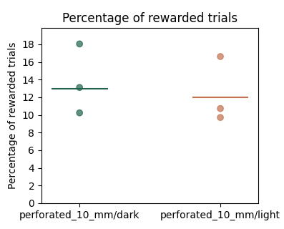
Diyar | 2023-08-11 | 27 | 4 | no train
Juan | 2023-08-12 | 28 | 4 | no train
Juan | 2023-08-13 | 29 | 4 | no train
Juan | 2023-08-14 | 30 | 4 | perforated_10_mm | 779 | 66 |  | 8%
Juan | 2023-08-15 | 31 | 4 | perforated_10_mm | 573 | 72 |  | 13%
Diyar | 2023-08-16 | 32 | 4 | perforated_10_mm | 486 | 79 |  | 16%
Juan | 2023-08-17 | 33 | 4 | perforated_10_mm/dark | 694 | 71 |  | 10%
Juan | 2023-08-18 | 34 | 4 | perforated_10_mm/light | 670 | 65 |  | 10%
Juan | 2023-08-19 | 35 | 4 | no train
Juan | 2023-08-20 | 36 | 4 | no train
Juan | 2023-08-21 | 37 | 4 | perforated_10_mm/dark | 557 | 73 |  | 13%
Juan | 2023-08-22 | 38 | 4 | perforated_10_mm/light | 541 | 58 |  | 11%
Diyar | 2023-08-23 | 39 | 4 | perforated_10_mm/dark | 510 | 91 |  | 18%
Juan | 2023-08-24 | 40 | 4 | perforated_10_mm/light | 608 | 101 |  | 17%
dropped | dropped | dropped | dropped | dropped | dropped | dropped | dropped | dropped

coop022x023
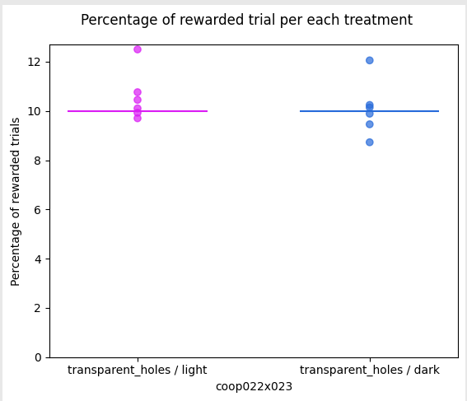
Trainer | Date | Day | Stage | Barrier Type | N trials | Rewarded trials coop022 | Rewarded trials coop023 | Percent Rewarded |  |  | Stage Definitions | 1 | 2 | 3 | 4
Juan | 2023-06-21 | 1 | 1 | perforated_5_mm | 84 | 43 | 58 | 60% |  |  | Subject | coop022x023 | coop022x023 | coop022x023 | coop022x023
Juan | 2023-06-22 | 2 | 1 | perforated_5_mm | 104 | 71 | 53 | 60% |  |  | Water delivery | 0.03 sec | 0.03 sec | 0.03 sec | 0.03 sec
Juan | 2023-06-23 | 3 | 2 | perforated_5_mm | 358 | 11 |  | 3% | pokePerMouse=1 |  | Water frequency | 2 | 3 | 3 | 2
Juan | 2023-06-24 | 4 | 2 | perforated_5_mm | 399 | 20 |  | 5% | pokePerMouse=1 |  | Wait time | 3 | 0.5 | 0.5 | 0.5
Juan | 2023-06-25 | 5 | 2 | perforated_5_mm | 429 | 22 |  | 5% | pokePerMouse=1 |  | Inter-trial interval (ITI) | 10 | 10 | 10 | 10
Juan | 2023-06-26 | 6 | 2 | perforated_5_mm | 930 | 44 |  | 5% | pokePerMouse=3 |  | Poke per mouse | n/a | 1--10 | 10 | 10
Juan | 2023-06-27 | 7 | 2 | perforated_5_mm | 712 | 20 |  | 3% | pokePerMouse=3 |  | Target poke per mouse | n/a | 10 | 10 | 10
Diyar | 2023-06-28 | 8 | 2 | perforated_5_mm | 851 | 13 |  | 2% | pokePerMouse=3 |  | Task mode | auto lights | cooperation_lights | cooperation_lights | cooperation
Juan | 2023-06-29 | 9 | 2 | perforated_5_mm | 777 | 29 |  | 4% | pokePerMouse=4 |  | Activate poke increment | "False" | "True" | "False" | "False"
Diyar | 2023-06-30 | 10 | 2 | perforated_5_mm | 775 | 23 |  | 3% | pokePerMouse=4 | video didn't save | Max port repetition | 3 | 3 | 3 | 3
Juan | 2023-07-01 | 11 | 2 | perforated_5_mm | 967 | 45 |  | 5% | pokePerMouse=6 |  | Next port after fail | Same | Same | Same | Same
Diyar | 2023-07-02 | 12 | 2 | perforated_5_mm | 559 | 16 |  | 3% | pokePerMouse=8 | MISTAKE!! I put 8 instead of 6 | Barrier | perforated | perforated | perforated | perforated
Juan | 2023-07-03 | 13 | 2 | perforated_5_mm | 800 | 37 |  | 5% | pokePerMouse=7 |  | Section duration (min) | 60 | 60 | 60 | 60
Diyar | 2023-07-04 | 14 | 2 | perforated_5_mm | 570 | 41 |  | 7% | pokePerMouse=8 |  | Max. rewarded trials | 277 | 270-300 | 270-301 | 270-302
Diyar | 2023-07-05 | 15 | 2 | perforated_5_mm | 960 | 51 |  | 5% | pokePerMouse=10 |  | Mice DOB | 2023-02-26 |  | females
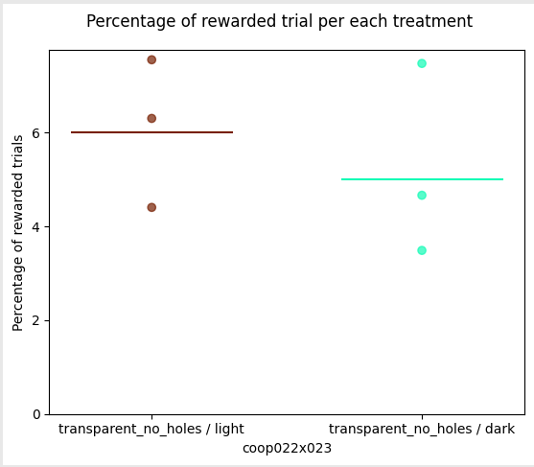
Juan | 2023-07-06 | 16 | 3 | perforated_5_mm | 768 | 38 |  | 5%
Juan | 2023-07-07 | 17 | 3 | perforated_5_mm | 647 | 57 |  | 9% | decrease drops to 2
Juan | 2023-07-08 | 18 | 3 | perforated_5_mm | 694 | 84 |  | 12%
Diyar | 2023-07-09 | 19 | 4 | perforated_5_mm | 542 | 49 |  | 9%
Juan | 2023-07-10 | 20 | 4 | perforated_5_mm | 553 | 58 |  | 10%
Juan | 2023-07-11 | 21 | 4 | perforated_5_mm | 670 | 54 |  | 8%
Juan | 2023-07-12 | 22 | 4 | perforated_5_mm | 526 | 52 |  | 10% | 1 drop
Juan | 2023-07-13 | 23 | 4 | perforated_5_mm | 535 | 61 |  | 11% | 2 drops
Juan | 2023-07-14 | 24 | 4 | Transparent_holes | 746 | 61 |  | 8% | 3 drops | barrier modified
Juan | 2023-07-15 | 25 | 4 | Transparent_holes | 709 | 59 |  | 8%
Diyar | 2023-07-16 | 26 | 4 | Transparent_holes | 657 | 60 |  | 9% | 2 drops
Juan | 2023-07-17 | 27 | 4 | Transparent_holes / light | 622 | 65 |  | 10%
Juan | 2023-07-18 | 28 | 4 | Transparent_holes / dark | 718 | 71 |  | 10%
Diyar | 2023-07-19 | 29 | 4 | Transparent_holes / light | 773 | 75 |  | 10%
Juan | 2023-07-20 | 30 | 4 | Transparent_holes / dark | 825 | 72 |  | 9%
Diyar | 2023-07-21 | 31 | 4 | Transparent_holes / light | 816 | 81 |  | 10%
Juan | 2023-07-22 | 32 | 4 | Transparent_holes / dark | 589 | 71 |  | 12%
Diyar | 2023-07-23 | 33 | 4 | Transparent_holes / light | 680 | 85 |  | 13%
Juan | 2023-07-24 | 34 | 4 | Transparent_holes / dark | 742 | 76 |  | 10%
Juan | 2023-07-25 | 35 | 4 | Transparent_holes / light | 669 | 72 |  | 11% | drops = 3
Diyar | 2023-07-26 | 36 | 4 | Transparent_holes / dark | 719 | 68 |  | 9%
Juan | 2023-07-27 | 37 | 4 | Transparent_holes / light | 673 | 68 |  | 10%
Diyar | 2023-07-28 | 38 | 4 | Transparent_holes / dark | 710 | 72 |  | 10%
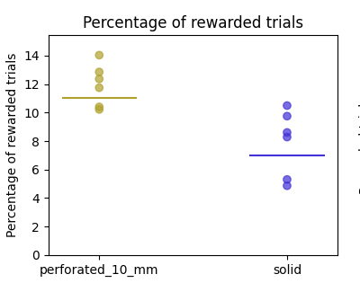
Juan | 2023-07-29 | 39 | 4 | Transparent_holes | 626 | 77 |  | 12%
Diyar | 2023-07-30 | 40 | 4 | solid | 1208 | 57 |  | 5%
Juan | 2023-07-31 | 41 | 4 | Transparent_holes | 827 | 79 |  | 10%
Juan | 2023-08-01 | 42 | 4 | solid | 1141 | 64 |  | 6%
Diyar | 2023-08-02 | 43 | 4 | Transparent_holes | 886 | 85 |  | 10%
Juan | 2023-08-03 | 44 | 4 | solid | 1106 | 62 |  | 6%
Diyar | 2023-08-04 | 45 | 4 | Transparent_holes | 769 | 99 |  | 13% | drops = 2
Juan | 2023-08-05 | 46 | 4 | solid | 1061 | 57 |  | 5%
Diyar | 2023-08-06 | 47 | 4 | Transparent_holes | 672 | 101 |  | 15%
Juan | 2023-08-07 | 48 | 4 | solid | 1095 | 59 |  | 5%
Juan | 2023-08-08 | 49 | 4 | perforated_10_mm/10 pokes | 740 | 68 |  | 9%
Diyar | 2023-08-09 | 50 | 4 | solid/10 pokes | 446 | 5 |  | 1%
Diyar | 2023-08-10 | 51 | 4 | perforated_10_mm/10 pokes | 432 | 55 |  | 13%
Diyar | 2023-08-11 | 52 | 4 | solid/10 pokes | 712 | 7 |  | 1%
Juan | 2023-08-12 | 53 | 4 | perforated_10_mm/10 pokes | 689 | 60 |  | 9%
Juan | 2023-08-13 | 54 | 4 | solid/10 pokes | 1041 | 57 |  | 5%
Juan | 2023-08-14 | 55 | 4 | perforated_10_mm/10 pokes | 595 | 58 |  | 10%
Juan | 2023-08-15 | 56 | 4 | solid/10 pokes | 623 | 3 |  | 0%
Diyar | 2023-08-16 | 57 | 4 | perforated_10_mm | 215 | 130 |  | 60% | Mistake: I used cooperation lights
Juan | 2023-08-17 | 58 | 4 | perforated_10_mm/10 pokes | 724 | 76 |  | 10%
Juan | 2023-08-18 | 59 | 4 | solid/10 pokes | 949 | 14 |  | 1%
Juan | 2023-08-19 | 60 | 4 | perforated_10_mm/10 pokes | 753 | 68 |  | 9%
Juan | 2023-08-20 | 61 | 4 | solid/10 pokes
Juan | 2023-08-21 | 62 | 4 | perforated_10_mm/10 pokes | 651 | 87 |  | 13%
Juan | 2023-08-22 | 63 | 4 | solid/10 pokes | 1241 | 58 |  | 5%
Diyar | 2023-08-23 | 64 | 4 | perforated_10_mm/5 pokes | 725 | 71 |  | 10% | pokesPerMouse=5
Juan | 2023-08-24 | 65 | 4 | solid/5 pokes | 1282 | 68 |  | 5%
Diyar | 2023-08-25 | 66 | 4 | perforated_10_mm/5 pokes | 773 | 79 |  | 10%
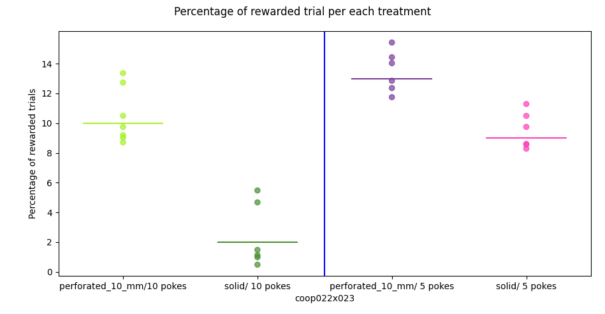
Juan | 2023-08-26 | 67 | 4 | no train
Juan | 2023-08-27 | 68 | 4 | no train
Juan | 2023-08-28 | 69 | 4 | solid/5 pokes | 1398 | 68 |  | 5%
Juan | 2023-08-29 | 70 | 4 | perforated_10_mm/5 pokes | 715 | 84 |  | 12%
Juan | 2023-08-30 | 71 | 4 | solid/5 pokes | 964 | 94 |  | 10%
Juan | 2023-08-31 | 72 | 4 | perforated_10_mm/5 pokes | 684 | 96 |  | 14%
Juan | 2023-09-01 | 73 | 4 | solid/5 pokes | 972 | 102 |  | 10%
Juan | 2023-09-02 | 74 | 4 | no train
Juan | 2023-09-03 | 75 | 4 | no train
Juan | 2023-09-04 | 76 | 4 | perforated_10_mm/5 pokes | 848 | 109 |  | 13%
Juan | 2023-09-05 | 77 | 4 | solid/5 pokes | 1161 | 100 |  | 9%
Juan | 2023-09-06 | 78 | 4 | solid/5 pokes | 1159 | 96 |  | 8%
Juan | 2023-09-07 | 79 | 4 | perforated_10_mm/5 pokes | 922 | 114 |  | 12%
Juan | 2023-09-08 | 80 | 4 | perforated_10_mm/5 pokes | 752 | 116 |  | 15%
Juan | 2023-09-09 | 81 | 4 | no train
Juan | 2023-09-10 | 82 | 4 | no train
Juan | 2023-09-11 | 83 | 4 | solid/5 pokes | 1063 | 91 |  | 9%
Juan | 2023-09-12 | 84 | 4 | perforated_10_mm/5 pokes | 769 | 111 |  | 14%
Juan | 2023-09-13 | 85 | 4 | solid/5 pokes | 930 | 105 |  | 11%
Juan | 2023-09-14 | 86 | 4 | perforated_10_mm | 691 | 99 |  | 14% | pokesPerMouse=10
Juan | 2023-09-15 | 87 | 4 | solid | 1227 | 69 |  | 6%
Juan | 2023-09-16 | 88 | 4 | no train
Juan | 2023-09-17 | 89 | 4 | no train
Juan | 2023-09-18 | 90 | 4 | perforated_10_mm | 638 | 108 |  | 17%
Juan | 2023-09-19 | 91 | 4 | solid | 1259 | 74 |  | 6%
Jacob | 2023-09-20 | 92 | 4 | perforated_10_mm | 704 | 95 |  | 13%
Juan | 2023-09-21 | 93 | 4 | solid | 1122 | 69 |  | 6%
Juan | 2023-09-22 | 94 | 4 | perforated_10_mm | 716 | 90 |  | 13%
Jacob | 2023-09-23 | 95 | 4 | no train
Jacob | 2023-09-24 | 96 | 4 | no train
Juan | 2023-09-25 | 97 | 4 | perforated_10_mm / dark | 880 | 84 |  | 10%
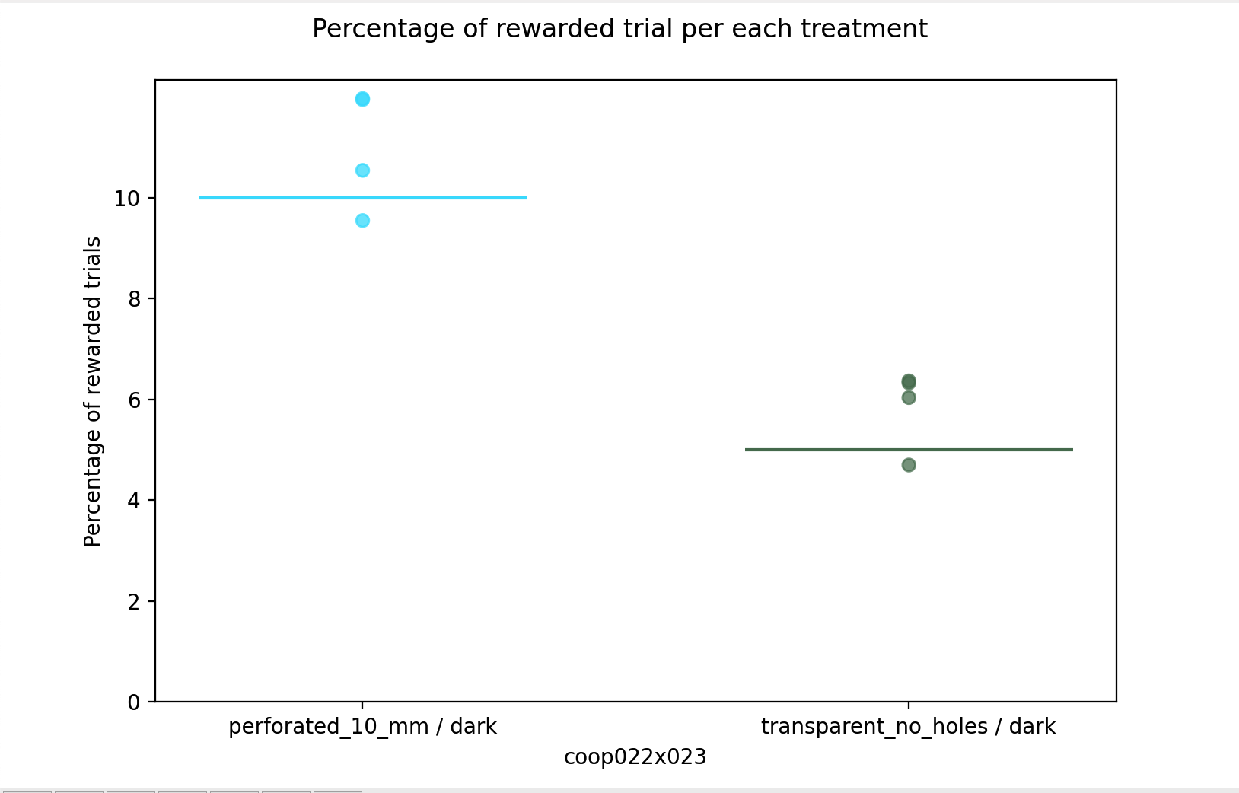
Juan | 2023-09-26 | 98 | 4 | transparent_no_holes / dark | 1155 | 73 |  | 6%
Juan | 2023-09-27 | 99 | 4 | perforated_10_mm / dark | 740 | 78 |  | 11%
Juan | 2023-09-28 | 100 | 4 | transparent_no_holes / dark | 1107 | 52 |  | 5%
Juan | 2023-09-29 | 101 | 4 | perforated_10_mm / dark | 794 | 95 |  | 12%
Juan | 2023-09-30 | 102 | 4 | no train
Diyar | 2023-10-01 | 103 | 4 | no train
Juan | 2023-10-02 | 104 | 4 | transparent_no_holes / dark | 1044 | 63 |  | 6%
Juan | 2023-10-03 | 105 | 4 | perforated_10_mm / dark | 787 | 94 |  | 12%
Juan | 2023-10-04 | 106 | 4 | transparent_no_holes / dark | 1084 | 69 |  | 6%
Diyar | 2023-10-05 | 107 | 4 | perforated_10_mm / dark | 721 | 71 |  | 10%
Juan | 2023-10-06 | 108 | 4 | transparent_no_holes / dark | 1156 | 44 |  | 4%
Juan | 2023-10-07 | 109 | 4 | no train
Diyar | 2023-10-08 | 110 | 4 | no train
Juan | 2023-10-09 | 111 | 4 | transparent_no_holes / light | 1047 | 66 |  | 6%
Juan | 2023-10-10 | 112 | 4 | transparent_no_holes / dark | 1072 | 50 |  | 5%
Juan | 2023-10-11 | 113 | 4 | transparent_no_holes / light | 953 | 72 |  | 8%
Diyar | 2023-10-12 | 114 | 4 | transparent_no_holes / dark | 1233 | 43 |  | 3%
Juan | 2023-10-13 | 115 | 4 | transparent_no_holes / light | 1067 | 47 |  | 4%
Juan | 2023-10-14 | 116 | 4 | no train
Diyar | 2023-10-15 | 117 | 4 | no train
Juan | 2023-10-16 | 118 | 4 | transparent_no_holes / dark | 963 | 72 |  | 7%
drop | drop | drop | drop | drop | drop | drop | drop | drop | drop

coop024x025
Trainer | Date | Day | Stage | Barrier Type | N trials | Rewarded trials coop024 | Rewarded trials coop025 | Percent Rewarded |  |  | Stage Definitions | 1 | 2 | 3 | 4
Juan | 2023-08-08 | 1 | 1 | perforated_10_mm | 65 | 49 | 26 | 58% |  |  | Subject | coop024x025 | coop024x025 | coop024x025 | coop024x025
Diyar | 2023-08-09 | 2 | 1 | perforated_10_mm | 114 | 68 | 79 | 64% |  |  | Water delivery | 0.03 sec | 0.03 sec | 0.03 sec | 0.03 sec
Diyar | 2023-08-10 | 3 | 1 | perforated_10_mm | 193 | 126 | 129 | 66% |  |  | Water frequency | 1 | 3 | 3 | 2
Diyar | 2023-08-11 | 4 | 2 | perforated_10_mm | 319 | 100 |  | 31% | Initialpoke=1. poke increment=false. drops=3 |  | Wait time | 3 | 0.5 | 0.5 | 0.5
Juan | 2023-08-12 | 5 | 2 | perforated_10_mm | 623 | 56 |  | 9% | Initialpoke=1. poke increment=false. drops=3 |  | Inter-trial interval (ITI) | 10 | 10 | 10 | 10
Juan | 2023-08-13 | 6 | 2 | perforated_10_mm | 417 | 0 |  | 0% | initialpoke=3. poke increment=false. drops=3 |  | Poke per mouse | n/a | 1--10 | 10 | 10
Juan | 2023-08-14 | 7 | 2 | perforated_10_mm | 897 | 75 |  | 8% | intialpoke=1. poke increment=false. drops=3 |  | Target poke per mouse | n/a | 10 | 10 | 10
Juan | 2023-08-15 | 8 | 2 | perforated_10_mm | 1054 | 52 |  | 5% | initialpoke=1. targetPoke = 5. poke increment=true. drops=3. threshold = 10. . increment=2 |  | Task mode | auto lights | cooperation_lights | cooperation_lights | cooperation
Diyar | 2023-08-16 | 9 | 2 | perforated_10_mm | 904 | 39 |  | 4% | intialpoke=3. targetPoke = 5. poke increment=true. drops=3. threshold = 10.. increment= 2 |  | Activate poke increment | "False" | "True" | "False" | "False"
Juan | 2023-08-17 | 10 | 2 | perforated_10_mm | 1071 | 58 |  | 5% | initialpoke=3. targetPoke = 5. poke increment=true. drops=3. threshold = 10.. increment= 2 |  | Max port repetition | 3 | 3 | 3 | 3
Juan | 2023-08-18 | 11 | 2 | perforated_10_mm | 904 | 64 |  | 7% | initialpoke=5. targetPoke = 7. poke increment=true. drops=3. threshold = 10. increment= 2 |  | Next port after fail | Same | Same | Same | Same
Juan | 2023-08-19 | 12 | 2 | perforated_10_mm | 1116 | 46 |  | 4% | initialpoke=5. targetPoke = 7. poke increment=true. drops=3. threshold = 10. increment= 2 |  | Barrier | perforated_10_mm | perforated_10_mm | perforated_10_mm | perforated_10_mm
Juan | 2023-08-20 | 13 | 2 | perforated_10_mm | 1032 | 67 |  | 6% | initialpoke=5. targetPoke = 7. poke increment=true. drops=3. threshold = 10. increment= 2 |  | Section duration (min) | 60 | 60 | 60 | 60
Juan | 2023-08-21 | 14 | 2 | perforated_10_mm | 1095 | 54 |  | 5% | initialpoke=7. targetPoke = 10. poke increment=true. drops=3. threshold = 10. increment= 3 |  | Max. rewarded trials | 277 | 270-300 | 270-301 | 270-302
Juan | 2023-08-22 | 15 | 2 | perforated_10_mm | 904 | 68 |  | 8% | initialpoke=7. targetPoke = 10. poke increment=true. drops=3. threshold = 10. increment= 4 |  | Mice DOB | 2023-04-25 | male
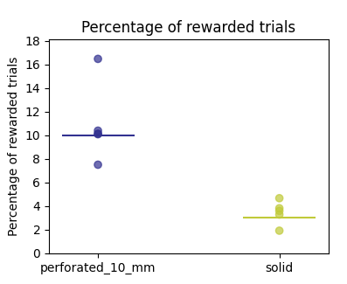
Diyar | 2023-08-23 | 16 | 3 | perforated_10_mm | 749 | 67 |  | 9% | poke=10
Juan | 2023-08-24 | 17 | 3 | perforated_10_mm | 864 | 82 |  | 9%
Diyar | 2023-08-25 | 18 | 4 | perforated_10_mm | 670 | 40 |  | 6%
Juan | 2023-08-26 | 19 | 4 | perforated_10_mm | 715 | 53 |  | 7%
Juan | 2023-08-27 | 20 | 4 | perforated_10_mm | 624 | 69 |  | 11%
Juan | 2023-08-28 | 21 | 4 | perforated_10_mm | 751 | 98 |  | 13% | drops=2
Juan | 2023-08-29 | 22 | 4 | solid | 1463 | 28 |  | 2%
Juan | 2023-08-30 | 23 | 4 | perforated_10_mm | 933 | 70 |  | 8%
Juan | 2023-08-31 | 24 | 4 | solid | 1372 | 45 |  | 3%
Juan | 2023-09-01 | 25 | 4 | perforated_10_mm | 790 | 80 |  | 10%
Juan | 2023-09-02 | 26 | 4 | solid | 1285 | 49 |  | 4%
Juan | 2023-09-03 | 27 | 4 | perforated_10_mm | 504 | 83 |  | 16%
Juan | 2023-09-04 | 28 | 4 | solid | 1136 | 53 |  | 5%
Juan | 2023-09-05 | 29 | 4 | perforated_10_mm | 793 | 80 |  | 10%
Juan | 2023-09-06 | 30 | 4 | no train
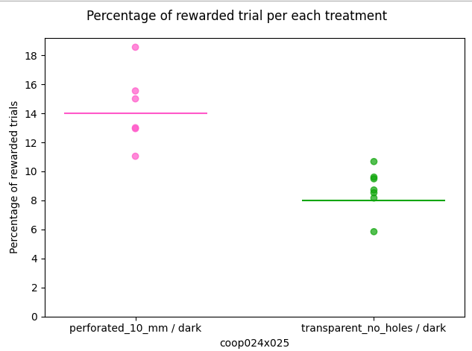
Juan | 2023-09-07 | 31 | 4 | solid | 1337 | 48 |  | 4%
Juan | 2023-09-08 | 32 | 4 | transparent_no_holes / dark | 1010 | 59 |  | 6%
Juan | 2023-09-09 | 33 | 4 | perforated_10_mm / dark | 797 | 88 |  | 11%
Juan | 2023-09-10 | 34 | 4 | transparent_no_holes / dark | 1044 | 89 |  | 9%
Juan | 2023-09-11 | 35 | 4 | perforated_10_mm / dark | 624 | 97 |  | 16%
Juan | 2023-09-12 | 36 | 4 | transparent_no_holes / dark | 784 | 64 |  | 8%
Juan | 2023-09-13 | 37 | 4 | perforated_10_mm / dark | 582 | 108 |  | 19%
Juan | 2023-09-14 | 38 | 4 | transparent_no_holes / dark | 1113 | 97 |  | 9%
Juan | 2023-09-15 | 39 | 4 | perforated_10_mm / dark | 640 | 96 |  | 15%
Jacob | 2023-09-16 | 40 | 4 | transparent_no_holes / dark | 918 | 98 |  | 11%
Jacob | 2023-09-17 | 41 | 4 | perforated_10_mm / dark | 761 | 99 |  | 13%
Juan | 2023-09-18 | 42 | 4 | transparent_no_holes / dark | 885 | 85 |  | 10%
Juan | 2023-09-19 | 43 | 4 | perforated_10_mm / dark | 703 | 91 |  | 13%
Jacob | 2023-09-20 | 44 | 4 | transparent_no_holes / dark | 780 | 74 |  | 9%
Juan | 2023-09-21 | 45 | 4 | transparent_no_holes / light | 625 | 51 |  | 8%
Juan | 2023-09-22 | 46 | 4 | transparent_no_holes / light | 884 | 52 |  | 6%
Jacob | 2023-09-23 | 47 | 4 | transparent_no_holes / light | 747 | 41 |  | 5% | Resolution: 960x720 | Video size: 7.5 GB
Jacob | 2023-09-24 | 48 | 4 | transparent_no_holes / light | 1015 | 25 |  | 2%
Juan | 2023-09-25 | 49 | 4 | transparent_no_holes / light | 862 | 48 |  | 6%
Juan | 2023-09-26 | 50 | 4 | transparent_no_holes / light | 698 | 45 |  | 6% | level 3 of light (max) | Resolution: 800x448
Juan | 2023-09-27 | 51 | 4 | transparent_no_holes / light | 690 | 31 |  | 4% | level 3 of light (max)
Juan | 2023-09-28 | 52 | 4 | perforated_10_mm | 599 | 64 |  | 11%
Juan | 2023-09-29 | 53 | 4 | perforated_10_mm | 687 | 106 |  | 15%
Juan | 2023-09-30 | 54 | 4 | no train
Diyar | 2023-10-01 | 55 | 4 | no train
Juan | 2023-10-02 | 56 | 4 | perforated_10_mm | 668 | 49 |  | 7%
Juan | 2023-10-03 | 57 | 4 | perforated_10_mm | 737 | 100 |  | 14%
Juan | 2023-10-04 | 58 | 4 | perforated_10_mm | 526 | 95 |  | 18%
Diyar | 2023-10-05 | 59 | 4 | solid | 1005 | 47 |  | 5%
Juan | 2023-10-06 | 60 | 4 | perforated_10_mm | 589 | 59 |  | 10%
Juan | 2023-10-07 | 61 | 4 | no train
Diyar | 2023-10-08 | 62 | 4 | no train
Juan | 2023-10-09 | 63 | 4 | solid | 972 | 26 |  | 3%
Juan | 2023-10-10 | 64 | 4 | perforated_10_mm | 713 | 118 |  | 17%
Juan | 2023-10-11 | 65 | 4 | solid | 1049 | 66 |  | 6%
Diyar | 2023-10-12 | 66 | 4 | perforated_10_mm | 692 | 111 |  | 16% | ran extra 10 minutes
Juan | 2023-10-13 | 67 | 4 | perforated_10_mm | 775 | 94 |  | 12%
Juan | 2023-10-14 | 68 | 4 | no train
Diyar | 2023-10-15 | 69 | 4 | no train
Juan | 2023-10-16 | 70 | 4 | perforated_10_mm | 566 | 95 |  | 17%
Juan | 2023-10-17 | 71 | 4 | solid | 1125 | 67 |  | 6%
Juan | 2023-10-18 | 72 | 4 | perforated_10_mm | 645 | 112 |  | 17%
Diyar | 2023-10-19 | 73 | 4 | solid | 1124 | 82 |  | 7%
Juan | 2023-10-20 | 74 | 4 | no train
Juan | 2023-10-21 | 75 | 4 | no train
Diyar | 2023-10-22 | 76 | 4 | transparent_no_holes / light | 743 | 70 |  | 9%
Juan | 2023-10-23 | 77 | 4 | transparent_no_holes / dark | 1171 | 67 |  | 6%
Juan | 2023-10-24 | 78 | 4 | transparent_no_holes / light | 751 | 87 |  | 12%
Juan | 2023-10-25 | 79 | 4 | transparent_no_holes / dark | 943 | 120 |  | 13%
Diyar | 2023-10-26 | 80 | 4 | transparent_no_holes / light | 515 | 55 |  | 11%
Juan | 2023-10-27 | 81 | 4 | transparent_no_holes / dark | 657 | 86 |  | 13%
Juan | 2023-10-28 | 82 | 4 | no train
Diyar | 2023-10-29 | 83 | 4 | no train
Juan | 2023-10-30 | 84 | 4 | transparent_no_holes / light | 619 | 56 |  | 9%
Juan | 2023-10-31 | 85 | 4 | transparent_no_holes / dark | 1014 | 107 |  | 11%
Juan | 2023-11-01 | 86 | 4 | transparent_no_holes / light | 937 | 96 |  | 10%
Diyar | 2023-11-02 | 87 | 4 | transparent_no_holes / dark | 700 | 7 |  | 1%
Juan | 2023-11-03 | 88 | 4 | transparent_no_holes / light | 757 | 96 |  | 13%
Juan | 2023-11-04 | 89 | 4 | no train
Diyar | 2023-11-05 | 90 | 4 | no train
Juan | 2023-11-06 | 91 | 4 | transparent_no_holes / dark | 756 | 44 |  | 6%
Juan | 2023-11-07 | 92 | 4 | transparent_no_holes / light | 858 | 92 |  | 11%
Juan | 2023-11-08 | 93 | 4 | transparent_no_holes / dark | 790 | 111 |  | 14%
drop | drop | drop | drop | drop | drop | drop | drop | drop

coop026x027
Trainer | Date | Day | Stage | Barrier Type | N trials | Rewarded trials coop026 | Rewarded trials coop027 | Percent Rewarded |  |  | Stage Definitions | 1 | 2 | 3 | 4
Juan | 2023-08-08 | 1 | 1 | perforated_10_mm | 79 | 36 | 49 | 54% |  |  | Subject | coop026x027 | coop026x027 | coop026x027 | coop026x027
Diyar | 2023-08-09 | 2 | 1 | perforated_10_mm | 169 | 139 | 78 | 64% |  |  | Water delivery | 0.03 sec | 0.03 sec | 0.03 sec | 0.03 sec
Diyar | 2023-08-10 | 3 | 1 | perforated_10_mm | 202 | 146 | 168 | 78% |  |  | Water frequency | 1 | 3 | 3 | 2
Diyar | 2023-08-11 | 4 | 2 | perforated_10_mm | 775 | 72 |  | 9% | initialPoke=1. poke increment=false. drops=3 |  | Wait time | 3 | 0.5 | 0.5 | 0.5
Juan | 2023-08-12 | 5 | 2 | perforated_10_mm | 836 | 79 |  | 9% | initialPoke=1. poke increment=false. drops=3 |  | Inter-trial interval (ITI) | 10 | 10 | 10 | 10
Juan | 2023-08-13 | 6 | 2 | perforated_10_mm | 1018 | 62 |  | 6% | initialPoke=3. poke increment=false. drops=3 |  | Poke per mouse | n/a | 1--10 | 10 | 10
Juan | 2023-08-14 | 7 | 2 | perforated_10_mm | 1043 | 55 |  | 5% | initialPoke=3. targetPoke = 5. poke increment=true. drops=3. threshold = 10.increment= 2 |  | Target poke per mouse | n/a | 10 | 10 | 10
Juan | 2023-08-15 | 8 | 2 | perforated_10_mm | 867 | 68 |  | 8% | initialPoke=3. targetPoke = 5. poke increment=true. drops=3. threshold = 10. increment= 2 |  | Task mode | auto lights | cooperation_lights | cooperation_lights | cooperation
Diyar | 2023-08-16 | 9 | 2 | perforated_10_mm | 936 | 51 |  | 5% | initialPoke=5. targetPoke = 7. poke increment=true. drops=3. threshold = 10. increment= 2 |  | Activate poke increment | "False" | "True" | "False" | "False"
Juan | 2023-08-17 | 10 | 2 | perforated_10_mm | 890 | 71 |  | 8% | initialPoke=5. targetPoke = 7. poke increment=true. drops=3. threshold = 10. increment= 3 |  | Max port repetition | 3 | 3 | 3 | 3
Juan | 2023-08-18 | 11 | 2 | perforated_10_mm | 798 | 84 |  | 11% | initialPoke=7. targetPoke = 10. poke increment=true. drops=3. threshold = 10. increment= 3 |  | Next port after fail | Same | Same | Same | Same
Juan | 2023-08-19 | 12 | 3 | perforated_10_mm | 807 | 76 |  | 9% | Poke = 10.drops=3 |  | Barrier | perforated | perforated | perforated | perforated
Juan | 2023-08-20 | 13 | 3 | perforated_10_mm | 691 | 92 |  | 13% | Poke = 10.drops=3 |  | Section duration (min) | 60 | 60 | 60 | 60
Juan | 2023-08-21 | 14 | 4 | perforated_10_mm | 684 | 51 |  | 7% |  |  | Max. rewarded trials | 277 | 270-300 | 270-301 | 270-302
Juan | 2023-08-22 | 15 | 4 | perforated_10_mm | 640 | 59 |  | 9% |  |  | Mice DOB | 2023-04-25 | male
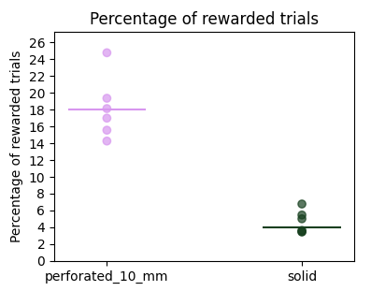
Diyar | 2023-08-23 | 16 | 4 | perforated_10_mm | 644 | 48 |  | 7%
Juan | 2023-08-24 | 17 | 4 | perforated_10_mm | 791 | 73 |  | 9%
Diyar | 2023-08-25 | 18 | 4 | perforated_10_mm | 849 | 40 |  | 5% | drops = 2
Juan | 2023-08-26 | 19 | 4 | perforated_10_mm | 847 | 77 |  | 9%
Juan | 2023-08-27 | 20 | 4 | perforated_10_mm | 652 | 93 |  | 14%
Juan | 2023-08-28 | 21 | 4 | solid | 1352 | 49 |  | 4%
Juan | 2023-08-29 | 22 | 4 | perforated_10_mm | 585 | 91 |  | 16%
Juan | 2023-08-30 | 23 | 4 | solid | 1238 | 62 |  | 5%
Juan | 2023-08-31 | 24 | 4 | perforated_10_mm | 624 | 106 |  | 17%
Juan | 2023-09-01 | 25 | 4 | solid | 842 | 46 |  | 5%
Juan | 2023-09-02 | 26 | 4 | perforated_10_mm | 502 | 91 |  | 18%
Juan | 2023-09-03 | 27 | 4 | solid | 960 | 65 |  | 7%
Juan | 2023-09-04 | 28 | 4 | perforated_10_mm | 403 | 78 |  | 19%
Juan | 2023-09-05 | 29 | 4 | solid | 1098 | 38 |  | 3%
Juan | 2023-09-06 | 30 | 4 | perforated_10_mm | 432 | 107 |  | 25%
Juan | 2023-09-07 | 31 | 4 | solid | 665 | 23 |  | 3%
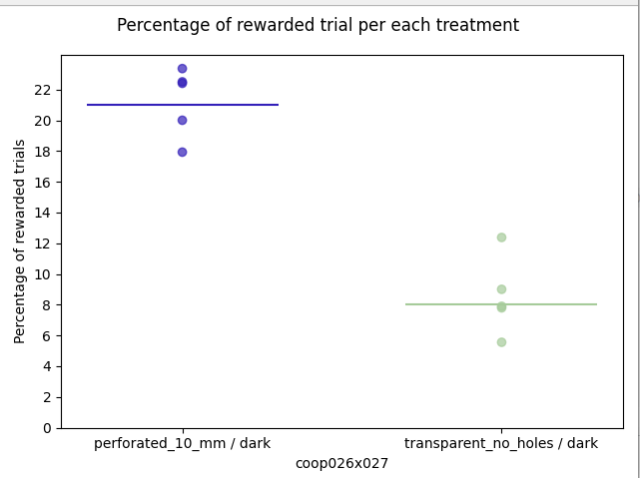
Juan | 2023-09-08 | 32 | 4 | transparent_no_holes / dark | 338 | 3 |  | 1% | first 10 min autolights
Juan | 2023-09-09 | 33 | 4 | no train
Juan | 2023-09-10 | 34 | 4 | no train
Juan | 2023-09-11 | 35 | 4 | perforated_10_mm / dark | 490 | 98 |  | 20%
Juan | 2023-09-12 | 36 | 4 | transparent_no_holes / dark | 1080 | 60 |  | 6%
Juan | 2023-09-13 | 37 | 4 | perforated_10_mm / dark | 433 | 97 |  | 22%
Juan | 2023-09-14 | 38 | 4 | transparent_no_holes / dark | 757 | 59 |  | 8%
Juan | 2023-09-15 | 39 | 4 | perforated_10_mm / dark | 351 | 82 |  | 23%
Jacob | 2023-09-16 | 40 | 4 | transparent_no_holes / dark | 823 | 65 |  | 8%
Jacob | 2023-09-17 | 41 | 4 | perforated_10_mm / dark | 440 | 99 |  | 23%
Juan | 2023-09-18 | 42 | 4 | transparent_no_holes / dark | 911 | 82 |  | 9%
Juan | 2023-09-19 | 43 | 4 | perforated_10_mm / dark | 569 | 102 |  | 18%
Jacob | 2023-09-20 | 44 | 4 | transparent_no_holes / dark | 897 | 111 |  | 12%
Juan | 2023-09-21 | 45 | 4 | transparent_no_holes / light | 653 | 90 |  | 14%
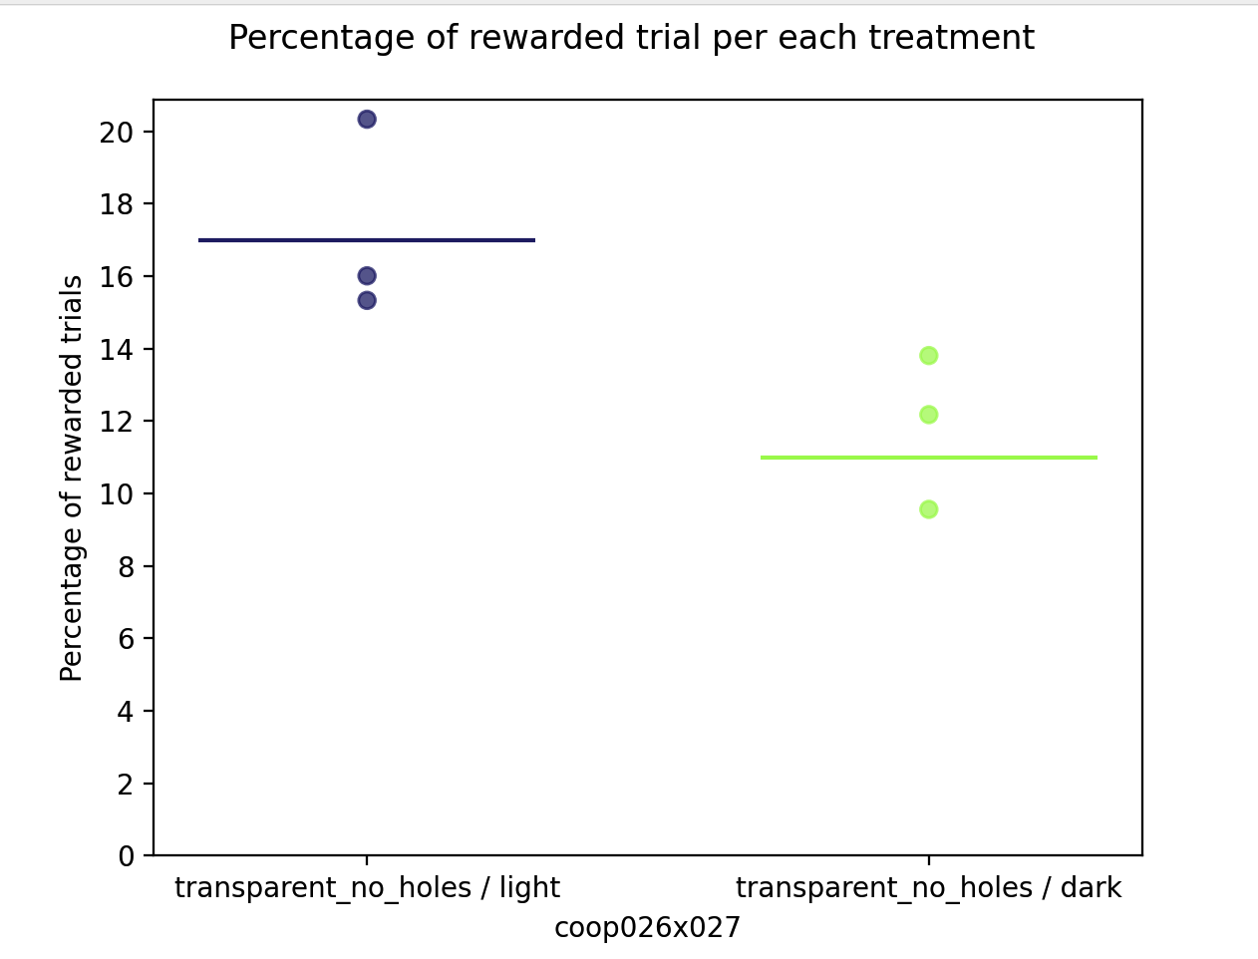
Juan | 2023-09-22 | 46 | 4 | transparent_no_holes / light | 711 | 98 |  | 14%
Jacob | 2023-09-23 | 47 | 4 | transparent_no_holes / light | 600 | 81 |  | 14% | resolution: 800x448 | Video size: 2.1 GB
Jacob | 2023-09-24 | 48 | 4 | transparent_no_holes / light | 709 | 103 |  | 15%
Juan | 2023-09-25 | 49 | 4 | transparent_no_holes / light | 679 | 72 |  | 11%
Juan | 2023-09-26 | 50 | 4 | transparent_no_holes / light | 581 | 93 |  | 16% | start comparison | resolution: 1024x576
Juan | 2023-09-27 | 51 | 4 | transparent_no_holes / dark | 1046 | 100 |  | 10%
Juan | 2023-09-28 | 52 | 4 | transparent_no_holes / light | 802 | 99 |  | 12%
Juan | 2023-09-29 | 53 | 4 | transparent_no_holes / light | 502 | 106 |  | 21% | mistake: it should has been dark
Jacob | 2023-09-30 | 54 | 4 | transparent_no_holes / dark | 772 | 94 |  | 12%
Diyar | 2023-10-01 | 55 | 4 | transparent_no_holes / light | 561 | 86 |  | 15%
Juan | 2023-10-02 | 56 | 4 | transparent_no_holes / light | 423 | 86 |  | 20% | mistake: it should has been dark
Juan | 2023-10-03 | 57 | 4 | transparent_no_holes / dark | 775 | 107 |  | 14%
Juan | 2023-10-04 | 58 | 4 | perforated_10_mm | 384 | 118 |  | 31% | contrast = 100 | comparison in light to make recordings
Diyar | 2023-10-05 | 59 | 4 | solid | 779 | 6 |  | 1% | forgot to git pull, but everything looked the same
Juan | 2023-10-06 | 60 | 4 | perforated_10_mm | 380 | 111 |  | 29%
Juan | 2023-10-07 | 61 | 4 | no train
Diyar | 2023-10-08 | 62 | 4 | no train
Juan | 2023-10-09 | 63 | 4 | solid | 235 | 0 |  | 0%
Juan | 2023-10-10 | 64 | 4 | perforated_10_mm | 428 | 76 |  | 18%
Juan | 2023-10-11 | 65 | 4 | solid | 296 | 0 |  | 0%
Diyar | 2023-10-12 | 66 | 4 | perforated_10_mm | 360 | 42 |  | 12% | ran extra 30 minutes
Juan | 2023-10-13 | 67 | 4 | perforated_10_mm | 375 | 49 |  | 13%
Juan | 2023-10-14 | 68 | 4 | no train
Diyar | 2023-10-15 | 69 | 4 | no train
Juan | 2023-10-16 | 70 | 4 | perforated_10_mm | 336 | 75 |  | 22%
Juan | 2023-10-17 | 71 | 4 | solid | 432 | 19 |  | 4%
Juan | 2023-10-18 | 72 | 4 | perforated_10_mm | 535 | 117 |  | 22%
Diyar | 2023-10-19 | 73 | 4 | solid | 515 | 10 |  | 2%
stop | stop | stop | stop | stop | stop | stop | stop | stop

coop028x029
Trainer | Date | Day | Stage | Barrier Type | N trials | Rewarded trials coop028 | Rewarded trials coop029 | Percent Rewarded |  |  | Stage Definitions | 1 | 2 | 3 | 4
Juan | 2023-09-04 | 1 | 1 | perforated_10_mm | 82 | 45 | 52 | 59% |  |  | Subject | coop026x027 | coop026x027 | coop026x027 | coop026x027
Juan | 2023-09-05 | 2 | 1 | perforated_10_mm | 148 | 70 | 109 | 60% |  |  | Water delivery | 0.03 sec | 0.03 sec | 0.03 sec | 0.03 sec
Juan | 2023-09-06 | 3 | 1 | perforated_10_mm | 166 | 109 | 114 | 67% |  |  | Water frequency | 1 | 3 | 3 | 2
Juan | 2023-09-07 | 4 | 2 | perforated_10_mm | 779 | 51 |  | 7% | pokePerMouse=1 |  | Wait time | 3 | 0.5 | 0.5 | 0.5
Juan | 2023-09-08 | 5 | 2 | perforated_10_mm | 839 | 69 |  | 8% |  |  | Inter-trial interval (ITI) | 10 | 10 | 10 | 10
Juan | 2023-09-09 | 6 | 2 | perforated_10_mm | 1009 | 48 |  | 5% | pokePerMouse=3 |  | Poke per mouse | n/a | 1--5 | 5 | 5
Juan | 2023-09-10 | 7 | 2 | perforated_10_mm | 946 | 58 |  | 6% |  |  | Target poke per mouse | n/a | 5 | 5 | 5
Juan | 2023-09-11 | 8 | 2 | perforated_10_mm | 1009 | 31 |  | 3% | pokePerMouse=6 |  | Task mode | auto lights | cooperation_lights | cooperation_lights | cooperation
Juan | 2023-09-12 | 9 | 3 | perforated_10_mm | 1114 | 49 |  | 4% | pokePerMouse=5 |  | Activate poke increment | "False" | "True" | "False" | "False"
Juan | 2023-09-13 | 10 | 3 | perforated_10_mm | 1128 | 54 |  | 5% |  |  | Max port repetition | 3 | 3 | 3 | 3
Juan | 2023-09-14 | 11 | 3 | perforated_10_mm | 997 | 55 |  | 6% |  |  | Next port after fail | Same | Same | Same | Same
Juan | 2023-09-15 | 12 | 3 | perforated_10_mm | 707 | 63 |  | 9% |  |  | Barrier | perforated | perforated | perforated | perforated
Jacob | 2023-09-16 | 13 | 4 | perforated_10_mm | 693 | 43 |  | 6% | pokePerMouse=5 |  | Section duration (min) | 60 | 60 | 60 | 60
Jacob | 2023-09-17 | 14 | 4 | perforated_10_mm | 659 | 55 |  | 8% |  |  | Max. rewarded trials | 277 | 270-300 | 270-301 | 270-302
Juan | 2023-09-18 | 15 | 4 | perforated_10_mm | 685 | 63 |  | 9% |  |  | Mice DOB | 2023-05-23 | male
Juan | 2023-09-19 | 16 | 4 | perforated_10_mm | 649 | 69 |  | 11% | drops =2
Jacob | 2023-09-20 | 17 | 4 | solid/5 pokes | 427 | 0 |  | 0%
Juan | 2023-09-21 | 18 | 4 | perforated_10_mm/5 pokes | 467 | 55 |  | 12%
Juan | 2023-09-22 | 19 | 4 | solid/5 pokes | 859 | 66 |  | 8%
Jacob | 2023-09-23 | 20 | 4 | perforated_10_mm/5 pokes | 674 | 72 |  | 11% | Resolution: 640x360 |  | Video size: 955.8 MB
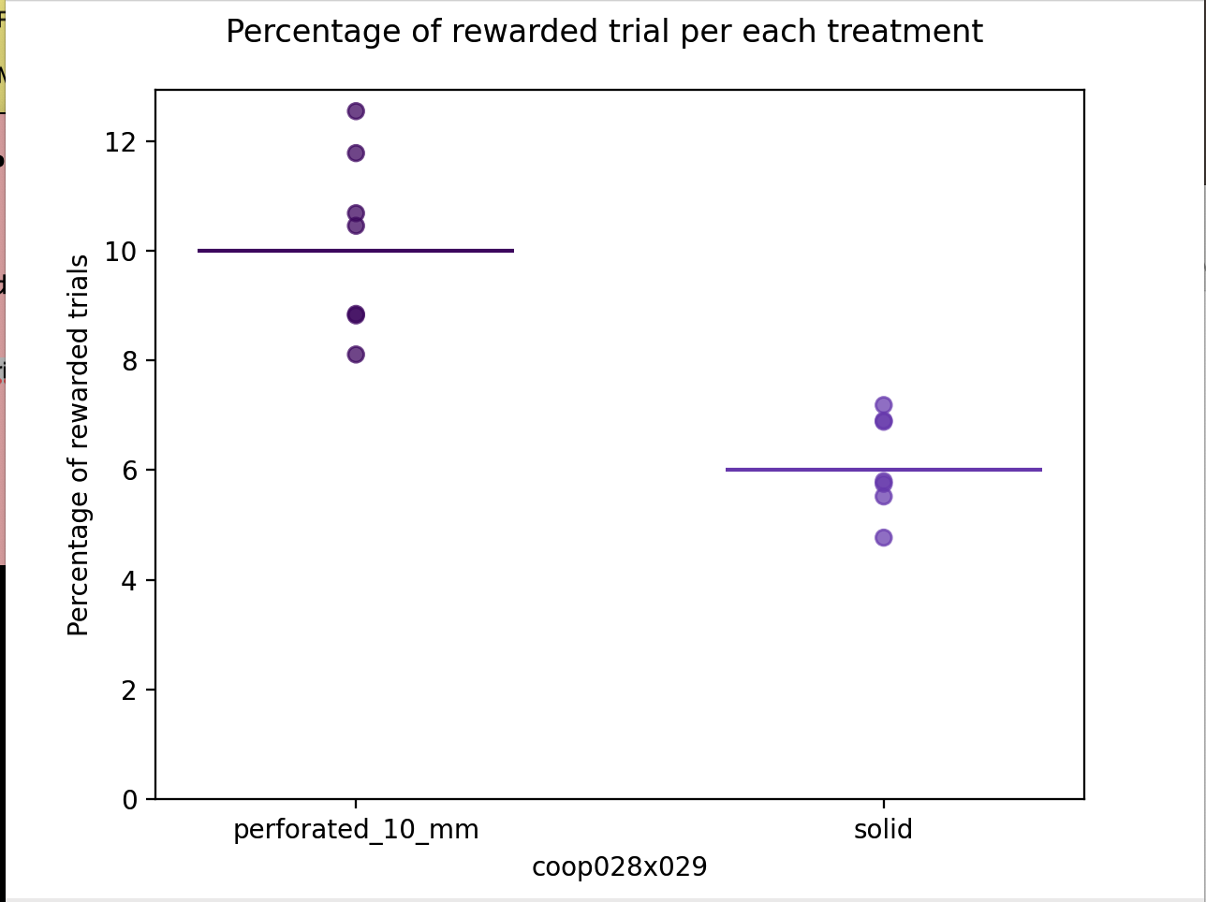
Jacob | 2023-09-24 | 21 | 4 | solid/5 pokes | 1132 | 54 |  | 5%
Juan | 2023-09-25 | 22 | 4 | perforated_10_mm/5 pokes | 749 | 66 |  | 9% | Resolution: 800x600
Juan | 2023-09-26 | 23 | 4 | solid/5 pokes | 1362 | 79 |  | 6% | resolution: 1920x1080 |  | 10 -19 fps/s
Juan | 2023-09-27 | 24 | 4 | perforated_10_mm/5 pokes | 925 | 75 |  | 8% | resolution: 1280x720
Juan | 2023-09-28 | 25 | 4 | solid/5 pokes | 1304 | 75 |  | 6%
Juan | 2023-09-29 | 26 | 4 | perforated_10_mm/5 pokes | 805 | 71 |  | 9%
Jacob | 2023-09-30 | 27 | 4 | solid/5 pokes | 1141 | 63 |  | 6%
Diyar | 2023-10-01 | 28 | 4 | perforated_10_mm/5 pokes | 598 | 75 |  | 13%
Juan | 2023-10-02 | 29 | 4 | solid/5 pokes | 1622 | 112 |  | 7% | mistake: run extra 30 min
Juan | 2023-10-03 | 30 | 4 | perforated_10_mm/5 pokes | 724 | 76 |  | 10%
Juan | 2023-10-04 | 31 | 4 | solid/5 pokes | 1155 | 83 |  | 7%
Diyar | 2023-10-05 | 32 | 4 | perforated_10_mm | 681 | 69 |  | 10%
Juan | 2023-10-06 | 33 | 2 | perforated_10_mm | 633 | 70 |  | 11% | train to 10 pokes | initialpoke=5. targetpoke : 7
Juan | 2023-10-07 | 34 | 2 | perforated_10_mm | 678 | 72 |  | 11% | initialpoke=5. targetpoke : 7
Diyar | 2023-10-08 | 35 | 2 | perforated_10_mm | 810 | 83 |  | 10% | initialpoke=7. targetpoke : 10
Juan | 2023-10-09 | 36 | 3 | perforated_10_mm | 622 | 67 |  | 11% | poke 10
Juan | 2023-10-10 | 37 | 3 | perforated_10_mm | 520 | 79 |  | 15%
Juan | 2023-10-11 | 38 | 4 | perforated_10_mm | 589 | 72 |  | 12%
diyar | 2023-10-12 | 39 | 4 | perforated_10_mm | 469 | 72 |  | 15%
Juan | 2023-10-13 | 40 | 4 | perforated_10_mm | 657 | 59 |  | 9% | drops =2
Juan | 2023-10-14 | 41 | 4 | perforated_10_mm | 570 | 91 |  | 16%
Diyar | 2023-10-15 | 42 | 4 | perforated_10_mm | 843 | 55 |  | 7% | extra 10 min
Juan | 2023-10-16 | 43 | 4 | solid | 1098 | 13 |  | 1%
Juan | 2023-10-17 | 44 | 4 | perforated_10_mm | 572 | 43 |  | 8%
Juan | 2023-10-18 | 45 | 4 | solid | 1093 | 14 |  | 1%
Diyar | 2023-10-19 | 46 | 4 | perforated_10_mm | 267 | 8 |  | 3%
Juan | 2023-10-20 | 47 | 4 | perforated_10_mm | 728 | 65 |  | 9%
Juan | 2023-10-21 | 48 | 4 | solid | 1024 | 8 |  | 1%
Diyar | 2023-10-22 | 49 | 4 | perforated_10_mm | 795 | 45 |  | 6%
Juan | 2023-10-23 | 50 | 4 | solid | 673 | 13 |  | 2%
Juan | 2023-10-24 | 51 | 4 | perforated_10_mm | 500 | 35 |  | 7%
Juan | 2023-10-25 | 52 | 4 | solid | 418 | 1 |  | 0%
Diyar | 2023-10-26 | 53 | 4 | perforated_10_mm | 266 | 7 |  | 3%
Juan | 2023-10-27 | 54 | 4 | perforated_10_mm | 705 | 56 |  | 8%
Juan | 2023-10-28 | 55 | 4 | no train
Diyar | 2023-10-29 | 56 | 4 | perforated_10_mm | 338 | 8 |  | 2%
Juan | 2023-10-30 | 57 | 4 | perforated_10_mm | 703 | 31 |  | 4%
Juan | 2023-10-31 | 58 | 4 | perforated_10_mm | 699 | 59 |  | 8%
Juan | 2023-11-01 | 59 | 4 | perforated_10_mm | 570 | 57 |  | 10%
Diyar | 2023-11-02 | 60 | 4 | perforated_10_mm | 371 | 3 |  | 1%
Juan | 2023-11-03 | 61 | 4 | perforated_10_mm | 736 | 38 |  | 5% | drops=3
Juan | 2023-11-04 | 62 | 4 | no train
Diyar | 2023-11-05 | 63 | 4 | perforated_10_mm | 494 | 59 |  | 12% | drops=3
Juan | 2023-11-06 | 64 | 4 | perforated_10_mm/10 pokes | 539 | 67 |  | 12% | drops=3
Juan | 2023-11-07 | 65 | 4 | solid/10 pokes | 1022 | 13 |  | 1% | drops=3
Juan | 2023-11-08 | 66 | 4 | perforated_10_mm/10 pokes | 712 | 68 |  | 10% | drops=3
Diyar | 2023-11-09 | 67 | 4 | solid/10 pokes | 792 | 3 |  | 0% | drops=3
Juan | 2023-11-10 | 68 | 4 | perforated_10_mm/10 pokes | 509 | 68 |  | 13%
Juan | 2023-11-11 | 69 | 4 | no train
Diyar | 2023-11-12 | 70 | 4 | no train
Juan | 2023-11-13 | 71 | 4 | solid/10 pokes | 567 | 6 |  | 1%
Juan | 2023-11-14 | 72 | 4 | perforated_10_mm/10 pokes | 373 | 59 |  | 16%
Juan | 2023-11-15 | 73 | 4 | solid/10 pokes | 1023 | 7 |  | 1%
Diyar | 2023-11-16 | 74 | 4 | perforated_10_mm/10 pokes
Juan | 2023-11-17 | 75 | 4 | solid
Drop | Drop | Drop | Drop | Drop | Drop | Drop | Drop | Drop | Drop

