Dating2
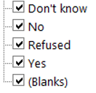
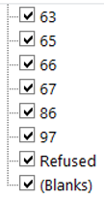
state | region | usr | sex | life_quality | use_internet | use_email | use_social_networking | use_twitter | use_reddit | googled_own_name | have_cell_phone | have_tablet | have_smart_phone | marital_status | in_relationship | years_in_relationship | looking_for_partner | met_partner_online | searched_for_ex_online | flirted_online | used_dating_site | age | have_children | children0_5 | children6_11 | children12_17 | adults_in_household | educ2 | emplnw | race | income | lgbt | weight | standwt | lq
...

