PhoneTeam_Dashboard_Summary
Phone Team Dashboard - Summary

This dashboard provides a YoY executive summary of the call data from a company's Insurance phone line (June 2021 - June 2022). The Insurance phone line had 2 call options: 1 for Authorizations, and 2 for Billing.
This is how to use the images to the left to navigate this dashboard:
Will bring you back to this summary page
Will take you to the "ALL" sheet, which summarizes all calls
Will take you to the "Option 1: Authorization" sheet, which summarizes only option 1 calls
Will take you to the "Option 2: Billing" sheet, which summarizes only option 2 calls
All charts, tables, and graphs are images, so there is no worry about messing up the filters.
Disclaimer: This is an executive summary of the call data. Discrepancies were noted, but these would be answered if:
a) The stakeholder wanted further analysis.
b) The data did not provide enough information to perform further analysis.
Feel free to connect via LinkedIn: https://www.linkedin.com/in/juan-vega-jr-82955269/

PhoneTeam_Dashboard_ALL
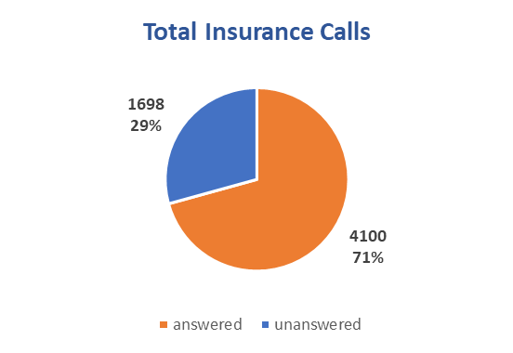
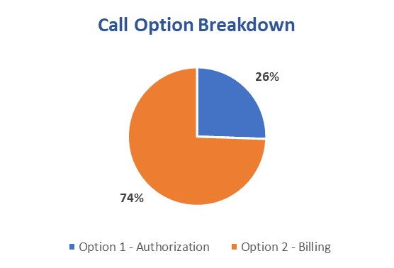
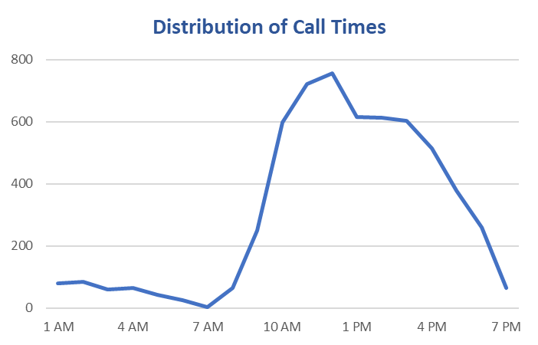
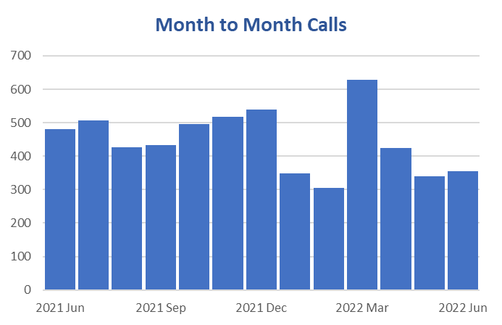
Phone Team Dashboard - ALL
Team Metrics

PhoneTeam_Dashboard_Opt1
Phone Team Dashboard - Option 1: Authorization
Metrics for the Authorization Team

Total Authorization Calls
 | Total
answered | 479
unanswered | 244
Authorization Breakdown
 | Total
EN1 | 570
TB1 | 350
TL1 | 564

Distribution of Call Times
 | Total
1 AM | 12
2 AM | 16
3 AM | 13
4 AM | 14
5 AM | 7
6 AM | 2
8 AM | 8
9 AM | 53
10 AM | 79
11 AM | 85
12 PM | 82
1 PM | 78
2 PM | 90
3 PM | 61
4 PM | 50
5 PM | 38
6 PM | 24
7 PM | 11
Month to Month Calls
 | Total
2021 Jun | 101
2021 Jul | 122
2021 Aug | 78
2021 Sep | 46
2021 Oct | 56
2021 Nov | 49
2021 Dec | 56
2022 Jan | 28
2022 Feb | 28
2022 Mar | 48
2022 Apr | 41
2022 May | 33
2022 Jun | 37

PhoneTeam_Dashboard_Opt2
Phone Team Dashboard - Option 2: Billing
Metrics for the Billing Team

Total Billing Calls
 | Total
answered | 1268
unanswered | 839
Billing Breakdown
 | Total
AD2 | 23
AL2 | 152
EM2 | 361
JJ2 | 53
JY2 | 91
LR2 | 301
RS2 | 501

Distribution of Call Times
 | Total
1 AM | 21
2 AM | 34
3 AM | 16
4 AM | 13
5 AM | 13
6 AM | 11
7 AM | 4
8 AM | 20
9 AM | 72
10 AM | 198
11 AM | 263
12 PM | 253
1 PM | 238
2 PM | 231
3 PM | 227
4 PM | 190
5 PM | 142
6 PM | 115
7 PM | 46
Month to Month Calls
 | Total
2021 Jun | 480
2021 Jul | 507
2021 Aug | 427
2021 Sep | 433
2021 Oct | 495
2021 Nov | 517
2021 Dec | 539
2022 Jan | 348
2022 Feb | 306
2022 Mar | 629
2022 Apr | 424
2022 May | 339
2022 Jun | 354

