POPIMS2 timeline
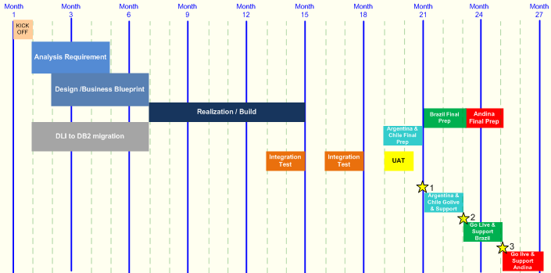
 | 4 testers, 1 SP |  | month | 1 | 2 | 3 |  | 4 |  | 5 | 6 | 7 | 8 |  | 9 | 10 | 11 | 12 | 13 | 14 | 15 | 16 | 17 | 18 | 19 | 20 | 21 | 22 | 23 | 24 | 25 | 26 |  | 27
 |  |  | 1 SP, 1 JSP | Kick off
 |  |  | 2 FA, 1 JFA |  | Requirements analysis
 |  |  | 1 FA+UML, 1 JFA+UML |  |  | Design / business blueprint
 |  |  | 1 COBOL, 1 JCOBOL |  | COBOL version upgrade
 |  |  | 1 COBOL, 1 JCOBOL |  |  |  | Enlarge codes
 |  |  | 1 COBOL, 1 DLI 10%, 1 DB2 20% |  | DLI to DB2 migration
 |  |  | 1 COBOL 50%, 1 DB2 30%, 1 DLI 10% |  |  |  |  |  | Develop the DB2 access module
 |  |  | 1…N COBOL, N Java |  |  |  |  |  |  |  |  | Realization / build |  |  |  |  |  |  |  |  |  |  |  |  |  |  |  |  |  |  |  |  | |
 |  |  | 1 TLead, 3 Testers, some programming |  |  |  |  |  |  |  |  |  |  | Integration test 1 |  |  |  | Integration test 2
 |  |  |  |  |  |  |  |  |  |  |  |  |  |  |  |  |  |  | UAT
50 | 160 |  | 0 |  |  |  |  |  |  |  |  |  |  |  |  |  |  |  |  | Prep & rollouts
FTs | us$/mo |  | function
2 | 16000 | 100 | PM | 1 | 1 | 1 |  | 1 |  | 1 | 1 | 1 | 1 |  | 1 | 1 | 1 | 1 | 1 | 1 | 1 | 1 | 1 | 1
2 | 16000 | 100 | SP+DLI |  | 1 | 1 |  | 0.1 |  | 0.1 | 0.1 | 0.1 | 0.1 |  | 0.1 | 0.1 | 0.1 | 0.1 | 0.1 | 0.1 | 0.1 | 0.1 | 0.1
1.4 | 11200 | 70 | FA | 1 | 2 | 3 |  | 3 |  | 3 | 2 | 2 | 1 |  | 1 | 1
0.8 | 6400 | 40 | JFA |  |  |  |  |  |  | 1 | 1 | 1 | 1 |  | 1 | 1 | 1 | 1 | 1 | 1 | 1 | 1 | 1 | 1
1 | 8000 | 50 | COBOL |  | 2 | 2 |  | 2 |  | 2 | 2 | 2 | 2 |  | 2 | 2 | 2 | 2 | 2 | 1 | 1 | 1 | 1 | 1
1.5 | 12000 | 75 | DB2 |  | 1 | 1 |  | 1 |  | 1 |  |  |  |  |  |  |  |  |  | 0.2 | 0.2 | 0.2

 | 88 |  | head count | 2 | 7 | 8 |  | 7.1 |  | 8.1 | 6.1 | 6.1 | 5.1 |  | 5.1 | 5.1 | 4.1 | 4.1 | 4.1 | 3.3 | 3.3 | 3.3 | 3.1 | 3 | 0 | 0 | 0 | 0 | 0 | 0 | 0 | 0 |  | 0 | 0 | 0 | 0
 | 932000 |  | relative cost | 27200 | 82400 | 93600 |  | 79200 |  | 85600 | 62400 | 62400 | 51200 |  | 51200 | 51200 | 40000 | 40000 | 40000 | 34400 | 34400 | 34400 | 32000 | 30400 | 0 | 0 | 0 | 0 | 0 | 0 | 0 | 0 |  | 0 | 0 | 0 | 0

