varying_beta
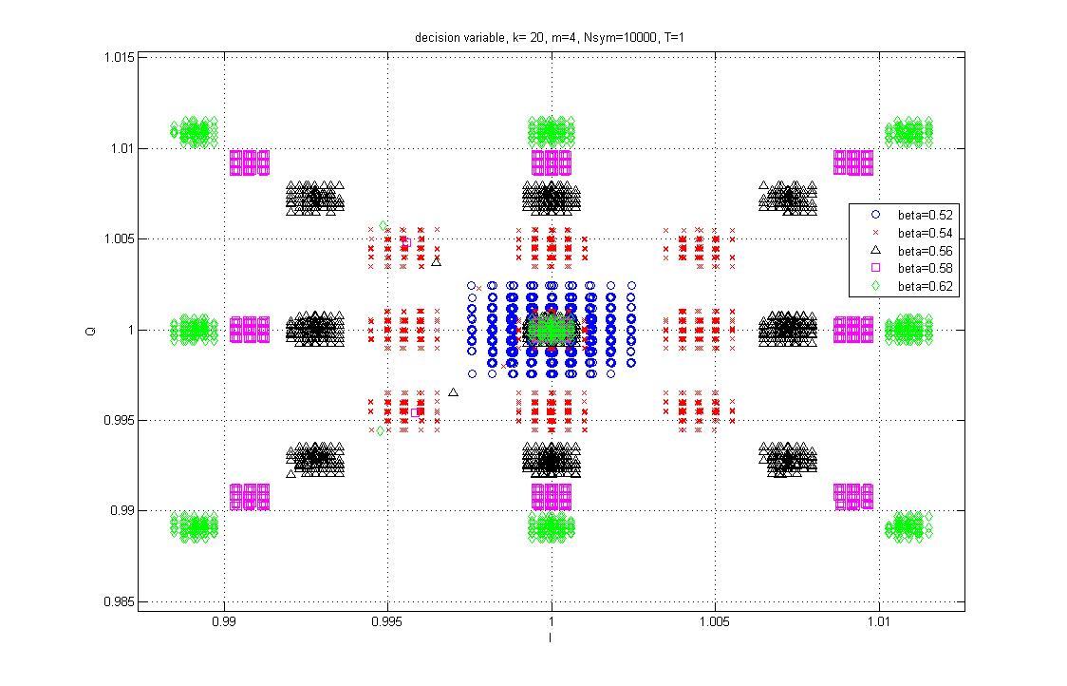
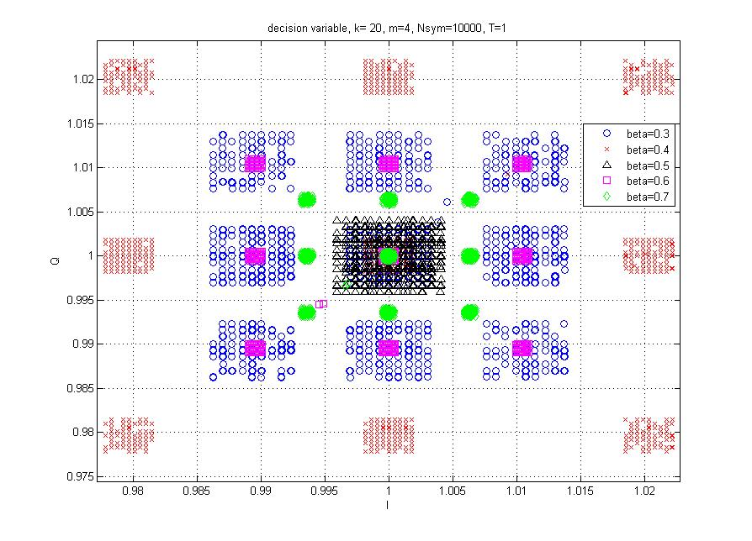
beta | VAR
0.3 | 0.1186
0.4 | 0.4106
0.5 | 0.0079
0.51 | 0.001404
0.515 | 0.000936
0.52 | 0.00212
0.525 | 0.004808
0.53 | 0.008834
0.54 | 0.0211
0.56 | 0.0531
0.58 | 0.0863
0.6 | 0.1077
0.62 | 0.1207
0.7 | 0.0402
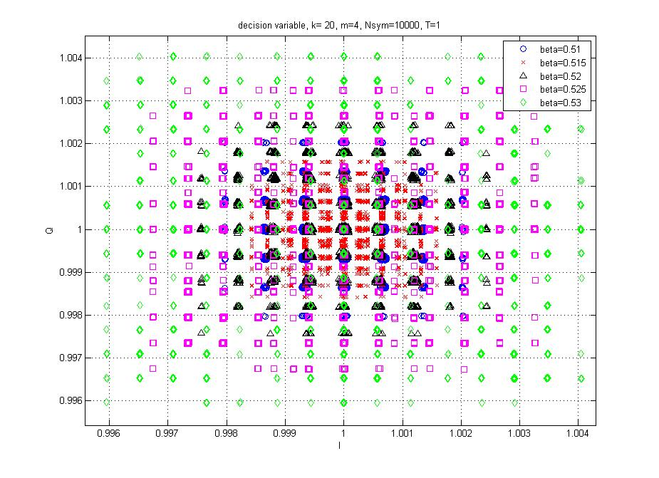
 | 1.00E-03

varying_k
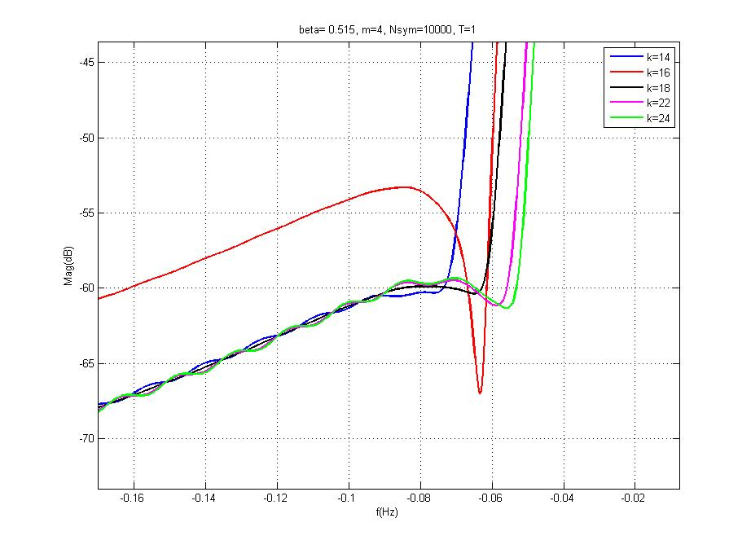
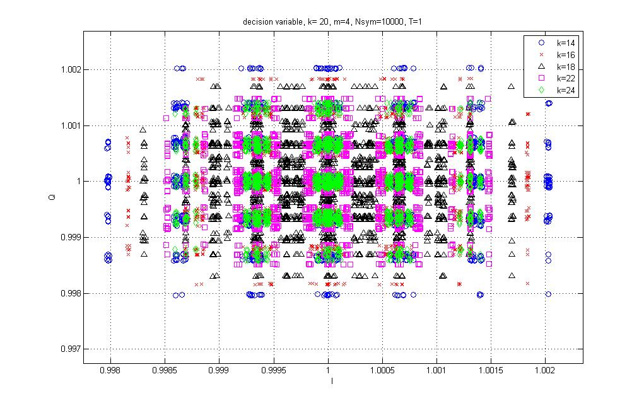
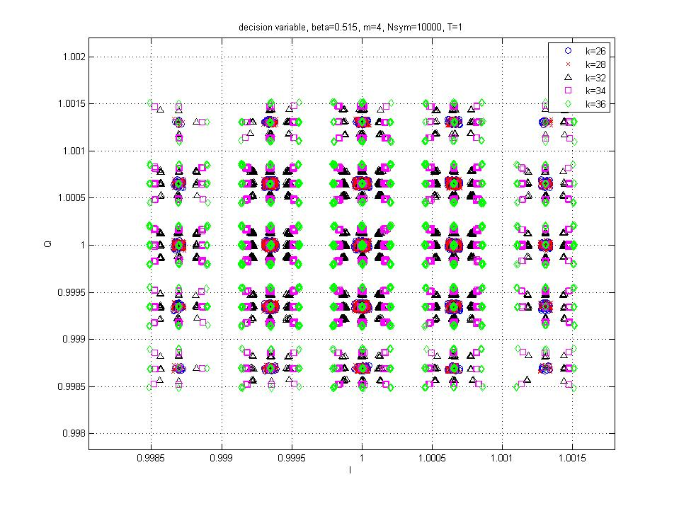
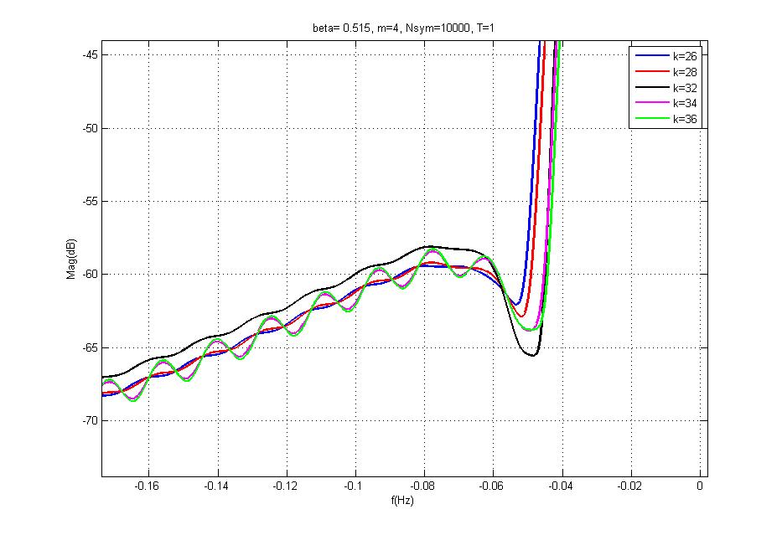
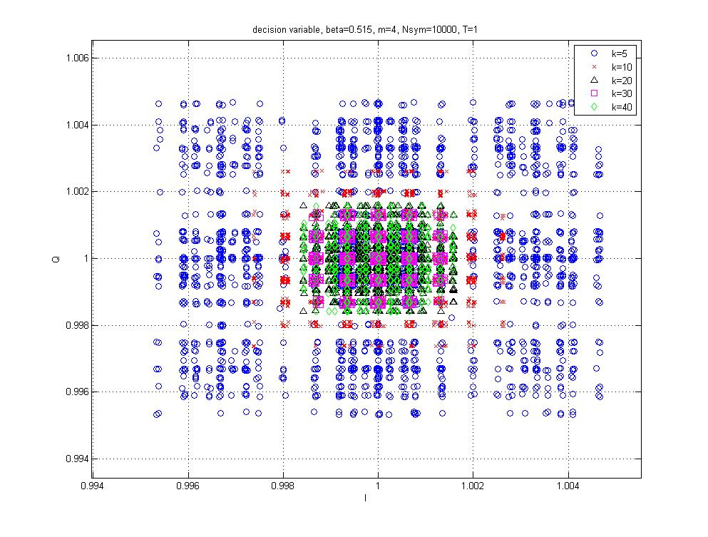
k | VAR
5 | 0.1169
10 | 0.0253
14 | 0.01379
16 | 0.01147
18 | 0.01014
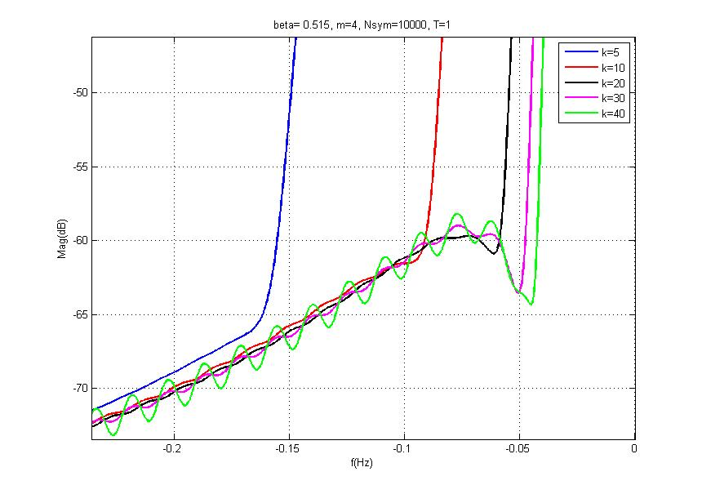
20 | 0.0092
22 | 0.00895
24 | 0.00873
26 | 0.008572
28 | 0.008565
30 | 0.0086
32 | 0.008601
34 | 0.00881
36 | 0.008932
40 | 0.0092
 | 1.00E-04

varying_m
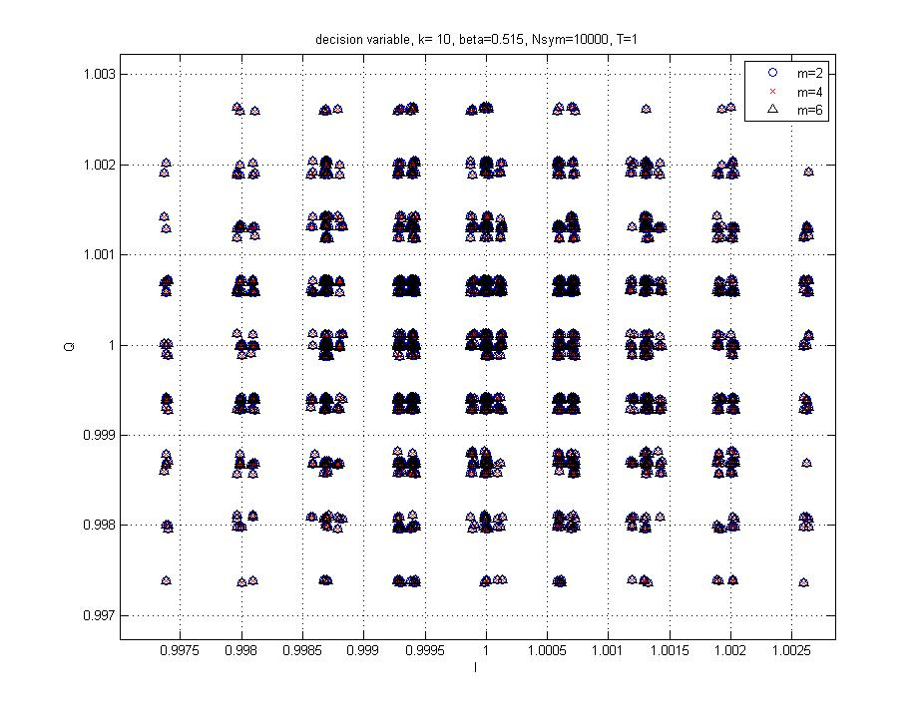
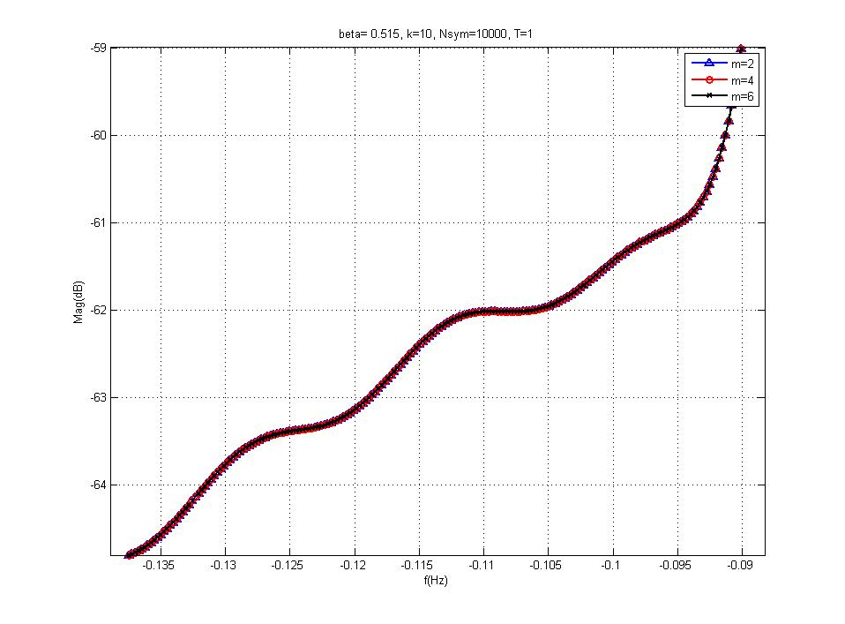
m(k=10) | VAR
2 | 0.8077
4 | 0.0026
6 | 0.0026
 | 1.00E-03

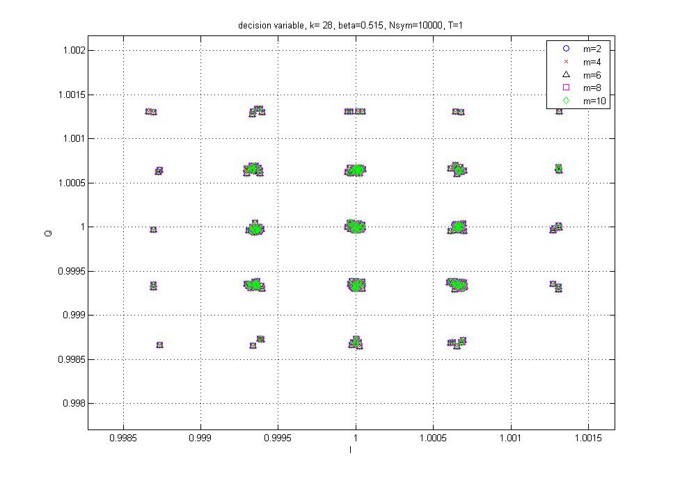
m(k=28) | VAR
2 | 8.30232283E-07
4 | 8.24283765E-07
6 | 0.0080543805235
8 | 0.015989290583
10 | 0.015989290583

AWGN
 | ebno | ber
0.1 | 49.999059625 | 0 | 50.028016278 | 0
0.15 | 22.204252366 | 0 | 22.219204267 | 0
0.18 |  |  | 15.43348545 | 0
0.19 |  |  | 13.85059129 | 0
0.2 | 12.488739868 | 0 | 12.49933283 | 4.84E-07 | 12.50003217 | 0
0.21 |  |  | 11.3344 | 0 | 11.3365 | 0 | 11.3323 | 0
0.211 |  |  | 11.2251 | 0
0.2112 |  |  | 11.2112 | 0
0.2114 |  |  | 11.18900877 | 6.45E-07 | 11.184 | 0
0.2116 |  |  | 11.16659723 | 3.23E-07 | 11.1658 | 0
0.2118 |  |  | 11.14629455 | 1.45E-06 | 11.1411 | 0
0.2119 |  |  | 11.13652913 | 1.25E-06 | 11.1394 | 5.00E-06 | 11.1395 | 0 | 11.1438 | 0
0.212 |  |  | 11.12452752 | 8.93E-07 | 11.1219 | 5.00E-06 | 11.1214 | 0 | 11.1284 | 0
0.214 |  |  | 10.9227 | 5.00E-06
0.216 |  |  | 10.7182 | 0
0.218 |  |  | 10.5197 | 1.00E-05
0.22 |  |  | 10.32895 | 0.0000025 | 10.3227 | 0 | 10.3352 | 5.00E-06
0.2202 |  |  | 10.3097 | 0
0.2204 |  |  | 10.2902 | 0
0.2206 |  |  | 10.2676 | 0
0.2208 |  |  | 10.2636 | 1.00E-05
0.221 |  |  | 10.2343 | 0
0.2212 |  |  | 10.2195 | 0
0.2214 |  |  | 10.2028 | 5.00E-06
0.2216 |  |  | 10.1873 | 0
0.2218 |  |  | 10.1684 | 0
0.222 |  |  | 10.1483 | 1.00E-05
0.224 |  |  | 9.9676 | 5.00E-06
0.226 |  |  | 9.7866 | 5.00E-06
0.228 |  |  | 9.624 | 5.00E-06
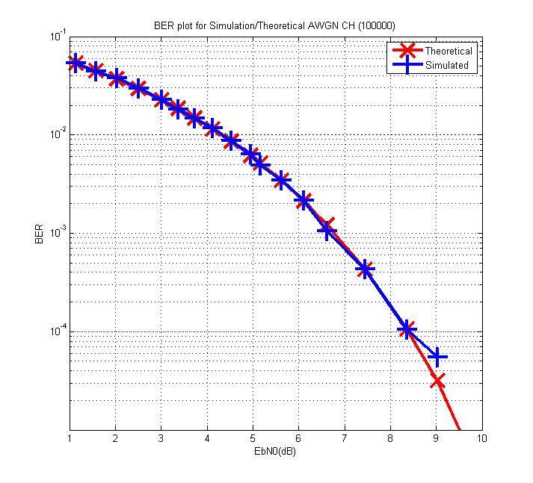
0.23 |  |  | 9.4556 | 5.00E-06
0.24 |  |  | 8.6831 | 1.50E-05
0.25 | 7.9866185562 | 0 | 7.9996485 | 4.75E-05 | 7.9962969345 | 0.000055 | 8.003 | 4.00E-05
0.27 | 6.8655552292 | 0.00005 | 6.8582841594 | 0.000105
0.3 | 5.5672216605 | 4.50E-04 | 5.5512019035 | 0.00043
0.33 | 4.5967064794 | 0.0013 | 4.5923780746 | 0.001055
0.35 | 4.0812747007 | 0.002 | 4.0816493548 | 0.002165
0.37 | 3.6563748048 | 0.003 | 3.651081898 | 0.003485
0.39 | 3.2856559505 | 0.0041 | 3.2864809247 | 0.00493
0.4 | 3.1207600788 | 0.00735 | 3.1256401274 | 0.00636
0.42 | 2.8387686893 | 0.009 | 2.8369115974 | 0.008715
0.44 | 2.5839806479 | 0.0115 | 2.5819886595 | 0.011795
0.46 | 2.366109166 | 0.01315 | 2.3644649938 | 0.01464
0.48 | 2.1693629044 | 0.0182 | 2.1702055586 | 0.018185
0.5 | 1.9992285084 | 0.0229 | 2.0005299427 | 0.022915
0.53 | 1.7817540039 | 0.027 | 1.7800975911 | 0.029885
0.56 | 1.5951640495 | 0.03845 | 1.5948994804 | 0.03801
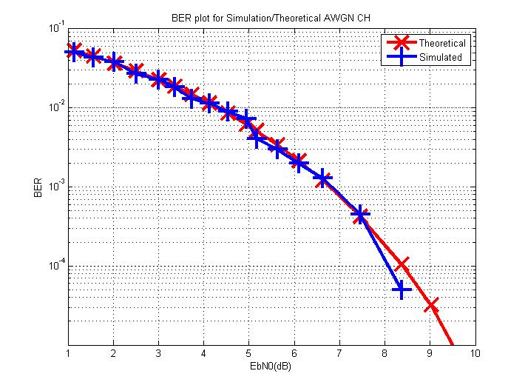
0.59 | 1.435449183 | 0.04385 | 1.4363725175 | 0.04434
0.62 | 1.3006672321 | 0.0505 | 1.3007993652 | 0.053855

