Guidance
Guidance on reading EUCAST Breakpoint Tables |  |  |  |  |  | EUCAST Clinical Breakpoint Tables v. 6.0, valid from 2016-01-01
The intermediate category is not listed but is interpreted as the values between the S and the R breakpoints. If the S and R breakpoints are the same value there is no intermediate category.
Agent A: No intermediate category
Agent B: Intermediate category: 4 mg/L, 23-25 mm
Agent G: Intermediate category: 1-2 mg/L, 24-29 mm
Breakpoints with a species name apply only to that particular species (in this example S. aureus)
EUCAST method for antimicrobial susceptibility testing by disk diffusion and recommendations for quality control
 |  |  |  |  |  | Disk diffusion (EUCAST standardised disk diffusion method) Medium: Inoculum: Incubation: Reading: Quality control:

Antimicrobial agent | MIC breakpoint (mg/L) |  | Disk content (µg) | Zone diameter breakpoint (mm) |  | Notes Numbered notes relate to general comments and/or MIC breakpoints. Lettered notes relate to the disk diffusion method.
 | S ≤ | R > |  | S ≥ | R <
Antimicrobial agent A | 11 | 11 | X | 20A | 20A | 1. Comment on MIC breakpoints 2. New comment Removed comment A. Comment on disk diffusion
Antimicrobial agent B, S. aureus | 22 | 4 | Y | 26 | 23
Antimicrobial agent C | IE | IE |  | IE | IE
Antimicrobial agent D | - | - |  | - | -
Antimicrobial agent E | IP | IP |  | IP | IP
Antimicrobial agent F (screen) | NA | NA | Y | 25 | 25
Antimicrobial agent G | 0.5 | 2 | Z | 30 | 24
Changes from previous
version highlighted in yellow

Screening breakpoint to differentiate between isolates without and with resistance mechanisms
Not Applicable

In Preparation
No breakpoints. Susceptibility testing is not recommended

MIC breakpoints in blue are linked to MIC distributions

Zone diameter breakpoints in blue are linked to zone diameter distributions

Antimicrobial agents in blue
are linked to EUCAST
rationale documents
Insufficient evidence that the organism or group is a good target for therapy with the agent

S.maltophilia
Stenotrophomonas maltophilia |  |  |  |  |  | EUCAST Clinical Breakpoint Tables v. 6.0, valid from 2016-01-01

Trimethoprim-sulfamethoxazole is the only agent for which EUCAST breakpoints are currently available. For further information, see guidance document on www.eucast.org. |  |  |  |  |  | Disk diffusion (EUCAST standardised disk diffusion method) Medium: Mueller-Hinton agar Inoculum: McFarland 0.5 Incubation: Air, 35±1ºC, 18±2h Reading: Read zone edges from the back of the plate against a dark background illuminated with reflected light (see below for specific instructions). Quality control: Escherichia coli ATCC 25922

Miscellaneous agents | MIC breakpoint (mg/L) |  | Disk content (µg) | Zone diameter breakpoint (mm) |  | Notes Numbered notes relate to general comments and/or MIC breakpoints. Lettered notes relate to the disk diffusion method.
 | S ≤ | R > |  | S ≥ | R <
Trimethoprim-sulfamethoxazole1,2 | 4 | 4 | 1.25-23.75 | 16A | 16A | 1. Trimethoprim:sulfamethoxazole in the ratio 1:19. Breakpoints are expressed as the trimethoprim concentration. 2. Breakpoints are based on high dose therapy, at least 240 mg trimethoprim and 1.2 g sulfamethoxazole administered together twice daily. A. Ignore haze or fine growth within the inhibition zone (see pictures below).

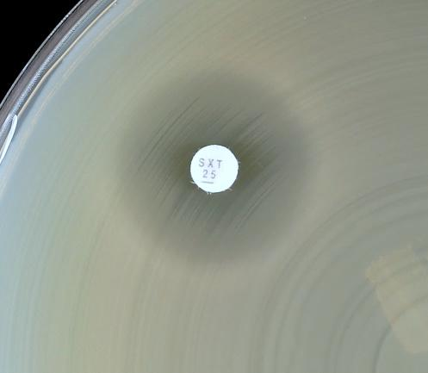
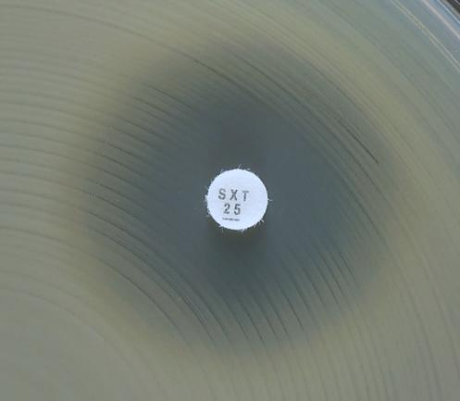
a)
b)
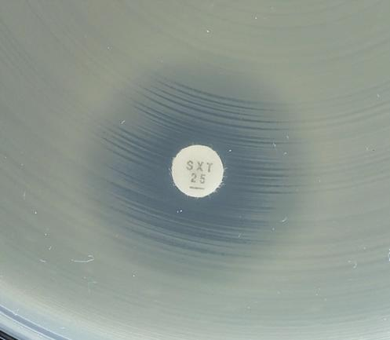
c)
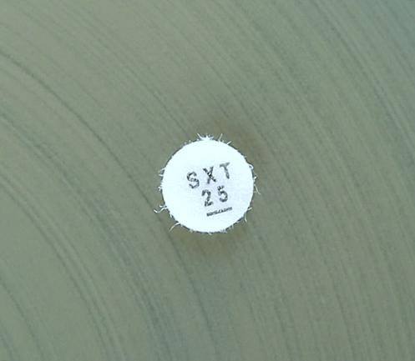
d)

Examples of inhibition zones for Stenotrophomonas maltophilia with trimethoprim-sulfamethoxazole.
a-c) An outer zone can be seen. Report susceptible if the zone diameter ≥ 16 mm.
d) Growth up to the disk and no sign of inhibition zone. Report resistant.

Staphs
Staphylococcus spp. |  |  |  |  |  | EUCAST Clinical Breakpoint Tables v. 6.0, valid from 2016-01-01

 |  |  |  |  |  | Disk diffusion (EUCAST standardised disk diffusion method) Medium: Mueller-Hinton agar Inoculum: McFarland 0.5 Incubation: Air, 35±1ºC, 18±2h Reading: Read zone edges as the point showing no growth viewed from the back of the plate against a dark background illuminated with reflected light (except for benzylpenicillin and linezolid, see below). Quality control: Staphylococcus aureus ATCC 29213

Penicillins1 | MIC breakpoint (mg/L) |  | Disk content (µg) | Zone diameter breakpoint (mm) |  | Notes Numbered notes relate to general comments and/or MIC breakpoints. Lettered notes relate to the disk diffusion method.
 | S ≤ | R > |  | S ≥ | R <
Benzylpenicillin, S. aureus | 0.1251 | 0.1251 | 1 unit | 26A,B | 26A,B | 1/A. Most staphylococci are penicillinase producers, which are resistant to benzylpenicillin, phenoxymethylpenicillin, ampicillin, amoxicillin, piperacillin and ticarcillin. Isolates negative for penicillinase and susceptible to methicillin can be reported susceptible to these agents. Isolates positive for penicillinase and methicillin susceptible are susceptible to beta-lactamase inhibitor combinations and isoxazolylpenicillins (oxacillin, cloxacillin, dicloxacillin and flucloxacillin). Methicillin resistant isolates are, with few exceptions, resistant to all beta-lactam agents. 2/C. No currently available method can reliably detect penicillinase production in coagulase-negative staphylococci. 3/D. Ampicillin susceptible S. saprophyticus are mecA-negative and susceptible to ampicillin, amoxicillin and piperacillin (without or with a beta-lactamase inhibitor). 4. S. aureus, S. lugdunensis and S. saprophyticus with oxacillin MIC values >2 mg/L are mostly methicillin resistant due to the presence of the mecA or mecC gene. The corresponding oxacillin MIC for coagulase-negative staphylococci other than S. saprophyticus and S. lugdunensis is >0.25 mg/L. B. For S. aureus, disk diffusion is more reliable than MIC determination for detection of penicillinase producers, provided the zone diameter is measured AND the zone edge closely inspected (see pictures below). If the zone diameter is <26 mm, then report resistant. If the zone diameter is ≥26 mm AND the zone edge is sharp, then report resistant. If not sharp, then report susceptible and if uncertain, then report resistant. Chromogenic cephalosporin-based beta-lactamase tests do not reliably detect staphylococcal penicillinase.
Benzylpenicillin, S. lugdunensis | 0.1251 | 0.1251 | 1 unit | 26A | 26A
Benzylpenicillin, Coagulase-negative staphylococci | -2 | -2 |  | NoteC | NoteC
Ampicillin, S. saprophyticus | Note1,3 | Note1,3 | 2 | 18A,D | 18A,D
Ampicillin-sulbactam | Note1,3 | Note1,3 |  | NoteA,D | NoteA,D
Amoxicillin | Note1,3 | Note1,3 |  | NoteA,D | NoteA,D
Amoxicillin-clavulanic acid | Note1,3 | Note1,3 |  | NoteA,D | NoteA,D
Piperacillin | Note1,3 | Note1,3 |  | NoteA,D | NoteA,D
Piperacillin-tazobactam | Note1,3 | Note1,3 |  | NoteA,D | NoteA,D
Ticarcillin | Note1 | Note1 |  | NoteA | NoteA
Ticarcillin-clavulanic acid | Note1 | Note1 |  | NoteA | NoteA

Phenoxymethylpenicillin | Note1 | Note1 |  | NoteA | NoteA

Oxacillin4 | Note1,4 | Note1,4 |  | NoteA | NoteA
Cloxacillin | Note1 | Note1 |  | NoteA | NoteA
Dicloxacillin | Note1 | Note1 |  | NoteA | NoteA
Flucloxacillin | Note1 | Note1 |  | NoteA | NoteA

Mecillinam (uncomplicated UTI only) | - | - |  | - | -

Cephalosporins1 | MIC breakpoint (mg/L) |  | Disk content (µg) | Zone diameter breakpoint (mm) |  | Notes Numbered notes relate to general comments and/or MIC breakpoints. Lettered notes relate to the disk diffusion method.
 | S ≤ | R > |  | S ≥ | R <
Cefaclor2 | Note1 | Note1 |  | NoteA | NoteA | 1/A. Susceptibility of staphylococci to cephalosporins is inferred from the cefoxitin susceptibility except for cefixime, ceftazidime, ceftibuten and ceftolozane-tazobactam, which do not have breakpoints and should not be used for staphylococcal infections. Some methicillin-resistant S. aureus are susceptible to ceftaroline and ceftobiprole, see Notes 5/B and 6/C. 2. Breakpoints are based on high dose therapy (500 mg x 2). 3. S. aureus and S. lugdunensis with cefoxitin MIC values >4 mg/L and S. saprophyticus with cefoxitin MIC values >8 mg/L are methicillin resistant, mostly due to the presence of the mecA or mecC gene. Disk diffusion reliably predicts methicillin resistance. 4. For staphylococci other than S. aureus, S. lugdunensis and S. saprophyticus, the cefoxitin MIC is a poorer predictor of methicillin resistance than the disk diffusion test. 5/B. Methicillin-susceptible isolates can be reported susceptible to ceftaroline without further testing. 6/C. Methicillin-susceptible isolates can be reported susceptible to ceftobiprole without further testing.
Cefadroxil | Note1 | Note1 |  | NoteA | NoteA
Cefalexin | Note1 | Note1 |  | NoteA | NoteA
Cefazolin | Note1 | Note1 |  | NoteA | NoteA
Cefepime | Note1 | Note1 |  | NoteA | NoteA
Cefixime | - | - |  | - | -
Cefotaxime | Note1 | Note1 |  | NoteA | NoteA
Cefoxitin (screen), S. aureus, S. lugdunensis and S. saprophyticus | Note3 | Note3 | 30 | 22A | 22A
Cefoxitin (screen), Coagulase-negative staphylococci other than S. lugdunensis and S. saprophyticus | Note4 | Note4 | 30 | 25A | 25A
Cefoxitin (screen), S. pseudintermedius | Note4 | Note4 | 30 | 35A | 35A
Cefpodoxime | Note1 | Note1 |  | NoteA | NoteA
Ceftaroline, S. aureus | 15 | 15 | 5 | 20B | 20B
Ceftazidime | - | - |  | - | -
Ceftibuten | - | - |  | - | -
Ceftobiprole, S. aureus | 26 | 26 | 5 | 17C | 17C
Ceftolozane-tazobactam | - | - |  | - | -
Ceftriaxone | Note1 | Note1 |  | NoteA | NoteA
Cefuroxime iv | Note1 | Note1 |  | NoteA | NoteA
Cefuroxime oral | Note1 | Note1 |  | NoteA | NoteA

Carbapenems1 | MIC breakpoint (mg/L) |  | Disk content (µg) | Zone diameter breakpoint (mm) |  | Notes Numbered notes relate to general comments and/or MIC breakpoints. Lettered notes relate to the disk diffusion method.
 | S ≤ | R > |  | S ≥ | R <
Doripenem | Note1 | Note1 |  | NoteA | NoteA | 1/A. Susceptibility of staphylococci to carbapenems is inferred from the cefoxitin susceptibility.
Ertapenem | Note1 | Note1 |  | NoteA | NoteA
Imipenem | Note1 | Note1 |  | NoteA | NoteA
Meropenem | Note1 | Note1 |  | NoteA | NoteA

Monobactams | MIC breakpoint (mg/L) |  | Disk content (µg) | Zone diameter breakpoint (mm) |  | Notes Numbered notes relate to general comments and/or MIC breakpoints. Lettered notes relate to the disk diffusion method.
 | S ≤ | R > |  | S ≥ | R <
Aztreonam | - | - |  | - | -

Fluoroquinolones1 | MIC breakpoint (mg/L) |  | Disk content (µg) | Zone diameter breakpoint (mm) |  | Notes Numbered notes relate to general comments and/or MIC breakpoints. Lettered notes relate to the disk diffusion method.
 | S ≤ | R > |  | S ≥ | R <
Ciprofloxacin2 | 1 | 1 | 5 | 20A | 20A | 1. For breakpoints for other fluoroquinolones (e.g. pefloxacin and enoxacin), refer to breakpoints set by national breakpoint committees. 2. Breakpoints are based on high dose therapy (oral dose of 750 mg x 2, iv dose of 400 mg x 3). 3. Breakpoints are based on high dose therapy (400 mg x 2). A. The norfloxacin disk diffusion test can be used to screen for fluoroquinolone resistance. See Note B. B. Isolates categorised as susceptible to norfloxacin can be reported susceptible to ciprofloxacin, levofloxacin, moxifloxacin and ofloxacin. Isolates categorised as non-susceptible should be tested for susceptibility to individual agents.
Levofloxacin | 1 | 2 | 5 | 22A | 19A
Moxifloxacin | 0.5 | 1 | 5 | 24A | 21A
Nalidixic acid (screen) | NA | NA |  | NA | NA
Norfloxacin (screen) | NA | NA | 10 | 17B | NoteB
Ofloxacin3 | 1 | 1 | 5 | 20A | 20A

Aminoglycosides1 | MIC breakpoint (mg/L) |  | Disk content (µg) | Zone diameter breakpoint (mm) |  | Notes Numbered notes relate to general comments and/or MIC breakpoints. Lettered notes relate to the disk diffusion method.
 | S ≤ | R > |  | S ≥ | R <
Amikacin2, S. aureus | 8 | 16 | 30 | 18 | 16 | 1. Aminoglycoside breakpoints are based on once-daily administration. of high aminoglycoside dosages. Most often aminoglycosides are given in combination with beta-lactam agents. 2. Resistance to amikacin is most reliably determined by testing with kanamycin (MIC >8 mg/L). For S. aureus, the corresponding zone diameter is <18 mm).
Amikacin2, Coagulase-negative staphylococci | 8 | 16 | 30 | 22 | 19
Gentamicin, S. aureus | 1 | 1 | 10 | 18 | 18
Gentamicin, Coagulase-negative staphylococci | 1 | 1 | 10 | 22 | 22
Netilmicin, S. aureus | 1 | 1 | 10 | 18 | 18
Netilmicin, Coagulase-negative staphylococci | 1 | 1 | 10 | 22 | 22
Tobramycin, S. aureus | 1 | 1 | 10 | 18 | 18
Tobramycin, Coagulase-negative staphylococci | 1 | 1 | 10 | 22 | 22

Glycopeptides and lipoglycopeptides1 | MIC breakpoint (mg/L) |  | Disk content (µg) | Zone diameter breakpoint (mm) |  | Notes Numbered notes relate to general comments and/or MIC breakpoints. Lettered notes relate to the disk diffusion method.
 | S ≤ | R > |  | S ≥ | R <
Dalbavancin2 | 0.1253.4 | 0.1253 |  | NoteA | NoteA | 1. Glycopeptide MICs are method dependent and should be determined by broth microdilution (reference ISO 20776). S. aureus with vancomycin MIC values of 2 mg/L are on the border of the wild type distribution and there may be an impaired clinical response. The resistant breakpoint has been reduced to 2 mg/L to avoid reporting "GISA" isolates intermediate as serious infections with "GISA" isolates are not treatable with increased doses of vancomycin or teicoplanin. 2. Non-susceptible isolates are rare or not yet reported. The identification and antimicrobial susceptibility test result on any such isolate must be confirmed and the isolate sent to a reference laboratory. 3. MICs must be determined in the presence of polysorbate-80 (0.002% in the medium for broth dilution methods; agar dilution methods have not been validated). Follow the manufacturers' instructions for commercial systems. 4. S. aureus isolates susceptible to vancomycin can be reported susceptible to dalbavancin and oritavancin. 5. MRSA isolates susceptible to vancomycin can be reported susceptible to telavancin. A. Disk diffusion is unreliable and cannot distinguish between wild type isolates and those with non-vanA-mediated glycopeptide resistance.
Oritavancin, S. aureus2 | 0.1253.4 | 0.1253 |  | NoteA | NoteA
Teicoplanin, S. aureus2 | 2 | 2 |  | NoteA | NoteA
Teicoplanin, Coagulase-negative staphylococci2 | 4 | 4 |  | NoteA | NoteA
Telavancin, MRSA2 | 0.1253.5 | 0.1253 |  | NoteA | NoteA
Vancomycin, S. aureus2 | 2 | 2 |  | NoteA | NoteA
Vancomycin, Coagulase-negative staphylococci2 | 4 | 4 |  | NoteA | NoteA

Macrolides, lincosamides and streptogramins | MIC breakpoint (mg/L) |  | Disk content (µg) | Zone diameter breakpoint (mm) |  | Notes Numbered notes relate to general comments and/or MIC breakpoints. Lettered notes relate to the disk diffusion method.
 | S ≤ | R > |  | S ≥ | R <
Azithromycin | 11 | 21 |  | NoteA | NoteA | 1/A. Erythromycin can be used to determine susceptibility to azithromycin, clarithromycin and roxithromycin. 2. Inducible clindamycin resistance can be detected by antagonism of clindamycin activity by a macrolide agent. If not detected, then report as susceptible. If detected, then report as resistant and consider adding this comment to the report: "Clindamycin may still be used for short-term therapy of less serious skin and soft tissue infections as constitutive resistance is unlikely to develop during such therapy". B. Place the erythromycin and clindamycin disks 12-20 mm apart (edge to edge) and look for antagonism (the D phenomenon) to detect inducible clindamycin resistance. C. Isolates non-susceptible by disk diffusion should be confirmed by MIC testing.
Clarithromycin | 11 | 21 |  | NoteA | NoteA
Erythromycin | 11 | 21 | 15 | 21A | 18A
Roxithromycin | 11 | 21 |  | NoteA | NoteA
Telithromycin | IE | IE |  | IE | IE

Clindamycin2 | 0.25 | 0.5 | 2 | 22B | 19B
Quinupristin-dalfopristin | 1 | 2 | 15 | 21 | 18C

Tetracyclines | MIC breakpoint (mg/L) |  | Disk content (µg) | Zone diameter breakpoint (mm) |  | Notes Numbered notes relate to general comments and/or MIC breakpoints. Lettered notes relate to the disk diffusion method.
 | S ≤ | R > |  | S ≥ | R <
Doxycycline | 11 | 21 |  | NoteA | NoteA | 1/A. Isolates susceptible to tetracycline are also susceptible to doxycycline and minocycline, but some resistant to tetracycline may be susceptible to minocycline and/or doxycycline. An MIC method should be used to test doxycycline susceptibility of tetracycline resistant isolates if required. 2. Non-susceptible isolates are rare or not yet reported. The identification and antimicrobial susceptibility test result on any such isolate must be confirmed and the isolate sent to a reference laboratory. 3. For tigecycline broth microdilution MIC determination, the medium must be prepared fresh on the day of use.
Minocycline | 0.51 | 11 | 30 | 23A | 20A
Tetracycline | 11 | 21 | 30 | 22A | 19A
Tigecycline2 | 0.53 | 0.53 | 15 | 18 | 18

Oxazolidinones | MIC breakpoint (mg/L) |  | Disk content (µg) | Zone diameter breakpoint (mm) |  | Notes Numbered notes relate to general comments and/or MIC breakpoints. Lettered notes relate to the disk diffusion method.
 | S ≤ | R > |  | S ≥ | R <
Linezolid | 4 | 4 | 10 | 19A | 19A | 1. Isolates susceptible to linezolid can be reported susceptible to tedizolid. A. Examine zone edges with transmitted light (plate held up to light). B. Isolates susceptible to linezolid can be reported susceptible to tedizolid. For isolates resistant to linezolid, perform an MIC test.
Tedizolid | 0.51 | 0.5 |  | NoteB | NoteB

Miscellaneous agents | MIC breakpoint (mg/L) |  | Disk content (µg) | Zone diameter breakpoint (mm) |  | Notes Numbered notes relate to general comments and/or MIC breakpoints. Lettered notes relate to the disk diffusion method.
 | S ≤ | R > |  | S ≥ | R <
Chloramphenicol | 8 | 8 | 30 | 18 | 18 | 1. Non-susceptible isolates are rare or not yet reported. The identification and antimicrobial susceptibility test result on any such isolate must be confirmed and the isolate sent to a reference laboratory. 2. Daptomycin MICs must be determined in the presence of Ca2+ (50 mg/L in the medium for broth dilution methods; agar dilution methods have not been validated). Follow the manufacturers' instructions for commercial systems. 3. Fosfomycin MICs must be determined in the presence of glucose-6-phosphate (25 mg/L in the medium for broth and agar dilution methods). Follow the manufacturers' instructions for commercial systems. 4/B. Breakpoints relate to nasal decolonisation of S. aureus. Intermediate isolates are associated with short term suppression (useful preoperatively) but, unlike susceptible isolates, long term eradication rates are low. 5/D. Breakpoints apply to S. saprophyticus only. 5. Trimethoprim:sulfamethoxazole in the ratio 1:19. Breakpoints are expressed as the trimethoprim concentration. A. Use an MIC method.
Colistin | - | - |  | - | -
Daptomycin1 | 12 | 12 |  | NoteA | NoteA
Fosfomycin iv | 323 | 323 |  | NoteA | NoteA
Fosfomycin oral | - | - |  | - | -
Fusidic acid | 1 | 1 | 10 | 24 | 24
Metronidazole | - | - |  | - | -
Mupirocin | 14 | 2564 | 200 | 30B | 18B
Nitrofurantoin (uncomplicated UTI only), S. saprophyticus | 64 | 64 | 100 | 13 | 13
Rifampicin | 0.06 | 0.5 | 5 | 26 | 23
Spectinomycin | - | - |  | - | -
Trimethoprim (uncomplicated UTI only) | 2 | 4 | 5 | 17 | 14
Trimethoprim-sulfamethoxazole5 | 2 | 4 | 1.25-23.75 | 17 | 14

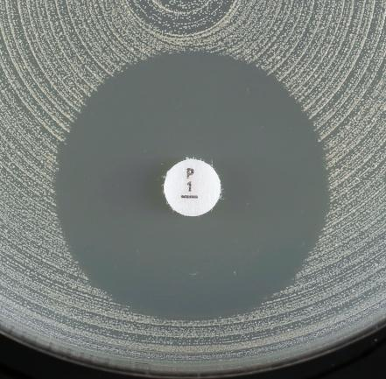
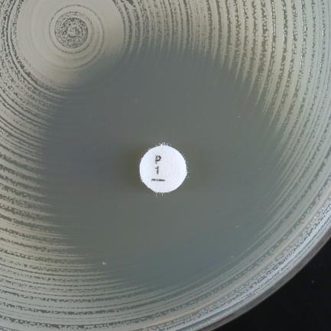
a)
b)

Examples of inhibition zones for Staphylococcus aureus with benzylpenicillin.
a) Fuzzy zone edge and zone diameter ≥ 26 mm. Report susceptible.
b) Sharp zone edge and zone diameter ≥ 26 mm. Report resistant.

Enterococcus
Enterococcus spp. |  |  |  |  |  | EUCAST Clinical Breakpoint Tables v. 6.0, valid from 2016-01-01

In endocarditis, refer to national or international endocarditis guidelines for breakpoints for Enterococcus spp. |  |  |  |  |  | Disk diffusion (EUCAST standardised disk diffusion method) Medium: Mueller-Hinton agar Inoculum: McFarland 0.5 Incubation: Air, 35±1ºC, 18±2h (for glycopeptides 24h) Reading: Read zone edges as the point showing no growth viewed from the back of the plate against a dark background illuminated with reflected light (except for vancomycin, see below). Quality control: Enterococcus faecalis ATCC 29212

Penicillins1 | MIC breakpoint (mg/L) |  | Disk content (µg) | Zone diameter breakpoint (mm) |  | Notes Numbered notes relate to general comments and/or MIC breakpoints. Lettered notes relate to the disk diffusion method.
 | S ≤ | R > |  | S ≥ | R <
Benzylpenicillin | - | - |  | - | - | 1. E. faecium resistant to penicillins can be considered resistant to all other beta-lactam agents including carbapenems. 2/A. Susceptibility to ampicillin, amoxicillin and piperacillin with and without beta-lactamase inhibitor can be inferred from ampicillin. 3. For susceptibility testing purposes, the concentration of sulbactam is fixed at 4 mg/L. 4. For susceptibility testing purposes, the concentration of clavulanic acid is fixed at 2 mg/L.
Ampicillin | 4 | 8 | 2 | 10 | 8
Ampicillin-sulbactam2 | 43 | 83 |  | NoteA | NoteA
Amoxicillin2 | 4 | 8 |  | NoteA | NoteA
Amoxicillin-clavulanic acid2 | 44 | 84 |  | NoteA | NoteA
Piperacillin2 | Note2 | Note2 |  | NoteA | NoteA
Piperacillin-tazobactam2 | Note2 | Note2 |  | NoteA | NoteA
Ticarcillin | - | - |  | - | -
Ticarcillin-clavulanic acid | - | - |  | - | -

Phenoxymethylpenicillin | - | - |  | - | -

Oxacillin | - | - |  | - | -
Cloxacillin | - | - |  | - | -
Dicloxacillin | - | - |  | - | -
Flucloxacillin | - | - |  | - | -

Mecillinam (uncomplicated UTI only) | - | - |  | - | -

Cephalosporins | MIC breakpoint (mg/L) |  | Disk content (µg) | Zone diameter breakpoint (mm) |  | Notes Numbered notes relate to general comments and/or MIC breakpoints. Lettered notes relate to the disk diffusion method.
 | S ≤ | R > |  | S ≥ | R <
Cefaclor | - | - |  | - | -
Cefadroxil | - | - |  | - | -
Cefalexin | - | - |  | - | -
Cefazolin | - | - |  | - | -
Cefepime | - | - |  | - | -
Cefixime | - | - |  | - | -
Cefotaxime | - | - |  | - | -
Cefoxitin | - | - |  | - | -
Cefpodoxime | - | - |  | - | -
Ceftaroline | - | - |  | - | -
Ceftazidime | - | - |  | - | -
Ceftibuten | - | - |  | - | -
Ceftobiprole | - | - |  | - | -
Ceftolozane-tazobactam | - | - |  | - | -
Ceftriaxone | - | - |  | - | -
Cefuroxime iv | - | - |  | - | -
Cefuroxime oral | - | - |  | - | -

Carbapenems | MIC breakpoint (mg/L) |  | Disk content (µg) | Zone diameter breakpoint (mm) |  | Notes Numbered notes relate to general comments and/or MIC breakpoints. Lettered notes relate to the disk diffusion method.
 | S ≤ | R > |  | S ≥ | R <
Doripenem | - | - |  | - | -
Ertapenem | - | - |  | - | -
Imipenem | 4 | 8 | 10 | 21 | 18
Meropenem | - | - |  | - | -

Monobactams | MIC breakpoint (mg/L) |  | Disk content (µg) | Zone diameter breakpoint (mm) |  | Notes Numbered notes relate to general comments and/or MIC breakpoints. Lettered notes relate to the disk diffusion method.
 | S ≤ | R > |  | S ≥ | R <
Aztreonam | - | - |  | - | -

Fluoroquinolones | MIC breakpoint (mg/L) |  | Disk content (µg) | Zone diameter breakpoint (mm) |  | Notes Numbered notes relate to general comments and/or MIC breakpoints. Lettered notes relate to the disk diffusion method.
 | S ≤ | R > |  | S ≥ | R <
Ciprofloxacin (uncomplicated UTI only) | 4 | 4 | 5 | 15A | 15A | A. The norfloxacin disk diffusion test can be used to screen for fluoroquinolone resistance. See Note B. B. Susceptibility of ciprofloxacin and levofloxacin can be inferred from the norfloxacin susceptibility.
Levofloxacin (uncomplicated UTI only) | 4 | 4 | 5 | 15A | 15A
Moxifloxacin | - | - |  | - | -
Nalidixic acid (screen) | NA | NA |  | NA | NA
Norfloxacin (screen) | NA | NA | 10 | 12B | 12B
Ofloxacin | - | - |  | - | -

Aminoglycosides1 | MIC breakpoint (mg/L) |  | Disk content (µg) | Zone diameter breakpoint (mm) |  | Notes Numbered notes relate to general comments and/or MIC breakpoints. Lettered notes relate to the disk diffusion method.
 | S ≤ | R > |  | S ≥ | R <
Amikacin | Note2 | Note2 |  | NoteA | NoteA | 1. Enterococci are intrinsically resistant to aminoglycosides and aminoglycoside monotherapy is ineffective. There is likely to be synergy between aminoglycosides and penicillins or glycopeptides against enterococci without acquired high-level resistance. All testing is therefore to distinguish between intrinsic and high-level acquired resistance. 2/A. Gentamicin can be used to screen for high-level aminoglycoside resistance (HLAR). Negative test: Isolates with gentamicin MIC ≤128 mg/L or a zone diameter ≥8 mm. The isolate is wild type for gentamicin and low-level intrinsic resistant. For other aminoglycosides, this may not be the case. Synergy with penicillins or glycopeptides can be expected if the isolate is susceptible to the penicillin or glycopeptide. Positive test: Isolates with gentamicin MIC >128 mg/L or a zone diameter <8 mm. The isolate is high-level resistant to gentamicin and other aminoglycosides, except streptomycin which must be tested separately if required (see note 3/B). There will be no synergy with penicillins or glycopeptides. 3/B. Isolates with high-level gentamicin resistance may not be high-level resistant to streptomycin. Negative test: Isolates with streptomycin MIC ≤512 mg/L or a zone diameter ≥14 mm. The isolate is wild type for streptomycin and low-level intrinsic resistant. Synergy with penicillins or glycopeptides can be expected if the isolate is susceptible to the penicillin or glycopeptide. Positive test: Isolates with streptomycin MIC >512 mg/L or a zone diameter <14 mm. The isolate is high-level resistant to streptomycin. There will be no synergy with penicillins or glycopeptides.
Gentamicin (test for high-level aminoglycoside resistance) | Note2 | Note2 | 30 | NoteA | NoteA
Netilmicin | Note2 | Note2 |  | NoteA | NoteA
Streptomycin (test for high-level streptomycin resistance) | Note3 | Note3 | 300 | NoteB | NoteB
Tobramycin | Note2 | Note2 |  | NoteA | NoteA

Glycopeptides and lipoglycopeptides | MIC breakpoint (mg/L) |  | Disk content (µg) | Zone diameter breakpoint (mm) |  | Notes Numbered notes relate to general comments and/or MIC breakpoints. Lettered notes relate to the disk diffusion method.
 | S ≤ | R > |  | S ≥ | R <
Dalbavancin | IE | IE |  | IE | IE | A. Vancomycin susceptible enterococci exhibit sharp zone edges and do not exhibit colonies in the inhibition zone. Examine zone edges with transmitted light (plate held up to light). If the zone edge is fuzzy, colonies grow within the zone or if you are uncertain, then perform confirmatory testing with PCR or report resistant (see pictures below) even if the zone diameter is ≥ 12 mm. Isolates must not be reported susceptible before 24 h incubation.
Oritavancin | IE | IE |  | IE | IE
Teicoplanin | 2 | 2 | 30 | 16 | 16
Telavancin | IE | IE |  | IE | IE
Vancomycin | 4 | 4 | 5 | 12A | 12A

Macrolides, lincosamides and streptogramins | MIC breakpoint (mg/L) |  | Disk content (µg) | Zone diameter breakpoint (mm) |  | Notes Numbered notes relate to general comments and/or MIC breakpoints. Lettered notes relate to the disk diffusion method.
 | S ≤ | R > |  | S ≥ | R <
Azithromycin | - | - |  | - | - | 1/A. Quinupristin-dalfopristin breakpoints apply to E. faecium only.
Clarithromycin | - | - |  | - | -
Erythromycin | - | - |  | - | -
Roxithromycin | - | - |  | - | -
Telithromycin | - | - |  | - | -
 |  |  |  | - | -
Clindamycin | - | - |  | - | -
Quinupristin-dalfopristin, E. faecium | 1 | 4 | 15 | 22 | 20

Tetracyclines | MIC breakpoint (mg/L) |  | Disk content (µg) | Zone diameter breakpoint (mm) |  | Notes Numbered notes relate to general comments and/or MIC breakpoints. Lettered notes relate to the disk diffusion method.
 | S ≤ | R > |  | S ≥ | R <
Doxycycline | - | - |  | - | - | 1. Non-susceptible isolates are rare or not yet reported. The identification and antimicrobial susceptibility test result on any such isolate must be confirmed and the isolate sent to a reference laboratory. 2 For tigecycline broth microdilution MIC determination, the medium must be prepared fresh on the day of use.
Minocycline | - | - |  | - | -
Tetracycline | - | - |  | - | -
Tigecycline1 | 0.252 | 0.52 | 15 | 18 | 15

Oxazolidinones | MIC breakpoint (mg/L) |  | Disk content (µg) | Zone diameter breakpoint (mm) |  | Notes Numbered notes relate to general comments and/or MIC breakpoints. Lettered notes relate to the disk diffusion method.
 | S ≤ | R > |  | S ≥ | R <
Linezolid | 4 | 4 | 10 | 19 | 19
Tedizolid | IE | IE |  | IE | IE

Miscellaneous agents | MIC breakpoint (mg/L) |  | Disk content (µg) | Zone diameter breakpoint (mm) |  | Notes Numbered notes relate to general comments and/or MIC breakpoints. Lettered notes relate to the disk diffusion method.
 | S ≤ | R > |  | S ≥ | R <
Chloramphenicol | - | - |  | - | - | 1. For more information, see http://www.eucast.org/guidance_documents/. 2/A. Nitrofurantoin breakpoints apply to E. faecalis only. 2/A. The activity of trimethoprim and trimethoprim-sulfamethozaxole is uncertain against enterococci, hence the wild type population is categorised as intermediate. 3. Trimethoprim-sulfamethoxazole in the ratio 1:19. Breakpoints are expressed as the trimethoprim concentration.
Colistin | - | - |  | - | -
Daptomycin1 | IE | IE |  | IE | IE
Fosfomycin iv | - | - |  | - | -
Fosfomycin oral | - | - |  | - | -
Fusidic acid | - | - |  | - | -
Metronidazole | - | - |  | - | -
Mupirocin | - | - |  | - | -
Nitrofurantoin (uncomplicated UTI only), E. faecalis | 64 | 64 | 100 | 15 | 15
Rifampicin | - | - |  | - | -
Spectinomycin | - | - |  | - | -
Trimethoprim (uncomplicated UTI only) | 0.032 | 1 | 5 | 50A | 21
Trimethoprim-sulfamethoxazole3 | 0.032 | 1 | 1.25-23.75 | 50A | 21


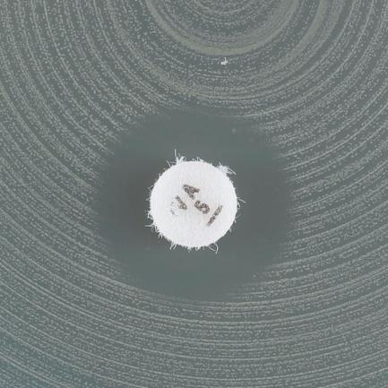
a)
b)
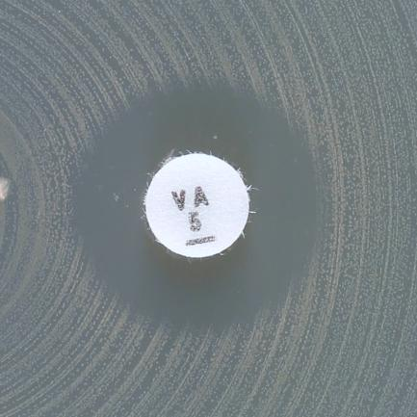
c)

d)

Examples of inhibition zones for Enterococcus spp. with vancomycin.
a) Sharp zone edge and zone diameter ≥ 12 mm. Report susceptible.
b-d) Fuzzy zone edge or colonies within zone. Perform confirmatory testing with PCR or report resistant even if the zone diameter ≥ 12 mm.

