Graf XY PowerPivot
Flipper and bill length
 | Adelie | Chinstrap | Gentoo
172.00138817 | 37.909759557
174.00764529 | 37.800081803
176.00962551 | 40.206443366
178.00162425 | 39.506559926
178.00186316 | 37.202468841
178.00348662 | 33.101954689
178.00812562 |  | 46.102486678
179.00034369 | 37.504874659
180.00067134 | 42.206015617
180.00348175 | 37.70228369
180.00384769 | 38.808376463
180.00481736 | 40.502363188
180.00730463 | 37.809401778
181.00258038 | 38.109128364
181.00263826 |  | 42.408843868
181.00490885 | 38.903967758
181.00851431 |  | 58.009109225
181.00875454 | 37.601191112
181.00882092 | 36.502503239
181.00935909 | 39.103712436
182.00028911 | 36.50138774
182.00332142 | 41.108802149
182.00382747 | 41.10097155
183.00031108 | 37.705451096
183.00529509 | 40.609672111
184.00121616 | 36.402933576
184.00261223 | 36.603801427
184.0036352 | 39.804175197
184.00470747 | 37.204986459
184.00673092 | 39.706063776
184.00743008 | 40.905592255
184.00835589 | 34.403121014
185.00106536 | 37.003476606
185.00123178 |  | 47.004291094
185.00307134 | 38.200510827
185.00466855 | 36.609421975
185.00467768 | 34.004634246
185.0063598 | 37.004235865
185.00638958 | 37.606483253
185.00781271 | 35.700580893
185.00854779 | 39.004068746
186.00033515 | 39.607253013
186.00108315 | 37.800301841
186.00271465 | 36.000650342
186.00318972 | 39.004027103
186.00677175 | 39.500560399
186.00898022 | 39.606228506
186.00968822 | 35.20327597
187.00030556 | 36.205469549
187.00049007 |  | 46.200926491
...

Suma de bill_length_mm_jittered | Etiquetas de columna
Etiquetas de fila | Adelie | Chinstrap | Gentoo
172.00138817 | 37.909759557
174.00764529 | 37.800081803
176.00962551 | 40.206443366
178.00162425 | 39.506559926
178.00186316 | 37.202468841
178.00348662 | 33.101954689
178.00812562 |  | 46.102486678
179.00034369 | 37.504874659
180.00067134 | 42.206015617
180.00348175 | 37.70228369
180.00384769 | 38.808376463
180.00481736 | 40.502363188
180.00730463 | 37.809401778
181.00258038 | 38.109128364
181.00263826 |  | 42.408843868
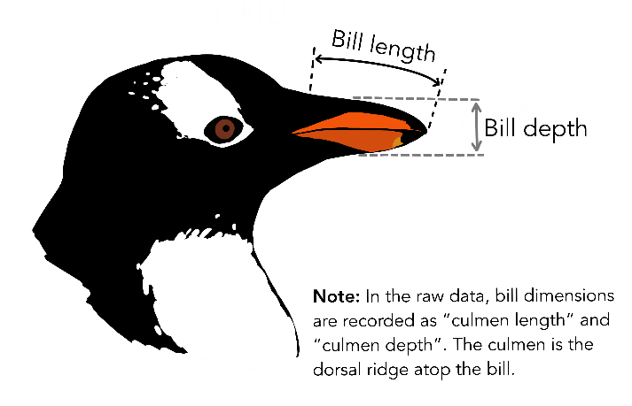
181.00490885 | 38.903967758
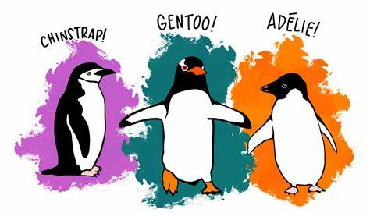
181.00851431 |  | 58.009109225
181.00875454 | 37.601191112
181.00882092 | 36.502503239
181.00935909 | 39.103712436
182.00028911 | 36.50138774
182.00332142 | 41.108802149
182.00382747 | 41.10097155
183.00031108 | 37.705451096
183.00529509 | 40.609672111
184.00121616 | 36.402933576
184.00261223 | 36.603801427
184.0036352 | 39.804175197
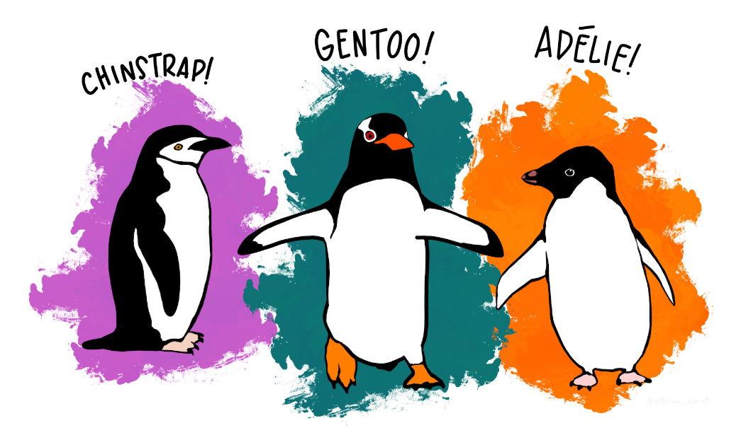

184.00470747 | 37.204986459
184.00673092 | 39.706063776
184.00743008 | 40.905592255
184.00835589 | 34.403121014
185.00106536 | 37.003476606
185.00123178 |  | 47.004291094
185.00307134 | 38.200510827
185.00466855 | 36.609421975
185.00467768 | 34.004634246
185.0063598 | 37.004235865
185.00638958 | 37.606483253
185.00781271 | 35.700580893
185.00854779 | 39.004068746
186.00033515 | 39.607253013
186.00108315 | 37.800301841
186.00271465 | 36.000650342
186.00318972 | 39.004027103
186.00677175 | 39.500560399
186.00898022 | 39.606228506
186.00968822 | 35.20327597
187.00030556 | 36.205469549
187.00049007 |  | 46.200926491
187.00061331 | 36.703622851
187.00069097 | 36.204111657
187.00179554 |  | 42.508007411
187.00374079 | 35.30925177
187.00447722 |  | 42.502376653
187.00483814 |  | 43.201123183
187.00486914 | 38.105406506
187.0052063 | 36.006408756
187.00531039 | 36.200243503
187.00604944 | 40.606068754
187.00705303 | 40.507039739
187.00740234 |  | 40.907201627
187.00794108 | 34.503125437
187.00941098 |  | 51.508084238
188.0031286 | 38.608168342
188.00328212 |  | 45.405481746
188.00408174 | 40.104040011
188.00541543 | 41.106300493
188.00850737 | 32.102812427
188.00995466 | 39.50936756
189.00010094 | 34.608740816
189.00049089 | 35.702167426
189.00135115 | 36.907238593
189.00518168 | 38.308596617
189.00761623 |  | 46.808166329
189.00775413 | 35.904092808
189.00898243 | 41.10939539
190.00093498 | 33.502395175
190.00198618 |  | 50.109506787
190.00202376 | 41.10811865
190.00220285 | 39.706712447
190.00280329 | 36.001382099
190.00310194 | 38.202352764
190.00369259 | 35.00264269
190.00451224 | 42.007624398
190.00473923 | 38.900518078
190.00627082 |  | 46.401638165
190.00663817 |  | 45.908741576
190.00682801 | 35.508660827
190.00688278 | 39.304498152
190.00695165 | 39.602437106
190.00730465 | 38.102681963
190.00784416 | 36.301755738
190.00837241 | 38.806409551
190.00851661 | 38.509986981
190.00862709 | 39.206520017
190.00899182 | 37.803840971
190.00952287 | 35.900957036
190.00964399 | 40.703156859
191.00144371 | 39.606604447
191.00153288 | 35.606545993
191.00170115 | 45.606877425
191.00174413 | 42.301669262
191.00208968 | 37.301920444
191.00267971 | 40.906547643
191.00282999 | 38.602686477
191.00332842 |  | 45.207660958
191.00753984 | 39.000867881
191.00840615 |  | 48.50313432
191.00950541 | 41.406699294
191.00956474 |  | 46.406771743
191.00974569 | 38.805515203
192.00047164 | 35.009153398
192.00173755 | 41.606293128
192.00287936 | 41.103205013
192.00520396 | 43.20891843
192.00525744 |  | 46.903649922
192.00599922 | 37.308553628
192.00708982 |  | 46.506195813
193.00130121 | 34.100154628
193.00136458 | 36.803147939
193.00289113 |  | 49.60720598
193.003543 | 40.601457432
193.00406013 |  | 50.600405252
193.00406633 | 39.709213615
193.0041609 | 37.906531507
193.0048289 | 36.705793033
193.00545114 | 40.203457017
193.0057726 | 37.805798227
193.00690669 |  | 51.304013152
193.00771773 | 35.10193829
193.0088995 |  | 45.70940893
193.00962299 |  | 46.605187324
193.00978614 | 39.70912262
194.00408701 | 41.307562801
194.00486424 |  | 51.708625123
194.00809848 | 37.605463955
194.00841692 |  | 45.604288035
194.00975092 | 46.001031371
195.00056941 | 42.808375426
195.00233174 |  | 45.705185813
195.00258707 | 36.406492751
195.00265902 |  | 49.702244442
195.0026904 | 40.804111948
195.00284789 |  | 49.207236874
195.00361952 | 42.101538237
195.00479715 |  | 46.009321433
195.00512765 | 35.501262253
195.00557192 | 38.705851967
195.00579261 | 41.307339107
195.00603261 | 39.203233922
195.00605278 | 40.302469663
195.00850632 |  | 46.704656778
195.00854299 | 36.003648114
195.00951571 |  | 47.607518116
195.00963558 | 41.508180839
196.00010233 | 42.708590948
196.00040706 |  | 50.900885028
196.00187961 |  | 45.501385409
196.00196072 | 40.306802301
196.00264631 | 39.20431148
196.00370469 |  | 50.004865231
196.00446198 | 44.105183134
196.005778 | 42.903022175
196.00789657 | 39.606499823
196.00900591 |  | 50.908232857
197.00166881 |  | 50.302505017
197.00336553 |  | 51.308023585
197.0041254 | 42.205803757
197.00520743 |  | 52.001593797
197.00683707 | 42.5083145
197.00701495 | 43.207520362
197.00765616 | 43.108380583
197.00852372 | 45.804162805
197.00911643 |  | 52.709438252
197.00925939 |  | 52.207073052
198.0018692 |  | 45.202215867
198.00213059 |  | 50.207692517
198.00414428 | 38.109141472
198.00489119 | 37.703863156
198.00554777 |  | 49.804110261
198.00734716 | 41.80934063
198.00773619 |  | 51.305166149
198.00934907 | 34.601236042
199.00020932 |  | 47.509988874
199.0054068 |  | 48.108805992
199.00635877 | 40.607604981
199.00762097 | 37.500631479
199.00806756 | 37.309138588
199.00956714 | 38.603585218
200.00299755 |  | 50.505488999
200.00494786 |  | 49.503724048
200.00573246 | 40.208541041
200.00995847 | 42.008369558
201.00058121 |  | 50.503344075
201.0012573 |  | 52.001653285
201.00140779 | 41.504651731
201.00440655 |  | 50.800778256
201.00638798 |  | 51.408885231
201.00771831 |  | 54.207907239
202.00199551 | 41.402771955
202.00535507 |  | 43.502607173
202.00809242 |  | 50.205633827
202.00850627 | 35.709252415
203.00335124 |  | 50.70086187
203.0063767 |  |  | 48.401850838
203.00696055 | 41.001720549
203.00734939 |  | 49.307533525
203.00752145 |  | 51.009656644
205.00332972 |  | 53.500264897
205.00348345 | 41.100361103
205.00608274 |  | 52.802406543
206.00839163 |  | 51.908000401
207.00675532 |  |  | 45.109335351
207.00687847 |  | 55.803977743
208.00048311 |  |  | 44.0098417
208.00547978 |  |  | 45.308918239
208.00586447 |  |  | 48.704229315
208.00638883 | 40.805895908
208.00848369 |  |  | 42.709817429
208.00857742 |  |  | 43.20522835
208.00904393 |  |  | 43.308378576
208.00950971 |  |  | 43.809914424
209.003794 |  |  | 46.200391216
209.00489611 |  |  | 48.107462761
209.00665167 |  |  | 42.807005301
209.00726185 |  |  | 43.305168099
209.00937015 |  |  | 47.509839678
210.00023452 |  |  | 45.50717753
210.00103848 |  |  | 45.109906312
210.00128405 | 44.102992938
210.00193318 |  |  | 48.701864416
210.00246295 |  |  | 45.800382966
210.00298328 |  |  | 45.300657331
210.00302575 |  | 50.800180114
210.00320166 |  |  | 41.700926703
210.00435727 |  |  | 42.001550353
210.00436992 |  |  | 48.204268592
210.00707809 |  | 49.006405646
210.00797205 |  |  | 46.605830207
210.0083223 |  | 52.00445359
210.0092561 |  |  | 46.507104288
211.00118657 |  |  | 45.408363544
211.00774354 |  |  | 46.106189377
212.00179848 |  |  | 47.507912654
212.00337862 |  |  | 45.200004112
212.00375191 |  | 49.00079156
212.00483632 |  |  | 45.509119438
212.00709325 |  |  | 44.90116144
212.00892534 |  |  | 49.106492469
212.00978301 |  |  | 47.407305548
213.00170607 |  |  | 42.60229706
213.00422872 |  |  | 44.900557184
213.00651974 |  |  | 48.400117155
213.00696731 |  |  | 43.502132241
213.00780276 |  |  | 46.504194966
213.00849652 |  |  | 49.90700477
214.00046197 |  |  | 47.20643721
214.00061537 |  |  | 45.504511933
214.00085138 |  |  | 45.706034779
214.00609105 |  |  | 44.509195675
214.006443 |  |  | 46.205083195
214.0068003 |  |  | 40.9025039
215.00217092 |  |  | 46.100763123
215.00351952 |  |  | 46.80334345
215.00433739 |  |  | 46.802042934
215.00571109 |  |  | 42.909064974
215.00619189 |  |  | 47.200396195
215.00650003 |  |  | 45.100602594
215.00688652 |  |  | 47.604578493
215.00834857 |  |  | 45.203490745
215.00877644 |  |  | 46.809561837
215.00884457 |  |  | 46.308677274
215.00930933 |  |  | 45.207428596
215.00962351 |  |  | 47.807557551
216.00090421 |  |  | 49.007819998
216.0023675 |  |  | 49.406935002
216.00368704 |  |  | 50.509892998
216.00696986 |  |  | 49.60606037
216.0074076 |  |  | 46.401596969
216.00787556 |  |  | 47.300228604
216.00807862 |  |  | 47.704198136
216.00914288 |  |  | 44.503246232
217.00317458 |  |  | 43.606113029
217.00399525 |  |  | 46.500275177
217.0053606 |  |  | 49.305455145
217.00635376 |  |  | 46.207447988
217.00676539 |  |  | 46.505415728
217.00814942 |  |  | 44.506558447
218.00129564 |  |  | 43.403852509
218.00306483 |  |  | 50.206798172
218.00367551 |  |  | 51.309726655
218.00379206 |  |  | 50.000880423
218.00446424 |  |  | 47.508739292
219.00103329 |  |  | 44.400315233
219.00318139 |  |  | 46.703029037
219.00474753 |  |  | 53.400461932
219.00561321 |  |  | 48.507825599
219.00745522 |  |  | 45.808758435
220.00108994 |  |  | 51.106690701
220.00198735 |  |  | 45.00302425
220.00319848 |  |  | 48.404955342
220.00824201 |  |  | 48.500941324
220.00863687 |  |  | 50.006334903
220.00869204 |  |  | 43.501648837
220.00885514 |  |  | 49.10180389
220.00963826 |  |  | 45.507087708
221.0017726 |  |  | 52.501958683
221.00265163 |  |  | 49.204545035
221.00626672 |  |  | 46.405166025
221.00664631 |  |  | 48.200120481
221.00998847 |  |  | 46.208926007
222.00130745 |  |  | 47.308433621
222.00321609 |  |  | 50.503221071
222.00526296 |  |  | 48.801504807
222.00650197 |  |  | 48.709237368
222.00881567 |  |  | 50.403285021
222.00914749 |  |  | 46.900130092
223.0010537 |  |  | 50.703106735
223.00109043 |  |  | 45.202163713
224.00127081 |  |  | 50.006411583
224.00801286 |  |  | 49.500228301
224.009638 |  |  | 50.405494213
225.00447775 |  |  | 50.100369115
225.00822538 |  |  | 50.509924615
225.00891175 |  |  | 51.10241452
225.00921423 |  |  | 49.60780868
226.00325441 |  |  | 50.80248441
228.00101867 |  |  | 52.20361859
228.00130449 |  |  | 55.900627481
228.0050184 |  |  | 49.107386067
228.00896243 |  |  | 50.803968133
229.00271478 |  |  | 49.5095327
229.00915445 |  |  | 49.807497279
230.00043224 |  |  | 48.609667142
230.001011 |  |  | 52.104005258
230.00353547 |  |  | 51.507646667
230.00530117 |  |  | 50.003710365
230.00539699 |  |  | 59.606459921
230.00786151 |  |  | 55.108595976
230.00876856 |  |  | 49.800283078
231.00526443 |  |  | 54.305148798

