Micropartitions and Clust Keys
Micro-partitioning
All data in Snowflake tables is automatically divided into micro-partitions
 | Groups of rows in tables are mapped into individual micro-partitions, organized in a columnar fashion.
 | Each micro-partition contains between 50 MB and 500 MB of uncompressed data
 | Tables are transparently partitioned using the ordering of the data as it is inserted/loaded
 | Snowflake automatically determines the most efficient algorithm to compress columns in micro-partition
 | Once created, micro-partitions are immutable and cannot be modified
 | Partition pruning is an optimization technique in snowflake to eliminate unneeded partitions while executing a query
 | Column values may overlap across micro-partitions
 | Snowflake stores metadata about all rows stored in a micro-partition, including:
 |  | The range of values for each of the columns in the micro-partition.
 |  | The number of distinct values.
 |  | Additional properties used for both optimization and efficient query processing.
 | A table can have millions or even hundreds of millions of micro-partitions.
 | Depth clustering indicator will indicate whether a large table in Snowflake might benefit from explicitly defining a clustering key
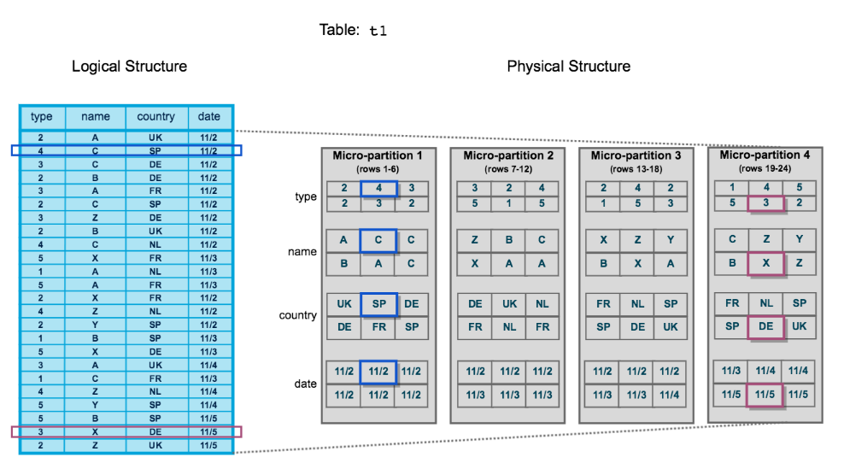

Clustering Keys (Not Mandatory)
Clustering refers to how data is organized and stored within snowflake's micro-partitions
Adding a clustering key for a large table will improve performance in queries that:
 | filter on the columns that are part of the cluster key
 | sort on the columns that are part of the cluster key
 | join on the columns that are part of the cluster key
 | group on the columns that are part of the cluster key
When defining a clustering key, you should NOT choose columns that have:
 | very high cardinality (number of distinct values)
 | very low cardinality (number of distinct values)
From a cardinality (number of distinct values) perspective, The columns we should consider adding to a clustering key are:
 | Columns that have large enough distinct values to enable efficient partition pruning
 | Columns that have small enough distinct values to enable efficient grouping in micro-partition
Snowflake recommends a maximum of 3 or 4 columns in a clustering key
You can use expressions in the clustering key definition to reduce a column's cardinality
 | When creating a clustering key with multiple columns, the order in which should the columns be specified in the CLUSTER BY clause is Lowest cardinality to highest cardinality
The following cases are appropriated to use clustering keys:
 | Queries on the table are running slower than expected or have noticeably degraded over time.
 | The clustering depth for the table is large.
In accordance with best practices, clustering keys should ideally be defined for tables with minimum size of Multi-Terabyte (TB) Range
Costs
Automatic clustering is a serverless service and has a cost associated with it
When a clustering key is changed for a table, there may be a serverless cost associated with it

Code
ALTER TABLE DROP CLUSTERING KEY ; Command used to remove a clustering key that was previously defined on a table using:
"SYSTEM$CLUSTERING_INFORMATION" ; System function provided by Snowflake to find information about clustering depth
"SYSTEM$CLUSTERING_DEPTH"; System function provided by Snowflake to find information about clustering depth

Layers and Editions
Snowflake Editions
Standard | Enterprise | Business Critical | Virtual Private
Time travel up to 1 day | Time Travel up to 90 days | Time Travel up to 90 days | Time Travel up to 90 days
MFA (Multi-Factor-Authentication) & Single Sign-On & Federated Authentication | MFA (Multi-Factor-Authentication) & Single Sign-On & Federated Authentication | MFA (Multi-Factor-Authentication) & Single Sign-On & Federated Authentication | MFA (Multi-Factor-Authentication) & Single Sign-On & Federated Authentication
User-defined functions (UDFs) with support for Java, JavaScript, Python, and SQL | User-defined functions (UDFs) with support for Java, JavaScript, Python, and SQL | User-defined functions (UDFs) with support for Java, JavaScript, Python, and SQL | User-defined functions (UDFs) with support for Java, JavaScript, Python, and SQL
Automatic data encryption | Automatic data encryption | Automatic data encryption | Automatic data encryption
Object-Level access control | Object-Level access control | Object-Level access control | Object-Level access control
Store Procedure | Store Procedure | Store Procedure | Store Procedure
Resource Monitors For costs Monitoring | Resource Monitors For costs Monitoring | Resource Monitors For costs Monitoring | Resource Monitors For costs Monitoring
Disaster recovery (Fail Safe) for 7 days beyond time travel | Disaster recovery (Fail Safe) for 7 days beyond time travel | Disaster recovery (Fail Safe) for 7 days beyond time travel | Disaster recovery (Fail Safe) for 7 days beyond time travel
Premier support 24/7 | Premier support 24/7 | Premier support 24/7 | Premier support 24/7
Database Replication | Database Replication | Database Replication | Database Replication
External Tables | External Tables | External Tables | External Tables
 | Materialized views | Materialized views | Materialized views
 | Search Optimization | Search Optimization | Search Optimization
 | Multicluster warehouse | Multicluster warehouse | Multicluster warehouse
 | Column-Level ("Masking") security | Column-Level security | Column-Level security
 | Row Access Policies | Row Access Policies | Row Access Policies
 |  | Private connectivity to Snowflake's internal stages | Private connectivity to Snowflake's internal stages
 |  | Database failover and failback between Snowflake accounts | Database failover and failback between Snowflake accounts
 |  | Tri-secret secure encryption | Tri-secret secure encryption
 |  | Data encryption everywhere | Data encryption everywhere
 |  | Extended Support | Extended Support
 |  |  | Dedicated virtual servers and completely separate Snowflake environment
 |  |  | Dedicated Resources
Data Sharing | Data Sharing | Data Sharing
Snowflake Marketplace | Snowflake Marketplace | Snowflake Marketplace

Snowflake’s unique architecture consists of three key layers:
Database Storage (Storage Layer)
Scaled independently in Snowflake architecture
All data within snowflake is encrypted
When data is loaded into Snowflake, Snowflake reorganizes that data into its internal optimized,compressed,proprietary columnar format
Snowflake stores this optimized data in Cloud storage
Snowflake manages all aspects of how this data is stored (The organization, file size, structure, compression, metadata, statistics, and other aspects of data storage)
This data objects stored by snowflake are not directly visible nor accesible by customers
They are only accessible through SQL query operations run using snowflake
The Database Storage layer in Snowflake architecture can be on Google Cloud Storage,Azure Blob Storage and AWS S3
This layer is replicated by Snowflake to ensure high availability
The following contributes towards the storage costs in Snowflake
 | The amount of storage used for objects like:
 |  | Fail-Safe Storage
 |  | Time Travel Storage
 |  | Permanent Table Storage
 |  | Transient table storage
 |  | Temporary table storage
 |  | Compressed data
 |  | The daily average of storage used during the month

Query Processing (Virtual Warehouse, Compute Layer)
Scaled independently in Snowflake architecture
Query execution is performed in the processing layer
As a result, each virtual warehouse has no impact on the performance of other virtual warehouses
Query Processing layer contributes toward the costs of a Snowflake system
Cloud Services Layer (Services Layer)
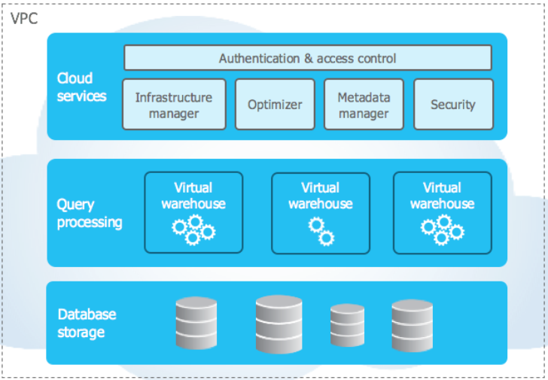

It is a collection of services that coordinate activities across snowflake
These services tie together all the different components of snowflake in order to process user requests, from login to query dispatch
The cloud services layer also runs on compute instances provisioned by snowflake from the cloud provider
All access to a snowflake account is via the cloud services layer
Cloud services layer is highly available, fault-tolerant, and always-on service
The cloud services layer in Snowflake provides the following functions:
 | Metadata management | Data Sharing
 | Metadata management | Cloning
 | Metadata management | Metadata Caching
 | Metadata management | Managing Metadata related to micro-partitions, databases, and tables
 | Access Control | Transaction control / ACID compliance
 | Authentication/Access Control | Authorization
 | Authentication/Access Control | Authentication
 | Query parsing and optimization | Query Optimization
 | Query parsing and optimization | Query Planning
 | Query parsing and optimization | Query Result Caching
 | Query parsing and optimization | Query Dispatching (Query Delivery)
 | Infrastructure management
Cloud services layer contributes toward the costs of a Snowflake system
The cloud services layer stores the query result cache

Query Cache and Profile
Query Result Cache
The maximum duration for which the query result cache for a query can be retained is 31 days
If a query result cache is not reused within 24 hours, it is purged
If a query reuses the query result cache, it is extended by another 24 hours
Query Result Cache can be turned off at:
 | Session level
 | Account level
 | User level
In these circumstances will the query result cache fulfill the query result:
 | The micro-partitions for the tables in the query have not changed
 | The query results cache was generated or used less than 24 hours ago
 | The role executing the query has the necessary privileges on the tables used in the query
 | The query matches a previously executed query for which cached results are still available
 | The query makes no use of user-defined or external functions
 | The query does not make use of runtime functions
 | The underlying data that contributes to the query results has remained unchanged
The following queries can generate results without the need for a running virtual warehouse:
 | Queries that have already been run and produced a result cache
 | Queries like row count, minimum, and maximum for a column
The query profile indicates that results produced by a previous query were reused

When executing a typical query, the order in which Snowflake may utilize various caches is:
 | 1- Metadata Cache | =====> | Ex: SELECT COUNT (1) FROM FCT_SALES;
 | 2- Query Result Cache | =====> | Ex: SELECT SUM(TOTAL) FROM TABLE ; Executed a second time, after 1 hour without any change in TABLE
 | 3- Virtual Warehouse Cache | =====>
USE_CACHED_RESULT ; Parameter used to turn off Query Result Cache
The RESULT_SCAN table function can access and filter the contents of the query result cache

Query Profile:
It shows the query plan for a query
It shows a graphical representation of all steps
A query profile is available for all queries, whether running, completed, or failed
The query profile results that indicate that a large table may not be well clustered are:
 | A significant value for 'Partitions Scanned'
 | The value in the 'Partitions Total' equals 'Partitions Scanned'
Bytes spilled to remote storage indicates that the volume of data could not fit in either the memory or the temporary storage of the virtual warehouse and had to be spilled to temporary cloud storage
Bytes spilled to local storage indicates the volume of data that couldn't fit in memory and had to be spilled to a virtual warehouse temporary storage
The following query profile results indicate that a query used a virtual warehouse sized too small for the query:
 | The query profile shows a significant value for "Bytes spilled to remote storage"
 | The query profile shows a significant value for "Bytes spilled to local storage"
In the query profiler view for a query, these components indicate areas that can be leveraged to optimize query performance:
 | Bytes scanned
 | Number of partitions scanned
Remote Spillage can indicate that a virtual warehouse is not adequately sized for the query being executed

Example 1 |  |  |  | Example 2
 | Consider the following snippet from the query profile of a finished query. |  |  |  | Consider the following snippet from the query profile of a finished query.
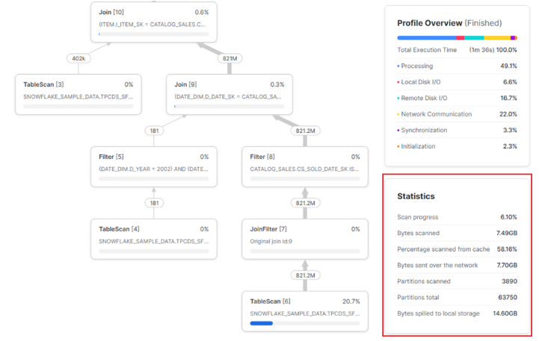
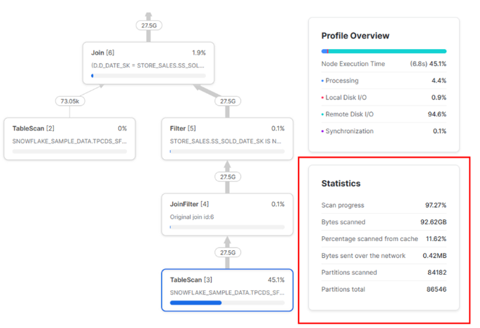

 | The following accurately describes the highlighted statistics:
 | The query profile indicates that the virtual warehouse cache was used
 | The query profile indicates that the virtual warehouse used is too small for the query |  |  |  | The following accurately describes the highlighted statistics:
 | The query profile indicates effective partition pruning |  |  |  | The query profile indicates ineffective partition pruning

Example 3 |  |  |  | Example 4
 | Consider the following snippet from the query profile of a finished query. |  |  |  | The following query profile snippet indicates effective micro-partition pruning:
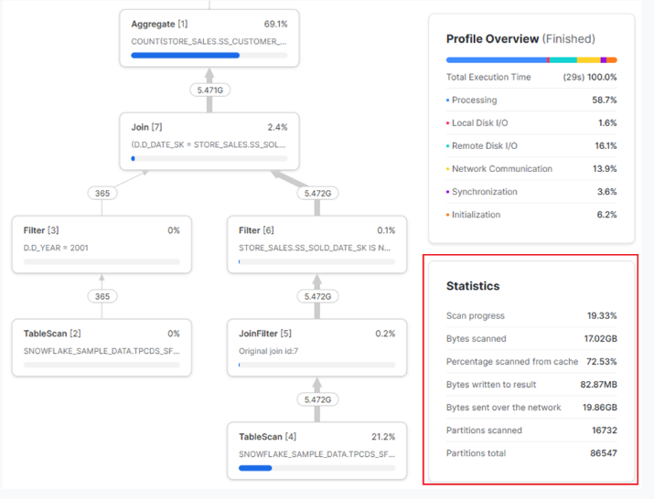
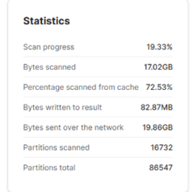

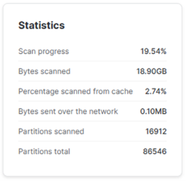

 | The following accurately describes the highlighted statistics:
 | The query profile indicates that the virtual warehouse cache was used
 | The query profile indicates effective partition pruning

Example 5 |  |  |  | Example 6
 | Consider the following snippet from the query profile of a finished query. |  |  |  | The following query profile snippet indicates ineffective micro-partition pruning
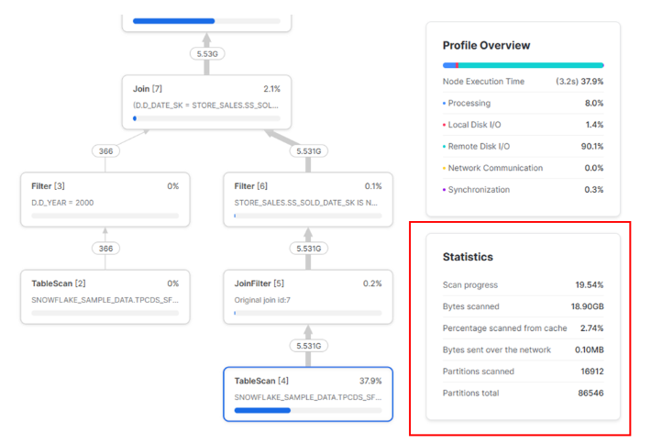
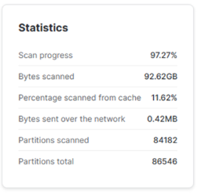

 | The following accurately describes the highlighted statistics:
 | The query profile indicates effective partition pruning

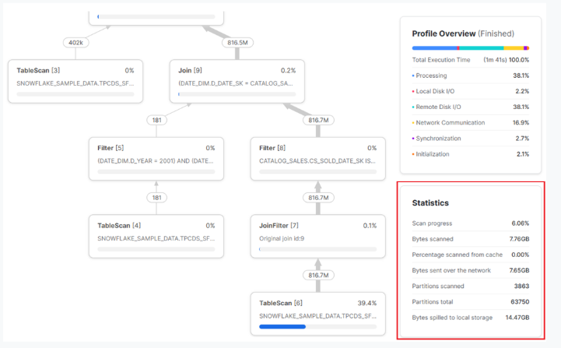
Example 7 |  |  |  | Example 8
 | Consider the following snippet from the query profile of a finished query. |  |  |  | Consider the following snippet from the query profile of a finished query.
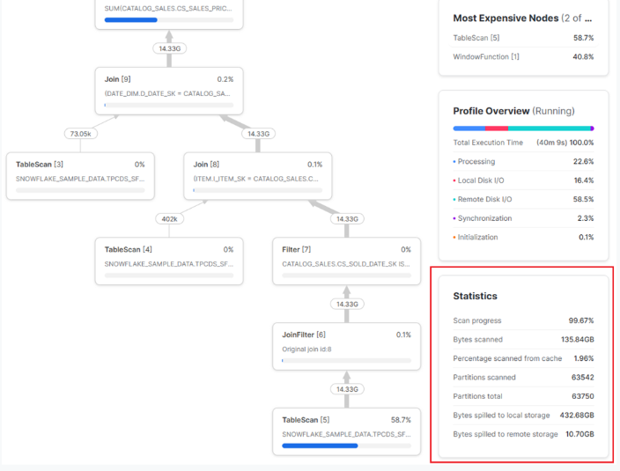

 | The following accurately describes the highlighted statistics: |  |  |  | The following accurately describes the highlighted statistics:
 | The query profile indicates that the virtual warehouse used is too small for the query |  |  |  | The query profile indicates that the query is too large to fit in the virtual warehouse memory
 | The query profile indicates effective partition pruning |  |  |  | The query profile indicates ineffective partition pruning

Example 9
 | Consider the query profile for a specific step in a query
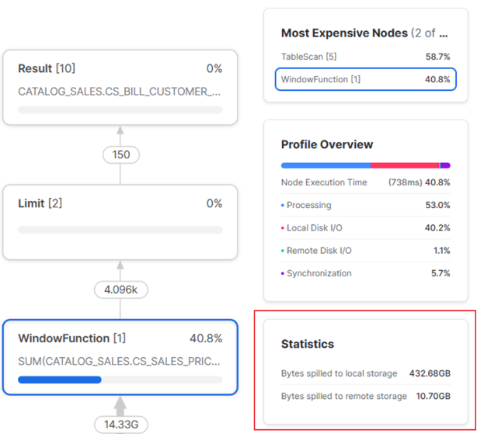

 | The following accurately describes the highlighted statistics
 | A larger virtual warehouse size will likely reduce local and remote spilling
 | The query profile indicates that the step is too significant to fit in the virtual warehouse memory

Snow-Resources
Snowflake General
The following terms may be used to describe Snowflake:
 | Built from scratch, specially designed for execution on cloud platforms
 | Hybrid Columnar Storage
 | Native SQL support
 | Shared Data
 | Multi-cluster shared data
 | Cloud-native shared memory
 | It was purpose-built for cloud environments
 | It is a hybrid of traditional shared-disk and shared-nothing database architecture
Snowflake is considered a SaaS (Software-as-a-Service) product because:
 | Snowflake regularly updates the software, and all accounts receive these updates automatically, eliminating the need for manual installations, maintainance, and patches
 | The customer is not required to procure, install and manage any hardware
 | It provides pay as you go licensing, allowing users to pay only for the resources and features they use
 | Snowflake runs in the cloud and is available over the internet

Snowflake Account
For the storage hierarchy in Snowflake:
 | Account > Database > Schema > Table represents the storage hierarchy in Snowflake
The following cloud platforms can host a Snowflake account:
 | Amazon Web Services (AWS)
 | Microsoft Azure Cloud
 | Google Cloud Platform (GCP)
Snowflake is not available to be installed on-premises servers
Snowflake automatically rotate the Account and Table master keys every 30 days
The minimum configurable idle timeout value for a session policy is 5 minutes

SnowSQL and SnowCD
SnowSQL is a command line tool used to connect to Snowflake instance
SnowSQL is available Linux,Windows and macOS operating systems
SnowCD is used for connectivity diagnostics

Snowsight
A web-based interface to connect to your snowflake instance
You can set a different context(role, warehouse,schema,and database) for each worksheet in Snowsight
Each worksheet in Snowsight acts as a different session
The query history in the Snowflake Web Interface is kept for 14 days
You can execute multiple queries at a given time
In the Snowsight worksheet view, you can share a worksheet with another user in the same Snowflake account
The primary sections available in the top navigation of the snowsight are: databases,warehouses and worksheets
Snow sight supports the following types of charts:
 | Bar charts
 | Line charts
 | Scatterplots
 | Heat grids
 | Scorecards
When you exit Snowsight, Snowflake cancels any queries that you submitted during this session that are still running.
In activity can a Snowflake user access the query history in Snowsight

Snowflake Versions
Snowflake deploys new releases at weekly interval
 | During a release,new customer requests,queries,and connections automatically switch to the newer version
Snowflake does not applies new software versions to all Snowflake customers at once
Full release and Patch release are the types of releases that Snowflake deploys weekly
Snowflake releases a behaviour change release at Once a month frequency

Snowflake Marketplace
Users can search for and consume third-party datasets through Snowflake Marketplace
Any snowflake account can consume or publish data to the snowflake marketplace
The available data listing types in the Snowflake Data Marketplace are:
 | Standard
 | Personalized
When replicating a Snowflake Data Marketplace listing to a remote region, the considerations should be kept in mind are:
 | The listing is automatically replicated into all selected regions,but the data itself is not.
 | For a standard listing,data replication to the target region can be delayed until the first customer requests it
IMPORTED PRIVILEGES privilege must a user possess to receive or request data from the Snowflake Marketplace

Snowflake Connectors:
 | Snowflake Connector for Kafka
 | Snowflake Connector for Python (Spark)

Snowflake Drivers
The following are drivers provided by Snowflake:
 | Go Snowflake Driver
 | JDBC Driver
 | .NET Driver
 | Node.js Driver
 | ODBC Driver
 | PHP PDO Driver for Snowflake
 | Snowflake Connector for Python
To display the version of the drivers currently in use Execute SELECT CURRENT_CLIENT(); from an application

Snowflake Partners (Examples)
Snowflake Data Integration partners
 | IBM DataStage
 | Talend
 | Informatica
 | Matillion
 | IBM DataStage
 | AbInitio
Snowflake business intelligence partners
 | PowerBI
 | Tableau
 | MicroStrategy
 | Oracle
 | Looker
 | Qlik
Snowflake Security, Governance and Observability partners
 | Alation
 | Immuta
 | Collibra
Snowflake SQL Development and Management partners
 | SQL Workbench
 | Dbeaver
 | Erwin

Snowpark
Snowpark is a library created by Snowflake that provides APIs for accessing and processing data in applications written in a programming language other than SQL.
Programming languages allowed to construct apps that handle data using standard programming structures.
 | Java
 | Scala
 | Python
data-processing programming |  | =====> | Snowpark library |  | =====> | SQL | =====> | Push it down to Snowflake server | =====> | Processing Execution
Snowpark operations are executed lazily on the server which means that:
 | You can use the library to delay running data transformation until as late in the pipeline as possible while batching up many operations into a single operation.
 | This reduces the amount of data transferred between your client and the Snowflake database. It also improves performance.
Snowpark eliminates the need for an external cluster running outside of snowflake
Snowpark enables users to execute existing spark code on virtual warehouses without requiring code modifications

Resource Monitors
Resource Monitors can help manage virtual warehouse credit usage
Privileges needed on the resource monitor to view and modify an existing resource monitor:
 | MONITOR privilege
 | MODIFY privilege
The following can be tracked and managed by a resource monitor:
 | The whole account
 | A single virtual warehouse
 | A group of virtual warehouses
A resource monitor can track cloud services costs associated with a virtual warehouse but can not stop cloud services costs from occurring
Resource monitors support the following actions:
 | Notify & Suspend: Send a notification (to all account administrators with notifications enabled) and suspend all assigned warehouses after all statements being executed by the warehouse(s) have completed.
 | Notify & Suspend Immediately: Send a notification (to all account administrators with notifications enabled) and suspend all assigned warehouses immediately, which cancels any statements being executed by the warehouses at the time.
 | Notify: Perform no action, but send an alert notification (to all account administrators with notifications enabled).

Example 1 |  |  |  |  |  |  |  |  |  | Example 2
 | Consider the following resource monitor configuration |  |  |  |  |  |  |  |  |  | Consider the following resource monitor configuration
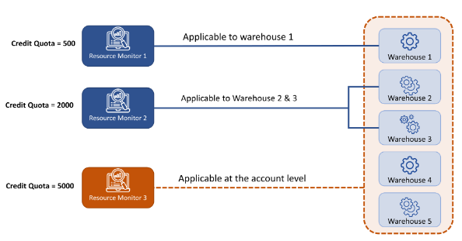
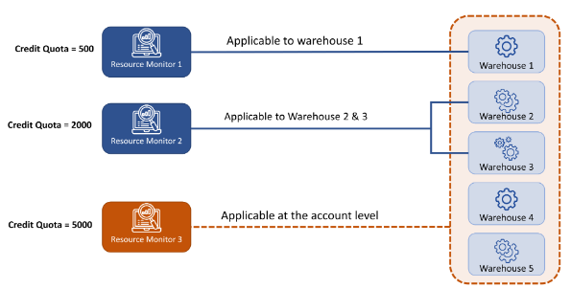

 | The maximum credit that warehouse 1 can use is 500

 |  |  |  |  |  |  |  |  |  |  | The combined credit usage of warehouse 2 and warehouse 3 can be up to 2000 credits
 |  |  |  |  |  |  |  |  |  |  | Assuming that warehouses 1 has used 500 credits, then warehouse 4 and warehouse 5 combined credit usage can be up to 4500
 |  |  |  |  |  |  |  |  |  |  | Warehouse 5 can use up to 5000 credits if the other warehouses have not used any credits

Data Sharing (Metadata Component)
The same Snowflake account can share (as a data provider) and consume data (as a data consumer)
A share generally contains:
 | USAGE privileges on the database & the schema
 | privileges on the tables
 | secure views which will be shared (optional)
 | The consumer account(s) to which the Share will be available (One or Multiple)
 | Objects are read-only by consumer
Then the consumer has to:
 | A share has been granted to a consumer
 | The consumer has to created a read-only database on the Share
 | Then all new objects become accessible to the consumer
 | Consumer just can SELECT objects and cannot perform any other operation on objects
A reader account:
 | Requisite for a non-Snowflake user
 | It cannot consume data from another data provider than the owner
 | Any support requests for the reader account must be reaised through the provider account
Objects that can be shared:
 | External tables |  |  | Secure materialized views
 | Dynamic tables |  |  | Secure UDFs
 | Tables |  |  | Secure views
Create a secure view if if you need to share data from many tables in separate databases.
It is possible to share data with other regions, but the provider must enable replication and replicate your existing database to the other region.
Methods that can be used to create and manage Data Shares in Snowflake:
 | Through the Snowsight
 | Using SQL commands
Costs
The data consumer is not charged for any storage costs associated with the shared data
The data consumer is charged for the compute charges for queries they run
The data provider is charged for the compute charges for queries that reader account runs

Data Cloning
After a table has been cloned, any updates to the data in the source table WILL NOT automatically update the data in the cloned table.
All operations like CLONE,DROP,SELECT or DELETE can be performed on a cloned table because a cloned table is just like any other table
Objects that can be cloned:
 | Data Containment Objects |  |  | Data Configuration and Transformation Objects
 |  | Databases |  |  | External Stages
 |  | Schemas |  |  | File Formats
 |  | Tables |  |  | Sequences
 |  | Streams |  |  | Tasks
Permanent table can be cloned to permanent,transient or temporary table types
Temporary table can be cloned to transient and temporary
Transient table can be cloned to transient and temporary
The cloned table is based on the snapshot of the data at the time of cloning
When cloning a table, your current role must have the privilege SELECT on the source table
When a database/schema is cloned, all child objects within the schema are cloned
The cloning operation does not contribute to total storage until data manipulation language (DML) operations are performed on the source or target
Files already loaded from a stage to a table can be loaded again into a cloned table because Cloning doesn't copy the load metadata of a cloned table
Combining Cloning and Time Travel can generate a clone of a table, database, or schema as it existed at a specific point in time. Because both Time Travel & Cloning are metadata operations, they can easily be combined.

Search Optimization in Snowflake:
The search optimization service can significantly improve the performance of certain types of lookup and analytical queries like:
 | Selective point lookup queries on tables. A point lookup query returns only one or a small number of distinct rows
 | Substring and regular expression searches (e.g. LIKE,ILIKE,RLIKE, etc)
 | Queries on fields in VARIANT, OBJECT, and ARRAY (semi-structured) columns that use the following types of predicates:
 |  | Equality predicates
 |  | IN Predicates
 | Queries that use selected geospatial functions with GEOGRAPHY values.
The search optimization service in Snowflake is similar to the secondary index concept in typical databases
The search optimization configuration on a table and its maintenance service are transparent to the users
The search optimization service uses a persistent data structure
The search optimization works in the background and updates the search access paths when the underlying table data changes
The search optimization service is a snowflake-managed service
Code
Privileges required for a user to add or remove the search optimization for a table contained in a Schema:
GRANT ADD SEARCH OPTIMIZATION ON SCHEMA <schema_name> TO ROLE <role_name> ; Command used to grant the ADD SEARCH OPTIMIZATION privilege to a role
OWNERSHIP privileges on the table

Time Travel
The default retention period for Time Travel is 1 day
Snowflake Time Travel enables accessing historical data (i.e. data that has been changed or deleted) at any point within a defined period
Tables, Schemas, and Databases are not immediately deleted physically but instead marked as deleted
Undrop allows users to restore dropped tables,schemas, and databases
Using Time Travel SQL, the following can be performed by a user:
 | Retrieve data as it was before a query was executed
 | Retrieve data as it was before a timestamp
 | BEFORE,"UNDROP" and "AT" are Time Travel SQL extensions
Time Travel can help with the following scenarios (Assume a time travel duration of 90 days):
 | An administrator accidentally dropped a production table last week
 | A new data pipeline rolled out in production yesterday has deleted all rows from a production table
Combining Cloning and Time Travel to create clones of data at a certain point in time is possible.

Fail-Safe
Fail-safe ensures historical data is protected in the event of a system failure or other event (e.g. a security breach)
It's false that It is possible to disable failsafe entirely for a Snowflake account.
After the Time Travel period has been completed, Snowflake stores data in fail-safe storage.
Snowflake keeps data in fail-safe storage for Permanent tables for 7 days
Only Snowflake staff can access data in fail-safe storage
Types of objects that are safeguarded by Fail-safe:
 | Permanent tables
 | Materialized views

