Preguntas
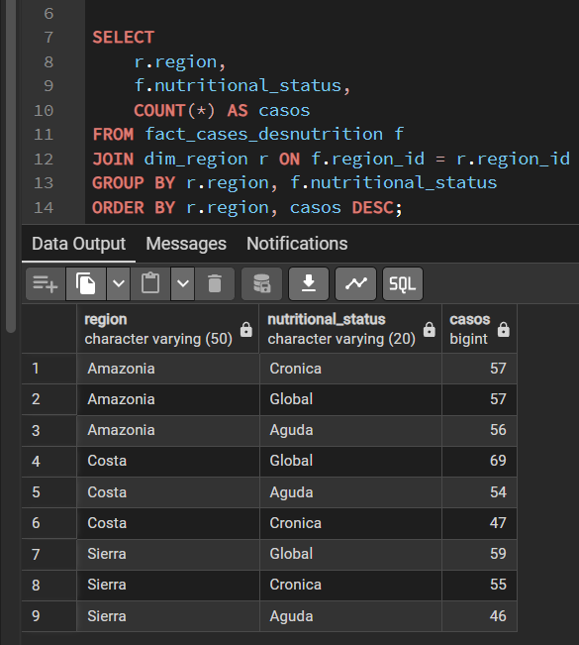
1. ¿Cuál es el tipo de desnutrición más común por región?

Casos | Column Labels
Row Labels | Amazonia | Costa | Sierra | Grand Total
Aguda | 56 | 54 | 46 | 156
Cronica | 57 | 47 | 55 | 159
Global | 57 | 69 | 59 | 185
Grand Total | 170 | 170 | 160 | 500

En la Costa, la desnutrición global es la más comun con 69 casos

En la Sierra, la desnutrición Global es la más común con 59 casos

En la Amazonía, la desnutrición Crónica y Global son las más comunes con 57 casos

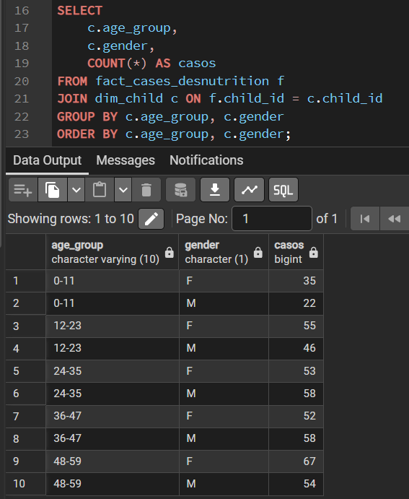
2. ¿Cómo varía la desnutrición por edad y género?
Casos | Column Labels
Row Labels | F | M | Grand Total
0-11 | 35 | 22 | 57
12-23 | 55 | 46 | 101
24-35 | 53 | 58 | 111
36-47 | 52 | 58 | 110
48-59 | 67 | 54 | 121
Grand Total | 262 | 238 | 500

En el grupo de 0-11 se evidencia que las niñas(Femenino) tienen mayor
desnutrición, con una brecha de 13 casos.
En el grupo de 12-23, las niñas también tienen mayor número de casos de desnutrición.
Los grupos de 24-35 y 36-47 evidencian lo contrario, muestran un múmero mayor de casos
en niños que en niñas.
Por último, el grupo de 48-59 vuelve a mostrar una brecha de 13 casos, siendo las niñas
con mayor casos de desnutrición.

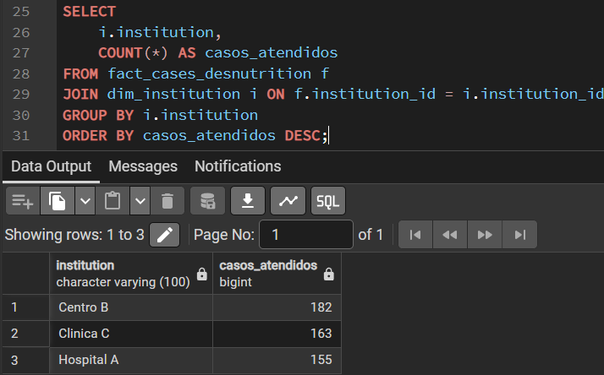
3. ¿Qué instituciones atienden más casos?

Row Labels | Casos
Centro B | 182
Clinica C | 163
Hospital A | 155
Grand Total | 500

La institución Centro B, es la que atiende más casos teniendo un total de 182.
La que le sigue es la Clpinica C con 163 casos y po último está el Hospital A con
155 casos.

