Sheet1
10
9
8
7
6
5
4
3
2
1
0 | 1 | 2 | 3 | 4 | 5 | 6 | 7 | 8 | 9 | 10 | 11 | 12 | 13 | 14 | 15 | 16 | 17 | 18 | 19 | 20 | 21 | 22 | 23 | 24 | 25 | 26 | 27 | 28 | 29 | 30 | 31 | 32 | 33 | 34 | 35 | 36 | 37 | 38 | 39 | 40 | 41 | 42 | 43 | 44 | 45 | 46 | 47

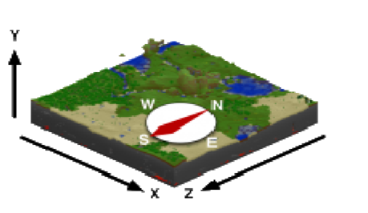
 |  |  |  |  |  |  |  |  |  |  |  |  |  |  |  |  | To test on your own computer |  |  |  |  |  |  |  |  |  |  |  |  |  |  |  | To test on the raspberry pi:
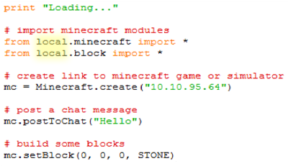
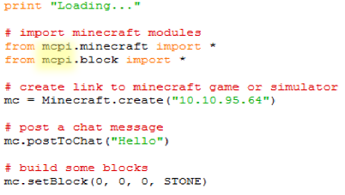

 |  | Note: You will need to change 10.10.95.64 to the IP Address of the raspberry Pi, which is:
 |  | Your teacher can find this out by typing ifconfig on the raspberry pi

 |  | Name: |  |  |  |  |  |  |  |  |  |  |  |  |  |  |  |  |  |  |  |  |  |  |  |  |  |  |  |  |  | Team name: |  |  |  | Z Coordinate |  |  |  | Example
 |  |  |  |  |  |  |  |  |  |  |  |  |  |  |  |  |  |  |  |  |  |  |  |  |  |  |  |  |  |  |  | STONE |  |  |  | -20 |  |  |  | mc.setBlock(2, 2, -20, STONE)
 |  |  |  |  |  |  |  |  |  |  |  |  |  |  |  |  |  |  |  |  |  |  |  |  |  |  |  |  |  |  |  | TNT |  |  |  | -10 |  |  |  | mc.setBlock(2, 2, -10, TNT
 |  | Team: |  |  |  |  |  |  |  |  |  |  |  |  |  |  |  |  |  |  |  |  |  |  |  |  |  |  |  |  |  | WOOD |  |  |  | 10 |  |  |  | mc.setBlock(2, 2, 10, WOOD
 |  |  |  |  |  |  |  |  |  |  |  |  |  |  |  |  |  |  |  |  |  |  |  |  |  |  |  |  |  |  |  | ICE |  |  |  | -20 |  |  |  | mc.setBlock(2, 2, 20, ICE)

 |  | Tasks: |  |  |  |  |  |  |  |  |  |  |  |  |  |  |  |  |  | Hint |  |  |  |  |  |  |  |  |  |  |  |  |  |  |  |  |  |  |  |  |  | Done:
 |  | 1 | Download and save mcpi-sim-master.zip from goo.gl/NidtTB |  |  |  |  |  |  |  |  |  |  |  |  |  |  |  |  | goo.gl/NidtTB is case sensitive - check capitals
 |  | 2 | Extract all files from mcpi-sim-master.zip |  |  |  |  |  |  |  |  |  |  |  |  |  |  |  |  | Select the zip file and go File > Extract All
 |  | 3 | Open IDLE 2.7 |  |  |  |  |  |  |  |  |  |  |  |  |  |  |  |  | If you want python 2.7 and IDLE at home, you can get it from portablepython.com
 |  | 4 | Open mc.py in IDLE |  |  |  |  |  |  |  |  |  |  |  |  |  |  |  |  | Press Ctrl + O to open a file in IDLE
 |  | 5 | Run mc.py in IDLE |  |  |  |  |  |  |  |  |  |  |  |  |  |  |  |  | Press F5 to run a file in IDLE
 |  | 6 | Change chat message and run on raspberry pi |  |  |  |  |  |  |  |  |  |  |  |  |  |  |  |  | Change local.minecraft to mcpi.minecraft and local.block to mcpi.block
 |  | 7 | Add blocks to draw 'H' from Hour of Code (not on raspberry pi) |  |  |  |  |  |  |  |  |  |  |  |  |  |  |  |  | Change back to local from mcpi. Use the grid at the top of the page
 |  | 8 | Add blocks to draw 'Hour of Code' |  |  |  |  |  |  |  |  |  |  |  |  |  |  |  |  | Make sure you use the right Z coordinate for your team
 |  | 9 | Test on raspberry pi |  |  |  |  |  |  |  |  |  |  |  |  |  |  |  |  | First team to get each letter correctly on screen on the raspberry pi wins!

