ImgSheet

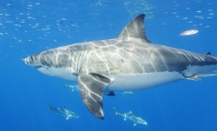
You should see three logos below

