Deterministic Demand
A | 400 |  | B | 10 |  | Beginning | 400
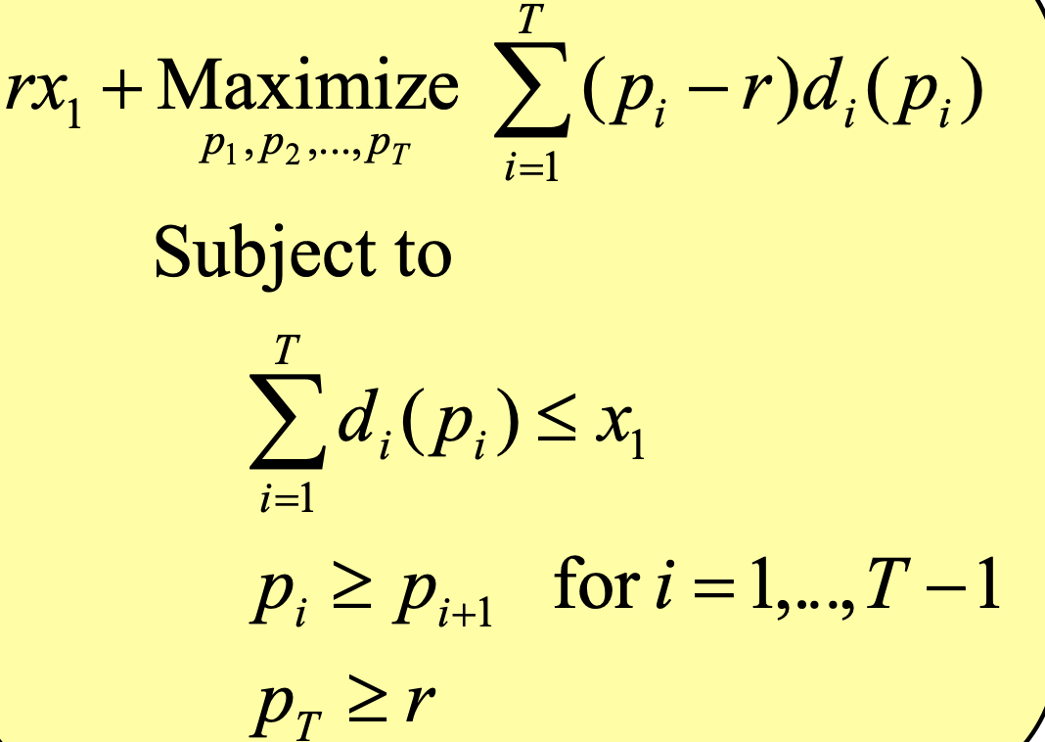
 | P | Change | P-r | Demand | Current inventory | Real Revenue | model revenue
Period 1 | 32.499999991 |  | 27.49999999 | 75.00000009 | 324.9999999 | 2437.500002 | 2062.500002
Period 2 | 24.999996989 | 7.500003002 | 19.99999699 | 75.00003002 | 249.9999699 | 1875.000525 | 1500.000375
Period 3 | 17.499995866 | 7.500001123 | 12.49999587 | 75.00001123 | 174.9999587 | 1312.499887 | 937.4998304
after season | 5 |  |  |  | 174.9999587 | 874.9997933 | 874.9997933

 |  |  |  | Objective function | 5375

