Deterministic Demand
A | 400 |  | B | 10 |  | Beginning | 800
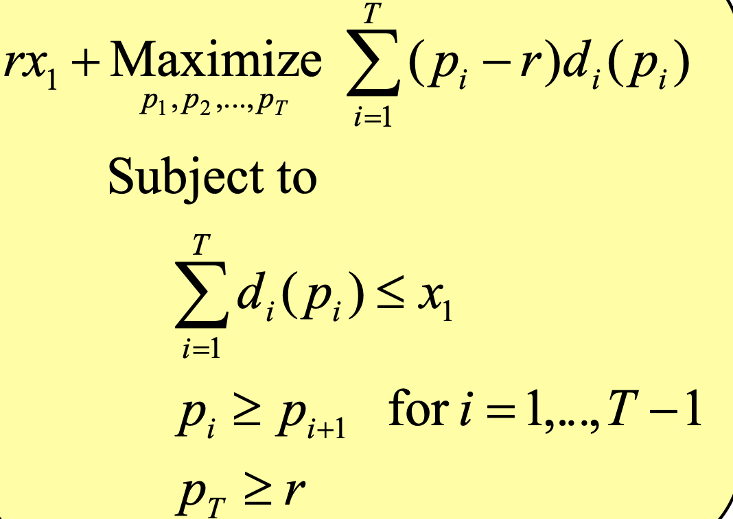
 | P | Change | P-r | Demand | Current inventory | Real Revenue | model revenue
Period 1 | 56.666656273 |  | 51.66665627 | 0 | 800 | 0 | 0
Period 2 | 56.666656273 | 0 | 51.66665627 | 233.3334373 | 566.6665627 | 13222.22569 | 12055.5585
Period 3 | 33.333300443 | 23.33335583 | 28.33330044 | 233.3335583 | 333.3330044 | 7777.777602 | 6611.109811
after season | 5 |  |  |  | 333.3330044 | 1666.665022 | 1666.665022

 |  |  |  | Objective function | 20333.33333

