Figure Hary 1959
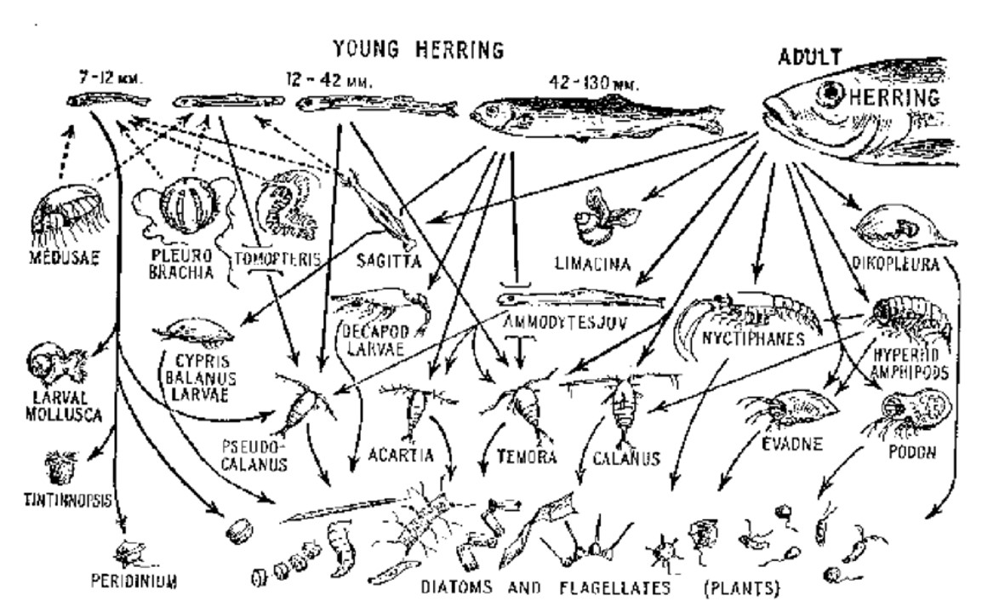

Hardy A (1959) The open sea: its natural history. part II: Fish and Fisheries, Collins, London

see e.g.; https://www.researchgate.net/publication/251238508, page 19

