Order Effects
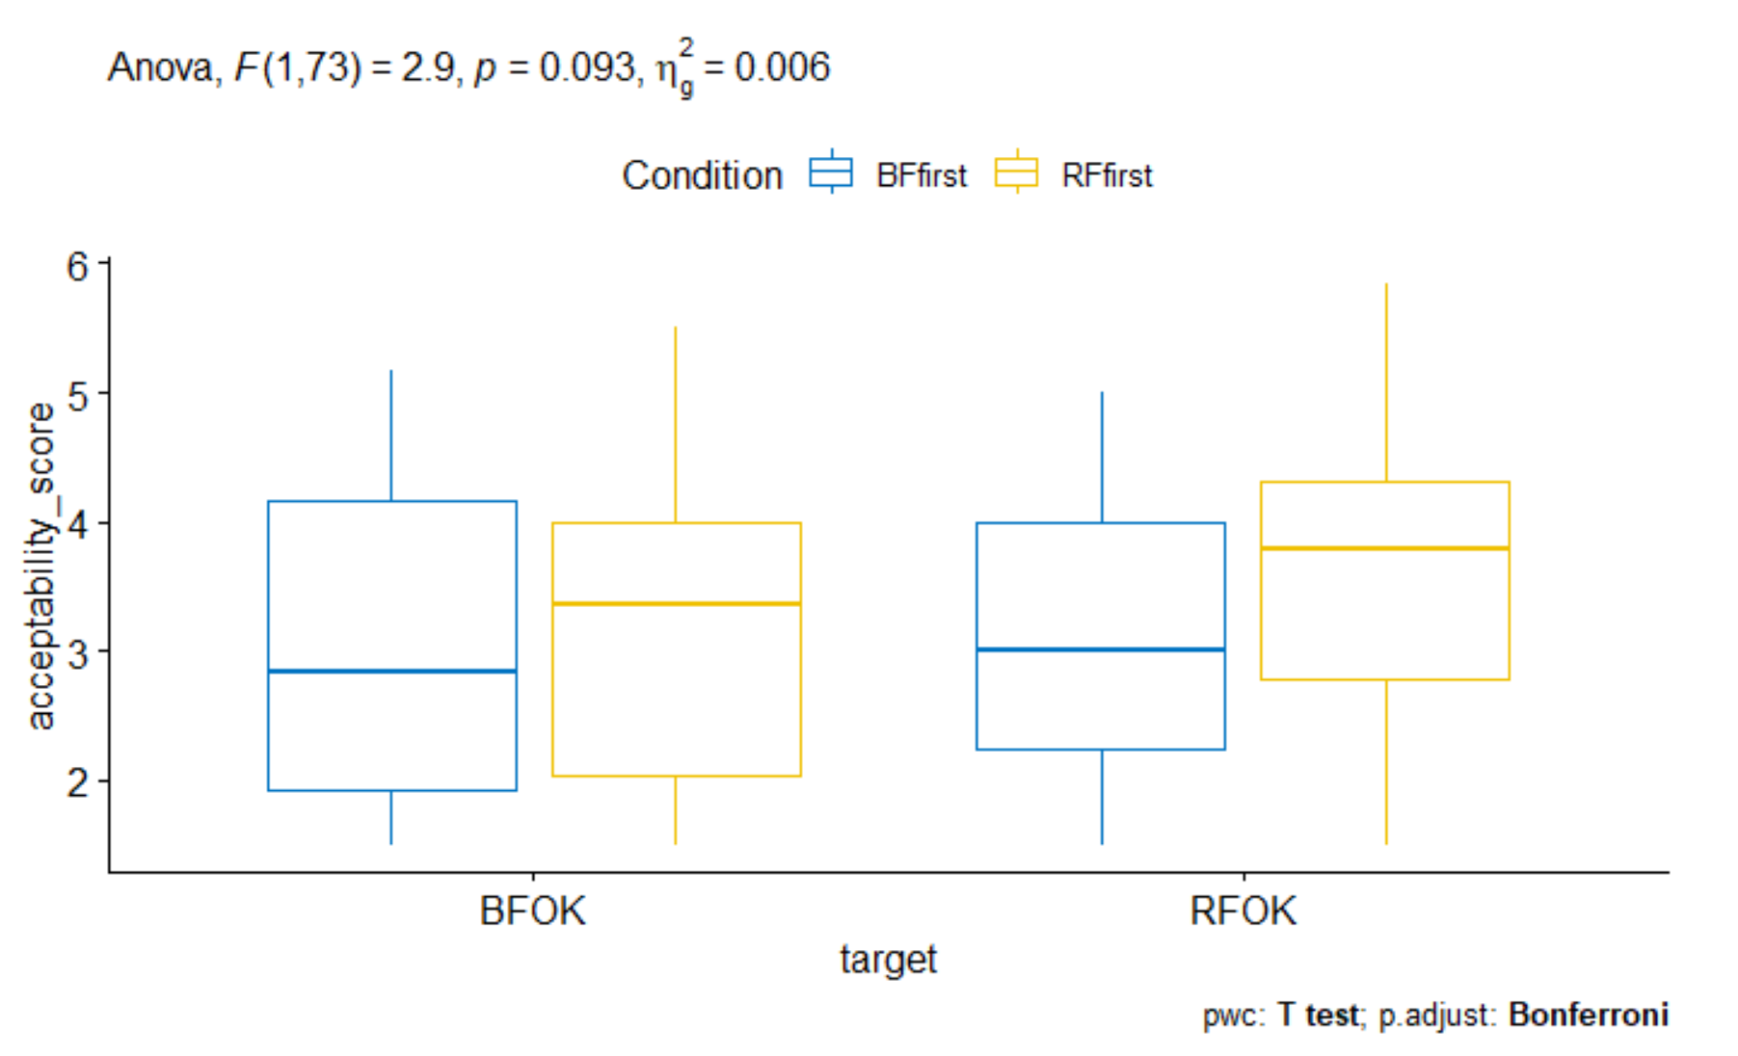
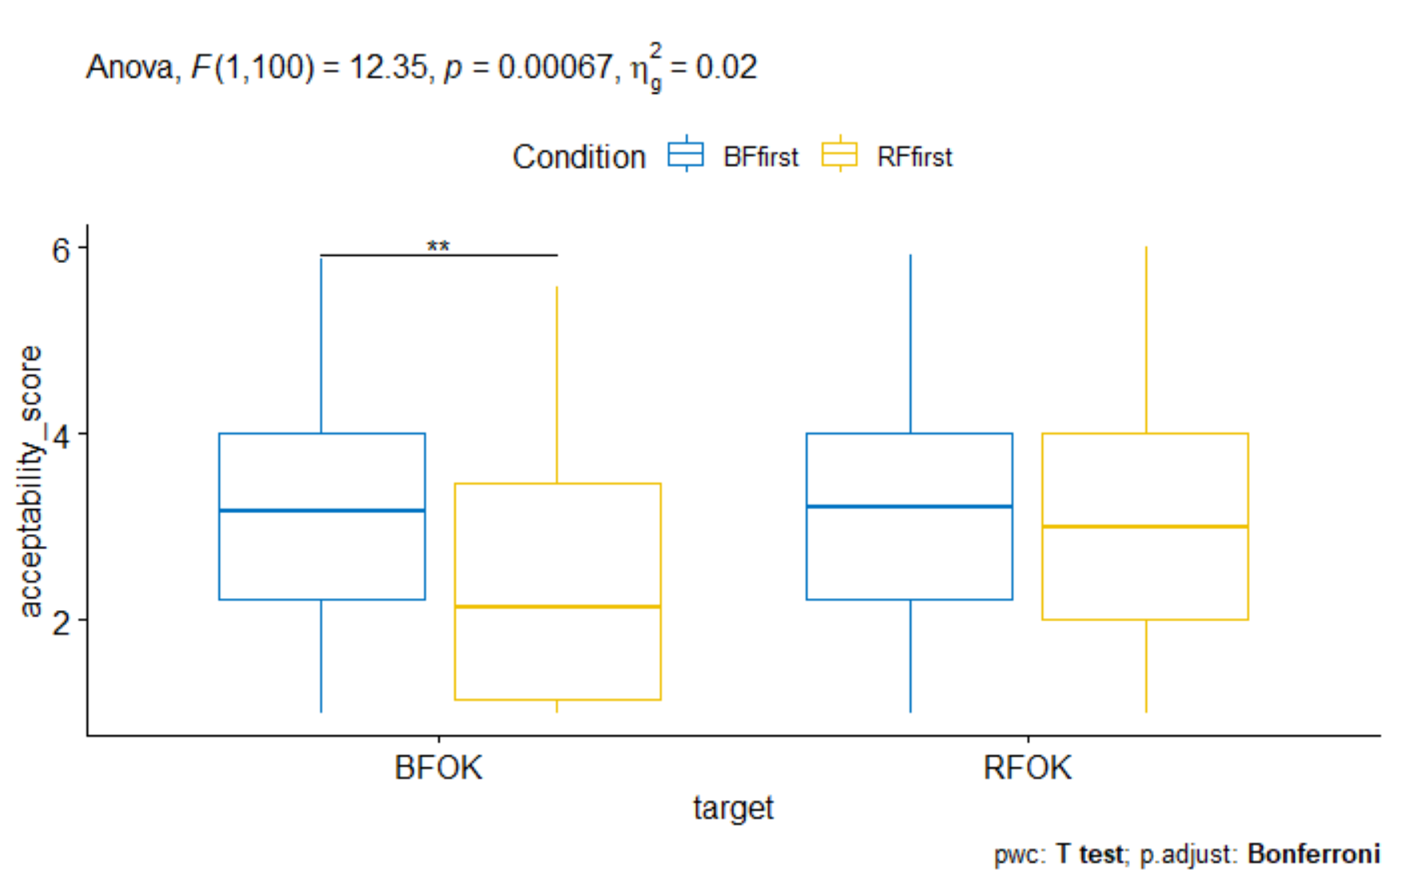
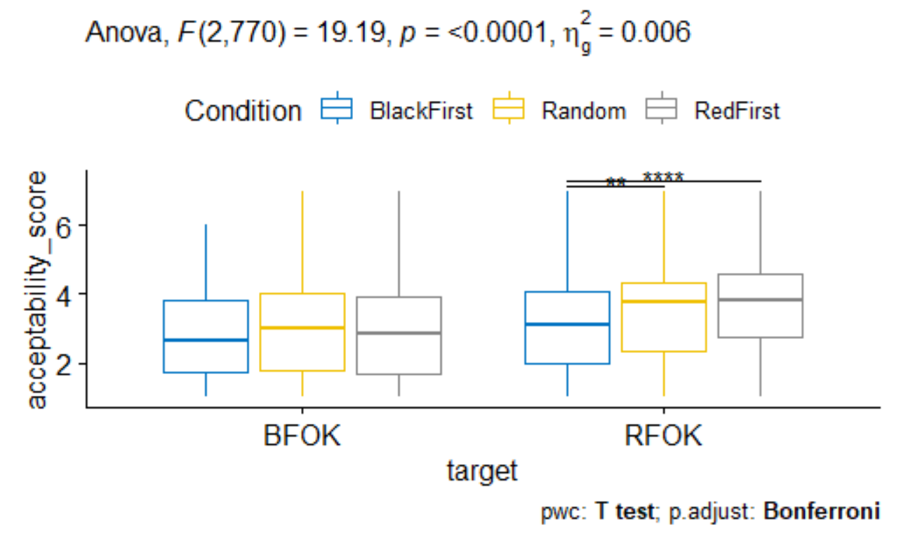
Study 1A | BF Mean | RF Mean | t | p | Study 1B | BF Mean | RF Mean | t | p | Study 4 | BF Mean | RF Mean | t | p
BF First | 2.83 | 3.04 | -1.1059 | 0.277 | BF First | 3.11 | 3.16 | -0.358 | 0.721 | BF First | 2.74 | 3.07 | -7.72 | <.001
RF First | 2.98 | 3.47 | -3.995 | <.001 | RF First | 2.4 | 3.11 | -5.3882 | <.001 | RF First | 2.86 | 3.7 | -14.87 | <.001
 |  |  |  |  |  |  |  |  |  | Random Order | 2.88 | 3.49 | -12.68 | <.001

Study 1A | BF First | RF First | t | p | Study 1B | BF First | RF First | t | p | Study 4 | BF First | RF First | Random Order | t | p
BF Mean | 2.82 | 2.98 | -0.561 | 0.576 | BF Mean | 3.11 | 2.4 | 2.81 | 0.006 | BF Mean | 2.74 | 2.86 | 2.88
RF Mean | 3.04 | 3.48 | -1.6065 | 0.1129 | RF Mean | 3.16 | 3.11 | 0.207 | 0.836 | RF Mean | 3.07 | 3.11 | 3.49

Mixed Measures ANOVA |  |  |  |  | Mixed Measures ANOVA |  |  |  |  | Mixed Measures ANOVA
Effect | F | p |  |  | Effect | F | p |  |  | Effect | F | p
Condition | 1.42 | 0.237 |  |  | Condition | 2.9 | 0.092 |  |  | Condition | 6.096 | 0.002
Target | 8.5 | 0.005 |  |  | Target | 15.15 | <.001 |  |  | Target | 345.684 | <.001
Interaction | 2.895 | 0.093 |  |  | Interaction | 12.35 | 0.017 |  |  | Interaction | 19.19 | <.001

Effect of Condition at each Target |  |  |  |  | Effect of Condition at each Target |  |  |  |  | Effect of Condition at each Target
Target | Effect | F | p |  | Target | Effect | F | p |  | Target | Effect | F | p
Blackface | Condition | 0.188 | 0.666 |  | Blackface | Condition | 8.364 | 0.005 |  | Blackface | Condition | 1.175 | 0.301
Redface | Condition | 3.259 | 0.075 |  | Redface | Condition | 0.081 | 0.777 |  | Redface | Condition | 13.144 | <.001

Pairwise comparisons between Condition Levels |  |  |  |  | Pairwise comparisons between Condition Levels |  |  |  |  | Pairwise comparisons between Condition Levels
Target | Condition 1 | Condition 2 | p |  | Target | Condition 1 | Condition 2 | p |  | Target | Condition 1 | Condition 2 | p
Blackface | Black First | Red First | 0.666 |  | Blackface | Black First | Red First | 0.005 |  | Blackface | Black First | Random | 0.134
Redface | Black First | Red First | 0.075 |  | Redface | Black First | Red First | 0.777 |  | Blackface | Black First | Redfirst | 0.318
 |  |  |  |  |  |  |  |  |  | Blackface | Random | Redfirst | 0.604
Follow up test for non-sig interaction |  |  |  |  |  |  |  |  |  | Redface | Black First | Random | <.001
Pairwise paired t-test for Target (ignoring Condition) |  |  |  |  |  |  |  |  |  | Redface | Black First | Redfirst | <.001
Y | Target | Target | p |  |  |  |  |  |  | Redface | Random | Redfirst | 0.175
Acceptability | Blackface | Redface | 0.005
Pairwise indpendent t-test for Condition (ignoring Target)
Y | Condition | Condition | p
Acceptability | Black First | Red First | 0.124

 | Study 1A (College, Mostly Asian) |  |  |  |  |  |  | Study 1B (College, Mostly Asian) |  |  |  |  |  | Study 4 (Mturk, Mono Racial White)

RM Item Analysis
 |  | Blacks | Natives
Unawareness of Racial Privelege | Becoming Rich | 3.442 | 3.506 | Hard working Native Americans have an equal chance to become rich as hard working White Americans.
 | Lower Social Services | 3.209 | 2.966 | Overall, Native Americans receive lower quality social services (such as type of health care or day care) than Whites in the US.
 | Equal Chance at Success | 3.128 | 3.247 | Native Americans have an equal chance of success as White Americans.
 | Same Oppurtunities | 2.966 | 2.854 | Native Americans do not have the same opportunities as White people in the U.S.
 | Skin Color Advantages | 2.686 | 2.753 | White people in the U.S. have certain advantages over Native Americans because of the color of their skin.
 | Blame Whites for Racial Discrimination | 2.57 | 2.607 | White people are more to blame for racial discrimination in the U.S. than Native Americans.
 | Prison | 2.151 | 3.404 | Native Americans have a higher chance of getting sent to prison than White Americans.
Denial of Disparities | Racism Thing of Past | 2.093 | 2.539 | Racism against Native Americans is a thing of the past.
 | Race Doesn't Matter | 2.233 | 2.773 | Being of the Native American race basically doesn't matter in society anymore.
 | Discrimination Not Common | 2.419 | 3.124 | Racial discrimination against Native Americans is not common in society.

Racism Minimization (Study 2)
Racism Minimization (Study 3)
Racism Minimization (Study 4)

 |  | Blacks | Natives
 | Becoming Rich | 4.094 | 3.935
 | Lower Social Services | 3.677 | 3.361
 | Equal Chance at Success | 3.783 | 3.645
 | Same Oppurtunities | 3.671 | 3.412
 | Skin Color Advantages | 3.254 | 3.062
 | Blame Whites for Racial Discrimination | 3.623 | 2.997
 | Prison | 2.629 | 3.71
 | Racism Thing of Past | 2.743 | 3.065
 | Race Doesn't Matter | 2.954 | 3.213
 | Discrimination Not Common | 2.909 | 3.301

 |  | Blacks | Natives
 | Becoming Rich | 4.344 | 4.112
 | Lower Social Services | 3.772 | 3.5
 | Equal Chance at Success | 4.071 | 3.945
 | Same Oppurtunities | 3.588 | 3.437
 | Skin Color Advantages | 3.131 | 3.164
 | Blame Whites for Racial Discrimination | 3.444 | 2.982
 | Prison | 2.758 | 3.754
 | Racism Thing of Past | 2.956 | 3.412
 | Race Doesn't Matter | 3.115 | 3.539
 | Discrimination Not Common | 3.031 | 3.659

