definitions
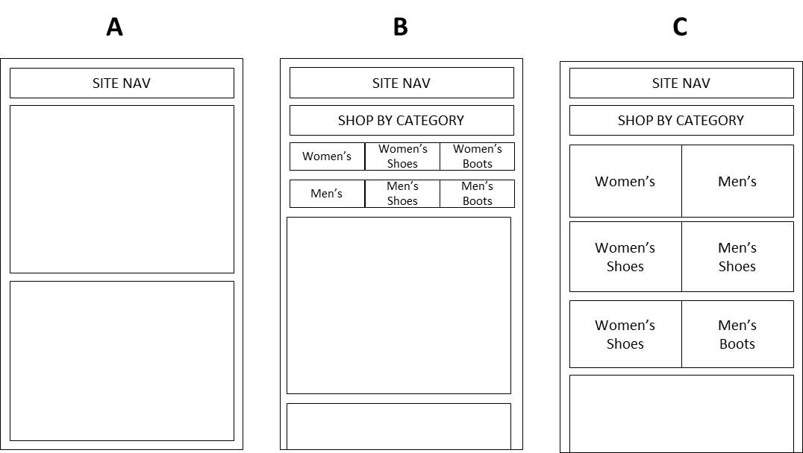
key_metrics | definition
Visits | the number of visits to the site | Deliverable
Bounces | a visit who leaves the site without interacting with the page | Results analysis in candidate’s preferred format
Category_Link_Click_Visits | a visit who clicks a test category link (men's, women's, women's shoe, men's shoes, women's boots, men's boots)
Product_View_Visit | a visit who saw a product page | Background
Cart_Visit | a visit who saw the cart page | Test data: Attached
Orders | a visit who made a purchase | Hypothesis: I believe that that presenting the user with large category buttons on the mobile homepage, will allow users to more easily navigate to product. If I’m right, we’ll see an increase in product views and downstream metrics including order conversion.
Revenue | sales during the period

Test Layout: | description
Version A: | control, standard content slot (no category links)
Version B: | smaller horizontal text-based links on a black background, "shop by category" is displayed across the top
Version C: | larger vertical text links overlaid on product images in the background

