5.1


4.1


3.1
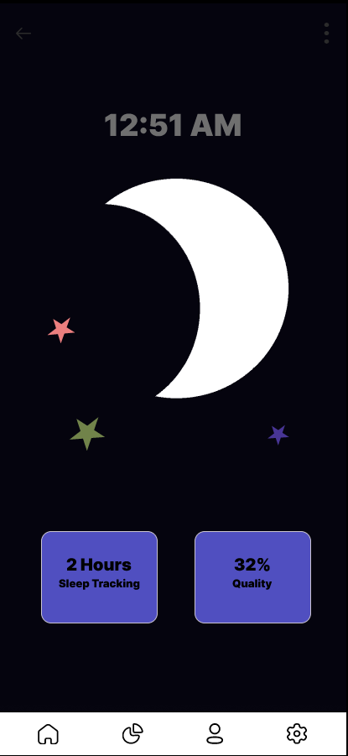

2.1


1.3


1.2


1.1


