1. Title Page
[Instacart Grocery Basket Analysis]

Project Name: Instacart Grocery Basket Analysis
Date: November 30, 2022
Analyst Name: Juliana Lee

Contents:
Population Flow
Consistency checks
Wrangling steps
Column derivations
Visualizations
Recommendations

Data Source:
“The Instacart Online Grocery Shopping Dataset 2017”, Accessed from https://www.instacart.com/datasets/grocery-shopping-2017 on November 10, 2022.
Customer data and the “prices” column in the products data set were fabricated for the purpose of this course.

2. Population Flow
Title page

Population flow

Exclusion flag
Condition: max_order < 5
Obervations to be removed: 1,440,295
Final total count of order_products_all: 32,404,859

Orders_products_combined
Orders_products_merged
Orders_products_all

Total: 32,404,859
Total: 32,434,489
Total: 32,404,859

1.) The grey boxes in the first row of the population flow represent the original data sets as they were when you downloaded them. In the Total fields you need to add the count of the rows when you imported the data set into Jupyter.
2.) The second row of boxes (coloured) represents the data sets after you manipulated them, e.g., removed missing values and duplicates. In the Total fields you need to add the count of the rows after conducting these operations. This offers a visual oveview of how the data flows throughout the data consistency checks.
3.) The third row, where also the arrows are coloured, represents the merges you performed between the datasets. In the Total fields you need to add the count of the rows in the merged datasets, so that you end up with the final dataset (in the red box). Keep in mind the final dataset should be without exclusions (based on the exclusion flag).

3. Consistency checks
 |  |  |  | Title page
Consistency checks

Dataset | Missing values | Missing values treatment | Duplicates
orders | days_since_prior_order (206,209 missing values) | These missing values represented the new customers/first orders customers made. Therefore, a new variable was created which acts like a flag based on the missing value. | No duplicates
products | product_name (16 missing values) | Missing values were exported into its own database (df_nan). | 5 duplicates were found and dropped in df_prods_clean_no_dups dataframe.
orders_products_prior | None | N/A | No duplicates
customers | first_name (11,259 missing values) | First names and last names should be removed due to PII risk. Date_joined should be removed because it is unnecessary. | No duplicates

4. Wrangling steps
 |  |  |  |  | Title page
Wrangling steps

Data set | Columns dropped | Columns renamed | Columns' type changed | Comment/Reason
orders | eval_set |  |  | not necessary for analysis
 |  | orders_dow |  | ambiguous column name, changed to orders_day_of_week
 |  |  | order_id | changed to string
 |  |  | user_id | changed to string
department |  | index |  | transposed dataset and added an index and new header
customers |  | FIRST_NAME |  | Changed to First_name for consistency
 |  | surnam |  | Change to Last_name for consistency
 |  | STATE |  | Changed to state for consistency
 |  | n_dependants |  | Changed to number_of_dependents for consistency
 |  | fam_status |  | Changed to marital_status for consistency

5. Column derivations
 |  |  |  |  | Title page

Column derivations and aggregations

In this tab you should add tables below that the frequences of flags/label variables that you produced after deriving them. NB: don't do this for continuous variables, only for flags.
Data set | New column | Column/s it was derived from | Conditions | Code
orders_products_merged.pkl | price_range | prices | If price <=5, then low-range product. If else price > 5 and <= 15, then mid-range product. If else price > 15, then high-range product. | if row['prices'] <= 5: return 'Low-range product' elif (row['prices'] > 5) and (row['prices'] <= 15): return 'Mid-range product' elif row['prices'] > 15: return 'High range' else: return 'Not enough data'
 | busiest_day | orders_day_of_week | If day 0 then busiest day. If day 4 then least busy day. If else, then regularly busy. | for value in df_orders_products_merged["orders_day_of_week"]: if value == 0: result.append("Busiest day") elif value == 4: result.append("Least busy") else: result.append("Regularly busy")
 | busiest_days | orders_day_of_week | If day 0 or 1 then busiest days. If day 4 or 3 then slowest days. If else, then regularly busy days. | for value in df_orders_products_merged['orders_day_of_week']: if value == day_number[0] or value == day_number[1]: results.append('Busiest days') elif value == day_number[len(day_number) - 1] or value == day_number[len(day_number) - 2]: results.append('Slowest days') else: results.append('Regulary busy days')
 | busiest_period_of_day | order_hour_of_day | If hour of day < list_quantile[2] then fewest orders. If else hour of day >= list_quantile[2] and <=list_quantile [1] then average orders. If else hour of day >=list_quantile [1] then most orders. | for value in df_orders_products_merged['order_hour_of_day']: for key, val in dict_labeling_counts.items(): if value == key: if val < list_quantile[2]: results_labeling_hour.append('Fewest orders') elif val >= list_quantile[2] and val < list_quantile[1]: results_labeling_hour.append('Average orders') elif val >= list_quantile[1]: results_labeling_hour.append('Most orders')
orders_products_merged_update.pkl | max_order | user_id, order_number | Maximum number of orders | df_orders_products_merged_update['max_order'] = df_orders_products_merged_update.groupby(['user_id'])['order_number'].transform(np.max)
 | loyalty_flag | max_order | If max_order > 40 then loyal customer. If max order <=40 and > 10 then regular customer. If max order <= 10 then new customer. | df_orders_products_merged_update.loc[df_orders_products_merged_update['max_order'] > 40, 'loyalty_flag'] = 'Loyal customer' df_orders_products_merged_update.loc[(df_orders_products_merged_update['max_order'] <= 40) & (df_orders_products_merged_update['max_order'] > 10), 'loyalty_flag'] = 'Regular customer' df_orders_products_merged_update.loc[df_orders_products_merged_update['max_order'] <= 10, 'loyalty_flag'] = 'New customer'
 | average_price | user_id, prices | Average prices of products ordered by user | df_orders_products_merged_update['average_price'] = df_orders_products_merged_update.groupby(['user_id'])['prices'].transform(np.mean)
 | spending_flag | average_price | If avg price < 10 then low spender. If avg price >=10 then high spender. | df_orders_products_merged_update.loc[df_orders_products_merged_update['average_price'] < 10, 'spending_flag'] = 'Low Spender' df_orders_products_merged_update.loc[df_orders_products_merged_update['average_price'] >= 10, 'spending_flag'] = 'High Spender'
 | median_days_since_prior_order | user_id, days_since_prior_order | Median number of days since prior order | df_orders_products_merged_update['median_days_since_prior_order'] = df_orders_products_merged_update.groupby(['user_id'])['days_since_prior_order'].transform(np.median)
 | order_frequency_flag | median_days_since_prior_order | If median_days_since_prior_order > 20, then non frequent customer. If median_days_since_prior_order <=20 and >10, then regular customer. If median_days_since_prior_order <=10 then frequent customer. | df_orders_products_merged_update.loc[df_orders_products_merged_update['median_days_since_prior_order'] > 20, 'order_frequency_flag'] = 'Non-frequent customer' df_orders_products_merged_update.loc[(df_orders_products_merged_update['median_days_since_prior_order'] <= 20) & (df_orders_products_merged_update['median_days_since_prior_order'] > 10), 'order_frequency_flag'] = 'Regular customer' df_orders_products_merged_update.loc[df_orders_products_merged_update['median_days_since_prior_order'] <= 10, 'order_frequency_flag'] = 'Frequent customer'
insta_final.pkl | region | state | Northeast=['Maine','New Hampshire','Vermont','Massachusetts','Rhode Island','Connecticut','New York','Pennsylvania','New Jersey'] Midwest=['Wisconsin','Michigan','Illinois','Indiana','Ohio','North Dakota','South Dakota','Nebraska','Kansas','Minnesota','Iowa','Missouri'] South=['Delaware','Maryland','District of Columbia','Virginia','West Virginia','North Carolina','South Carolina','Georgia','Florida','Kentucky', 'Tennessee','Mississippi','Alabama','Oklahoma','Texas','Arkansas','Louisiana'] West=['Idaho','Montana','Wyoming','Nevada','Utah','Colorado','Arizona','New Mexico','Alaska','Washington','Oregon','California','Hawaii'] | df.loc[df['state'].isin(Northeast),'region']='Northeast' df.loc[df['state'].isin(Midwest),'region']='Midwest' df.loc[df['state'].isin(South),'region']='South' df.loc[df['state'].isin(West),'region']='West'
 | activity | max_order | If max_order <5, then activity low. If max_order > = 5, then activity high. | df.loc[df['max_order']<5, 'activity']='low' df.loc[df['max_order']>=5, 'activity']='high'
 | age_group | age | If age <=25 then young adult. If age <65 and age > 25 then adult. If age >=65 then senior. | df.loc[df['age']<=25, 'age_group']='Young Adult' df.loc[(df['age']<65)&(df['age']>25), 'age_group']='Adult' df.loc[df['age']>=65, 'age_group']='Senior'
 | income_group | income | If income <40000 then low income. If income >=40000 and income < 150000 then middle income. If income >=150000 then high income. | df.loc[df['income']<40000, 'income_group']='low income' df.loc[(df['income']>=40000)&(df['income']<150000), 'income_group']='middle income' df.loc[df['income']>150000, 'income_group']='high income'
 | dependent_group | number_of_dependents | If number of dependents > 0, then has dependents. If number of dependents =0 then no dependents. | df.loc[df['number_of_dependents']>0, 'dependent_group']='has dependents' df.loc[df['number_of_dependents']==0, 'dependent_group']='no dependents'
 | department | department_id | data dictionary from departments_wrangled | 1: 'frozen', 2: 'other', 3: 'bakery', 4: 'produce', 5: 'alcohol', 6: 'international', 7: 'beverages', 8: 'pets', 9: 'dry goods pasta', 10: 'bulk', 11: 'personal care', 12: 'meat seafood', 13: 'pantry', 14: 'breakfast', 15: 'canned goods', 16: 'dairy eggs', 17: 'household', 18: 'babies', 19: 'snacks', 20: 'deli', 21: 'missing'
 | baby_status | department | If any order contains items from dept babies then flag 1 and if else 0 | df['baby_status'] = [1 if x == 'babies' else 0 for x in df['department']] df['baby_status'] = df.groupby(['user_id'])['baby_status'].transform(np.max)
 | alcohol_status | department | If any order contains items from dept alcohol then flag 1 and if else 0 | df['alcohol_status'] = [1 if x == 'alcohol' else 0 for x in df['department']] df['alcohol_status'] = df.groupby(['user_id'])['alcohol_status'].transform(np.max)
 | pet_status | department | If any order contains items from dept pets then flag 1 and if else 0 | df['pet_status'] = [1 if x == 'pets' else 0 for x in df['department']] df['pet_status']=df.groupby(['user_id'])['pet_status'].transform(np.max)

6. Visualizations
 | Title page

Visualisations

In this tab you should include all the visualtions from Exercises 4.9 and 4.10, alongside the questions from the project brief that they answer. Include any commentary on the relationship between different variables.

The sales team needs to know what the busiest days of the week and hours of the day are (i.e., the days and times with the most orders) in order to schedule ads at times when there are fewer orders.
Number of Orders by Day of Week |  |  |  | Prices by hour of day
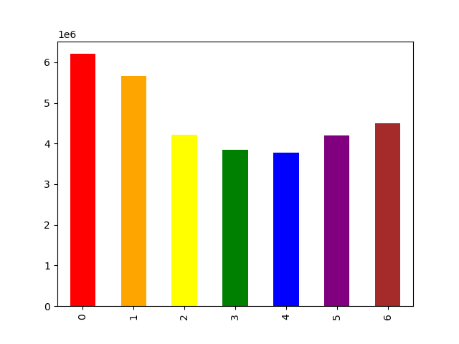


 |  | Legend
 |  | # | Day
 |  | 0 | Saturday
 |  | 1 | Sunday
 |  | 2 | Monday
 |  | 3 | Tuesday
 |  | 4 | Wednesday
 |  | 5 | Thursday
 |  | 6 | Friday

 |  | The busiest days of the week are Saturday and Sunday between the hours of 8 am to 4 pm. The least busy day is Wednesday between the hours of 2 am to 5 am.

They also want to know whether there are particular times of the day when people spend the most money, as this might inform the type of products they advertise at these times
Prices by Order hour of day placed
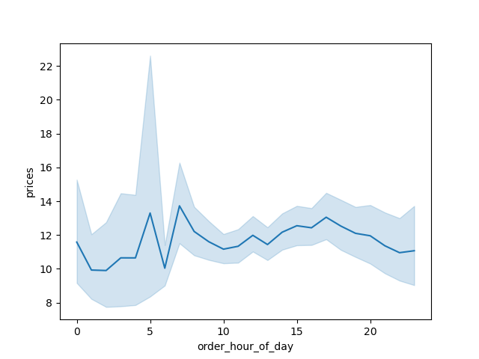
 |  | People spend the most money during the hours of 8am to 4pm. 9 am is when people spend the most money.

Are there certain types of products that are more popular than others? The marketing and sales teams want to know which departments have the highest frequency of product orders.

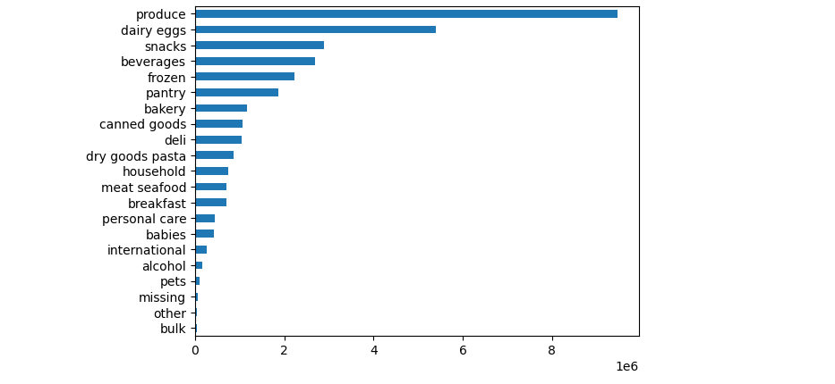
 |  | The top 5 products are produce, dairy eggs, snacks, beverages and frozen foods.

What’s the distribution among users in regards to their brand loyalty (i.e., how often do they return to Instacart)?

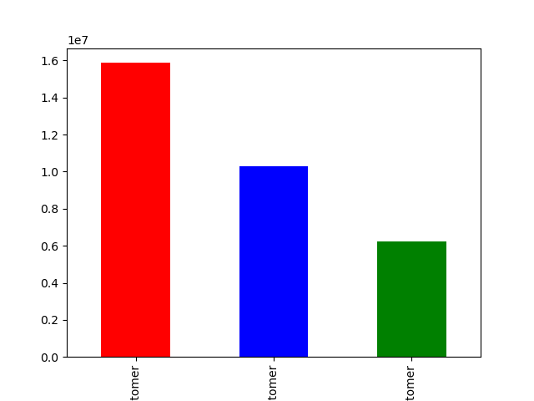

 |  | Legend
 |  | Color | Type of Customer
 |  | Red | Regular
 |  | Blue | Loyal
 |  | Green | New

 |  | There are more regular customers than loyal customers, least being the new customers.

Are there differences in ordering habits based on a customer’s loyalty status?
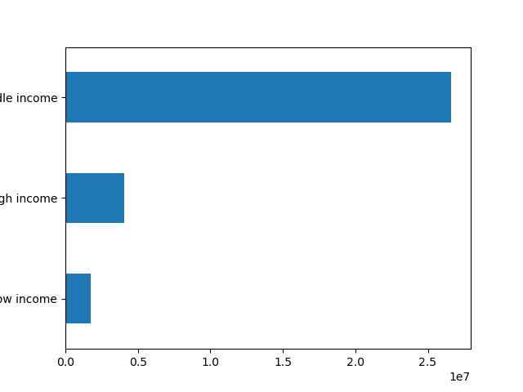
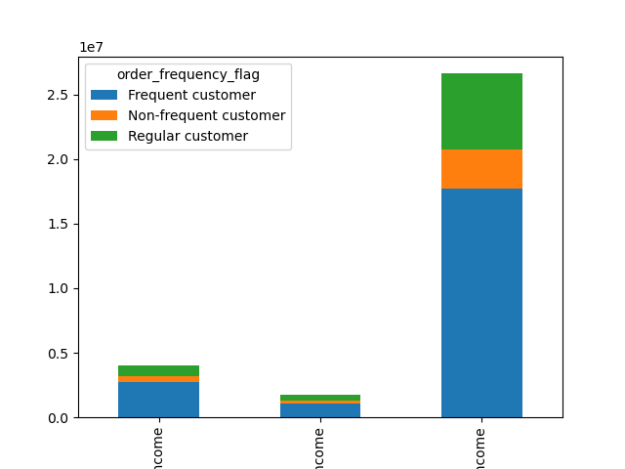
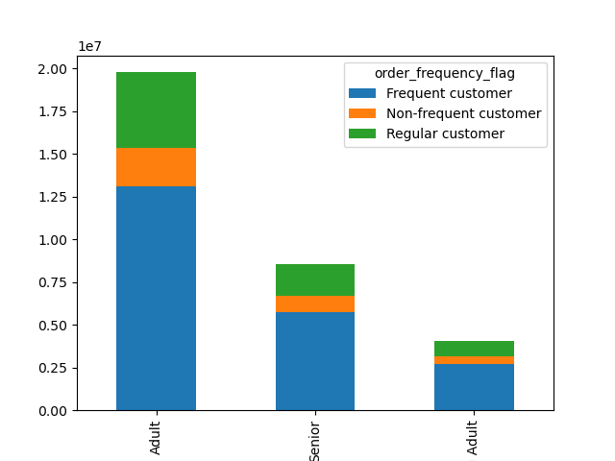

 |  | Legend |  |  |  |  |  |  |  | Legend
 |  | Position | Type of Adult |  |  | Legend |  |  |  | Position | Type of Income
 |  | Left | Adult |  |  | Position | Type of Income |  |  | Left | High
 |  | Middle | Senior |  |  | Top | High |  |  | Middle | Low
 |  | Right | Young |  |  | Middle | Middle |  |  | Right | Middle
 |  |  |  |  |  | Bottom | Low
 |  | Most of frequent Instacart customers are Adults. The non-frequent customers are Young Adults.

 |  |  |  |  |  | For both graphs, most of Instacart frequent customers are people with middle income, followed by high income, and lastly low income.

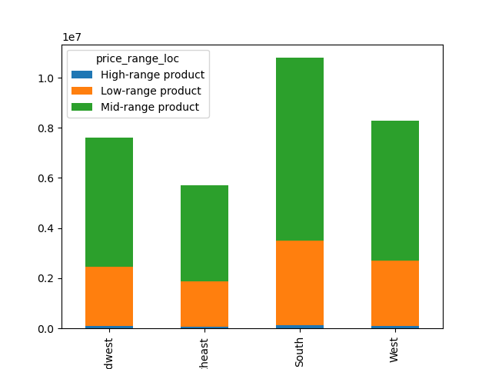
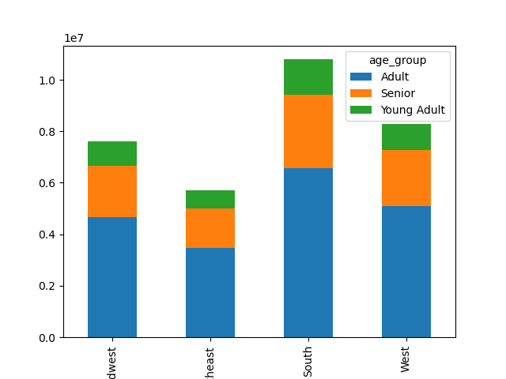
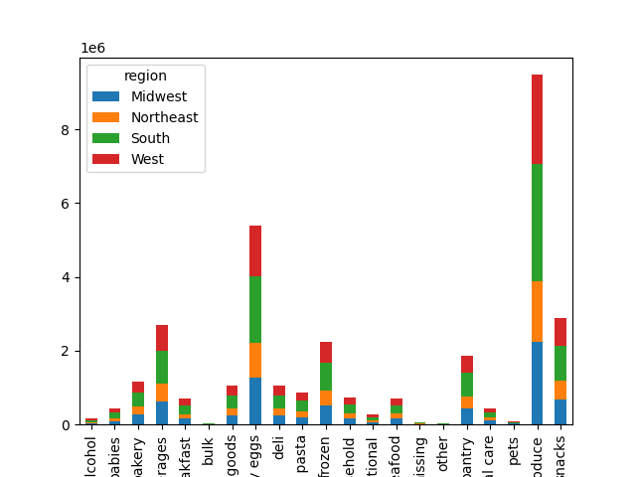
Are there differences in ordering habits based on a customer’s region?
 |  |  |  |  |  |  |  |  | From left to right:
 |  |  |  |  |  |  |  |  | alcohol
 |  |  |  |  |  |  |  |  | babies
 |  |  |  |  |  |  |  |  | bakery
 |  | From left to right (for both graphs): |  |  |  |  |  | The top 5 products are produce, dairy and eggs, snacks, beverages and frozen foods. | beverages
 |  | Midwest |  |  |  |  |  |  | breakfast
 |  | Northeast |  |  |  |  |  |  | bulk
 |  | South |  |  |  |  |  |  | canned goods
 |  | West |  |  |  |  |  |  | dairy eggs
 |  |  |  |  |  |  |  |  | deli
 |  | In every region, Instacart customers are mostly adults from the graph on the left. Also, the South has the most customers in all three age groups followed by the West, then the Midwest and lastly the Northeast. |  |  |  |  |  |  | dry goods pasta
 |  |  |  |  |  |  |  |  | frozen
 |  |  |  |  |  |  |  |  | household
 |  | From the graph on the right, majority of the customers buy mid-range products followed by low-range products and purchase high-range products the least in all four regions. |  |  |  |  |  |  | international
 |  |  |  |  |  |  |  |  | meats seafood
 |  |  |  |  |  |  |  |  | missing
 |  |  |  |  |  |  |  |  | other
 |  |  |  |  |  |  |  |  | pantry
 |  |  |  |  |  |  |  |  | personal care
 |  |  |  |  |  |  |  |  | pets
 |  |  |  |  |  |  |  |  | produce
 |  |  |  |  |  |  |  |  | snacks

Is there a connection between age and family status in terms of ordering habits?
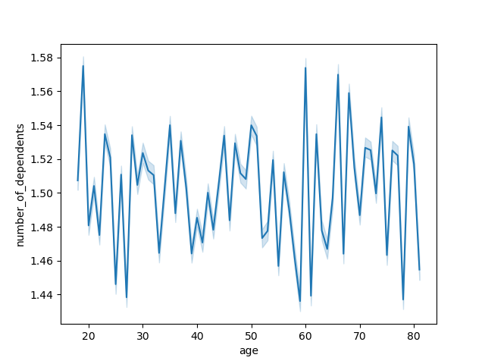


There is a positive correlation between age and income. As the older you become, the more income you'll earn. The scatterplot showing the relationship between between age and spending power (income) of instacart customers. Based on the scatterplot, there is a large concetration of customers across all ages that earns up to 200,000 (USD) and customers who are 40 years and older are earning up to 600,000 (USD). So, customers who are 40 years and older might spend more because of their higher income. |  |  | There is no correlation betweem age and the number of dependents.

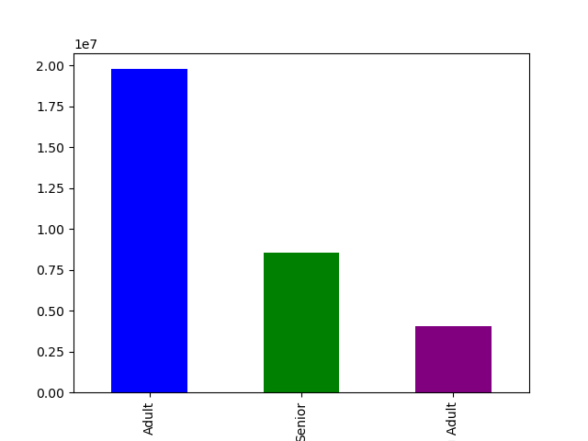
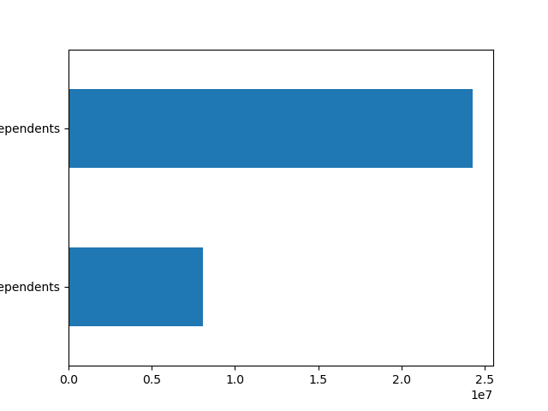

 |  | From left to right (graph on left): |  |  | From left to right (graph on left):
 |  | Adult |  |  | Has dependents
 |  | Senior |  |  | No dependents
 |  | Young Adult
 |  |  |  |  | Most of Instacart customers have dependents.

Most of Instacart customers are Adults, followed by Seniors, and lastly Young Adults.

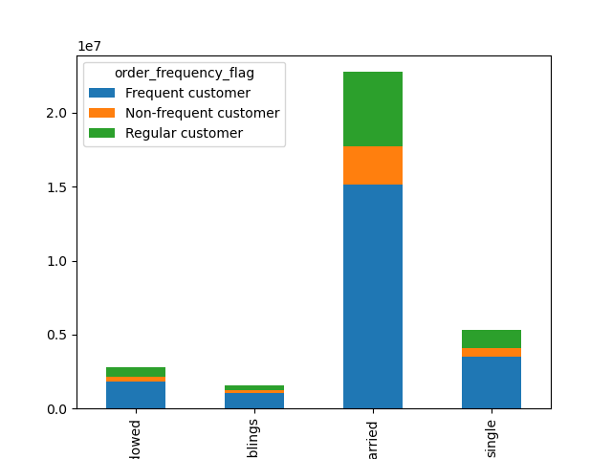

 |  | From left to right (graph on left):
 |  | Divorced/Widowed
 |  | Living with parents/siblings
 |  | Married
 |  | Single

Most of Instacart frequent, non-frequent, and regular customers are married. It is followed by single people, divorced/widowed people and lastly people who live with their parents and siblings.

7. Recommendations
 |  | Title page

Recommendations

In this tab you should include any recommendations you would made to Instcart in terms of their marketing strategy based on the questions posed in the brief. Every key question has been covered in the Tasks of the Exercises - here you need to add an item - a visualisation or table/crosstable that is showing the answer in the data, acompanied by a comment from you. Please, list the questions below and add the answer underneath.

Question | Answer/Recommendation
What days of the week and hours of the day are busiest? | The busiest days of the week are Saturday and Sunday between the hours of 8 am to 4 pm. The least busy day is Wednesday between the hours of 2 am to 5 am. Therefore, Instacart should schedule ads on Wednesday during the times 6 am to 8 am and 5pm to 10 pm. Scheduling it earlier than 6 am and later than 10 pm will not be beneficial as people may still be sleeping.

What times of the day do people spend the most money? | People spend the most money during the hours of 8am to 4pm. 9 am is when people spend the most money. Therefore, Instacart should utilize those times to advertise specific products.

Are there certain types of products that are more popular than others? | The top 5 products are produce, dairy and eggs, snacks, beverages and frozen food. Therefore, Instacart should provide special offers on those categories to keep drawing customers' attention and activity.

What's the distribution amoung users in regards to their brand loyalty? | There are more regular customers than loyal customers. Therefore, Instacart should offer incentives to reward its regular customers and incentivize non regular customers (loyal and new) to become regular customers.

Are there differences in ordering habits based on a customer's loyalty status? | Customers who are adults with middle income are the most frequent customers of Instacart. Young adults are the least frequenct customers. Therefore, Instacart should focus on advertising mid-range products to adult and senior customers.

Are there differences in ordering habits based on a customer's region? | In every region, Instacart customers are mostly adults. Also, the South has the most customers in all three age groups followed by the West, then the Midwest and lastly the Northeast. The majority of the customers buy mid-range products followed by low-range products and purchase high-range products the least in all four regions. Instacart should focus on advertising to the South; however, Instacart should focus more on customers in the West and the Midwest as those regions are not too far from the ordering habits of the customers in the South.

Is there a connection between age and family status in terms of ordering habits? | There is not a specific connection between age and family status in terms of ordering habits. Most of Instacart frequent, non-frequent, and regular customers are married. It is followed by single people, divorced/widowed people and lastly people who live with their parents and siblings. However, there is a positive correlation between age and income. As the older you become, the more income you'll earn. The scatterplot shows the relationship between between age and spending power (income) of instacart customers. Based on the scatterplot, there is a large concetration of customers across all ages that earns up to 200,000 (USD) and customers who are 40 years and older are earning up to 600,000 (USD). So, customers who are 40 years and older might spend more because of their higher income. There is no correlation betweem age and the number of dependents. Seniors are the next group of frequent customers. Therefore, Instacart should offer Senior citizens special promotions in order to increase the ordering habits of Senior citizens. Also, offering special prices on bundles of products that young adults are interested in will increase young adults' activities as well.

