Generator
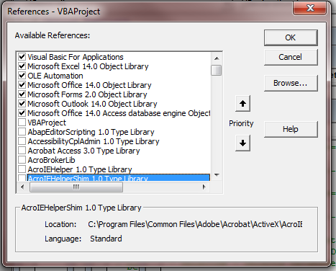

This was copied to the clipboard using VBA!

