Priority demographic overview
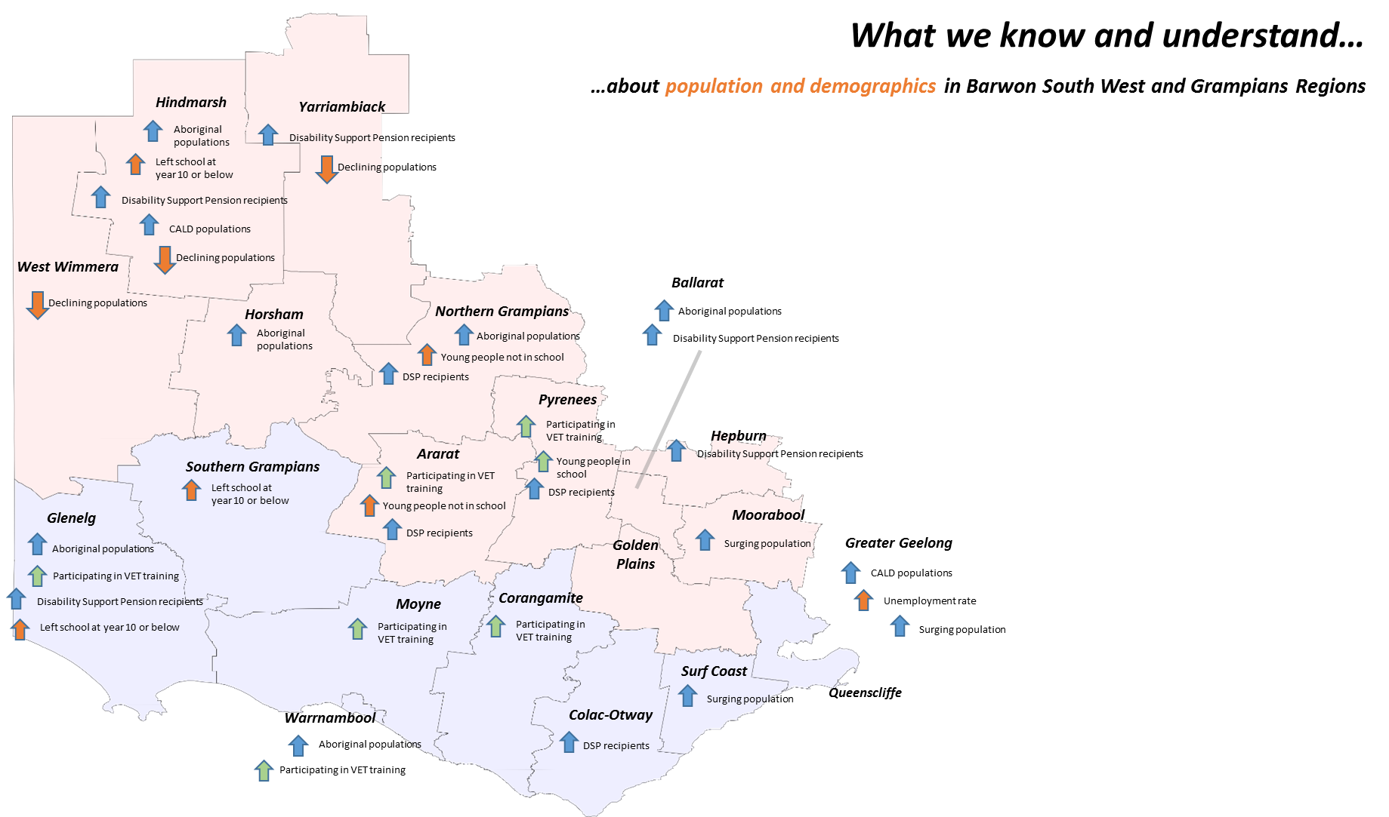
Overview of Priority Demographic Groups
Barwon South West and Grampians ACFE Regions
 |  |  |  |  |  |  |  |  |  |  |  |  |  |  |  |  |  |  | = rise in unemployment rate
 | "= higher than Regional average
Local Government Area (LGA) |  | Aboriginal population (2013) | % Aboriginal population (2013) | People born in non-English Speaking countries (2011) | % born in non-English Speaking Countries (2011) | People who left school at year 10 or below, or did not go to school (2011) | % People who left school at year 10 or below, or did not go to school (2011) | People aged 16 not participating in full time education | % people aged 16 not participating in full-time education (2011) | People aged 15-19 who are not 'earning or learning' | % people aged 15-19 who are not 'earning or learning' (2011) | Disability Support Pensioners (2014) | % Disability Support Pension recipients (2014) | People receiving unemployment benefits (2014) | % people receiving unemployment benefit for longer than 6 months (2014) | People receiving unemployment benefits (2014) | % people receiving unemployment benefit for longer than 6 months (2014) | Unemployment Rate March 2015 | Unemployment rate June 2015
Greater Geelong | Barwon South West | 2,354 | 1.1% | 19,816 | 9.4% | 58,252 | 32.5% | 559 | 19.4% | 2,515 | 17.8% | 9,582 | 6.8% | 9,479 | 7,763 | 6.8% | 5.5% | 8.4% | 8.2%
Queenscliffe | Barwon South West | 19 | 0.6% | 98 | 3.3% | 670 | 20.7% | n/a | n/a | 20 | 15.0% | 64 | 4.1% | 57 | 42 | 3.6% | 2.7% | 3.8% | 3.9%
Surf Coast | Barwon South West | 191 | 0.7% | 1,082 | 4.2% | 5,189 | 24.2% | 39 | 11.4% | 232 | 14.8% | 614 | 3.5% | 648 | 509 | 3.7% | 2.9% | 3.9% | 3.8%
Colac-Otway | Barwon South West | 236 | 1.1% | 690 | 3.4% | 6,915 | 38.3% | 50 | 17.9% | 249 | 18.5% | 1,092 | 8.7% | 889 | 721 | 7.1% | 5.7% | 7.1% | 5.7%
Corangamite | Barwon South West | 150 | 0.9% | 366 | 2.2% | 5,572 | 38.5% | 46 | 17.0% | 191 | 16.4% | 720 | 7.7% | 495 | 401 | 5.3% | 4.3% | 4.6% | 3.7%
Moyne | Barwon South West | 235 | 1.4% | 281 | 1.8% | 4,814 | 35.3% | 42 | 17.2% | 172 | 16.2% | 501 | 5.1% | 441 | 357 | 4.5% | 3.6% | 3.9% | 3.1%
Warrnambool | Barwon South West | 665 | 2.0% | 924 | 2.9% | 9,194 | 34.5% | 101 | 21.2% | 473 | 19.4% | 1,424 | 6.8% | 1,324 | 1,103 | 6.3% | 5.3% | 6.4% | 5.0%
Glenelg | Barwon South West | 490 | 2.5% | 596 | 3.0% | 7,090 | 40.5% | 63 | 18.6% | 243 | 18.1% | 1,094 | 9.1% | 956 | 786 | 7.9% | 6.5% | 7.8% | 6.3%
Southern Grampians | Barwon South West | 229 | 1.4% | 414 | 2.5% | 5,363 | 36.1% | 34 | 14.0% | 209 | 17.6% | 684 | 7.2% | 662 | 546 | 6.9% | 5.7% | 6.7% | 5.4%
BARWON SOUTH WEST TOTAL | Barwon South West | 4,570 | 1.2% | 24,267 | 6.7% | 103,059 | 33.0% | 934 | 18.3% | 4,304 | 17.6% | 15,775 | 6.8% | 14,951 | 12,228 | 6.4% | 5.2% | n/a | n/a

Moorabool | Grampians | 355 | 1.2% | 1,493 | 5.3% | 8,384 | 36.3% | 94 | 22.5% | 373 | 17.5% | 1,053 | 5.4% | 1,025 | 817 | 5.3% | 4.2% | 5.7% | 5.7%
Hepburn | Grampians | 116 | 0.8% | 783 | 5.5% | 4,221 | 31.4% | 25 | 16.2% | 153 | 19.3% | 859 | 9.5% | 641 | 525 | 7.1% | 5.8% | 4.1% | 3.9%
Ballarat | Grampians | 1,521 | 1.5% | 4,269 | 4.6% | 25,919 | 33.9% | 310 | 21.6% | 1,299 | 18.7% | 5,368 | 8.5% | 4,435 | 3,683 | 7.0% | 5.8% | 5.4% | 5.1%
Golden Plains | Grampians | 178 | 0.9% | 736 | 3.9% | 5,407 | 36.3% | 66 | 20.1% | 187 | 14.0% | 678 | 5.3% | 584 | 472 | 4.5% | 3.7% | 4.2% | 4.0%
Pyrenees | Grampians | 83 | 1.2% | 211 | 3.2% | 2,449 | 38.5% | ## | 4.4% | 62 | 16.3% | 498 | 12.6% | 312 | 264 | 7.9% | 6.7% | 5.1% | 4.8%
Ararat | Grampians | 140 | 1.2% | 452 | 4.0% | 3,659 | 35.7% | 35 | 24.6% | 134 | 20.7% | 698 | 10.3% | 494 | 398 | 7.3% | 5.9% | 5.7% | 6.0%
Northern Grampians | Grampians | 179 | 1.5% | 312 | 2.6% | 4,304 | 39.2% | 26 | 17.2% | 160 | 21.4% | 948 | 13.3% | 531 | 426 | 7.5% | 6.0% | 5.4% | 5.5%
Horsham | Grampians | 364 | 1.8% | 623 | 3.2% | 5,956 | 35.9% | 66 | 23.7% | 270 | 20.1% | 983 | 8.2% | 656 | 542 | 5.5% | 4.5% | 4.1% | 4.2%
Yarriambiack | Grampians | 92 | 1.3% | 210 | 3.0% | 2,614 | 38.0% | 24 | 21.8% | 80 | 17.5% | 499 | 12.8% | 232 | 194 | 6.0% | 5.0% | 4.5% | 5.1%
Hindmarsh | Grampians | 110 | 1.9% | 219 | 3.8% | 2,330 | 42.1% | 13 | 14.4% | 62 | 17.1% | 348 | 10.8% | 234 | 194 | 7.3% | 6.0% | 4.5% | 4.9%
West Wimmera | Grampians | 34 | 0.8% | 101 | 2.4% | 1,479 | 37.3% | ## | 18.2% | 24 | 10.7% | 184 | 7.9% | 103 | 97 | 4.4% | 4.2% | 3.2% | 3.6%
GRAMPIANS TOTAL | Grampians | 3,170 | 1.4% | 9,409 | 4.3% | 66,722 | 37.0% | 659 | 20.5% | 2,804 | 18.2% | 12,116 | 8.4% | 9,247 | 7,612 | 6.4% | 5.3% | n/a | n/a

VICTORIA TOTAL | VICTORIA | 49,715 | 0.9% | 1,048,069 | 19.6% | 1,273,105 | 29.4% | 12,540 | 18.2% | 55,864 | 16.2% | 203,042 | 5.4% | 197,513 | 158,775 | 5.2% | 4.2% | 6.5% | 6.4%
 |  | Compiled by PHIDU based on 2013 Estimated Resident Population |  | Compiled by PHIDU based on ABS Census 2011 data |  | Compiled by PHIDU based on ABS Census 2011 data |  | Compiled by PHIDU based on ABS Census 2011 data |  | Compiled by PHIDU based on ABS Census 2011 data |  | Compiled by PHIDU based on data from the Department of Social Services, June 2014 and ABS Estimated Resident Population, 30 June 2013 |  | Compiled by PHIDU based on data from the Commonwealth Department of Human Services, June 2014, and ABS Estimated Resident Population, 30 June 2013. |  |  |  | From Commonwealth Department of Employment, Small Area Labour Markets, June quarter 2015

Industry map Gramps & BSW
What we know and understand…
…about industry and employment in Barwon South West and Grampians Regions
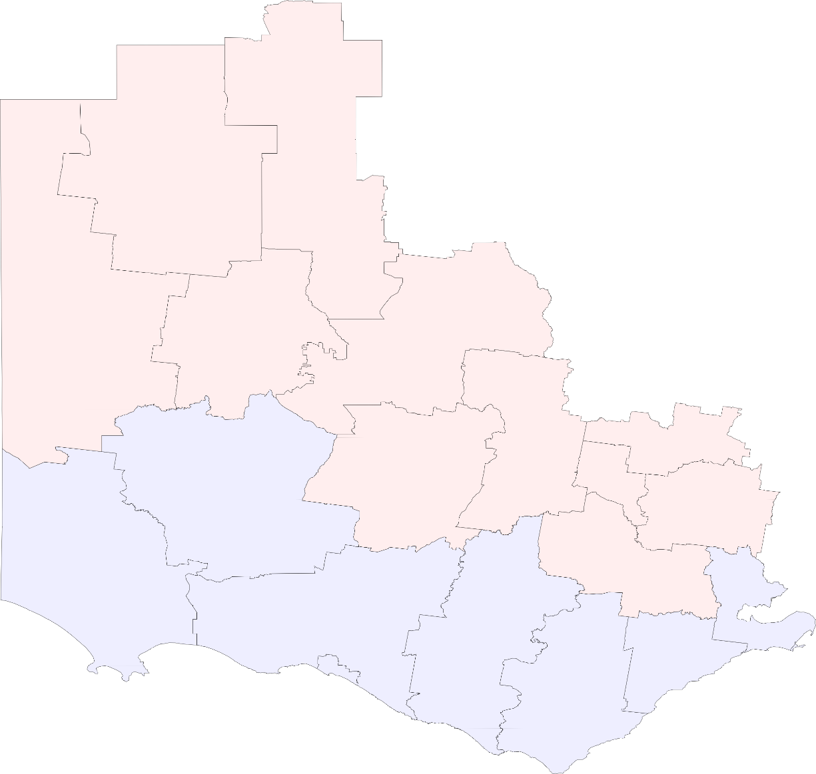

Source: 20111 ABS Census

Current employment industries – top 3 in each LGA

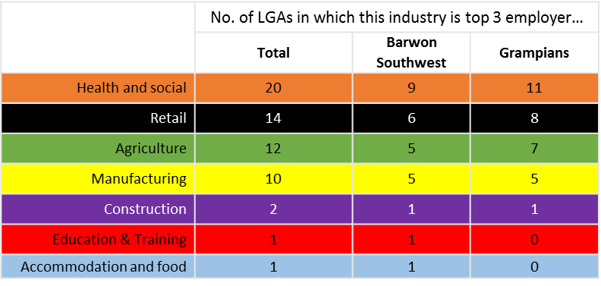

The colour coding helps show differences between the areas and the common threads running through.
All 20 LGAs have Health and Social in their top 3 industries.
All LGAs west of Pyrenees in Grampians, and Colac-Otway in BSW (except Warrnambool) have agriculture in their top 3.
Retail services are prominent all over. If analysis is extended to top 5 industries of employment it appears in all LGAs.
Manufacturing appears significantly in most LGAs that are in or contain urban centres. The main exception is Moorabool, which is connected to the more diverse economy of metropolitan Melbourne.
Construction is concentrated around the major growth LGAs of Moorabool and Surf Coast.

Grampians Industry Data
Grampians, Industry of Employment, by Qualification level ABS Census 2011
Industry of employment, by Qualification Level
Grampians Region
Source: 2011 ABS Census, Expanded Community Profile X37 and X38

 | No quals | Certificate | More than certificate | Unknown | Grand Total
Education and training | 1260 | 856 | 6008 | 180 | 8304
Public administration and safety | 1919 | 1599 | 2533 | 242 | 6293
Transport, postal, warehousing | 2592 | 1167 | 523 | 269 | 4551
Health care and social services | 3142 | 3273 | 6841 | 726 | 13982
Construction | 3212 | 4444 | 649 | 272 | 8577
Accommodation and food services | 4027 | 1380 | 814 | 272 | 6493
Agriculture | 4235 | 1778 | 1250 | 367 | 7630
Manufacturing | 4653 | 3436 | 1377 | 370 | 9836
Retail trade | 7271 | 2177 | 1319 | 434 | 11201

Projected employment change by industry 2014-19 North West Region SA4 (includes Wimmera sub region)
 | Projected employment growth ('000)
Health Care & Social | 1767
Ed. & Training | 560
Accom & Food | 432
Construction | 270
Manufacturing | 248
Retail | 21
Mining | -344
Agriculture | -750
Industry Employment Projections 2014-19
North West Victoria Region (SA4)* (includes Wimmera Sub Region)
Department of Employment, Labour Market Information Portal (Regional Projections, Interactive Tool)
Industry | SA4 sub region | Nov-14 (Trend) | Nov-19 (Projection) | Projected employment growth ('000)
Health Care & Social | North West | 10896 | 12663 | 1767 | 16.2%
Ed. & Training | North West | 3855 | 4416 | 560 | 14.5%
Other Services | North West | 5261 | 5776 | 515 | 9.8%
Accom & Food | North West | 3001 | 3433 | 432 | 14.4%
Public Admin. | North West | 3367 | 3662 | 294 | 8.7%
Construction | North West | 4624 | 4895 | 270 | 5.8%
Manufacturing | North West | 5624 | 5871 | 248 | 4.4%
Administrative and Support Services | North West | 1211 | 1415 | 204 | 16.9%
Professional, Scientific and Technical Services | North West | 859 | 975 | 117 | 13.6%
Electricity, Gas, Water and Waste Services | North West | 823 | 938 | 115 | 13.9%
Wholesale Trade | North West | 1439 | 1524 | 85 | 5.9%
Financial and Insurance Services | North West | 1201 | 1271 | 70 | 5.8%
Information Media and Telecommunications | North West | 713 | 771 | 58 | 8.2%
Transrt & W.housing | North West | 6996 | 7044 | 47 | 0.7%
Arts & Rec | North West | 528 | 563 | 36 | 6.8%
Retail | North West | 8981 | 9001 | 21 | 0.2%
Rental & Real Estate | North West | 475 | 463 | -11 | -2.4%
Mining | North West | 1094 | 750 | -344 | -31.4%
Agriculture | North West | 9273 | 8523 | -750 | -8.1%

Industry Employment Projections 2014-19 |  |  |  |  |  | *NB North West Region SA4 is the smallest geographical unit that available for this analysis
Ballarat Region (SA4)* (corresponds mostly to Central Highlands sub region) |  |  |  |  |  | It covers the Wimmera subregion, as well as the local government areas of Buloke, Swan Hill and Mildura
Department of Employment, Labour Market Information Portal (Regional Projections, Interactive Tool)
Industry | SA4 sub region | Nov-14 (Trend) | Nov-19 (Projection) | Projected employment growth ('000)
Health Care & Social | Ballarat | 9635 | 12180 | 2544 | 26.4%
Projected employment growth by industry 2014-19 Ballarat Region SA4* (corresponds with Central Highlands sub region)
 | Projected employment growth ('000)
Health Care & Social | 2544
Retail Trade | 929
Accom. & Food | 655
Ed. & Training | 632
Construction | 616
Arts and Rec. | 422
Public Admin. | 411
Mining | -24
Info Media | -76
Agriculture | -179
Manufacturing | -298
Retail Trade | Ballarat | 7821 | 8750 | 929 | 11.9%
Accom. & Food | Ballarat | 3733 | 4388 | 655 | 17.5%
Ed. & Training | Ballarat | 6446 | 7078 | 632 | 9.8%
Construction | Ballarat | 7999 | 8616 | 616 | 7.7%
Arts and Rec. | Ballarat | 1753 | 2175 | 422 | 24.1%
Public Admin. | Ballarat | 3755 | 4166 | 411 | 10.9%
Professional, Scientific and Technical Services | Ballarat | 1695 | 1889 | 194 | 11.4%
Transport, Postal and Warehousing | Ballarat | 1592 | 1715 | 123 | 7.7%
Rental, Hiring and Real Estate Services | Ballarat | 585 | 660 | 76 | 13.0%
Financial and Insurance Services | Ballarat | 907 | 978 | 71 | 7.8%
Electricity, Gas, Water and Waste Services | Ballarat | 430 | 481 | 51 | 11.9%
Wholesale Trade | Ballarat | 1091 | 1122 | 31 | 2.9%
Administrative and Support Services | Ballarat | 1050 | 1039 | -11 | -1.0%
Mining | Ballarat | 123 | 99 | -24 | -19.4%
Other Services | Ballarat | 2325 | 2279 | -47 | -2.0%
Info Media | Ballarat | 1739 | 1663 | -76 | -4.4%
Agriculture | Ballarat | 13156 | 12977 | -179 | -1.4%
Manufacturing | Ballarat | 6414 | 6115 | -298 | -4.7%
 |  |  |  |  |  | *NB Ballarat Region SA4 is the smallest geographical unit that available for this analysis
 |  |  |  |  |  | It covers the Central Highlands subregion, as well as the local government area of Central Goldfields

Barwon South West Industry Data
Barwon South West, Industry of Employment, by Qualification level ABS Census 2011
Industry of employment, by Qualification Level
Grampians Region and Barwon South West Region
Source: 2011 ABS Census, Expanded Community Profile X37 and X38

Barwon South West
 | No quals | Certificate | More than certificate | Unknown | Grand Total
Education and training | 2044 | 1514 | 10395 | 310 | 14263
Public administration and safety | 3004 | 2020 | 3921 | 360 | 9305
Transport, postal, warehousing | 3795 | 1754 | 923 | 361 | 6833
Health care and social services | 4456 | 5044 | 11235 | 1151 | 21886
Construction | 5163 | 8146 | 1425 | 477 | 15211
Agriculture | 5480 | 2237 | 1755 | 487 | 9959
Accommodation and food services | 7153 | 2534 | 1537 | 477 | 11701
Manufacturing | 7655 | 6285 | 3028 | 680 | 17648
Retail trade | 12148 | 3723 | 2923 | 753 | 19547

LGA Data available on Service System Map

Projected employment change by industry 2014-19
Geelong* Region SA4
Industry | Nov-14 (Trend) | Nov-19 (Projection) | Projected employment growth ('000)
Projected employment change by industry 2014-19 Geelong Region SA4*
 | Projected employment growth ('000)
Health Care & Social | 3167
Retail Trade | 2200
Construction | 1824
Ed. & Training | 1390
Scientific and Tech. | 1201
Public Admin. | 1168
Support Services | 914
Accom. & Food | 889
Agriculture | 182
Mining | -51
Manufacturing | -3024
Health Care & Social | 13780 | 16947 | 3167 | 23.0%
Retail Trade | 17762 | 19962 | 2200 | 12.4%
Construction | 12368 | 14192 | 1824 | 14.7%
Ed. & Training | 13313 | 14703 | 1390 | 10.4%
Scientific and Tech. | 7073 | 8273 | 1201 | 17.0%
Public Admin. | 9574 | 10742 | 1168 | 12.2%
Support Services | 4759 | 5673 | 914 | 19.2%
Accom. & Food | 7085 | 7974 | 889 | 12.5%
Transport, Postal and Warehousing | 3957 | 4434 | 477 | 12.1%
Wholesale Trade | 3556 | 3966 | 410 | 11.5%
Arts and Recreation Services | 2526 | 2756 | 231 | 9.1%
Agriculture | 2977 | 3159 | 182 | 6.1%
Rental, Hiring and Real Estate Services | 1155 | 1248 | 92 | 8.0%
Financial and Insurance Services | 2492 | 2583 | 92 | 3.7%
Electricity, Gas, Water and Waste Services | 1196 | 1287 | 91 | 7.6%
Other Services | 4084 | 4125 | 41 | 1.0%
Information Media and Telecommunications | 1776 | 1756 | -20 | -1.1%
Mining | 311 | 260 | -51 | -16.5%
Manufacturing | 10948 | 7924 | -3024 | -27.6%
Source: Department of Employment,Labour Market Information Portal, 2015 Employment Projects |  |  |  |  |  | *NB Geelong Region SA4 is the smallest Geographic Area available for this analysis
 |  |  |  |  |  | It roughly corresonds with the Barwon Subregion, except that it does not include the Colac-Otway local government area

Projected employment change by industry 2014-19 Warrnambool Region SA4*
 | Health Care & Social
Health Care & Social | 1752
Ed. & Training | 754
Accom. & Food | 651
Public Admin. | 546
Support Services | 467
Agriculture | 447
Retail | 277
Rental, Hiring and Real Estate Services | -26
Transport, Postal and Warehousing | -31
Mining | -60
Projected employment change by industry 2014-19
Warrnambool Region* SA4
Industry | Nov-14 (Trend) | Nov-19 (Projection) | Projected employment growth ('000)
Health Care & Social | 8097 | 9849 | 1752 | 21.6%
Ed. & Training | 5335 | 6088 | 754 | 0
Accom. & Food | 4249 | 4900 | 651 | 0
Public Admin. | 4094 | 4641 | 546 | 13.3%
Support Services | 1928 | 2395 | 467 | 24.2%
Agriculture | 12100 | 12546 | 447 | 0
Retail | 5344 | 5622 | 277 | 0
Wholesale Trade | 1524 | 1684 | 160 | 0
Professional, Scientific and Technical Services | 736 | 890 | 154 | 0
Construction | 2445 | 2548 | 103 | 0
Other Services | 1523 | 1601 | 79 | 0
Electricity, Gas, Water and Waste Services | 985 | 1060 | 76 | 0
Manufacturing | 5978 | 6031 | 53 | 0.9%
Financial and Insurance Services | 770 | 799 | 29 | 3.8%
Information Media and Telecommunications | 869 | 889 | 20 | 2.3%
Arts and Recreation Services | 566 | 571 | 5 | 0.9% |  | *NB Warrnambool Region SA4 is the smallest Geographic Area available for this analysis
Rental, Hiring and Real Estate Services | 335 | 309 | -26 | -7.7% |  | It roughly corresponds with the South West Subregion, except that it also includes the Colac-Otway local government area
Transport, Postal and Warehousing | 1919 | 1888 | -31 | -1.6%
Mining | 268 | 208 | -60 | -22.4%
Source: Department of Employment,Labour Market Information Portal, 2015 Employment Projects

CAIF funding 2009-2015
Allocation of CAIF Projects, 2009-2015

As a proportion of population: |  |  |  |  |  |  |  |  | As a proportion of population:
Greater Geelong is slightly under-represented |  |  |  |  |  |  |  |  | Ararat has never received CAIF funding
Glenelg is slightly over-represented, though has not been allocated CAIF funding since 2012 |  |  |  |  |  |  |  |  | Ballarat is significantly under-represented
 |  |  |  |  |  |  |  |  | Hindmarsh and Horsham are slightly over-represented

Number of CAIF Projects 2009-2015 Barwon South West and Grampians Region
 | Round 1 2009 | Round 2 2010 | Round 3 2011 | Round 4 2012 | Round 5 2013 | Round 6 2014 | Round 7 2015 | Grand Total | % of region | Population as % of region
Barwon South West | 21 | 11 | 5 | 5 | 5 | 4 | 9 | 60 | 100% | 100%
Colac-Otway | 1 | 1 |  |  |  |  | 2 | 4 | 7% | 6%
Corangamite | 1 | 1 |  |  |  |  | 2 | 4 | 7% | 4%
Glenelg | 2 | 2 | 1 | 1 |  |  |  | 6 | 10% | 5%
Greater Geelong | 10 | 5 | 3 | 3 | 4 | 3 | 4 | 32 | 53% | 59%
Moyne | 1 |  |  |  |  |  |  | 1 | 2% | 4%
Queenscliffe | 1 | 1 |  |  |  |  |  | 2 | 3% | 1%
Southern Grampians | 2 |  |  |  | 1 | 1 | 1 | 5 | 8% | 4%
Surf Coast | 2 | 1 | 1 | 1 |  |  |  | 5 | 8% | 7%
Warrnambool | 1 |  |  |  |  |  | 1 | 2 | 3% | 9%
Grampians | 13 | 5 | 4 | 4 | 2 | 3 | 4 | 35 | 100% | 100%
Ararat |  |  |  |  |  |  |  | 0 | 0% | 5%
Ballarat | 3 | 2 | 1 | 1 | 1 |  | 1 | 9 | 26% | 43%
Golden Plains | 2 | 1 |  | 1 |  | 2 | 1 | 7 | 20% | 9%
Hepburn | 1 |  | 2 |  |  |  |  | 3 | 9% | 7%
Hindmarsh | 1 |  |  | 1 |  | 1 | 1 | 4 | 11% | 3%
Horsham | 1 | 1 | 1 | 1 |  |  | 1 | 5 | 14% | 9%
Moorabool | 3 |  |  |  | 1 |  |  | 4 | 11% | 13%
Northern Grampians | 1 |  |  |  |  |  |  | 1 | 3% | 5%
Pyrenees |  |  |  |  |  |  |  | 0 | 0% | 3%
West Wimmera |  | 1 |  |  |  |  |  | 1 | 3% | 2%
Yarriambiack | 1 |  |  |  |  |  |  | 1 | 3% | 3%
Grand Total | 34 | 16 | 9 | 9 | 7 | 7 | 13 | 95 | - | -

ACFE places per 1000 popn
No. of Pre-Accredited Learning Places available per 1,000 population
By ACFE Region and Local Government Area
Source: 2015 LLO Delivery Plans, Department of Education and Training, and ABS Estimated Resident Population, 2014

Hindmarsh
Yarriambiack
Horsham
West Wimmera
Northern Grampians
Ararat
Pyrenees
Ballarat
Hepburn
Moorabool
Golden Plains
Glenelg
Southern Grampians
Moyne
Warrnambool
Corangamite
Colac-Otway
Surf Coast
Greater Geelong
Queenscliffe
 | No. of places per 1000 population (aged 15+) | ACFE $ per person aged 15+ | No. of Pre-Accredited Places (2015) | ACFE $ for Pre-Accredited Learning | Population aged 15+ (2014)
Grampians | 11.1 | $3.15 | 1,979 | $562,625.09 | 178,832
Ararat | 6.0 | $1.45 | 56 | $13,459.68 | 9278
Ballarat | 7.9 | $2.47 | 628 | $196,927.31 | 79733
Golden Plains | 12.8 | $3.85 | 105 | $31,564.10 | 8207
High ACFE investment relative to Regional average
Hepburn | 13.6 | $3.75 | 167 | $46,008.81 | 12264
Low ACFE investment relative to Regional average
Hindmarsh | 29.8 | $19.68 | 141 | $93,182.40 | 4735
Horsham | 23.0 | $4.86 | 366 | $77,292.50 | 15901
ACFE investment similar to Regional average
Moorabool | 10.5 | $2.19 | 251 | $52,666.75 | 23999
Northern Grampians | 3.7 | $1.27 | 50 | $12,474.65 | 9842
Pyrenees | 7.4 | $1.06 | 42 | $6,039.60 | 5710
West Wimmera | 17.1 | $2.75 | 57 | $9,167.25 | 3334
Yarriambiack | 19.9 | $4.09 | 116 | $23,842.04 | 5829
Barwon South West | 8.3 | $2.49 | 2,613 | $758,415.58 | 304,990
Colac-Otway | 6.1 | $1.71 | 103 | $28,954.13 | 16,935
Corangamite | 0.0 | $- | 0 | $- | 12,908
Glenelg | 14.3 | $4.31 | 230 | $69,095.90 | 16034
Greater Geelong | 9.1 | $2.72 | 1663 | $493,981.76 | 181301
Moyne | 5.5 | $1.82 | 71 | $23,410.64 | 12841
Queenscliffe | 15.2 | $3.28 | 40 | $8,628.00 | 2634
Southern Grampians | 7.1 | $3.56 | 215 | $46,878.80 | 13178
Surf Coast | 3.7 | $0.64 | 83 | $14,272.15 | 22205
Warrnambool | 7.7 | $2.72 | 208 | $73,194.20 | 26954
Western Victoria | 9.3 | $2.73 | 9,184 | $1,321,040.67 | 483,822

