Long Anomalies
Top Long Views
Video ID | Video Title | Views | Retention (%) | Type
vid_1 | Basic Step Tutorial | 496,277 | 62.56% | Long
vid_14 | Advanced Footwork | 359,542 | 35.44% | Long

Shorts Anomalies
Top Shorts Views
Video ID | Video Title | Views | Retention (%) | Type
vid_15 | Partner Connection Secrets | 291,861 | 45.34% | Shorts

Visual Insights
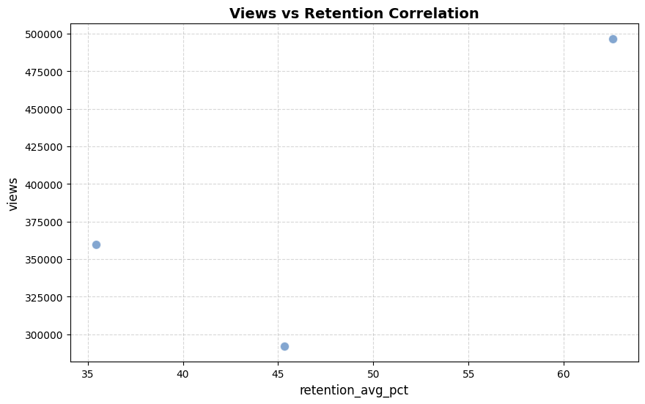

Scatter plot showing relationship between Audience Retention and View Count.

