BUG1
Category | Design
Reproducibility | always
Severity | tweak
Priority | normal

Platform | Google Chrome 121.0.6167.86
OS | Windows
OS Version | 10 x64

Summary | The site-content is shifted to the right on all pages when the browser window is not in full-screen.

Description | The site content is shifted to the right on all pages when the browser window is not in full-screen.
 | The bug is also reproduced on Mozilla Firefox 122.0, Microsoft Edge 121.0.2277.83 platforms.

Steps To Reproduce | 1. Open the web-site http://prestashop.qatestlab.com.ua
 | 2. Press 'Maximize/Minimize(Restore down)' button of the browser window or hotkey: Windows key + Down arrow.
 | 3. Pay attention to the content of the website.

Expected result: | The content fitted in the page or page have scroll bars (vertical and horizontal) for scrolling.

Actual result: | The site content is shifted to the right, horizontal scrolling unavailable.

Additional Information | Preconditions: Web-browser is open in full screen.

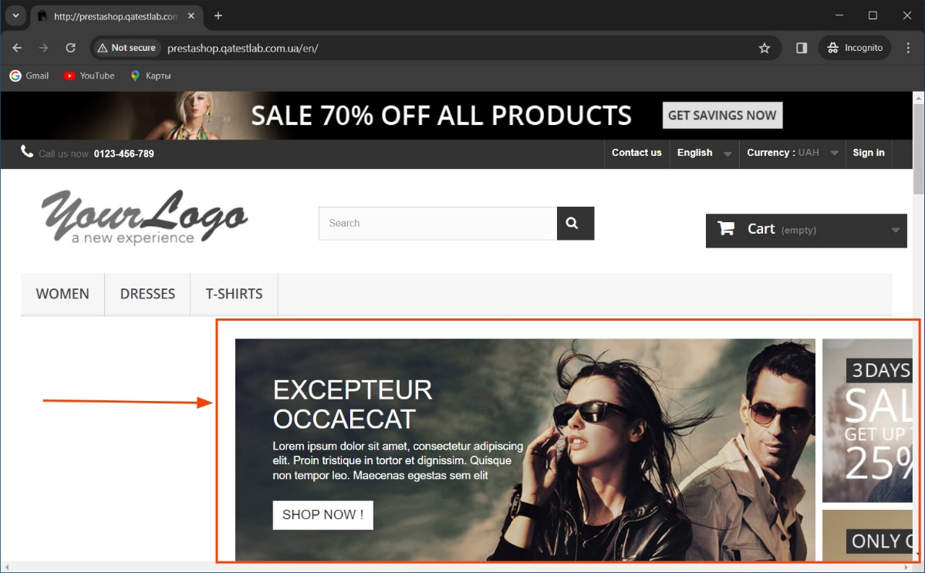
Upload Files

BUG2
Category
Reproducibility | always
Severity | tweak
Priority | normal

Platform | Google Chrome 121.0.6167.86
OS | Windows
OS Version | 10 x64

Summary | The product description text exceeds the boundaries of the product description field on page 'Women' in 'List' view mode.
Description | The product description text exceeds the boundaries of the product description field on page 'Women' in 'List' view mode.
 | The bug is also reproduced on pages 'Dresses' and 'T-Sirts'.
 | The bug is also reproduced on Mozilla Firefox 122.0, Microsoft Edge 121.0.2277.83 platforms.

Steps To Reproduce | 1. Open the web-site http://prestashop.qatestlab.com.ua
 | 2. Click on tab 'Women' or 'Dresses' or 'T-Sirts' on menu bar.
 | 3. Choose 'List'-view in 'View' styles.

Expected result: | The product description text is within the boundaries of the product description field.

Actual result: | The product description text exceeds the boundaries of the product description field.

Additional Information

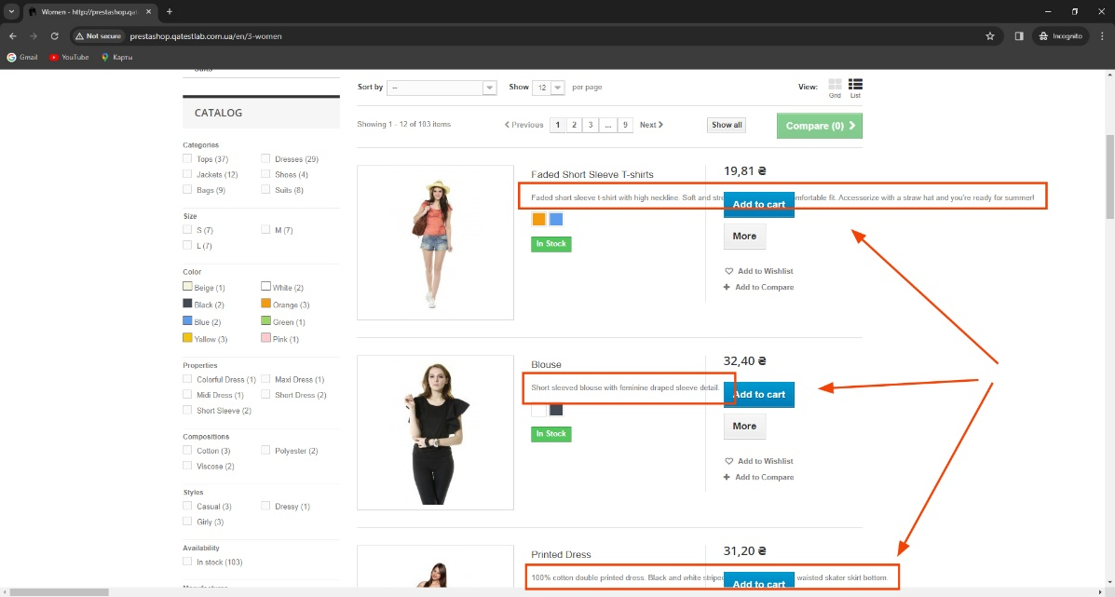
Upload Files

BUG3
Category
Reproducibility | always
Severity | tweak
Priority | normal

Platform | Google Chrome 121.0.6167.86
OS | Windows
OS Version | 10 x64

Summary | The button 'Delete' in the 'My Wishlist' page in the customer account do nothing .
Description | The button 'Delete' in the 'My Wishlist' page in the customer account do nothing .
 | The bug is also reproduced on Mozilla Firefox 122.0, Microsoft Edge 121.0.2277.83 platforms.

Preconditions: | The web-site http://prestashop.qatestlab.com.ua opened.
 | The customer should be registered and signed in.

Steps To Reproduce | 1. Click on any product.
 | 2. Click 'Add to wishlist' on the product page.
 | 3. Go to customer account
 | 4.Click on 'My Wishlists'
 | 5. Click 'Delete' in the table of wishlists.

Expected result: | Wishlist has been cleared of information that was deleted.

Actual result: | Delete button didn't work.

Additional Information | https://app.screencast.com/wQoOiK7AermPT

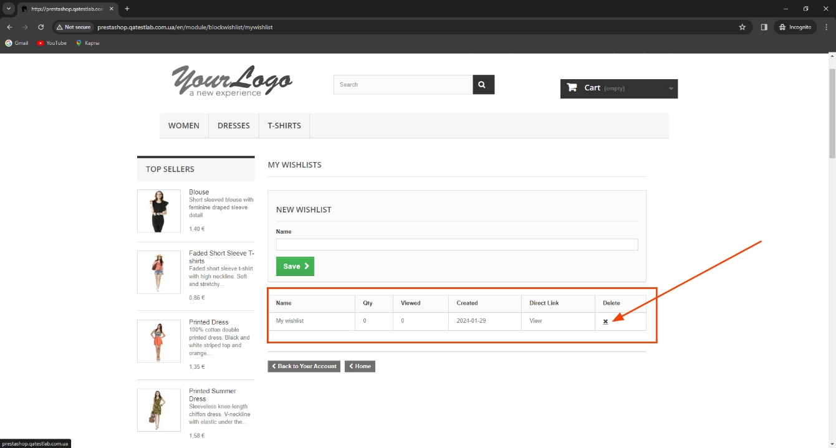
Upload Files

BUG4
Category
Reproducibility | always
Severity | tweak
Priority | normal

Platform | Microsoft Edge 121.0.2277.83
OS | Windows
OS Version | 10 x64

Summary | The map of stores is not displaying on the page 'Our stores'.
Description | The map of stores is not displaying on the page 'Our stores'.
 | The bug is also reproduced on Mozilla Firefox 122.0, Google Chrome 121.0.6167.86 platforms.

Steps To Reproduce | 1. Open the web-site http://prestashop.qatestlab.com.ua
 | 2. Scroll down to the web-site footer.
 | 3. In the 'Information' section find 'Our stores'.
 | 4. Click on 'Our stores ' link.
Expected result: | Opened the page with a map where you can choose a store.

Actual result: | The map of stores is not displayed on the page.
 | The error message: 'Oops! Something went wrong. This page didn't load Google Maps correctly. See the JavaScript console for technical details.'
Additional Information

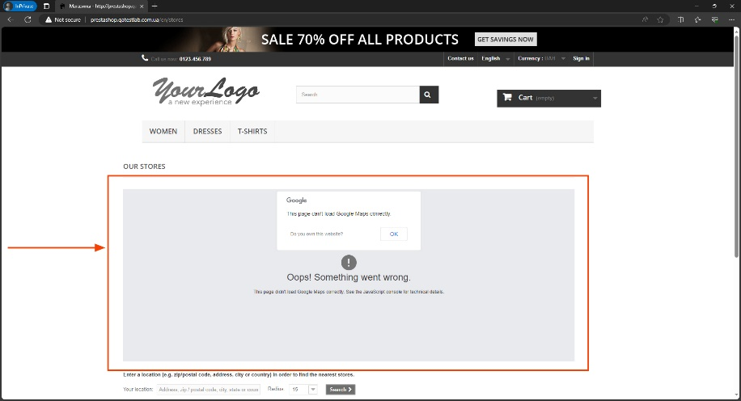
Upload Files

BUG5
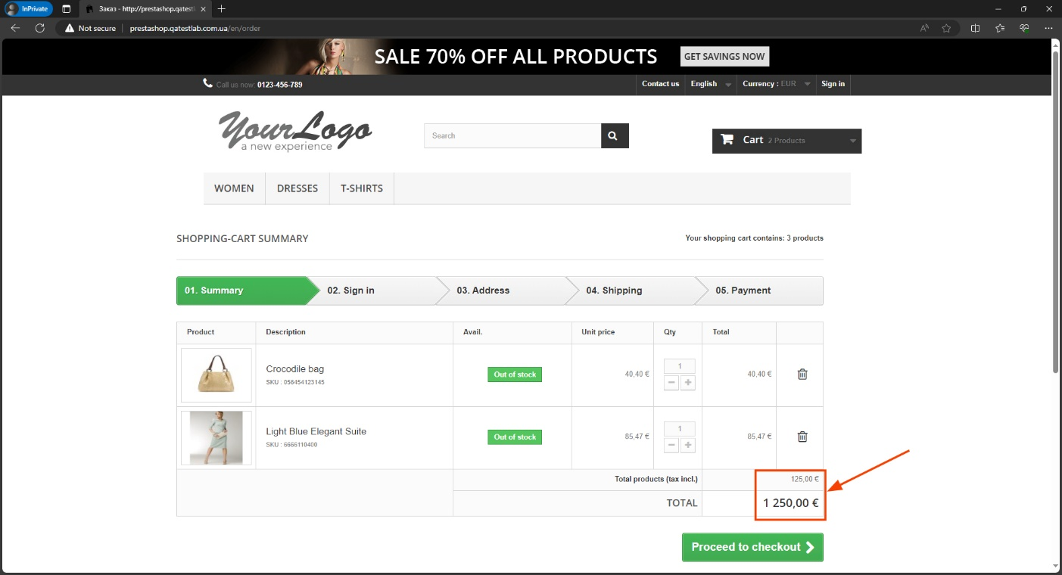
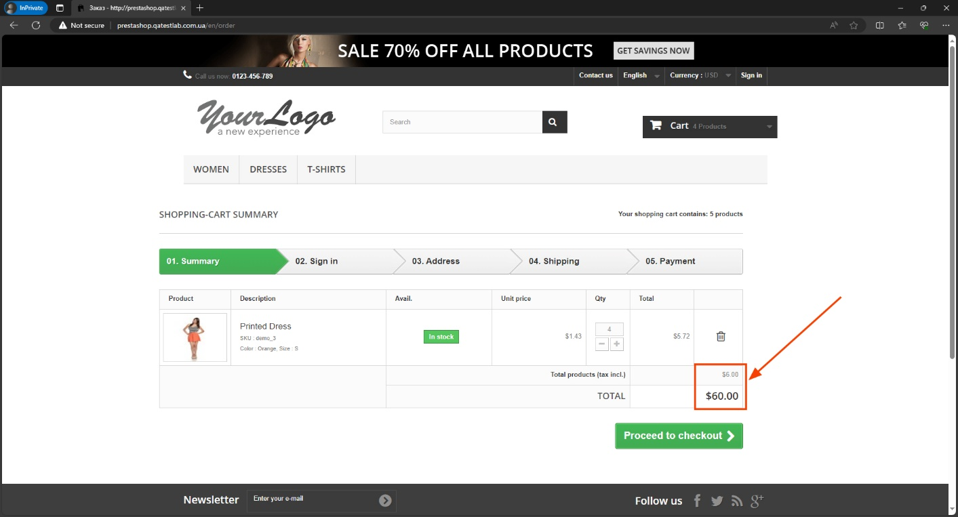
Category
Reproducibility | always
Severity | major
Priority | high

Platform | Microsoft Edge 121.0.2277.83
OS | Windows
OS Version | 10 x64

Summary | Total sum in in the shopping cart counted incorrectly during the checkout in the 'Shopping-cart summary'.
Description | Total sum in the shopping cart in UAH-currency counted incorrectly during the checkout in the 'Shopping-cart summary'.
 | The bug is also reproduced in other currencies: USD (dollar), EUR (euro).
 | The bug is also reproduced on Mozilla Firefox 122.0, Google Chrome 121.0.6167.86 platforms.

Steps To Reproduce | 1. Open http://prestashop.qatestlab.com.ua
 | 2. In the 'Currency' menu pick UAH ('Гривна').
 | 3. Choose any product item from the site.
 | 4. Add item to the shopping cart by pressing 'Add to cart'.
 | 5. Scroll up to the 'Cart' in the top of page and press 'Check out' button in drop-down window.
 | 6. Pay attention to the TOTAL sum in the 'Shopping-cart summary'.
Expected result: | The total sum in the 'Shopping-cart summary' corresponds to the combined cost of all items and the delivery cost.

Actual result: | The total sum in the 'Shopping-cart summary' does not correspond to the combined cost of all items and the delivery cost.

Additional Information

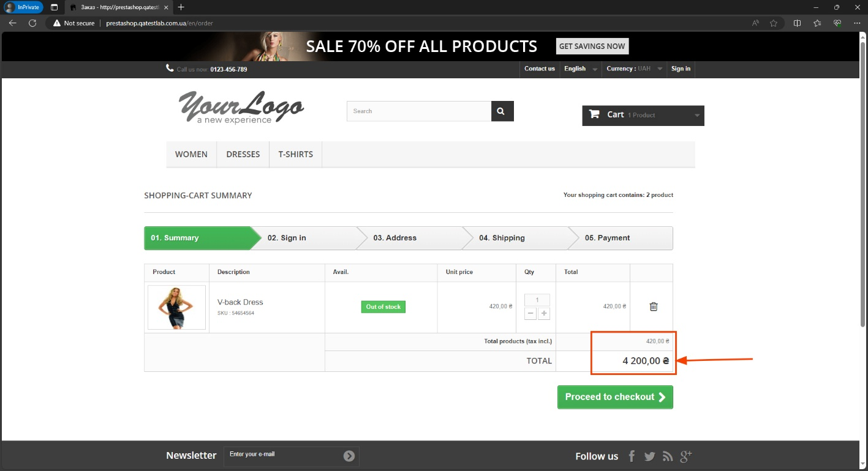
Upload Files

