Screenshots
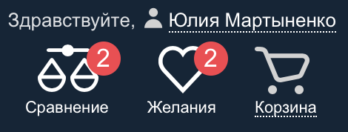
 |  | 1.1.1.

 |  | 1.1.2.

1.3.1. |  |  | 1.3.2.
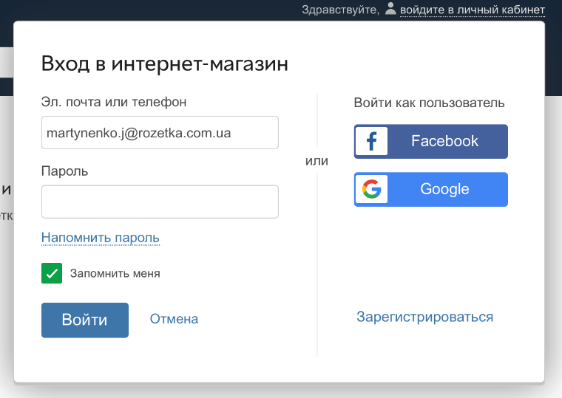
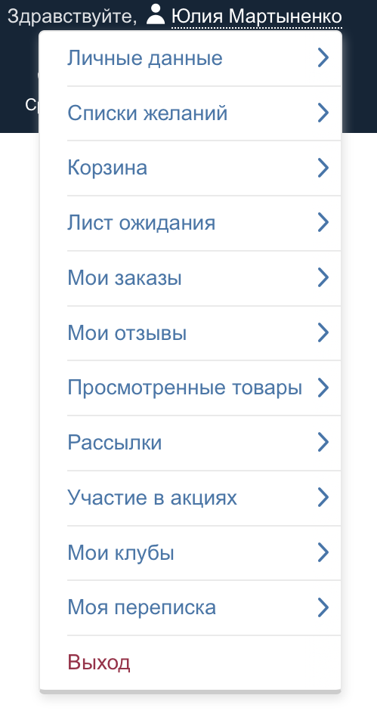

 | 3.1.2.
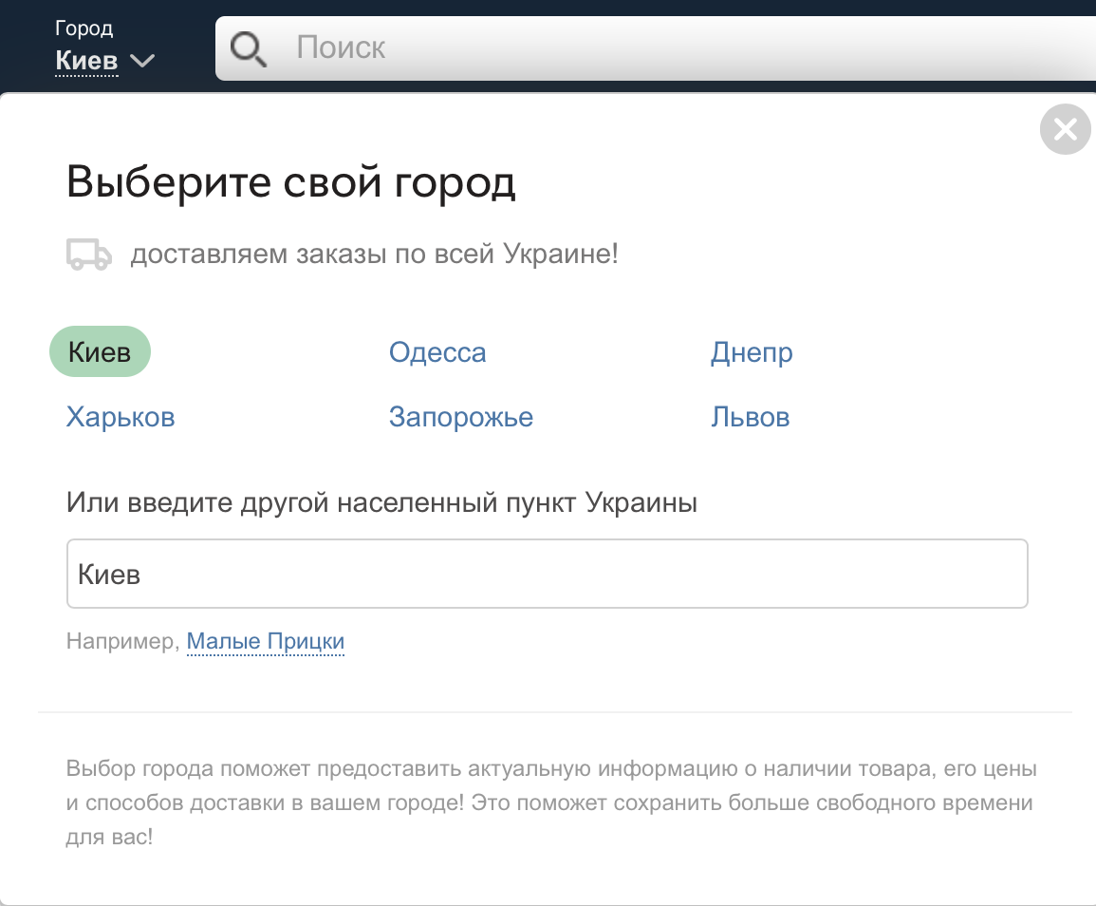

 | 5.1.1.
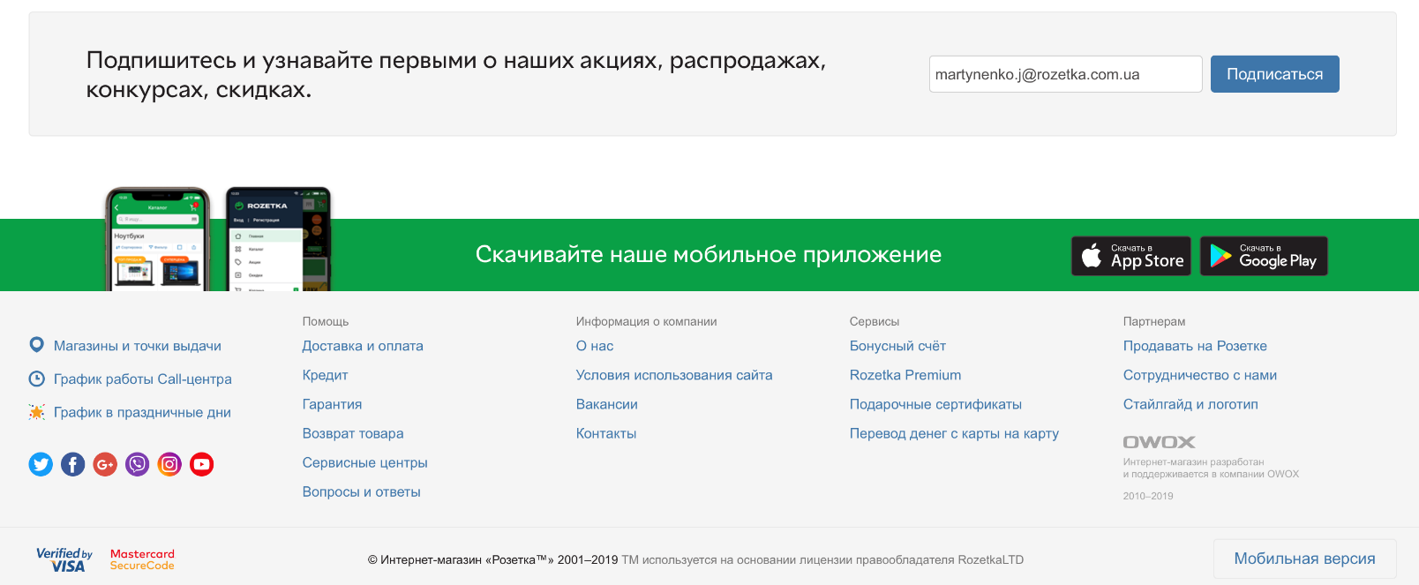

2.2.2.

