Screenshots
2.1.3.
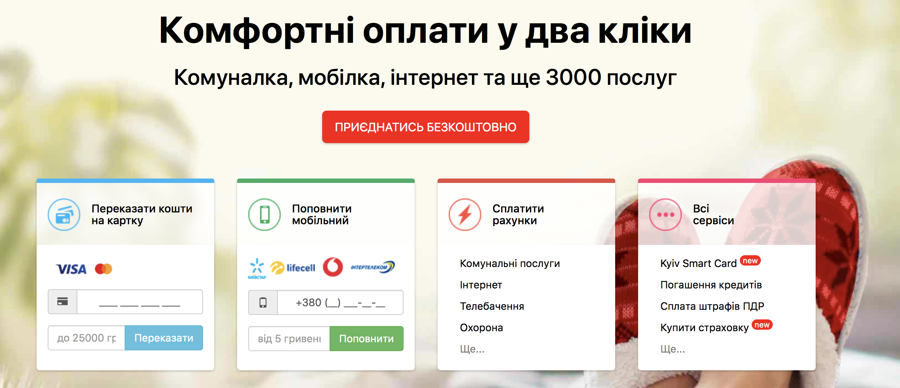

7.1.1.


8.1.3.

